Sheet1
Sum of reward | Column Labels
Row Labels | advise200_unfamiliarNN7_true | baseline_never | correct200_always | correct200_avgCertainty_true | correct200_unfamiliarNN5_true | Grand Total
0 | 1639.3111111 | 1640.3611111 | 1628.2166667 | 1652.1944444 | 1608.7166667 | 8168.8
10 | 1738.2444444 | 1647.7333333 | 1970.4111111 | 1752.1333333 | 1622.9555556 | 8731.4777778
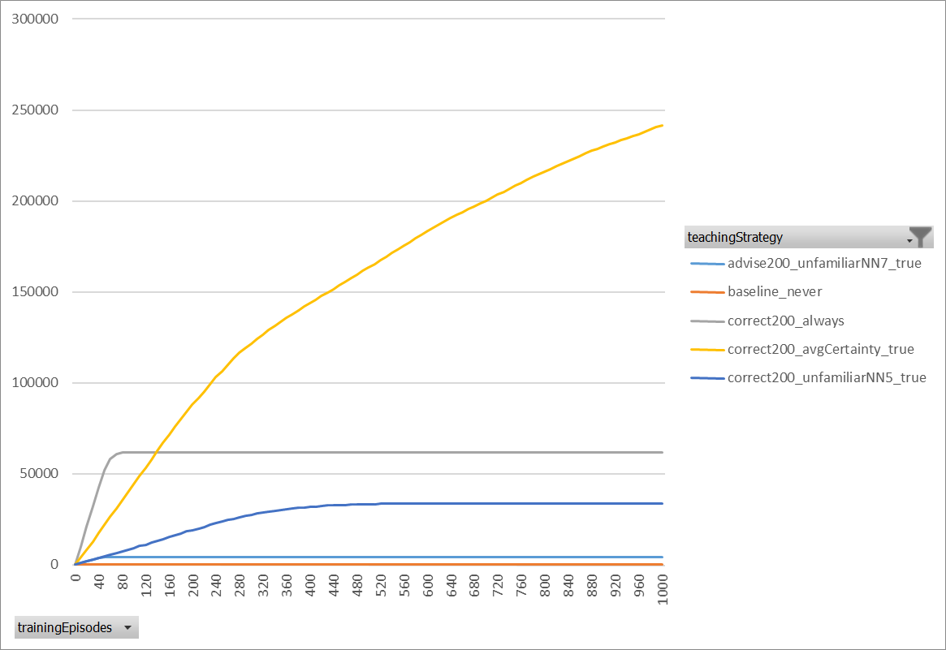
20 | 1832.05 | 1616.8388889 | 2121.6666667 | 1847.5666667 | 1677.95 | 9096.0722222
30 | 1903.9444444 | 1592.1277778 | 2163.0388889 | 1956.5055556 | 1681.4277778 | 9297.0444444
40 | 1977.9111111 | 1600.7333333 | 2180.0444444 | 2046.1166667 | 1702.5611111 | 9507.3666667
50 | 2007.1666667 | 1581.8277778 | 2185.3555556 | 2167.1 | 1672.5944444 | 9614.0444444
60 | 2086.2055556 | 1606.6222222 | 2346.6111111 | 2163.4055556 | 1704.1611111 | 9907.0055556
70 | 2090.5833333 | 1600.3777778 | 2383.8277778 | 2247.9277778 | 1710.0444444 | 10032.761111
80 | 2063.4 | 1586.5777778 | 2506.1222222 | 2291.0166667 | 1738.0277778 | 10185.144444
90 | 2105.0888889 | 1621.9166667 | 2480.9722222 | 2373.2944444 | 1719.2111111 | 10300.483333
100 | 2092.6333333 | 1569.8 | 2446.5111111 | 2340.3277778 | 1734.4944444 | 10183.766667
110 | 2139.1555556 | 1600.8777778 | 2526.0111111 | 2352.7722222 | 1738.0777778 | 10356.894444
120 | 2119.5888889 | 1590.75 | 2545.6777778 | 2348.2888889 | 1705.9611111 | 10310.266667
130 | 2107.4444444 | 1552.8944444 | 2605.9666667 | 2383.1111111 | 1756.4888889 | 10405.905556
140 | 2113.0944444 | 1572.8333333 | 2513.8833333 | 2410.1833333 | 1733.0777778 | 10343.072222
150 | 2189.7611111 | 1513.6666667 | 2575.8611111 | 2411.7888889 | 1754.8666667 | 10445.944444
160 | 2188.9555556 | 1531.1333333 | 2672.2388889 | 2455.8666667 | 1822.2666667 | 10670.461111
170 | 2189.4 | 1543.0166667 | 2729.1722222 | 2546.7111111 | 1860.3722222 | 10868.672222
180 | 2171.4166667 | 1485.1444444 | 2697.9111111 | 2587.6777778 | 1816.1666667 | 10758.316667
190 | 2211.0777778 | 1514.8111111 | 2811.9222222 | 2630.3055556 | 1828.3333333 | 10996.45
200 | 2277.2611111 | 1502.4444444 | 2829.5333333 | 2686.0333333 | 1829.2388889 | 11124.511111
210 | 2188.95 | 1492.7555556 | 2823.4555556 | 2674.1555556 | 1844.9611111 | 11024.277778
220 | 2286.4888889 | 1512.6777778 | 2865.2777778 | 2736.2833333 | 1828.25 | 11228.977778
230 | 2255.7 | 1529.6666667 | 3018.9611111 | 2801.6166667 | 1861.5944444 | 11467.538889
240 | 2190.6888889 | 1481.5388889 | 2931.3055556 | 2817.9666667 | 1892.0444444 | 11313.544444
250 | 2281.3666667 | 1465.2611111 | 2889.6555556 | 2936.5444444 | 1838.4333333 | 11411.261111
260 | 2315.3277778 | 1427.0277778 | 3025.7722222 | 2893.8722222 | 1885.2333333 | 11547.233333
270 | 2292.2833333 | 1476.4055556 | 3035.8833333 | 2949.8888889 | 1932.95 | 11687.411111
280 | 2319.2222222 | 1466.7444444 | 3122.7333333 | 3021.7611111 | 1915.0277778 | 11845.488889
290 | 2319.4888889 | 1473.8055556 | 3136.8777778 | 3068.75 | 1907.1111111 | 11906.033333
300 | 2307.1055556 | 1462.0611111 | 3162.0111111 | 3098.5944444 | 1929.5888889 | 11959.361111
310 | 2346.7888889 | 1445.7444444 | 3343.3833333 | 3205.3555556 | 1961.2277778 | 12302.5
320 | 2406.0111111 | 1477.2222222 | 3251.6333333 | 3271.7055556 | 1922.5722222 | 12329.144444
330 | 2428.6777778 | 1422.5166667 | 3374.0888889 | 3279.3166667 | 1949.6111111 | 12454.211111
340 | 2435.1444444 | 1446.9944444 | 3310.6833333 | 3254.0166667 | 1877.3 | 12324.138889
350 | 2456.0888889 | 1453.2555556 | 3355.4944444 | 3331.8388889 | 1920.7277778 | 12517.405556
360 | 2475.5722222 | 1435.7555556 | 3367.1833333 | 3239.6055556 | 1934.8222222 | 12452.938889
370 | 2485.3666667 | 1419.4944444 | 3373.3611111 | 3352.65 | 1999.9944444 | 12630.866667
380 | 2596.4722222 | 1456.75 | 3402.25 | 3421.8444444 | 1968.65 | 12845.966667
390 | 2572.6277778 | 1387.8055556 | 3453.9722222 | 3411.3388889 | 1978.4222222 | 12804.166667
400 | 2680.25 | 1388.3722222 | 3438.2833333 | 3339.6333333 | 1974.6777778 | 12821.216667
410 | 2601.5 | 1421.65 | 3293.2888889 | 3389.0444444 | 1982.7944444 | 12688.277778
420 | 2641.5944444 | 1438.5833333 | 3464.9777778 | 3437.1722222 | 2106.6111111 | 13088.938889
430 | 2711.9722222 | 1421.0055556 | 3424.6277778 | 3465.5833333 | 2044.5388889 | 13067.727778
440 | 2747.3166667 | 1423.9 | 3442.1666667 | 3474.1666667 | 2083.95 | 13171.5
450 | 2780.2388889 | 1368.3944444 | 3511.8277778 | 3388.6666667 | 2111.4055556 | 13160.533333
460 | 2791.7666667 | 1421.1777778 | 3549.3777778 | 3405.7222222 | 2106.45 | 13274.494444
470 | 2835.3777778 | 1463.2222222 | 3522.0444444 | 3411.6944444 | 2058.4166667 | 13290.755556
480 | 2887.1055556 | 1425.7 | 3490.3888889 | 3515.2666667 | 2051.1055556 | 13369.566667
490 | 2872.6222222 | 1405.0388889 | 3593.5166667 | 3591.85 | 2124.8277778 | 13587.855556
500 | 2919.6944444 | 1429.4666667 | 3595.0722222 | 3544.4055556 | 2149.6888889 | 13638.327778
510 | 2983.3666667 | 1380.6388889 | 3542.1944444 | 3535.9555556 | 2098.2888889 | 13540.444444
520 | 3108.3833333 | 1415.1833333 | 3592.6277778 | 3483.0833333 | 2103.9111111 | 13703.188889
530 | 3001.5444444 | 1402.9111111 | 3593.8277778 | 3500.0777778 | 2213.4444444 | 13711.805556
540 | 3106.7111111 | 1386.2777778 | 3604.3277778 | 3666.7055556 | 2172.0888889 | 13936.111111
550 | 3045.8888889 | 1412.3277778 | 3714.0388889 | 3591.9 | 2159.1111111 | 13923.266667
560 | 3045.8277778 | 1391.75 | 3610.9 | 3663.9666667 | 2160.5166667 | 13872.961111
570 | 3087.05 | 1390.65 | 3650.1777778 | 3643.7222222 | 2216.9388889 | 13988.538889
580 | 3058.0777778 | 1399.3777778 | 3733.1 | 3685.0111111 | 2197.9 | 14073.466667
590 | 3084.2166667 | 1372.2444444 | 3710.5277778 | 3657.0166667 | 2134.3166667 | 13958.322222
600 | 3100.3611111 | 1376.65 | 3631.95 | 3620.75 | 2192.8055556 | 13922.516667
610 | 3165.1666667 | 1394.1 | 3732.25 | 3648.65 | 2218.6111111 | 14158.777778
620 | 3248.8444444 | 1357.9888889 | 3650.4611111 | 3743.05 | 2231.8388889 | 14232.183333
630 | 3172.15 | 1369.7944444 | 3774.7055556 | 3733.2888889 | 2212.6611111 | 14262.6
640 | 3323.5388889 | 1381.7166667 | 3660.2888889 | 3683.0111111 | 2226.3388889 | 14274.894444
650 | 3242.3944444 | 1391.6055556 | 3763.6388889 | 3709.95 | 2229.5833333 | 14337.172222
660 | 3312.4611111 | 1348.3777778 | 3729.1722222 | 3760.0722222 | 2249.8555556 | 14399.938889
670 | 3252.7111111 | 1366.45 | 3731.1 | 3636.7277778 | 2261.4166667 | 14248.405556
680 | 3282.6833333 | 1353.85 | 3768.6888889 | 3774.95 | 2254.3166667 | 14434.488889
690 | 3270.3055556 | 1359.9833333 | 3703.4611111 | 3697.65 | 2297.0333333 | 14328.433333
700 | 3344.2277778 | 1343.7222222 | 3671.3388889 | 3725.6 | 2317.0555556 | 14401.944444
710 | 3348.9944444 | 1387.3 | 3691.8611111 | 3774.2833333 | 2301.7 | 14504.138889
720 | 3361.5388889 | 1369.6111111 | 3773.8944444 | 3735.2888889 | 2330.1777778 | 14570.511111
730 | 3367.7555556 | 1347.4166667 | 3753.1055556 | 3720.3777778 | 2251.6666667 | 14440.322222
740 | 3341.5222222 | 1370.6388889 | 3789.55 | 3787.6666667 | 2290.4222222 | 14579.8
750 | 3401.0222222 | 1355.9611111 | 3756.5611111 | 3788.9666667 | 2289.9222222 | 14592.433333
760 | 3399.5444444 | 1349.4222222 | 3754.6611111 | 3713.4055556 | 2310.3444444 | 14527.377778
770 | 3392.4111111 | 1335.9777778 | 3767.8333333 | 3705.0944444 | 2322.2777778 | 14523.594444
780 | 3388.3722222 | 1356.6277778 | 3727.2777778 | 3713.0277778 | 2290.8888889 | 14476.194444
790 | 3437.8666667 | 1370.1 | 3819.9111111 | 3814.45 | 2310.15 | 14752.477778
800 | 3374.6055556 | 1354.0666667 | 3826.3333333 | 3787.45 | 2290.3222222 | 14632.777778
810 | 3404.25 | 1351.6444444 | 3721.1222222 | 3754.0444444 | 2311.4833333 | 14542.544444
820 | 3428.8055556 | 1346.6 | 3741.6833333 | 3772.6166667 | 2316.9277778 | 14606.633333
830 | 3387.4777778 | 1354.1277778 | 3772.9833333 | 3795.2166667 | 2338.6666667 | 14648.472222
840 | 3458.3111111 | 1351.6833333 | 3761.9055556 | 3733.6833333 | 2320.4333333 | 14626.016667
850 | 3463.0388889 | 1352.65 | 3758.4888889 | 3768.1944444 | 2352.2111111 | 14694.583333
860 | 3491.0888889 | 1325.9444444 | 3756.2 | 3691.4111111 | 2323.7166667 | 14588.361111
870 | 3499.5333333 | 1344.9555556 | 3786.1944444 | 3790.3222222 | 2331.6722222 | 14752.677778
880 | 3499.9444444 | 1334.2 | 3857.4111111 | 3783.3722222 | 2384.6 | 14859.527778
890 | 3521.4777778 | 1340.5611111 | 3813.1166667 | 3689.5333333 | 2350.6777778 | 14715.366667
900 | 3554.1444444 | 1349.2388889 | 3721.45 | 3843.9388889 | 2349.6388889 | 14818.411111
910 | 3520.5777778 | 1353.6777778 | 3779.35 | 3791.2888889 | 2374.0722222 | 14818.966667
920 | 3407.7222222 | 1350.6944444 | 3755.5055556 | 3836.6611111 | 2302.0833333 | 14652.666667
930 | 3510.2055556 | 1341.7611111 | 3728.2277778 | 3620.3444444 | 2360.5333333 | 14561.072222
940 | 3468.7611111 | 1299.55 | 3818.1555556 | 3810.1833333 | 2376.8166667 | 14773.466667
950 | 3505.6777778 | 1365.8555556 | 3805.7277778 | 3770.1333333 | 2330.0333333 | 14777.427778
960 | 3510.0666667 | 1328.1111111 | 3655.4 | 3803.8555556 | 2360.4166667 | 14657.85
970 | 3521.2111111 | 1347.7222222 | 3811.1555556 | 3807.5833333 | 2310 | 14797.672222
980 | 3489.2666667 | 1345.0888889 | 3749.95 | 3797.3444444 | 2345.6888889 | 14727.338889
990 | 3509.2666667 | 1320.45 | 3785.1555556 | 3712.6333333 | 2380.7666667 | 14708.272222
1000 | 3560.4944444 | 1321.7555556 | 3833.7111111 | 3779.3833333 | 2381.7666667 | 14877.111111
Grand Total | 285433.37222 | 144431.47778 | 336133.17222 | 330433.53333 | 209598.09444 | 1306029.65

