Sheet1
See Slide 40
Outlook | Temperature | Humidity | Windy | Play |  | Play Countif Yes | Play Countif No | total |  | Outlook overcast=yes | Outlook rainy=yes | Outlook rainy=no | Outlook sunny=yes | Outlook sunny=no | total
overcast | hot | high | FALSE | yes |  | 9 | 5 | 14 |  | 4 | 3 | 2 | 2 | 3 | 14
overcast | cool | normal | TRUE | yes | p | 0.64285714286 | 0.35714285714 |  | p | 1 | 0.6 | 0.4 | 0.4 | 0.6
overcast | mild | high | TRUE | yes | Logp | -0.63742992062 | -1.4854268272 |  | Logp | 0 | -0.73696559417 | -1.3219280949 | -1.3219280949 | -0.73696559417
overcast | hot | normal | FALSE | yes | pLogp | -0.40977637754 | -0.53050958113 |  | plogp-part | 0 | -0.4421793565 | -0.52877123795 | -0.52877123795 | -0.4421793565
rainy | mild | high | FALSE | yes | sum | 0.94028595867 |  |  | plogp | 0 | 0.97095059445 |  | 0.97095059445
rainy | cool | normal | FALSE | yes |  |  |  |  | sum | 0.6935361389
rainy | cool | normal | TRUE | no
rainy | mild | normal | FALSE | yes |  |  |  |  |  | temp(hot)=yes | temp(hot)=no | temp(mild)=yes | temp(mild)=no | temp(cool)=yes | temp(cool)=no
rainy | mild | high | TRUE | no |  |  |  |  |  | 2 | 2 | 4 | 2 | 3 | 1
sunny | hot | high | FALSE | no |  |  |  |  | p | 0.5 | 0.5 | 0.66666666667 | 0.33333333333 | 0.75 | 0.25
sunny | hot | high | TRUE | no |  |  |  |  | Logp | -1 | -1 | -0.58496250072 | -1.5849625007 | -0.41503749928 | -2
sunny | mild | high | FALSE | no |  |  |  |  | plogp-part | -0.5 | -0.5 | -0.38997500048 | -0.52832083357 | -0.31127812446 | -0.5
sunny | cool | normal | FALSE | yes |  |  |  |  | plogp | 1 |  | 0.91829583405 |  | 0.81127812446
sunny | mild | normal | TRUE | yes |  |  |  |  | sum | 0.91106339301

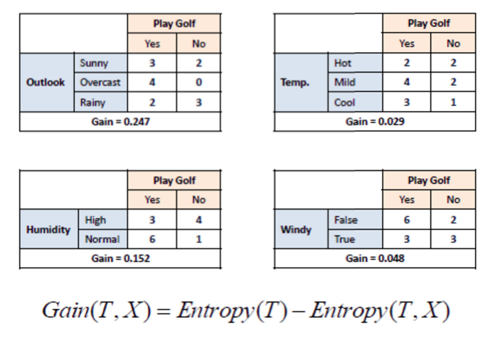
What is the Entropy of Play? | 0.94028595867
What is the Entropy of Outlook? | 0.6935361389 |  | What is the Information Gain of Outlook? | 0.24674981977
What is the Entropy of Temperature? | 0.91106339301 |  | What is the Information Gain of Temperature? | 0.029222565659
What is the Entropy of Humidity? |  |  | What is the Information Gain of Humidity?
What is the Entropy of Windy? |  |  | What is the Information Gain of Windy?

