CoordSys
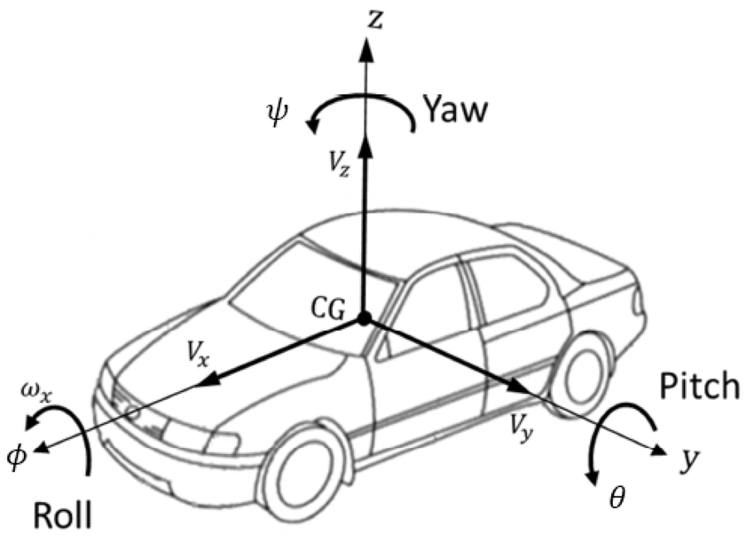
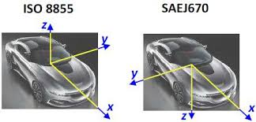
Unless otherwise stated, the data is presented using the ISO 8855 coordinate system.
Students may for specific purposes deviate from the ISO 8855 system; for example their simulations may infer static tyre vertical force (Fz) as positive downwards.
https://www.iso.org/obp/ui/en/#iso:std:iso:8855:ed-2:v1:en

Vehicle
Area/Domain | Parameter | Front/Rear, Dry/wet etc | Value | Units (SI) | Value, converted | Units alternative | ver. Date | Important Notes/Caveats
Body dimensions | Length |  | 4.819 | m | 4819 | mm | 2026-01-31
 | Width |  | 2.02 | m | 2020 | mm | 2026-01-31
 | Height |  | 1.117 | m | 1117 | mm | 2026-01-31
 |  |  |  |  |  |  | 2026-01-31
Masses and inertiae | Vehicle mass | Dry | 1450 | kg |  |  | 2026-01-31
 |  | Fuel (~75 L) | 55 | kg |  |  | 2026-01-31
 |  | Coolant | 12 | kg |  |  | 2026-01-31
 |  | Lubricant | 10 | kg |  |  | 2026-01-31
 |  | Luggage | 15 | kg |  |  | 2026-01-31
 |  | Driver | 75 | kg |  |  | 2026-01-31
 |  | Passenger | 75 | kg |  |  | 2026-01-31
 |  | Calculated/estimated total | 1692 | kg |  |  | 2026-01-31
 |  |  |  |  |  |  | 2026-01-31
 | Mass distribution | front | 0.43 | ratio | 45 | % | 2026-01-31
 |  |  |  |  |  |  | 2026-01-31
 | Centre of mass Z height | Road Mode | 0.45 | m | 450 | mm | 2026-01-31
 |  | Track Mode | 0.44 | m | 440 | mm | 2026-01-31
 |  |  |  |  |  |  | 2026-01-31
 | Wheelbase |  | 2.8 | m | 2800 | mm | 2026-01-31
 | Semi-wheelbase (calculated) | front ('a') | 1.596 | m | 1596 | mm | 2026-01-31
 |  | rear ('b') | 1.204 | m | 1204 | mm | 2026-01-31
 | Track | Front | 1.74 | m | 1740 | mm | 2026-01-31
 |  | Rear | 1.67 | m | 1670 | mm | 2026-01-31
 |  |  |  |  |  |  | 2026-01-31
 | Unprung mass | Front | 45 | kg |  |  | 2026-01-31 | Mass of wheel rim + tyre + hub + brake rotor + brake calliper.
 |  | Rear | 55 | kg |  |  | 2026-01-31 | Mass of wheel rim + tyre + hub + brake rotor + brake calliper.
 |  |  |  |  |  |  | 2026-01-31
 | Wheel rotation inertia | Front | 1.6 | kg*m^2 |  |  | 2026-01-31 | Rotation of wheel rim + tyre + brake rotor
 |  | Rear | 1.8 | kg*m^2 |  |  | 2026-01-31
 |  |  |  |  |  |  | 2026-01-31
 | Vehicle Inertia | Ixx (Roll) | 500 | kg*m^2 |  |  | 2026-01-31
 |  | Iyy (Pitch) | 2500 | kg*m^2 |  |  | 2026-01-31
 |  | Izz (Yaw) | 2900 | kg*m^2 |  |  | 2026-01-31
 |  |  |  |  |  |  | 2026-01-31
Suspension | Wheel rate | Front | 40000 | N/m | 40 | N/mm | 2026-01-31
 |  | Rear | 50000 | N/m | 50 | N/mm | 2026-01-31

 | Motion ratio (wheel/damper) | Front | 1.5 |  |  |  |  | Wheel_rate ~ Spring_rate / motion_ratio^2
 |  | Rear | 1.5 |  |  |  |  | Wheel_rate ~ Spring_rate / motion_ratio^2
 |  |  |  |  |  |  | 2026-01-31
 | Suspension travel | Road mode, Front, Bump | 0.07 | m | 70 | mm | 2026-01-31
 |  | Road mode, Front, Rebound | 0.06 | m | 60 | mm | 2026-01-31
 |  | Road mode, Rear, Bump | 0.08 | m | 80 | mm | 2026-01-31
 |  | Road mode, Rear, Rebound | 0.07 | m | 70 | mm | 2026-01-31
 |  | Track mode, Front, Bump | 0.055 | m | 55 | mm | 2026-01-31
 |  | Track mode, Front, Rebound | 0.075 | m | 75 | mm | 2026-01-31
 |  | Track mode, Rear, Bump | 0.065 | m | 65 | mm | 2026-01-31
 |  | Track mode, Rear, Rebound | 0.085 | m | 85 | mm | 2026-01-31
 |  |  |  |  |  |  | 2026-01-31
Steering | Rack ratio average |  | 14 |  |  |  | 2026-01-31 | Steering wheel rotation (degrees) / tyre steering angle (deg).
 | Ackermann % |  | 40 | % |  |  | 2026-01-31
 |  |  |  |  |  |  | 2026-01-31
 |  |  |  |  |  |  | 2026-01-31
Wheels & Tyres | Size | Front wheel | 9.5x20 |  |  |  | 2026-01-31
 | Mass | Front wheel | 14 | kg |  |  | 2026-01-31
 |  |  |  |  |  |  | 2026-01-31
 | Size | Rear wheel | 12.5x21 |  |  |  | 2026-01-31
 | Mass | Rear wheel | 15 | kg |  |  | 2026-01-31
 |  |  |  |  |  |  | 2026-01-31
 | Dimension | Front tyre | 275/30/r20 |  |  |  | 2026-01-31
 | Tyre type |  | Michelin Pilot Sport Cup 2 / 2R |  |  |  | 2026-01-31
 | Loaded radius with Fz=4300N |  | 0.35 | m | 350 | mm | 2026-01-31
 | Vertical stiffness |  | 280000 | N/m | 280 | N/mm | 2026-01-31
 | Cornering stiffness (average) |  | 150000 | N/rad | 2617.993878 | N/deg | 2026-01-31
 | Force linear range slip angle |  | 0.0611 | rad | 3.5007721282 | deg | 2026-01-31
 | Peak slip angle |  | 0.1047 | rad | 5.998868115 | deg | 2026-01-31
 |  |  |  |  |  |  | 2026-01-31
 | Dimension | Front tyre | 335/30/r21 |  |  |  | 2026-01-31
 | Tyre type |  | Michelin Pilot Sport Cup 2 / 2R |  |  |  | 2026-01-31
 | Loaded radius with Fz=5300N |  | 0.37 | m | 370 | mm | 2026-01-31
 | Vertical stiffness |  | 330000 | N/m | 330 | N/mm | 2026-01-31
 | Cornering stiffness (average) |  | 180000 | N/rad | 3141.5926536 | N/deg | 2026-01-31
 | Force linear range slip angle |  | 0.0611 | rad | 3.5007721282 | deg | 2026-01-31
 | Peak slip angle |  | 0.1047 | rad | 5.998868115 | deg | 2026-01-31
 |  |  |  |  |  |  | 2026-01-31
Brakes | Disc diameter | Front, external | 0.41 | m | 410 | mm | 2026-01-31
 |  | Front, internal | 0.23 | m | 230 | mm | 2026-01-31
 |  | Rear, external | 0.4 | m | 400 | mm | 2026-01-31
 |  | Rear, internal | 0.27 | m | 270 | mm | 2026-01-31
 |  |  |  |  |  |  | 2026-01-31
 | Calliper piston qty | Front | 6 |  |  |  | 2026-01-31
 |  | Rear | 6 |  |  |  | 2026-01-31
 |  |  |  |  |  |  | 2026-01-31
 | Calliper piston diameters | Front, 4x | 0.036 | m | 36 | mm | 2026-01-31
 |  | Front, 2x | 0.04 | m | 40 | mm | 2026-01-31
 |  | Rear, 4x | 0.028 | m | 28 | mm | 2026-01-31
 |  | Rear, 2x | 0.035 | m | 35 | mm | 2026-01-31
 |  |  |  |  |  |  | 2026-01-31
 | Pad friction coefficient | Front | 0.3 |  |  |  | 2026-01-31
 |  | Rear | 0.3 |  |  |  | 2026-01-31
 |  |  |  |  |  |  | 2026-01-31
 | Master cylinder diameter |  | 0.025 | m | 25 | mm | 2026-01-31
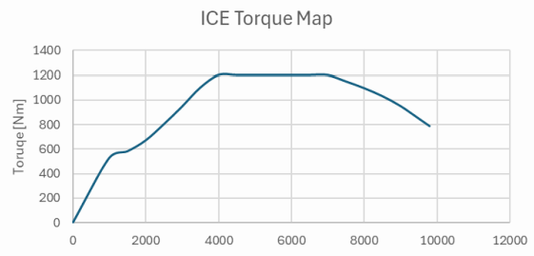
 | Mechanical pressure bias | Front | 0.65 | ratio | 65 | % | 2026-01-31 | Nominally
 | Pedal lever ratio vs pedal stroke |  | 3:1 vs 100 mm |  |  |  | 2026-01-31
 | Brake booster ratio |  | 5.1 | ratio |  |  | 2026-01-31
 | Brake fluid reservoir volume |  | 450 |  |  | cc | 2026-01-31
 |  |  |  |  |  |  | 2026-01-31
 |  |  |  |  |  |  | 2026-01-31
Powertrain | Internal combustion engine torque map |  | See image |  |  |  | 2026-01-31
 | Engine Inertia |  | 0.16 | kg*m^2 |  |  | 2026-01-31
 |  |  |  |  |  |  | 2026-01-31
 | e-Motor power map | Front Left | speed x-axis (rpm): [0 10000 25000]; power (kW): [0 150 150] |  |  |  | 2026-01-31
 |  | Front Right | same as Front Left |  |  |  | 2026-01-31
 |  | Rear | same as Front Left |  |  |  | 2026-01-31
 |  |  |  |  |  |  | 2026-01-31
 | e-Motor Inertia | Front Left | 0.012 | kg*m^2 |  |  | 2026-01-31 | Inertia at the spindle, excluding transmission ratio or driveshaft etc.
 |  | Front Right | 0.012 | kg*m^2 |  |  | 2026-01-31 | Inertia at the spindle, excluding transmission ratio or driveshaft etc.
 |  | Rear | 0.012 | kg*m^2 |  |  | 2026-01-31 | Inertia at the spindle, excluding transmission ratio or driveshaft etc.
 |  |  |  |  |  |  | 2026-01-31
 | e-Motor Efficiency | Front Left | 96% highest; 84% lowest. |  |  |  | 2026-01-31
 |  | Front Right | 96% highest; 84% lowest. |  |  |  | 2026-01-31
 |  | Rear | 96% highest; 84% lowest. |  |  |  | 2026-01-31
 |  |  |  |  |  |  | 2026-01-31
Transmission | ICE gearbox ratios | Gear 1st | 3.400 |  |  |  | 2026-01-31
 |  | Gear 2nd | 2.350 |  |  |  | 2026-01-31
 |  | Gear 3rd | 1.750 |  |  |  | 2026-01-31
 |  | Gear 4th | 1.400 |  |  |  | 2026-01-31
 |  | Gear 5th | 1.200 |  |  |  | 2026-01-31
 |  | Gear 6th | 1.000 |  |  |  | 2026-01-31
 |  | Gear 7th | 0.900 |  |  |  | 2026-01-31
 |  | Gear 8th | 0.800 |  |  |  | 2026-01-31
 |  |  |  |  |  |  | 2026-01-31
 | Differential | Final drive ratio | 3.5 |  |  |  | 2026-01-31
 |  |  |  |  |  |  | 2026-01-31
 | e-Motor transmission ratio | Front Left | 6 |  |  |  | 2026-01-31
 |  | Front Right | 6 |  |  |  | 2026-01-31
 |  | Rear | 1.5 * gear ratio * final drive |  |  |  | 2026-01-31
 |  |  |  |  |  |  | 2026-01-31
Aerodynamics | Aerodynamic map |  | not yet available |  |  |  | 2026-01-31
 | Characteristic area | Frontal | 2 | m^2 |  |  | 2026-01-31
 |  | Plan view | 9 | m^2 |  |  | 2026-01-31
 | Coefficient | Drag (non-dimensional) | 0.32 |  |  |  | 2026-01-31
 |  | Lift | -0.15 |  |  |  | 2026-01-31 | +ve = lift; -ve = downforce
End of dataset | End of dataset | End of dataset | End of dataset | End of dataset | End of dataset | End of dataset | End of dataset | End of dataset

