Sheet1
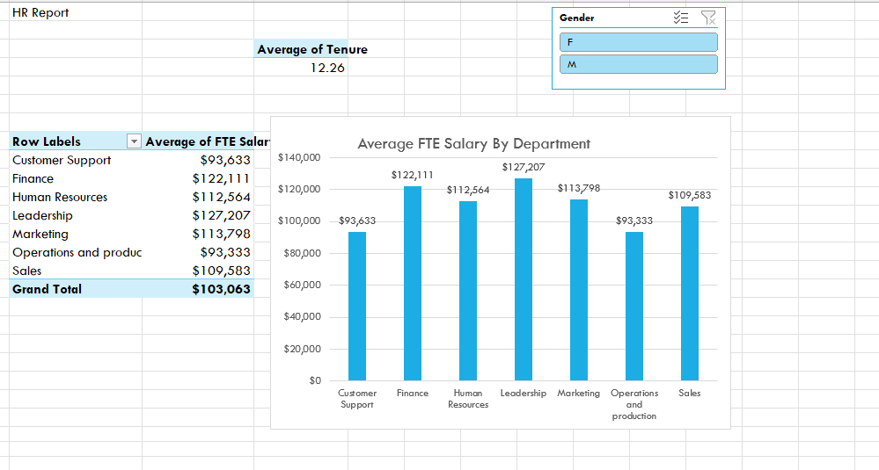

Ceate following report based on HRIS data. Make sure that Tenure and salary changes when we click F, M or both.
HRIS data can be found in HRIS sheet.

