Title
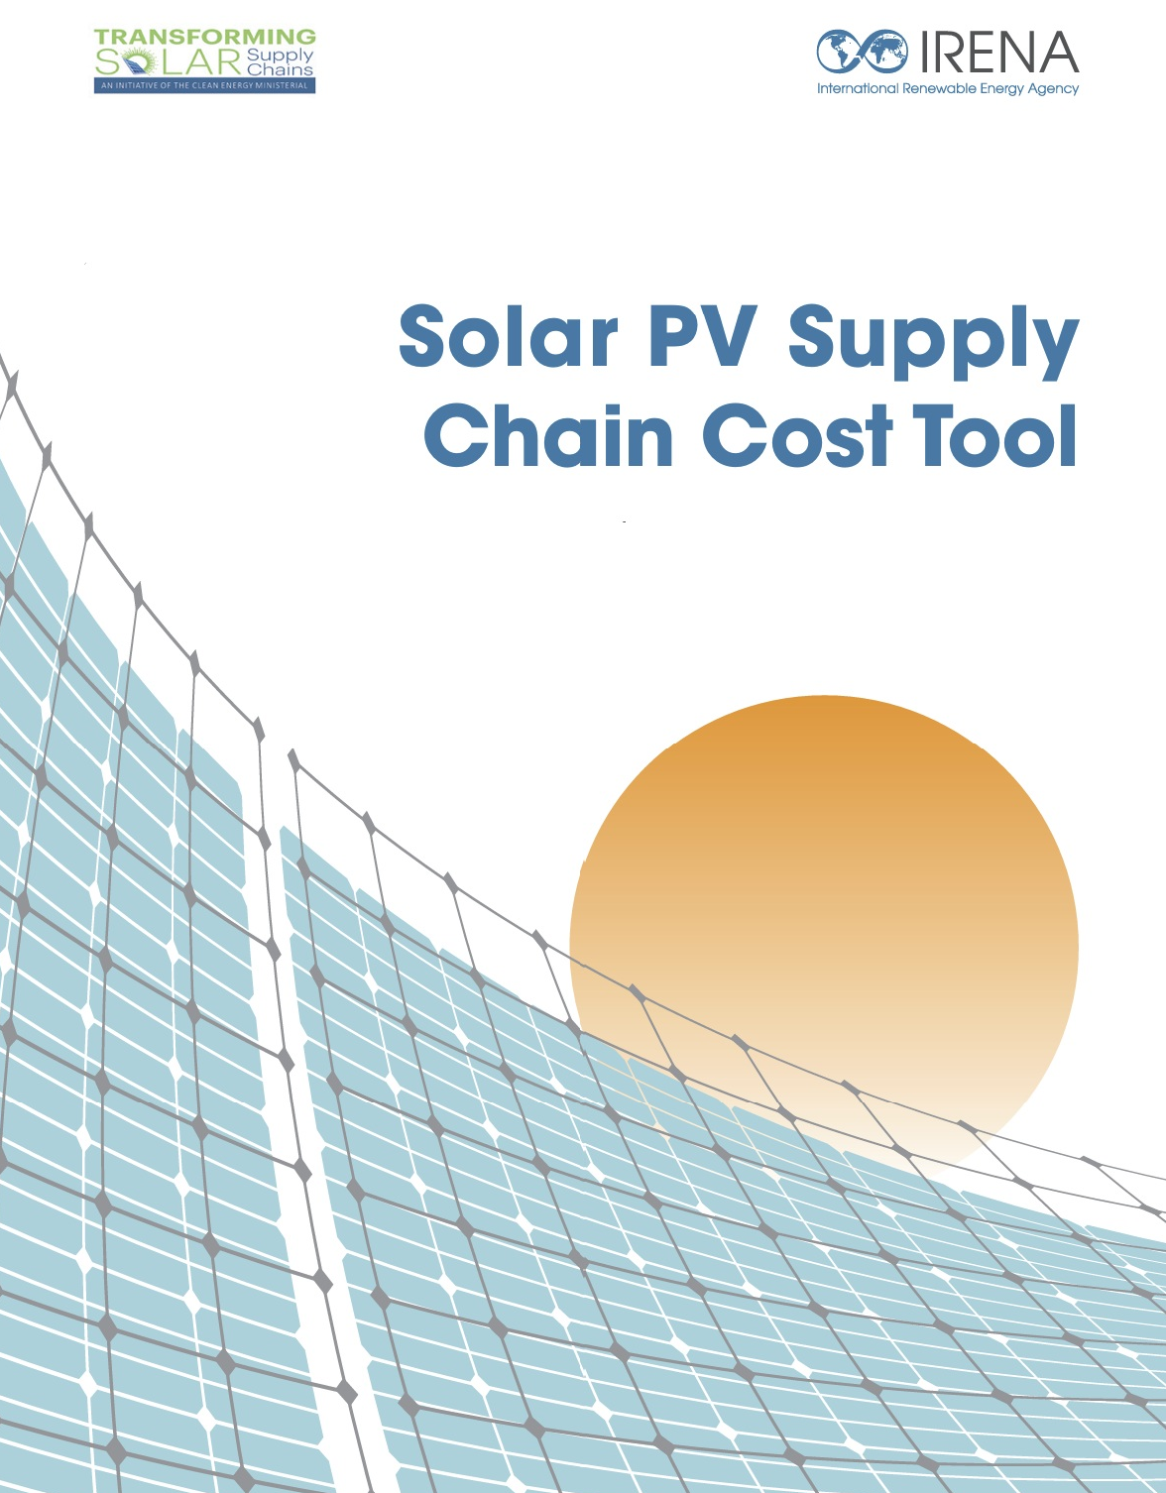

Inputs
MODEL INPUTS

Select Country: | China

Technology Type: | TOPCon
Note on inputs
Model Logic: The component sourcing options are dynamically dependent on the primary country of manufacture selected in cell C3. A component's source can only be defined as "Domestic" when its country of origin is the same as the selected manufacturing country.
Required Action: If you change the primary country of manufacture (cell C3), you must re-select an option from each component sourcing dropdown menu. This action is required to refresh the list of valid choices and ensure the model calculates correctly based on your new scenario.
Key Inputs - Polysilicon
Select source of Polysilicon supply | Domestic

Parameter | Unit | Default Value | User Input | Final Value
Installed Capacity in 2025 | kg | 60000 |  | 60000
Projected Installed Capacity through 2030 | kg | 80000 |  | 80000
Electricity Price | USD/kWh | 0.065 |  | 0.065
Average Engineer Salary | USD/year | 14500 |  | 14500
Equipment Costs | USD/kg | 13 |  | 13
Total Building & Facilities Costs | USD/kg | 3 |  | 3

Key Inputs - Wafer/Cell/Module
Select Source of Wafer Supply | Domestic
Select Source of Solar Cell Supply | Domestic

Parameter | Unit | Default Value | User Input | Final Value
Installed Capacity in 2025 | Wp | 5000000000 |  | 5000000000
Projected Installed Capacity through 2030 | Wp | 10000000000 |  | 10000000000
Equipment Costs for Wafer | USD/kW | 35 |  | 35
Equipment Costs for Cell | USD/kW | 30 |  | 30
Equipment Costs for Module | USD/kW | 10 |  | 10
Electricity Price | USD/kWh | 0.08 |  | 0.08
Average Engineer Salary | USD/year | 14500 |  | 14500
Total Building & Facilities Costs for Wafer manufacturing | USD/kWp | 25 |  | 25
Total Building & Facilities Costs for Cell manufacturing | USD/kWp | 25 |  | 25
Total Building & Facilities Costs for Module manufacturing | USD/kWp | 15 |  | 15

Technology Type: | Monocrystalline

Key Inputs - Polysilicon
Select source of Polysilicon supply | Domestic

Parameter | Unit | Default Value | User Input | Final Value
Installed Capacity in 2025 | kg | 60000 |  | 60000
Projected Installed Capacity through 2030 | kg | 80000 |  | 80000
Electricity Price | USD/kWh | 0.08 |  | 0.08
Average Engineer Salary | USD/year | 14500 |  | 14500
Equipment Costs | USD/kg | 13 |  | 13
Total Building & Facilities Costs | USD/kg | 3 |  | 3

Key Inputs - Wafer/Cell/Module
Select Source of Wafer Supply | Domestic
Select Source of Solar Cell Supply | Domestic

Parameter | Unit | Default Value | User Input | Final Value
Installed Capacity in 2025 | Wp | 5000000000 |  | 5000000000
Projected Installed Capacity through 2030 | Wp | 10000000000 |  | 10000000000
Equipment Costs for Wafer | USD/kW | 35 |  | 35
Equipment Costs for Cell | USD/kW | 30 |  | 30
Equipment Costs for Module | USD/kW | 10 |  | 10
Electricity Price | USD/kWh | 0.08 |  | 0.08
Average Engineer Salary | USD/year | 14500 |  | 14500
Total Building & Facilities Costs for Wafer manufacturing | USD/kWp | 25 |  | 25
Total Building & Facilities Costs for Cell manufacturing | USD/kWp | 25 |  | 25
Total Building & Facilities Costs for Module manufacturing | USD/kWp | 15 |  | 15

Output_Visualization
OUTPUT/VISUALIZATION

Total Module Production Cost (TOPCon & Monocrystalline)
 | Monocrystalline (without ESG) | Monocrystalline (with ESG) | TOPCon (without ESG) | TOPCon (with ESG)
2025 | 0.176 | 0.179 | 0.178 | 0.181
2026 | 0.175 | 0.178 | 0.174 | 0.177
2027 | 0.175 | 0.178 | 0.174 | 0.177
2028 | 0.174 | 0.180 | 0.173 | 0.179
2029 | 0.173 | 0.179 | 0.170 | 0.176
2030 | 0.172 | 0.178 | 0.168 | 0.174

Domestic Polysilicon Costs - TOPCon
 | Overheads | Electricity | Building and facilities | Equipment depreciation | Maintenance | Labour | Materials | Other material | Operating profit
2025 | 0.86 | 2.6 | 0.15 | 1.3 | 0.64 | 0.30 | 2.142 | 1.2 | 1.250
2030 | 0.83 | 2.457 | 0.15 | 1.3 | 0.64 | 0.30 | 2.006 | 1.2 | 1.209

Domestic Wafer Costs - TOPCon
 | Overheads | Electricity | Building and facilities | Equipment depreciation | Maintenance | Labour | Other material | Operating profit
2025 | 0.003 | 0.0074 | 0.0013 | 0.0050 | 0.002 | 0.0031 | 0.0080 | 0.004
2030 | 0.003 | 0.0068 | 0.0013 | 0.0050 | 0.002 | 0.0031 | 0.0077 | 0.004
Domestic Cell Costs - TOPCon
 | Overheads | Electricity | Building and facilities | Equipment depreciation | Maintenance | Labour | Other material including silver | Operating profit
2025 | 0.0033 | 0.0045 | 0.0013 | 0.0060 | 0.002 | 0.0031 | 0.015 | 0.005
2030 | 0.0028 | 0.0034 | 0.0013 | 0.0060 | 0.002 | 0.0031 | 0.011 | 0.004

Domestic Module Costs - TOPCon
 | Overheads | Electricity | Building and facilities | Equipment depreciation | Maintenance | Labour | Other material | ESG Certification | Operating profit
2025 | 0.0070 | 0.0020 | 0.0008 | 0.0020 | 0.0010 | 0.0038 | 0.055 | 0.0030 | 0.010
2030 | 0.0073 | 0.0016 | 0.0008 | 0.0020 | 0.0010 | 0.0038 | 0.055 | 0.0060 | 0.011
Domestic Polysilicon Costs - Monocrystalline
 | Overheads | Electricity | Building and facilities | Equipment depreciation | Maintenance | Labour | Materials | Other material | Operating profit
2025 | 0.92 | 3.2 | 0.15 | 1.3 | 0.64 | 0.3045 | 2.142 | 1.2 | 1.340475
2030 | 0.89 | 3.024 | 0.15 | 1.3 | 0.64 | 0.3045 | 2.006 | 1.2 | 1.293675

Domestic Wafer Costs - Monocrystalline
 | Overheads | Electricity | Building and facilities | Equipment depreciation | Maintenance | Labour | Other material | Operating profit
2025 | 0.003 | 0.0092 | 0.0013 | 0.0050 | 0.002 | 0.0031 | 0.0088 | 0.004
2030 | 0.003 | 0.0086 | 0.0013 | 0.0050 | 0.002 | 0.0031 | 0.0087 | 0.004

Domestic Module Costs - Monocrystalline
 | Overheads | Electricity | Building and facilities | Equipment depreciation | Maintenance | Labour | Other material | ESG Certification | Operating profit
2025 | 0.0070 | 0.00200 | 0.00075 | 0.002 | 0.001 | 0.00383 | 0.055 | 0.0030 | 0.01014
2030 | 0.0073 | 0.00184 | 0.00075 | 0.002 | 0.001 | 0.00383 | 0.055 | 0.0060 | 0.01056
Domestic Cell Costs - Monocrystalline
 | Overheads | Electricity | Building and facilities | Equipment depreciation | Maintenance | Labour | Other material including Silver | Operating profit
2025 | 0.0029882387365 | 0.0042 | 0.0013 | 0.0060 | 0.002 | 0.0031 | 0.0121 | 0.004
2030 | 0.0026903253002 | 0.0028 | 0.0013 | 0.0060 | 0.002 | 0.0031 | 0.0106 | 0.004

Waterfall Chart Table 2025 - TOPCon
Category | Value (USD/Wp) | Type
Polysilicon | 0.022 | Increase
Wafer | 0.034 | Increase
Cell | 0.040 | Increase
Module | 0.085 | Increase
Total Module Cost (with ESG) | 0.181 | Total

Waterfall Chart Table 2025 - Monocrystalline
Category | Value (USD/Wp) | Type
Polysilicon | 0.021 | Increase
Wafer | 0.037 | Increase
Cell | 0.036 | Increase
Module | 0.085 | Increase
Total Module Cost (with ESG) | 0.179 | Total

Waterfall Chart Table 2030 - TOPCon
Category | Value (USD/Wp) | Type
Polysilicon | 0.019 | Increase
Wafer | 0.033 | Increase
Cell | 0.034 | Increase
Module | 0.088 | Increase
Total Module Cost (with ESG) | 0.174 | Total

Waterfall Chart Table 2030 - Monocrystalline
Category | Value (USD/Wp) | Type
Polysilicon | 0.021 | Increase
Wafer | 0.036 | Increase
Cell | 0.033 | Increase
Module | 0.088 | Increase
Total Module Cost (with ESG) | 0.178 | Total

