TempSheetName
Name - Symbol
Company summary from internet
Links | Important Tests |  | Key Metrics |  |  |  | Growth At Normalized PE Valuation |  |  | Fair value Sensitivity Chart
10-K | Cash Vs. Debt | Cash Covers LT Debt | Avg. Equity GR | 0.00% |  |  | EPS TTM | 99,999,999 | ← |  |  | Normalized P/E
10-Q | Altman Z-Score | TBD | Avg. Sales GR | 0.00% |  |  | Predicted Growth Rate | 15% | ← |  |  | 32.3 | 34.2 | 36.1 | 38 | 39.9 | 41.8 | 43.7
Stockrow | Sloan Ratio | 9909809.91% | Avg. Oper. Income GR | 0.00% |  |  | Required Market Yield | 12% | 6 | GR (%) | 5% | 2192957305 | 2321954793 | 2450952282 | 2579949770 | 2708947259 | 2837944747 | 2966942236
Guru Focus | Owner Earning | On Sale | Avg. Net Income GR | 0.00% |  |  | X Years Future EPS | 23.71 |  |  | 10% | 2899015203 | 3069545509 | 3240075815 | 3410606121 | 3581136427 | 3751666734 | 3922197040
Yahoo Finance | Zack's Expected GR |  | Avg. EPS GR | 0.00% |  |  | Discounted EPS | 12.01 |  |  | 15% | 3785135440 | 4007790466 | 4230445492 | 4453100518 | 4675755544 | 4898410570 | 5121065595
Macrotrends | Market Cap [B$] | 0.001 | Avg. FCF GR | 0.00% |  |  | Normalized P/E | 38 | ← |  | 20% | 4886319473 | 5173750031 | 5461180588 | 5748611145 | 6036041702 | 6323472260 | 6610902817
Simply Wall St |  |  | Avg. ROIC | 999.00% |  |  | Fair Value | 456.38 |  |  | 25% | 6242441197 | 6609643620 | 6976846043 | 7344048467 | 7711250890 | 8078453313 | 8445655737
Zacks |  |  | Avg. Net Profit Margin | 999.00% |  |  | Buy Price (50% Discount) | 228
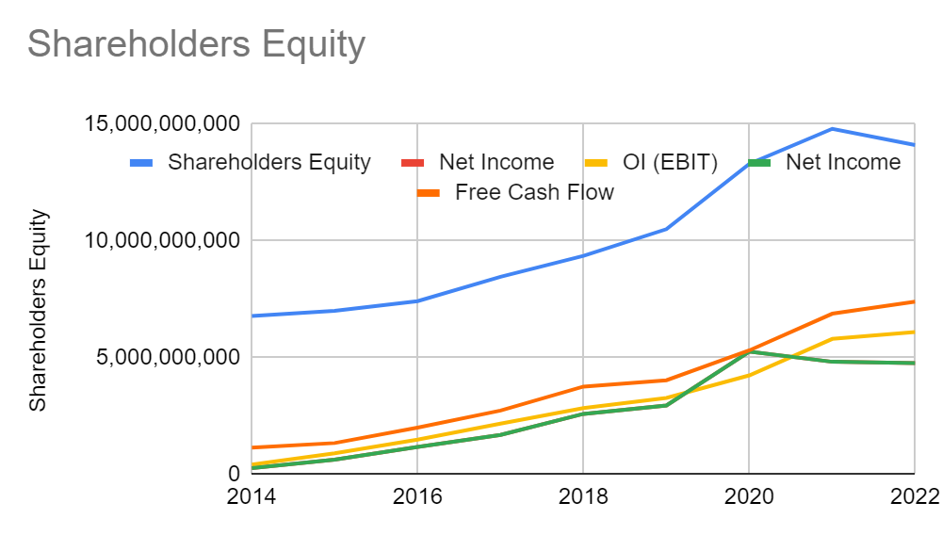
 |  |  |  |  |  |  | Current Stock Price | 9 | ←
 |  |  |  |  |  |  | Company on-sale? | YES
 |  |  |  |  |  |  | Discount | 98%

Growth Rate (YoY)
 | 2022 | 2021 | 2020 | 2019 | 2018 | 2017 | 2016 | 2015 | AVG
Adj. Shareholders Equity | 0.00% | 0.00% | 0.00% | 0.00% | 0.00% | 0.00% | 0.00% | 0.00% | 0.00%
Sales | 0.00% | 0.00% | 0.00% | 0.00% | 0.00% | 0.00% | 0.00% | 0.00% | 0.00%
OI (EBIT) | 0.00% | 0.00% | 0.00% | 0.00% | 0.00% | 0.00% | 0.00% | 0.00% | 0.00%
Net Income | 0.00% | 0.00% | 0.00% | 0.00% | 0.00% | 0.00% | 0.00% | 0.00% | 0.00%
EPS | 0.00% | 0.00% | 0.00% | 0.00% | 0.00% | 0.00% | 0.00% | 0.00% | 0.00%
Free Cash Flow | 0.00% | 0.00% | 0.00% | 0.00% | 0.00% | 0.00% | 0.00% | 0.00% | 0.00%

Raw Data
 | 2022 | 2021 | 2020 | 2019 | 2018 | 2017 | 2016 | 2015 | 2014
Shareholders Equity | 99,999,999 | 99,999,999 | 99,999,999 | 99,999,999 | 99,999,999 | 99,999,999 | 99,999,999 | 99,999,999 | 99,999,999
Dividends | 99,999,999 | 99,999,999 | 99,999,999 | 99,999,999 | 99,999,999 | 99,999,999 | 99,999,999 | 99,999,999 | 99,999,999
Buybacks | 99,999,999 | 99,999,999 | 99,999,999 | 99,999,999 | 99,999,999 | 99,999,999 | 99,999,999 | 99,999,999 | 99,999,999
Sales | 99,999,999 | 99,999,999 | 99,999,999 | 99,999,999 | 99,999,999 | 99,999,999 | 99,999,999 | 99,999,999 | 99,999,999
OI (EBIT) | 99,999,999 | 99,999,999 | 99,999,999 | 99,999,999 | 99,999,999 | 99,999,999 | 99,999,999 | 99,999,999 | 99,999,999
Net Income | 99,999,999 | 99,999,999 | 99,999,999 | 99,999,999 | 99,999,999 | 99,999,999 | 99,999,999 | 99,999,999 | 99,999,999
EPS | 99,999,999 | 99,999,999 | 99,999,999 | 99,999,999 | 99,999,999 | 99,999,999 | 99,999,999 | 99,999,999 | 99,999,999
Free Cash Flow | 99,999,999 | 99,999,999 | 99,999,999 | 99,999,999 | 99,999,999 | 99,999,999 | 99,999,999 | 99,999,999 | 99,999,999

Other Metrics
 | 2022 | 2021 | 2020 | 2019 | 2018 | 2017 | 2016 | 2015 | 2014
ROIC (>15%) | 999.00% | 999.00% | 999.00% | 999.00% | 999.00% | 999.00% | 999.00% | 999.00% | 999.00%
Net Profit Margin (>10%) | 999.00% | 999.00% | 999.00% | 999.00% | 999.00% | 999.00% | 999.00% | 999.00% | 999.00%
FCF / Earnings (>70%) | #DIV/0! | #DIV/0! | #DIV/0! | #DIV/0! | #DIV/0! | #DIV/0! | #DIV/0! | #DIV/0! | #DIV/0!
Cash & Equivalents | 999
Long Term Debt | 999
# Ouststanding Shares

Owners Earning and Sloan Ratio |  |  |  |  |  |  |  |  |  |  | Owner Earnings Valuation [M$] |  |  |  |  |  |  |  | Sloan Ratio
 | 2022 | 2021 | 2020 | 2019 | 2018 | 2017 | 2016 | 2015 | 2014 |  |  |  |  | 10-K | TTM |  |  |  | Net Income | 99,999,999
Cash Flow From Operations | 999999 |  |  |  |  |  |  |  |  |  | Cash Flow From Operation |  |  |  | 999,999 |  |  |  | Operating Cash Flow (CFO) | 999,999
Cash Flow From Ivestments | 999 |  |  |  |  |  |  |  |  |  | Capital Expenditures |  |  |  | -999999 |  |  |  | Investing Cash Flow (CFI) | 999
Total Assetes | 999 |  |  |  |  |  |  |  |  |  | Income Tax (Tax provision) |  |  |  | 999999 |  |  |  | Total Assets | 999
Captial Expenditure | 999999 |  |  |  |  |  |  |  |  |  | Owner Earnings |  |  | 0 | 999,999 |  |  |  | Sloan Ratio (abs) | 9909809.91%
Income Tax | 999999 |  |  |  |  |  |  |  |  |  | Maximum to Pay |  |  | 0 | 9,999,990
 |  |  |  |  |  |  |  |  |  |  | Market Cap |  |  |  | 1000000
 |  |  |  |  |  |  |  |  |  |  | Company on-sale? |  |  |  | On Sale

