location_position
Type | Image | Classification | Extracted Text
Parent Image | 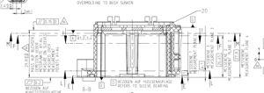 |  | ede 7 ANVId LNSW4IdNSV IW 7 ANAddSS AW 62 Z ANVId LNAWSaNSV AW C INAJYdSSIW Vid LN4W4IdNSV AW € IJNIJGSSSIW | —— 7 ot Hie — on > ~ =| [7], L| INWid INAHBENSY fe | INIGISSIW Qh | ik Ak Tt np ee pss ‘ NOAARARARZARW 2 Ct ip c= TUK 5 TI. IP Sc \ a | 2 SS ae to ij== | A NX Lu FZ TS HS x cu aa 4 = [| ae ‘J : ae = DS —— >is Lo) = Cc) S an) > | Oe ae —> ‘) LN4AWSaNSV AW G4AQ U4dSVAW JAdIIS NO SUNSVAW TV-LV ALAN dSSAW d48 sf] NASS4W49 N4SHINd ANV SSVW \Of #5-6°62 nY-LV_SLNIOd | KIINKC TOT AFEFL] AEC HE BEZOGEN AUF
Sub-crop | 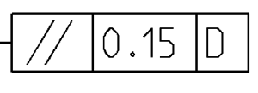 | R2: falcon_r2 | R3: location_position
Sub-crop |  | R2: falcon_r2 | R3: location_position
Parent Image | 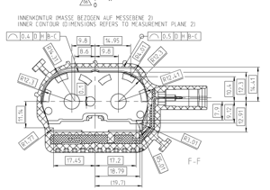 |  | INNENKONTUR (MASSE BEZOGEN AUF MESSEBENE 2) INNER CONTOUR (OIMENSTONS REFERS TO MEASUREMENT PLANE 2) Abe p RBC ra] [es _— ee SA tooo Lod. ee YO? > imran ie % 2: O° O.e OIPPODR NT = ANY \/7 VFaVaeVaVavaVatavavatavavatavavtavla VavaraVvat, Qeee Va aVaV, a RR SLR 054°0 -0°0"0°0"4 56 RRR ee Se KX a ee ROY Renee, were eee. nae = EBY LY
Sub-crop |  | R2: falcon_r2 | R3: location_position | la 0.5 ID H B-C |
Parent Image | 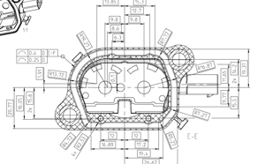 |  | oe SEZ. Ze ve ee CDSS AIOE es Say, ox. <a fT, | CT oo any PAY ce 74 47 |
Sub-crop |  | R2: falcon_r2 | R3: location_position | a (0.25 ID |
Parent Image | 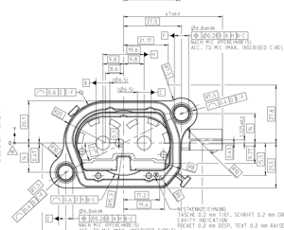 |  | NACH MIC (PFERCHKREIS) LAI — TM | NTT fr itfye- | TY. D6 .8+0.08 6 [40.20 NACH MIC (PFERCHKRE!S) ACC. TO MIC (MAX. INSCRIBED CIRCLE 27.6 1,525+0.2 — —<— — ——— +4 -“{ NT 7 at ~ = : NES TKENNZE IC ANUNG TASCHE 0.2 mm TIEF, SCHRIFT 0.2 mm ERI CAVITY INDICATION POCKET 0.2 mm DEEP, TEXT 0.2 mm RAISE
Sub-crop |  | R2: falcon_r2 | R3: location_position | YN [0.6 |D fH [B-C
Parent Image | 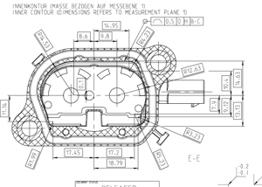 |  | INNENKONTUR (MASSE BEZOGEN AUF MESSEBENE 1) INNER CONTOUR (DIMENSIONS REFERS TO MEASUREMENT PLANE. 1) Pq |0.5 [DH BC YTS ANTS SILK 4 IZED OY =U,
Sub-crop |  | R2: falcon_r2 | R3: location_position | (~ {0.5 |D HH [BC
Parent Image | 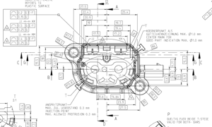 |  | REFERES TO PLASTIC SURFACE Y COFRNEREUNKT ALS I| <t MM GUT TEILKENNZEICHNUNG MAX. Q1.0 mm | [ “AOD PART INDICATION MAX. 1.0 mm a MC \ Al ft — C t ||| I]S Ni Bia t PABB-GE 5: Po v4 XS (> ANSPRIT ZPUNKT MAX. ZUL. UEBERSTAND Q.3 mm INJEC TION POINT MAX. ALLOWED PROTRUSION 0.3 mm GUELTIG FUER BEIDE T-STEGE TINE FOR BOTH- BARS
Sub-crop |  | R2: falcon_r2 | R3: location_position
Sub-crop |  | R2: falcon_r2 | R3: location_position
Parent Image | 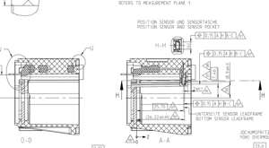 |  | oe By F; ESSEC ERIN RXXK aS 4i ie aw ie SSNS TRS LI —— Y, f aT le ee ee ee ee ee a ii: x OO ——S—== i .—) Xx REFERS TQ MEASUREMENT PLANE 1 POSITION SENSOR UND SENSORTASCHE POSITION SENSOR AND SENSOR POCKET 4H L _ aN =~ aan LS Sons BE A ax ae, ae a il <i Se AN e@) || . ar WV) Ih UNTERSEITE SENSOR LEADFRAME vil (20.2240, wa BOTTOM SENSOR LEADFRAME 2/9 | G4 Ce PRE s AA JOCAUMSPRITZ YOKE OVERMOL 133.6 | te
Sub-crop |  | R2: falcon_r2 | R3: location_position
Parent Image | 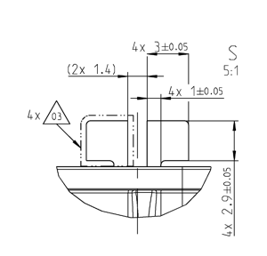 |  | Ay 340.05 S um & a) +H On N >< ~t
Sub-crop |  | R2: falcon_r2 | R3: location_position

none
Type | Image | Classification | Extracted Text
Parent Image |  |  | ede 7 ANVId LNSW4IdNSV IW 7 ANAddSS AW 62 Z ANVId LNAWSaNSV AW C INAJYdSSIW Vid LN4W4IdNSV AW € IJNIJGSSSIW | —— 7 ot Hie — on > ~ =| [7], L| INWid INAHBENSY fe | INIGISSIW Qh | ik Ak Tt np ee pss ‘ NOAARARARZARW 2 Ct ip c= TUK 5 TI. IP Sc \ a | 2 SS ae to ij== | A NX Lu FZ TS HS x cu aa 4 = [| ae ‘J : ae = DS —— >is Lo) = Cc) S an) > | Oe ae —> ‘) LN4AWSaNSV AW G4AQ U4dSVAW JAdIIS NO SUNSVAW TV-LV ALAN dSSAW d48 sf] NASS4W49 N4SHINd ANV SSVW \Of #5-6°62 nY-LV_SLNIOd | KIINKC TOT AFEFL] AEC HE BEZOGEN AUF
Sub-crop |  | R2: falcon_r2 | R3: none | BEZOGEN A
Parent Image |  |  | INNENKONTUR (MASSE BEZOGEN AUF MESSEBENE 2) INNER CONTOUR (OIMENSTONS REFERS TO MEASUREMENT PLANE 2) Abe p RBC ra] [es _— ee SA tooo Lod. ee YO? > imran ie % 2: O° O.e OIPPODR NT = ANY \/7 VFaVaeVaVavaVatavavatavavatavavtavla VavaraVvat, Qeee Va aVaV, a RR SLR 054°0 -0°0"0°0"4 56 RRR ee Se KX a ee ROY Renee, were eee. nae = EBY LY
Sub-crop |  | R2: falcon_r2 | R3: none | CY [0.4 |D |H [B-C
Sub-crop | 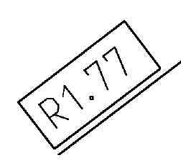 | R2: falcon_r2 | R3: none
Parent Image |  |  | oe SEZ. Ze ve ee CDSS AIOE es Say, ox. <a fT, | CT oo any PAY ce 74 47 |
Sub-crop |  | R2: falcon_r2 | R3: none
Sub-crop | 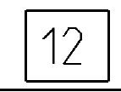 | R2: falcon_r2 | R3: none
Sub-crop |  | R2: falcon_r2 | R3: none | 124 67 |
Parent Image | 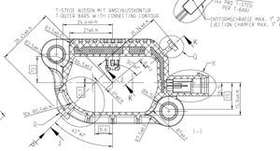 |  | T-STEGE AUSSEN MIT ANSCHLUSSKONTUR T-OUTER BARS WITH CONNECTING CONTOUR 24 440.15 KX XK KR DR A! XR KR XK RK HX SOS XT NSIS NS oY OP PSS NOK O55 05 TX RESO @ . SRR KOCK RY >< PRD DGS. GD GD GD. an ab tn an an ap. SK ees) ZS 0 rates £06 CS \/ IW, LOK 5%" OSI SED — TTT = po a AKA KK XK BAD SN CAN\\ WS LHX \ oem van » a Ae a Wa SF, Tih AAS 77 n~ Qe / 4 4 4 KY a,’ o x or » o. ty b L TR xxx . A, ff K LA UK DRBR D x | — | @ ‘4X PRO T-STEE PER T-Bap) FNTFORMSCHRAEGE MAX. 1 Z| F JECTION CHAMFER MAX. 1° /
Sub-crop | 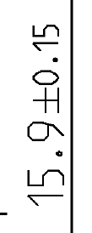 | R2: falcon_r2 | R3: none | sb 0F6'° S|
Sub-crop | 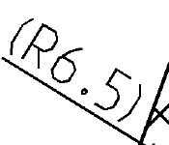 | R2: falcon_r2 | R3: none | &s
Parent Image | 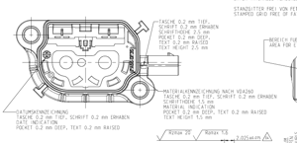 |  | STANZGITTER FREI VON FEI STAMPED GRID FREE OF FA TASCHE 0.2 mm TIEF, SCHRIFT 0.2 mm ERHABEN SCHRIFTHOEHE 2.5 mm POCKET O.2 mm DEEP, TEXT 0.2 mm RAISED TEXT HEIGHT 2.5 mm BEREICH FUE AREA FOR & a | | yy) MATERIALKENNZEICHNUNG NACH VDA260 F} TASCHE 0.2 mm TIEF, SCARIFT 0.2 mm ERHABEN SCHRIFTHOEHE 1.5 mm MATERIAL INDICATION DATUMSKENNZEICHNUNG POCKET 0.2 mm DEER, TEX! 0.2 mm RAISED TASCHE 0.2 mm TIEF, SCHRIFT O.2 mm ERHABEN TEXT HEIGHT 1.5 mm DATE INDICATION POCKET 0.2 mm DEEP, TEXT 0.2 mm RAISED RZmax 20 Ramax 1.6 ? 025 +40.075 | v, a EN
Sub-crop |  | R2: falcon_r2 | R3: none | 2 .QO25+0.075
Parent Image | 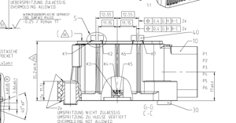 |  | UEBERSPRITZUNG ZULAESSIG ar NN [bpee OVERMOLO ING ALLOWED . 0.25 / Rzmax 17 0.4 |G |H [B-C | 2x a a —— C Cll Ir a | ee eee mip ral IT Fan: SST ASCHE | ; POC KE | AS 40.1 ‘ K Ly 35,240.15 /\ a UMSPRITZUNG NICHT ZULAESSIG UMSPRITZUNG ZU HUELSE VERTIEFT OVERMOLOING NOT ALLOWED XKKX ox 2
Sub-crop |  | R2: falcon_r2 | R3: none | - 10.4 |G |H [B-C
Sub-crop |  | R2: falcon_r2 | R3: none | © [0.4 [cf B-C]2
Sub-crop | 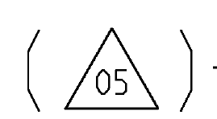 | R2: falcon_r2 | R3: none
Sub-crop |  | R2: falcon_r2 | R3: none | \i0 OFZ SE
Sub-crop |  | R2: falcon_r2 | R3: none
Sub-crop |  | R2: falcon_r2 | R3: none
Parent Image |  |  | NACH MIC (PFERCHKREIS) LAI — TM | NTT fr itfye- | TY. D6 .8+0.08 6 [40.20 NACH MIC (PFERCHKRE!S) ACC. TO MIC (MAX. INSCRIBED CIRCLE 27.6 1,525+0.2 — —<— — ——— +4 -“{ NT 7 at ~ = : NES TKENNZE IC ANUNG TASCHE 0.2 mm TIEF, SCHRIFT 0.2 mm ERI CAVITY INDICATION POCKET 0.2 mm DEEP, TEXT 0.2 mm RAISE
Sub-crop |  | R2: falcon_r2 | R3: none | [0.6 |D |E-F
Sub-crop |  | R2: falcon_r2 | R3: none
Sub-crop |  | R2: falcon_r2 | R3: none | 6.9)
Sub-crop |  | R2: falcon_r2 | R3: none | © |GO.2M) [A |H B-C TT. 07 O77 ON ZA 1417
Parent Image |  |  | INNENKONTUR (MASSE BEZOGEN AUF MESSEBENE 1) INNER CONTOUR (DIMENSIONS REFERS TO MEASUREMENT PLANE. 1) Pq |0.5 [DH BC YTS ANTS SILK 4 IZED OY =U,
Sub-crop |  | R2: falcon_r2 | R3: none | 44.95 |
Parent Image |  |  | REFERES TO PLASTIC SURFACE Y COFRNEREUNKT ALS I| <t MM GUT TEILKENNZEICHNUNG MAX. Q1.0 mm | [ “AOD PART INDICATION MAX. 1.0 mm a MC \ Al ft — C t ||| I]S Ni Bia t PABB-GE 5: Po v4 XS (> ANSPRIT ZPUNKT MAX. ZUL. UEBERSTAND Q.3 mm INJEC TION POINT MAX. ALLOWED PROTRUSION 0.3 mm GUELTIG FUER BEIDE T-STEGE TINE FOR BOTH- BARS
Sub-crop |  | R2: falcon_r2 | R3: none
Sub-crop |  | R2: falcon_r2 | R3: none
Sub-crop |  | R2: falcon_r2 | R3: none | (|0.4 |G [E-F \IT= Tan oe le
Sub-crop |  | R2: falcon_r2 | R3: none
Sub-crop | 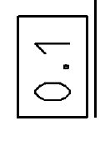 | R2: falcon_r2 | R3: none
Parent Image |  |  | oe By F; ESSEC ERIN RXXK aS 4i ie aw ie SSNS TRS LI —— Y, f aT le ee ee ee ee ee a ii: x OO ——S—== i .—) Xx REFERS TQ MEASUREMENT PLANE 1 POSITION SENSOR UND SENSORTASCHE POSITION SENSOR AND SENSOR POCKET 4H L _ aN =~ aan LS Sons BE A ax ae, ae a il <i Se AN e@) || . ar WV) Ih UNTERSEITE SENSOR LEADFRAME vil (20.2240, wa BOTTOM SENSOR LEADFRAME 2/9 | G4 Ce PRE s AA JOCAUMSPRITZ YOKE OVERMOL 133.6 | te
Sub-crop |  | R2: falcon_r2 | R3: none
Sub-crop |  | R2: falcon_r2 | R3: none | 0.75 [ABC |
Parent Image | 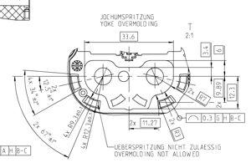 |  | Si JOCAHUMSPRITZUNG YOKE OVERMOLD ING T UEBERSPRITZUNG NICHT ZULAESSI6 OVERMOLDING NOT ALLOWED
Sub-crop |  | R2: falcon_r2 | R3: none | TD |0.3 1G JH |B-c
Sub-crop | 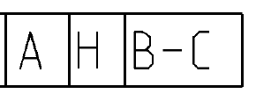 | R2: falcon_r2 | R3: none | AH B-C
Parent Image | 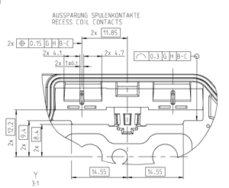 |  | AUSSPARUNG SPULENKONTAKTE RECESS COIL CONTACTS 2x 2% 2X 4.1 2X 4.7 a 2X eal a Te es O————— $= —a OT if [Lg at
Sub-crop |  | R2: falcon_r2 | R3: none | YD {0.3 Jo | [B-C
Sub-crop |  | R2: falcon_r2 | R3: none | |B [0.15 |G |H [B-C
Sub-crop |  | R2: falcon_r2 | R3: none | 111.85 |
Sub-crop |  | R2: falcon_r2 | R3: none
Parent Image | 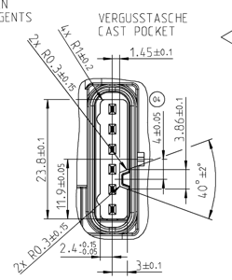 |  | 1.4540.1 340.1 ———— VERGUSSTASCHE CAST POCKET 8 , yt a at isi \ 0 —_\_AA 5 SSS SS ae'8 +S rOFQ' EC oD o4 tS ENTS ;
Sub-crop |  | R2: falcon_r2 | R3: none | 1.45 40.1
Sub-crop |  | R2: falcon_r2 | R3: none | 2 he9 8 |
Sub-crop |  | R2: falcon_r2 | R3: none | OFY EC
Sub-crop |  | R2: falcon_r2 | R3: none | S0° OF 7
Sub-crop |  | R2: falcon_r2 | R3: none | LOFOR TE
Sub-crop |  | R2: falcon_r2 | R3: none | c0°0F6 LL
Parent Image |  |  | Ay 340.05 S um & a) +H On N >< ~t
Sub-crop |  | R2: falcon_r2 | R3: none | cO'OFH' SY XY
Sub-crop |  | R2: falcon_r2 | R3: none | Ax 140.05
Parent Image | 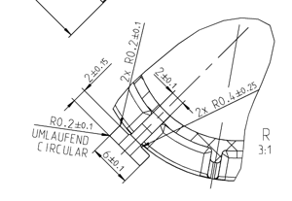
Sub-crop | 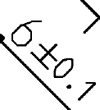 | R2: falcon_r2 | R3: none
Sub-crop | 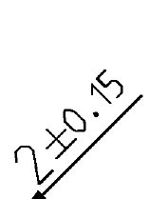 | R2: falcon_r2 | R3: none
Sub-crop | 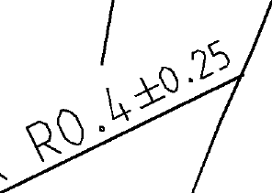 | R2: falcon_r2 | R3: none | xs ue

