falcon_r2
Type | Image | Classification | Falcon 4 Extraction
Parent Image | 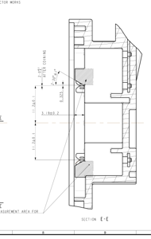 |  | 7 | [l.2r0. | —_ | a a ee ee ee a 2 SL) = Th S Al S , ft x Tf Hh q po as — ae / aT — 3. 1940.2 ai = = Py | / I Ss Fé a og a i Ly | J tt ASUREMENT AREA FOR SECTION E-E SY
Sub-crop | 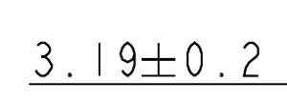 | none | none: 3.19+0.2
Sub-crop |  | none | none: AREA FOR
Sub-crop | 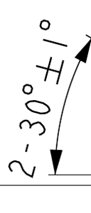 | none | none: 0855
Sub-crop |  | none | none: ASUREMENT
Parent Image | 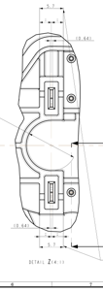
Sub-crop |  | location_position | location_position: (0.64)
Sub-crop |  | none | none: (0.64)
Parent Image | 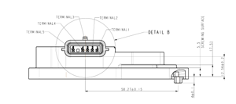 |  | TERMINALS TERMINAL2 TERMINAL TERMINALS oc DETAIL B SCREWING SURFACE (7.95) 98. 21/+0.19 4+ 0. | 2. 5640.2.
Sub-crop |  | none | none: ‘DETAIL B
Sub-crop |  | none | none: TERMINAL 2
Sub-crop | 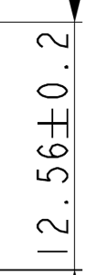 | none | none: |e 079621
Parent Image | 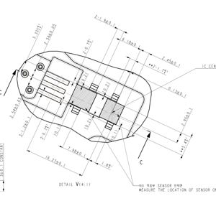 |  | IC CEN A 2 SENSOR otatet MEASURE THE LOCATION OF SENSOR O} A DETAIL VG4:1)
Sub-crop | 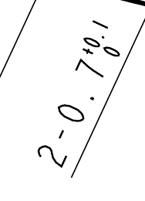 | none | none:
Sub-crop | 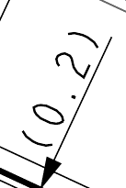 | none | none: (0 >
Sub-crop |  | none | none: INVISNOY) | O+¢
Sub-crop | 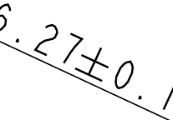 | none | none:
Sub-crop |  | none | none:
Sub-crop | 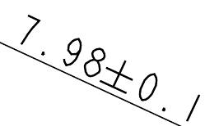 | none | none:
Parent Image | 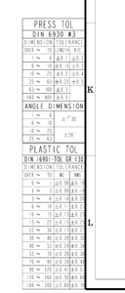 |  | PRESS TOL DIN 6930 #3 DIMENS TON] TOLERANCE OVER ~ TO [LENGTH| | ~ 6)+0.| 60 ~ 400 ANGLE DIMENSION i~ 6 6~ 10 0~ 25 25 ~ 63 PLASTIC TOL DIN 16901-TOL GR 130 DIMENS1ON] TOLERANCE OVER ~~ TO| WG | NWG o~ | |40.08|+0. 18 |~ 3 |+0.09|4+0. 19 3~ 6 [+0.10/+0.20 6~ 10 (+0. 1i[+0 21 0 ~ 15 [40.13/40.23 io ~ 22 [40.1540 20 Ty 22 ~ 30 [40.17] +0.27 30 ~ 40 [+0.20/+0. 30 40 ~~ 53 [+0 24/40. 34 53 ~~ 10 [+0. 28/40. 38 10 ~ 90 [+0. 34/40. a4 90 ~ 120 |+0.41]4+0.51 20 ~ 160 |+0.50|+0. 60 60 ~ 200 |+0.60|+0. 10
Sub-crop |  | none | none: 160 ~ 200 +0.60[40. 19
Sub-crop |  | none | none: 0.40.51
Sub-crop |  | none | none: +0. 25] +0.)
Parent Image | 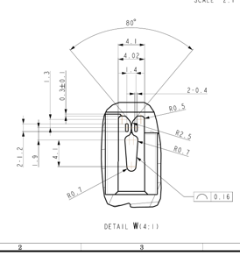 |  | c . VN FALL wy) ay Q= we ~ OQ 16 Cr’ }|0, ) 4: DETAIL We
Sub-crop | 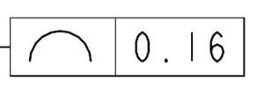 | location_position | location_position: a 0.16)
Parent Image | 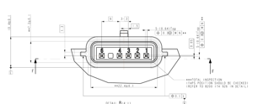 |  | 10.440. **¥ 7] 2+0. GEESE _ (0.64) Top s= [Olu 2g oll |e Y A F ***¥TOTAL INSPECTION (TAPS POSITION SHOULD BE CHECKED) ¥¥22.440. | (REFER TO 8200 174 926 IN DETAIL) NeETAT! Rea-t)
Sub-crop |  | none | none: 9- (0.64) Top
Sub-crop |  | none | none: “QO+¢2 1 **
Sub-crop |  | none | none: © |0.3@ |M\n

