Sheet1
Item | Description | Gender | Style | Source | Unit price
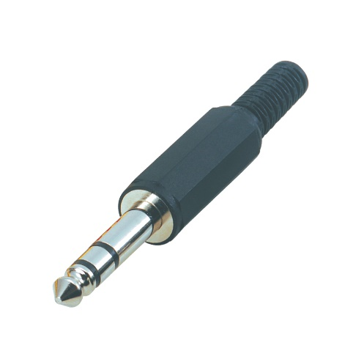 | TRS 6.35mm | Male | Cable mount | MX Electronics | 76
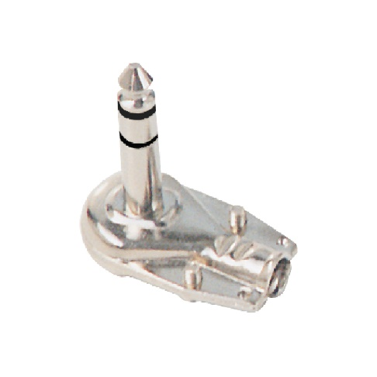 | TRS 6.35mm | Male | Cable mount | MX Electronics | 210
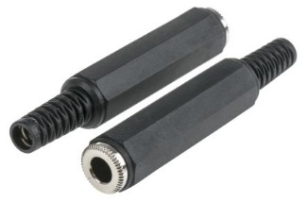 | TRS 6.35mm | Female | Cable mount | RS Components | 168.06
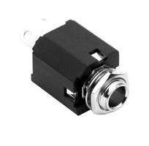 | TRS 6.35mm | Female | Panel mount | Element14 | 68.75
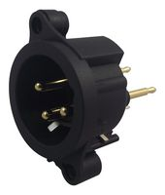 | XLR | Male | Panel mount | Element14 | 66.21
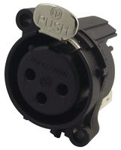 | XLR | Female | Panel mount | Element14 | 76.57
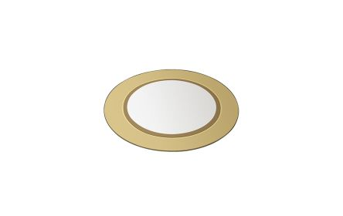 | Piezoelectric disc |  | 15mm | RS Components | 19.17

