Sheet1
Item | Description | Gender | Style | Source | Quantity | Cost
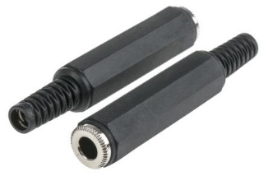 | TRS 6.35mm | Female | Cable mount | RS Components | 30 | 4950
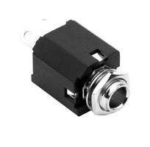 | TRS 6.35mm | Female | Panel mount | Element14 | 30 | 2319
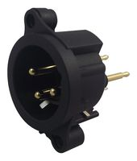 | XLR | Male | Panel mount | Element14 | 30 | 1986.3
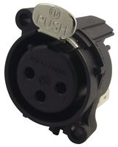 | XLR | Female | Panel mount | Element14 | 30 | 2297.1
 | Piezoelectric disc |  | 12mm | RS Components | 30 | 713.4
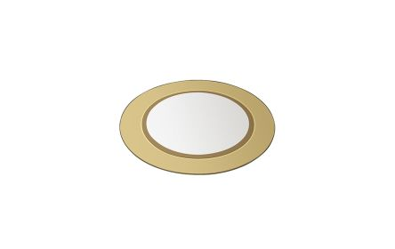 | Piezoelectric disc |  | 15mm | RS Components | 30 | 674.7
 | PCB |  |  | JLCPCB | 30 | 2371.18
 |  |  |  |  |  |  | 510.38933333

