la01
No | Solution | Improve | Runtime
1 | 818 | 0 | 1.34 | avg_solution | 801.82
2 | 820 | 0 | 1.33 | LB | 739
3 | 830 | 0 | 1.3 | UB | 848
4 | 774 | 0 | 1.37
5 | 769 | 0 | 1.11 | avg_runtime | 1.3124
6 | 810 | 0 | 1.18 | Improve_rate | 5%
7 | 782 | 0 | 1.12
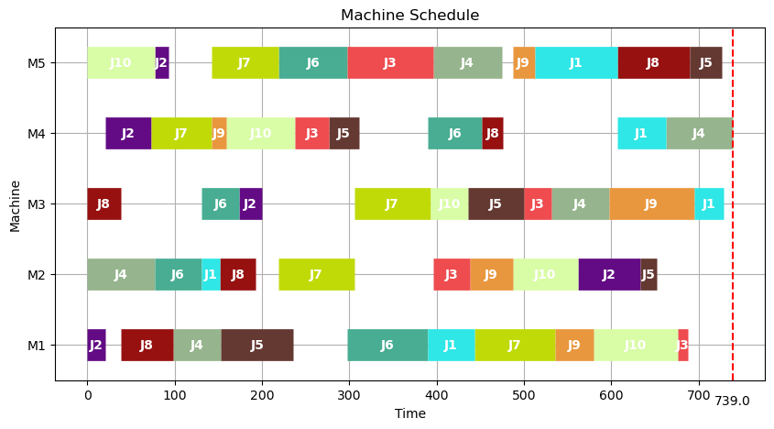
8 | 791 | 0 | 1.12
9 | 806 | 0 | 1.12
10 | 837 | 0 | 1.14
11 | 818 | 0 | 1.11
12 | 801 | 0 | 1.12
13 | 825 | 0 | 1.34
14 | 770 | 1 | 1.35
15 | 814 | 0 | 1.3
16 | 805 | 0 | 1.31
17 | 834 | 0 | 1.36
18 | 775 | 0 | 1.32
19 | 819 | 0 | 1.38
20 | 842 | 1 | 1.32
21 | 822 | 0 | 1.33
22 | 840 | 0 | 1.27
23 | 793 | 0 | 1.34
24 | 838 | 0 | 1.32
25 | 830 | 0 | 1.33
26 | 797 | 1 | 1.34
27 | 777 | 0 | 1.33
28 | 812 | 0 | 1.32
29 | 818 | 0 | 1.33
30 | 793 | 0 | 1.31
31 | 809 | 0 | 1.36
32 | 739 | 0 | 1.32
33 | 788 | 0 | 1.35
34 | 842 | 0 | 1.39
35 | 816 | 0 | 1.34
36 | 783 | 0 | 1.36
37 | 747 | 0 | 1.41
38 | 826 | 0 | 1.32
39 | 813 | 0 | 1.41
40 | 838 | 0 | 1.4
41 | 815 | 0 | 1.37
42 | 778 | 0 | 1.36
43 | 773 | 0 | 1.37
44 | 772 | 0 | 1.35
45 | 827 | 0 | 1.32
46 | 782 | 0 | 1.31
47 | 820 | 0 | 1.21
48 | 772 | 0 | 1.32
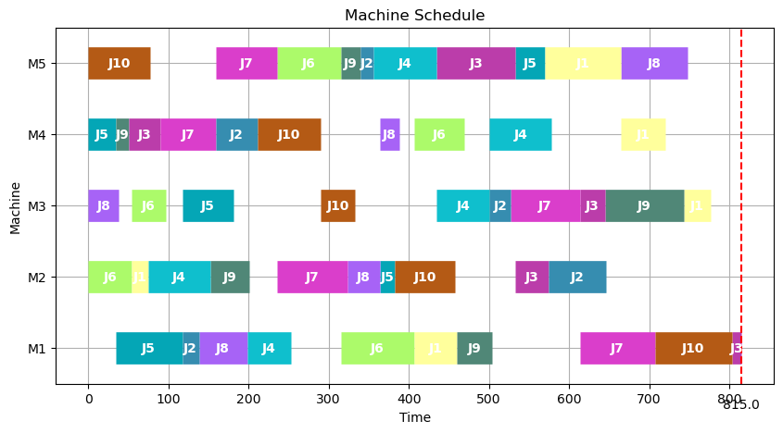
49 | 798 | 0 | 1.32
50 | 800 | 1 | 1.32
51 | 794 | 0 | 1.33
52 | 784 | 0 | 1.34
53 | 813 | 0 | 1.32
54 | 814 | 0 | 1.33
55 | 818 | 0 | 1.34
56 | 842 | 0 | 1.33
57 | 763 | 0 | 1.33
58 | 786 | 0 | 1.31
59 | 757 | 0 | 1.34
60 | 844 | 0 | 1.33
61 | 764 | 0 | 1.34
62 | 816 | 0 | 1.33
63 | 803 | 0 | 1.34
64 | 848 | 0 | 1.34
65 | 763 | 0 | 1.33
66 | 812 | 0 | 1.22
67 | 789 | 0 | 1.33
68 | 759 | 0 | 1.34
69 | 767 | 0 | 1.33
70 | 774 | 0 | 1.33
71 | 838 | 0 | 1.25
72 | 781 | 0 | 1.34
73 | 841 | 0 | 1.22
74 | 804 | 0 | 1.33
75 | 804 | 0 | 1.32
76 | 762 | 0 | 1.34
77 | 812 | 0 | 1.35
78 | 793 | 0 | 1.33
79 | 812 | 0 | 1.34
80 | 764 | 1 | 1.22
81 | 759 | 0 | 1.33
82 | 841 | 0 | 1.34
83 | 809 | 0 | 1.34
84 | 827 | 0 | 1.33
85 | 822 | 0 | 1.33
86 | 812 | 0 | 1.27
87 | 783 | 0 | 1.35
88 | 783 | 0 | 1.31
89 | 818 | 0 | 1.33
90 | 814 | 0 | 1.33
91 | 829 | 0 | 1.25
92 | 779 | 0 | 1.35
93 | 825 | 0 | 1.28
94 | 812 | 0 | 1.33
95 | 826 | 0 | 1.34
96 | 790 | 0 | 1.35
97 | 753 | 0 | 1.34
98 | 819 | 0 | 1.33
99 | 801 | 0 | 1.34
100 | 761 | 0 | 1.33

la02
No | Solution | Improve | Runtime
1 | 835 | 0 | 1.38 | avg_solution | 816.95
2 | 834 | 0 | 1.37 | LB | 749
3 | 842 | 0 | 1.38 | UB | 868
4 | 840 | 0 | 1.35
5 | 812 | 0 | 1.34 | avg_runtime | 1.3264
6 | 824 | 0 | 1.35 | Improve_rate | 6%
7 | 809 | 0 | 1.32
8 | 797 | 0 | 1.26
9 | 824 | 0 | 1.35
10 | 820 | 0 | 1.36
11 | 802 | 0 | 1.34
12 | 832 | 0 | 1.32
13 | 749 | 0 | 1.33
14 | 799 | 0 | 1.34
15 | 773 | 0 | 1.33
16 | 848 | 0 | 1.34
17 | 835 | 0 | 1.34
18 | 825 | 0 | 1.33
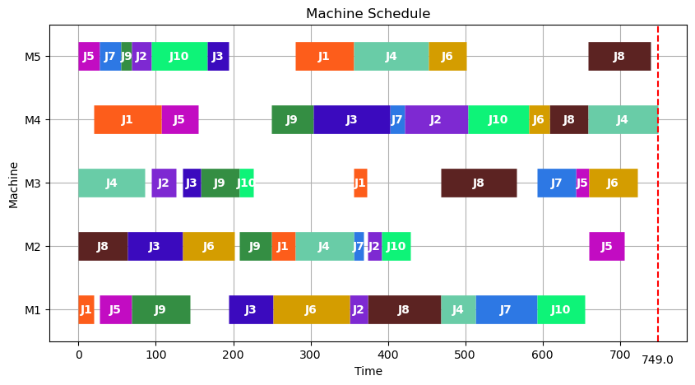
19 | 790 | 0 | 1.34
20 | 846 | 0 | 1.33
21 | 784 | 0 | 1.34
22 | 834 | 0 | 1.35
23 | 835 | 0 | 1.34
24 | 840 | 0 | 1.28
25 | 818 | 0 | 1.34
26 | 780 | 0 | 1.34
27 | 849 | 0 | 1.34
28 | 824 | 0 | 1.35
29 | 835 | 0 | 1.32
30 | 796 | 0 | 1.35
31 | 783 | 0 | 1.35
32 | 809 | 0 | 1.34
33 | 792 | 0 | 1.23
34 | 816 | 0 | 1.35
35 | 767 | 0 | 1.3
36 | 799 | 0 | 1.33
37 | 814 | 0 | 1.25
38 | 798 | 0 | 1.23
39 | 831 | 0 | 1.32
40 | 835 | 0 | 1.33
41 | 802 | 0 | 1.34
42 | 833 | 0 | 1.23
43 | 805 | 0 | 1.33
44 | 784 | 0 | 1.35
45 | 789 | 0 | 1.33
46 | 803 | 0 | 1.34
47 | 801 | 0 | 1.34
48 | 848 | 0 | 1.33
49 | 840 | 0 | 1.39
50 | 791 | 0 | 1.33
51 | 814 | 0 | 1.34
52 | 868 | 0 | 1.22
53 | 826 | 0 | 1.24
54 | 827 | 0 | 1.31
55 | 821 | 0 | 1.34
56 | 860 | 0 | 1.34
57 | 814 | 0 | 1.22
58 | 821 | 0 | 1.23
59 | 790 | 0 | 1.33
60 | 789 | 0 | 1.32
61 | 827 | 0 | 1.33
62 | 807 | 1 | 1.33
63 | 766 | 1 | 1.31
64 | 835 | 0 | 1.34
65 | 858 | 0 | 1.33
66 | 852 | 0 | 1.32
67 | 845 | 0 | 1.26
68 | 828 | 0 | 1.33
69 | 797 | 0 | 1.25
70 | 778 | 1 | 1.34
71 | 814 | 0 | 1.33
72 | 815 | 0 | 1.32
73 | 826 | 0 | 1.38
74 | 835 | 0 | 1.37
75 | 805 | 0 | 1.35
76 | 817 | 0 | 1.33
77 | 842 | 0 | 1.34
78 | 821 | 0 | 1.35
79 | 751 | 1 | 1.32
80 | 843 | 0 | 1.33
81 | 812 | 0 | 1.34
82 | 848 | 0 | 1.32
83 | 820 | 1 | 1.34
84 | 819 | 0 | 1.32
85 | 820 | 0 | 1.32
86 | 826 | 0 | 1.33
87 | 861 | 0 | 1.35
88 | 825 | 0 | 1.35
89 | 802 | 0 | 1.33
90 | 826 | 0 | 1.34
91 | 828 | 0 | 1.32
92 | 824 | 0 | 1.34
93 | 829 | 0 | 1.33
94 | 848 | 0 | 1.32
95 | 797 | 0 | 1.37
96 | 783 | 1 | 1.34
97 | 825 | 0 | 1.39
98 | 829 | 0 | 1.34
99 | 778 | 0 | 1.32
100 | 832 | 0 | 1.29

la03
No | Solution | Improve | Runtime
1 | 724 | 0 | 1.32 | avg_solution | 738.77
2 | 735 | 0 | 1.33 | LB | 685
3 | 739 | 0 | 1.34 | UB | 781
4 | 722 | 0 | 1.28
5 | 685 | 1 | 1.28 | avg_runtime | 1.3214
6 | 781 | 0 | 1.34 | Improve_rate | 5%
7 | 739 | 0 | 1.33
8 | 754 | 0 | 1.27
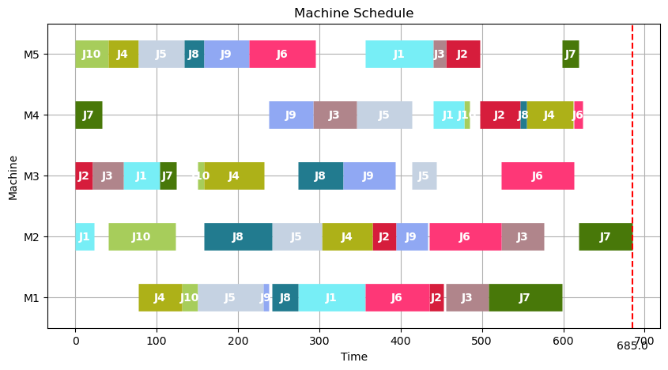
9 | 740 | 0 | 1.36
10 | 715 | 0 | 1.35
11 | 763 | 0 | 1.31
12 | 747 | 0 | 1.33
13 | 733 | 0 | 1.34
14 | 769 | 0 | 1.28
15 | 740 | 0 | 1.33
16 | 707 | 0 | 1.29
17 | 742 | 0 | 1.28
18 | 740 | 0 | 1.22
19 | 727 | 0 | 1.34
20 | 750 | 0 | 1.28
21 | 750 | 0 | 1.35
22 | 768 | 0 | 1.34
23 | 750 | 0 | 1.34
24 | 733 | 0 | 1.29
25 | 699 | 1 | 1.33
26 | 743 | 0 | 1.46
27 | 743 | 0 | 1.25
28 | 754 | 0 | 1.38
29 | 747 | 0 | 1.3
30 | 747 | 0 | 1.34
31 | 772 | 0 | 1.31
32 | 739 | 0 | 1.33
33 | 699 | 1 | 1.28
34 | 745 | 0 | 1.34
35 | 777 | 0 | 1.32
36 | 749 | 0 | 1.32
37 | 776 | 0 | 1.33
38 | 692 | 1 | 1.33
39 | 761 | 0 | 1.33
40 | 767 | 0 | 1.25
41 | 713 | 0 | 1.34
42 | 745 | 0 | 1.32
43 | 733 | 0 | 1.33
44 | 733 | 0 | 1.24
45 | 749 | 0 | 1.33
46 | 717 | 0 | 1.34
47 | 742 | 0 | 1.32
48 | 740 | 0 | 1.33
49 | 744 | 0 | 1.36
50 | 695 | 0 | 1.34
51 | 749 | 0 | 1.33
52 | 755 | 0 | 1.35
53 | 761 | 0 | 1.34
54 | 762 | 0 | 1.34
55 | 766 | 0 | 1.34
56 | 756 | 0 | 1.34
57 | 707 | 0 | 1.39
58 | 730 | 0 | 1.22
59 | 687 | 0 | 1.32
60 | 706 | 0 | 1.35
61 | 740 | 0 | 1.34
62 | 758 | 0 | 1.23
63 | 725 | 0 | 1.34
64 | 772 | 0 | 1.27
65 | 767 | 0 | 1.35
66 | 734 | 0 | 1.29
67 | 742 | 0 | 1.34
68 | 735 | 0 | 1.33
69 | 735 | 0 | 1.34
70 | 762 | 0 | 1.33
71 | 731 | 0 | 1.34
72 | 699 | 0 | 1.35
73 | 743 | 0 | 1.22
74 | 715 | 0 | 1.27
75 | 730 | 0 | 1.33
76 | 751 | 0 | 1.33
77 | 745 | 0 | 1.34
78 | 760 | 0 | 1.35
79 | 762 | 0 | 1.34
80 | 736 | 0 | 1.31
81 | 740 | 0 | 1.33
82 | 707 | 1 | 1.37
83 | 746 | 0 | 1.23
84 | 692 | 0 | 1.32
85 | 712 | 0 | 1.34
86 | 742 | 0 | 1.32
87 | 764 | 0 | 1.26
88 | 762 | 0 | 1.31
89 | 715 | 0 | 1.35
90 | 695 | 0 | 1.35
91 | 740 | 0 | 1.33
92 | 775 | 0 | 1.33
93 | 699 | 0 | 1.35
94 | 753 | 0 | 1.34
95 | 762 | 0 | 1.34
96 | 720 | 0 | 1.35
97 | 748 | 0 | 1.35
98 | 741 | 0 | 1.33
99 | 748 | 0 | 1.27
100 | 721 | 0 | 1.34

la04
No | Solution | Improve | Runtime
1 | 764 | 0 | 1.36 | avg_solution | 743.14
2 | 723 | 0 | 1.345 | LB | 648
3 | 722 | 0 | 1.33 | UB | 820
4 | 774 | 0 | 1.37
5 | 740 | 0 | 1.39 | avg_runtime | 1.32185
6 | 752 | 0 | 1.33 | Improve_rate | 7%
7 | 756 | 0 | 1.35
8 | 730 | 0 | 1.35
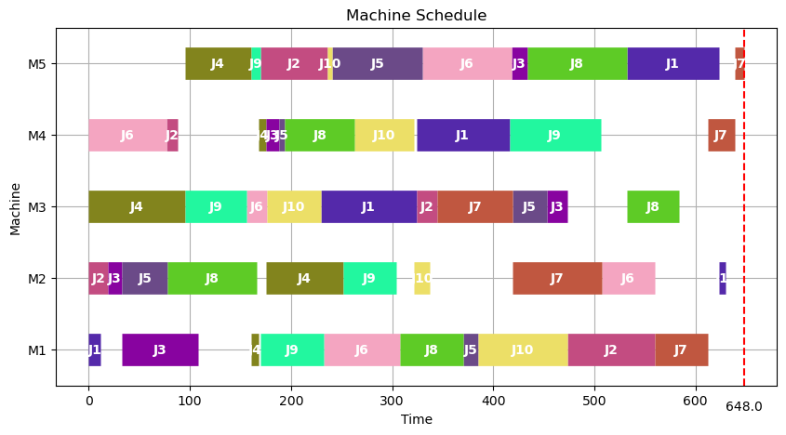
9 | 692 | 0 | 1.37
10 | 792 | 0 | 1.34
11 | 770 | 0 | 1.34
12 | 758 | 0 | 1.35
13 | 736 | 0 | 1.36
14 | 748 | 0 | 1.33
15 | 733 | 0 | 1.35
16 | 726 | 0 | 1.34
17 | 781 | 0 | 1.32
18 | 703 | 0 | 1.34
19 | 746 | 0 | 1.23
20 | 705 | 0 | 1.32
21 | 777 | 0 | 1.33
22 | 690 | 0 | 1.32
23 | 781 | 0 | 1.33
24 | 734 | 0 | 1.35
25 | 732 | 0 | 1.28
26 | 761 | 0 | 1.32
27 | 698 | 0 | 1.32
28 | 772 | 0 | 1.35
29 | 733 | 0 | 1.29
30 | 759 | 0 | 1.32
31 | 707 | 0 | 1.34
32 | 794 | 0 | 1.27
33 | 740 | 0 | 1.36
34 | 762 | 0 | 1.36
35 | 717 | 0 | 1.35
36 | 735 | 0 | 1.32
37 | 695 | 0 | 1.31
38 | 769 | 0 | 1.36
39 | 764 | 0 | 1.27
40 | 764 | 0 | 1.36
41 | 718 | 0 | 1.34
42 | 787 | 0 | 1.35
43 | 698 | 0 | 1.34
44 | 681 | 1 | 1.35
45 | 770 | 0 | 1.34
46 | 743 | 0 | 1.34
47 | 723 | 0 | 1.31
48 | 773 | 0 | 1.24
49 | 761 | 0 | 1.25
50 | 735 | 0 | 1.34
51 | 661 | 1 | 1.37
52 | 773 | 0 | 1.33
53 | 746 | 0 | 1.32
54 | 705 | 0 | 1.22
55 | 769 | 0 | 1.35
56 | 702 | 0 | 1.35
57 | 767 | 0 | 1.24
58 | 672 | 1 | 1.39
59 | 764 | 0 | 1.34
60 | 770 | 0 | 1.33
61 | 770 | 0 | 1.33
62 | 648 | 1 | 1.35
63 | 696 | 0 | 1.33
64 | 733 | 0 | 1.22
65 | 784 | 0 | 1.33
66 | 770 | 0 | 1.32
67 | 714 | 0 | 1.32
68 | 782 | 0 | 1.31
69 | 684 | 1 | 1.29
70 | 766 | 0 | 1.33
71 | 791 | 0 | 1.35
72 | 747 | 0 | 1.35
73 | 761 | 0 | 1.34
74 | 739 | 0 | 1.33
75 | 770 | 0 | 1.32
76 | 778 | 0 | 1.34
77 | 705 | 0 | 1.35
78 | 820 | 0 | 1.22
79 | 765 | 0 | 1.34
80 | 791 | 0 | 1.25
81 | 795 | 0 | 1.22
82 | 740 | 0 | 1.28
83 | 727 | 0 | 1.33
84 | 784 | 0 | 1.34
85 | 715 | 0 | 1.31
86 | 746 | 0 | 1.24
87 | 663 | 1 | 1.38
88 | 716 | 0 | 1.33
89 | 779 | 0 | 1.28
90 | 760 | 0 | 1.34
91 | 721 | 0 | 1.34
92 | 764 | 0 | 1.33
93 | 796 | 0 | 1.28
94 | 746 | 0 | 1.25
95 | 772 | 0 | 1.34
96 | 736 | 0 | 1.24
97 | 651 | 1 | 1.36
98 | 798 | 0 | 1.35 | 0
99 | 688 | 0 | 1.29
100 | 750 | 0 | 1.27

la05
No | Solution | Improve | Runtime
1 | 624 | 0 | 1.36 | avg_solution | 639.86
2 | 639 | 0 | 1.32 | LB | 593
3 | 635 | 0 | 1.35 | UB | 673
4 | 628 | 0 | 1.35
5 | 638 | 0 | 1.41 | avg_runtime | 1.3389
6 | 638 | 0 | 1.34 | Improve_rate | 5%
7 | 612 | 0 | 1.32
8 | 659 | 0 | 1.36
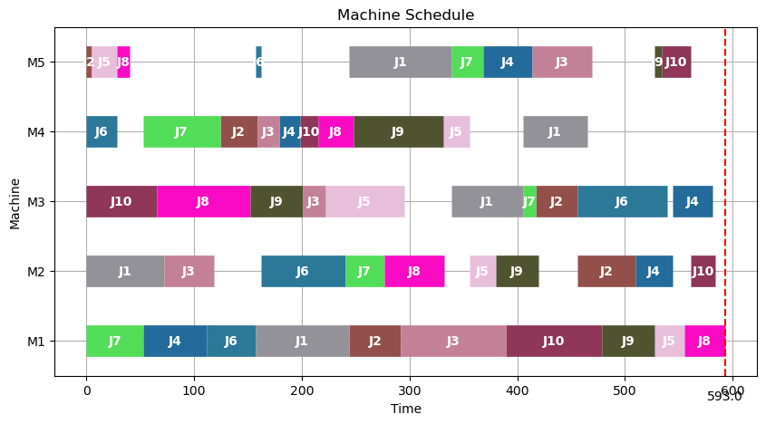
9 | 653 | 0 | 1.34
10 | 646 | 0 | 1.33
11 | 644 | 0 | 1.34
12 | 637 | 0 | 1.32
13 | 639 | 0 | 1.41
14 | 619 | 0 | 1.38
15 | 639 | 0 | 1.34
16 | 639 | 0 | 1.38
17 | 649 | 0 | 1.34
18 | 634 | 0 | 1.27
19 | 669 | 1 | 1.23
20 | 649 | 1 | 1.29
21 | 647 | 0 | 1.38
22 | 628 | 0 | 1.35
23 | 635 | 0 | 1.36
24 | 652 | 0 | 1.35
25 | 636 | 0 | 1.32
26 | 640 | 0 | 1.41
27 | 621 | 0 | 1.35
28 | 644 | 0 | 1.23
29 | 628 | 1 | 1.33
30 | 648 | 0 | 1.32
31 | 607 | 0 | 1.35
32 | 600 | 0 | 1.34
33 | 607 | 0 | 1.36
34 | 650 | 0 | 1.36
35 | 651 | 0 | 1.32
36 | 658 | 0 | 1.34
37 | 645 | 0 | 1.31
38 | 618 | 0 | 1.36
39 | 615 | 0 | 1.36
40 | 615 | 0 | 1.33
41 | 644 | 0 | 1.35
42 | 673 | 0 | 1.32
43 | 634 | 0 | 1.34
44 | 666 | 0 | 1.33
45 | 616 | 1 | 1.39
46 | 641 | 0 | 1.36
47 | 634 | 0 | 1.36
48 | 633 | 0 | 1.36
49 | 636 | 0 | 1.31
50 | 642 | 0 | 1.34
51 | 658 | 0 | 1.25
52 | 641 | 0 | 1.33
53 | 644 | 0 | 1.36
54 | 648 | 0 | 1.36
55 | 632 | 0 | 1.34
56 | 636 | 0 | 1.35
57 | 639 | 0 | 1.35
58 | 621 | 0 | 1.31
59 | 593 | 1 | 1.34
60 | 609 | 0 | 1.32
61 | 641 | 0 | 1.39
62 | 622 | 0 | 1.31
63 | 642 | 0 | 1.31
64 | 630 | 0 | 1.25
65 | 618 | 0 | 1.37
66 | 656 | 0 | 1.45
67 | 635 | 0 | 1.32
68 | 648 | 0 | 1.29
69 | 638 | 0 | 1.33
70 | 607 | 0 | 1.35
71 | 665 | 0 | 1.35
72 | 645 | 0 | 1.33
73 | 655 | 0 | 1.34
74 | 635 | 0 | 1.28
75 | 647 | 0 | 1.25
76 | 669 | 0 | 1.33
77 | 649 | 0 | 1.34
78 | 669 | 0 | 1.36
79 | 653 | 0 | 1.37
80 | 593 | 0 | 1.32
81 | 657 | 0 | 1.31
82 | 602 | 0 | 1.39
83 | 671 | 0 | 1.33
84 | 604 | 0 | 1.34
85 | 671 | 0 | 1.36
86 | 658 | 0 | 1.35
87 | 621 | 0 | 1.36
88 | 648 | 0 | 1.34
89 | 665 | 0 | 1.33
90 | 672 | 0 | 1.32
91 | 634 | 0 | 1.28
92 | 638 | 0 | 1.38
93 | 635 | 0 | 1.33
94 | 652 | 0 | 1.35
95 | 662 | 0 | 1.37
96 | 658 | 0 | 1.34
97 | 644 | 0 | 1.37
98 | 665 | 0 | 1.34
99 | 667 | 0 | 1.36
100 | 670 | 0 | 1.32

la06
No | Solution | Improve | Runtime
1 | 1100 | 0 | 3.36 | avg_solution | 1079.37
2 | 1054 | 0 | 3.36 | LB | 998
3 | 1094 | 0 | 3.38 | UB | 1138
4 | 1077 | 0 | 3.34
5 | 1051 | 0 | 3.39 | avg_runtime | 3.2862
6 | 1094 | 0 | 3.33 | Improve_rate | 6%
7 | 1046 | 0 | 3.25
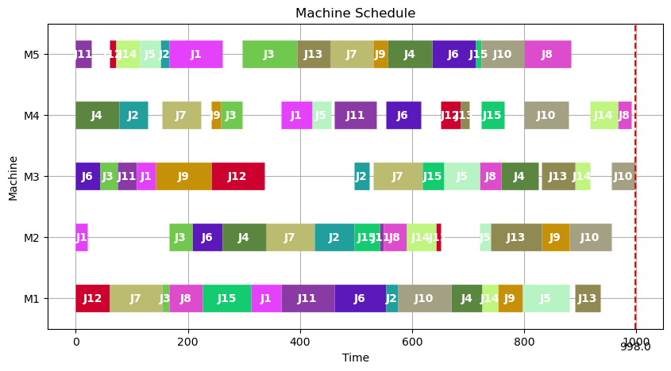
8 | 1078 | 0 | 3.32
9 | 1092 | 0 | 3.25
10 | 1072 | 0 | 3.33
11 | 1034 | 1 | 3.35
12 | 1046 | 0 | 3.38
13 | 1036 | 0 | 3.28
14 | 1006 | 1 | 3.39
15 | 1054 | 0 | 3.37
16 | 1086 | 0 | 3.38
17 | 1049 | 0 | 3.33
18 | 1138 | 0 | 3.36
19 | 1038 | 0 | 3.34
20 | 1105 | 0 | 3.38
21 | 1084 | 0 | 3.37
22 | 1103 | 0 | 3.33
23 | 1083 | 0 | 3.32
24 | 1048 | 1 | 3.28
25 | 1052 | 0 | 3.36
26 | 1104 | 0 | 3.37
27 | 1085 | 0 | 3.36
28 | 1128 | 0 | 3.38
29 | 1113 | 0 | 3.39
30 | 1087 | 1 | 3.31
31 | 1062 | 0 | 3.33
32 | 1110 | 0 | 3.36
33 | 1099 | 0 | 3.34
34 | 1097 | 0 | 3.23
35 | 1105 | 0 | 3.26
36 | 1113 | 0 | 3.29
37 | 1100 | 0 | 3.25
38 | 1067 | 0 | 3.28
39 | 1074 | 1 | 3.28
40 | 1116 | 0 | 3.27
41 | 1064 | 0 | 3.26
42 | 1078 | 0 | 3.23
43 | 1028 | 0 | 3.29
44 | 1054 | 0 | 3.35
45 | 1047 | 0 | 3.26
46 | 1062 | 0 | 3.24
47 | 1037 | 0 | 3.35
48 | 1114 | 0 | 3.36
49 | 1091 | 0 | 3.23
50 | 1110 | 0 | 3.22
51 | 998 | 0 | 3.25
52 | 1115 | 0 | 3.27
53 | 1047 | 1 | 3.28
54 | 1117 | 0 | 3.25
55 | 1073 | 0 | 3.26
56 | 1072 | 0 | 3.26
57 | 1099 | 0 | 3.23
58 | 1107 | 0 | 3.23
59 | 1071 | 0 | 3.23
60 | 1117 | 0 | 3.24
61 | 1082 | 0 | 3.26
62 | 1049 | 0 | 3.26
63 | 1119 | 0 | 3.24
64 | 1026 | 0 | 3.4
65 | 1019 | 0 | 3.35
66 | 1102 | 0 | 3.25
67 | 1106 | 0 | 3.25
68 | 1043 | 0 | 3.22
69 | 1102 | 0 | 3.23
70 | 1050 | 0 | 3.24
71 | 1077 | 0 | 3.27
72 | 1082 | 0 | 3.29
73 | 1105 | 0 | 3.22
74 | 1088 | 0 | 3.22
75 | 1074 | 0 | 3.25
76 | 1118 | 0 | 3.26
77 | 1112 | 0 | 3.27
78 | 1070 | 0 | 3.27
79 | 1109 | 0 | 3.27
80 | 1073 | 0 | 3.23
81 | 1075 | 0 | 3.24
82 | 1034 | 0 | 3.23
83 | 1119 | 0 | 3.25
84 | 1060 | 0 | 3.23
85 | 1092 | 0 | 3.22
86 | 1092 | 0 | 3.24
87 | 1087 | 0 | 3.26
88 | 1030 | 0 | 3.25
89 | 1106 | 0 | 3.23
90 | 1051 | 0 | 3.25
91 | 1116 | 0 | 3.24
92 | 1070 | 0 | 3.22
93 | 1070 | 0 | 3.23
94 | 1106 | 0 | 3.26
95 | 1074 | 0 | 3.25
96 | 1123 | 0 | 3.26
97 | 1103 | 0 | 3.23
98 | 1038 | 0 | 3.22
99 | 1136 | 0 | 3.31
100 | 1068 | 0 | 3.23

la07
No | Solution | Improve | Runtime
1 | 1073 | 0 | 3.26 | avg_solution | 1078.66
2 | 1135 | 0 | 3.33 | LB | 1010
3 | 1103 | 0 | 3.27 | UB | 1135
4 | 1122 | 0 | 3.35
5 | 1055 | 0 | 3.3 | avg_runtime | 3.3124
6 | 1105 | 0 | 3.28 | Improve_rate | 6%
7 | 1087 | 0 | 3.33
8 | 1098 | 0 | 3.33
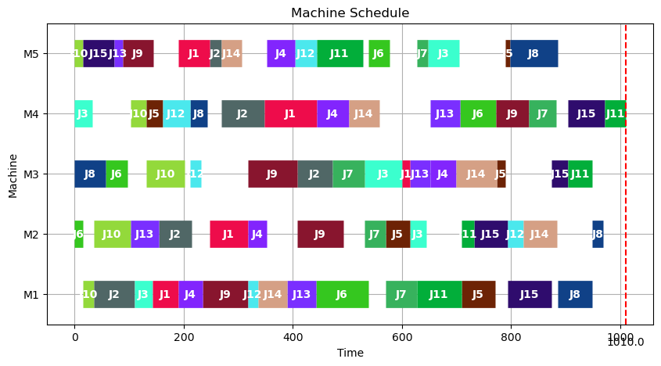
9 | 1079 | 0 | 3.33
10 | 1035 | 0 | 3.35
11 | 1087 | 0 | 3.32
12 | 1086 | 0 | 3.35
13 | 1105 | 0 | 3.32
14 | 1081 | 0 | 3.35
15 | 1077 | 1 | 3.25
16 | 1030 | 0 | 3.31
17 | 1117 | 0 | 3.35
18 | 1010 | 0 | 3.29
19 | 1040 | 0 | 3.32
20 | 1019 | 0 | 3.32
21 | 1016 | 0 | 3.33
22 | 1047 | 0 | 3.28
23 | 1090 | 0 | 3.31
24 | 1087 | 0 | 3.31
25 | 1096 | 0 | 3.31
26 | 1089 | 0 | 3.33
27 | 1124 | 0 | 3.28
28 | 1113 | 0 | 3.35
29 | 1060 | 0 | 3.32
30 | 1048 | 0 | 3.27
31 | 1111 | 0 | 3.33
32 | 1072 | 0 | 3.33
33 | 1097 | 0 | 3.31
34 | 1066 | 0 | 3.33
35 | 1022 | 0 | 3.34
36 | 1107 | 0 | 3.32
37 | 1096 | 0 | 3.32
38 | 1084 | 0 | 3.27
39 | 1096 | 0 | 3.31
40 | 1037 | 0 | 3.34
41 | 1091 | 0 | 3.3
42 | 1074 | 0 | 3.33
43 | 1066 | 1 | 3.32
44 | 1091 | 0 | 3.32
45 | 1087 | 1 | 3.3
46 | 1080 | 0 | 3.32
47 | 1092 | 0 | 3.34
48 | 1042 | 0 | 3.34
49 | 1054 | 0 | 3.34
50 | 1117 | 0 | 3.27
51 | 1071 | 1 | 3.33
52 | 1058 | 0 | 3.31
53 | 1101 | 0 | 3.28
54 | 1039 | 0 | 3.32
55 | 1086 | 0 | 3.31
56 | 1073 | 0 | 3.28
57 | 1084 | 0 | 3.33
58 | 1079 | 0 | 3.33
59 | 1084 | 0 | 3.26
60 | 1099 | 0 | 3.33
61 | 1113 | 0 | 3.32
62 | 1079 | 0 | 3.29
63 | 1036 | 0 | 3.33
64 | 1108 | 0 | 3.34
65 | 1125 | 0 | 3.33
66 | 1098 | 0 | 3.28
67 | 1093 | 0 | 3.32
68 | 1107 | 0 | 3.3
69 | 1100 | 0 | 3.29
70 | 1112 | 0 | 3.32
71 | 1020 | 0 | 3.29
72 | 1085 | 0 | 3.35
73 | 1091 | 0 | 3.27
74 | 1074 | 0 | 3.3
75 | 1086 | 1 | 3.34
76 | 1037 | 0 | 3.32
77 | 1130 | 0 | 3.26
78 | 1074 | 0 | 3.34
79 | 1050 | 0 | 3.35
80 | 1092 | 0 | 3.32
81 | 1090 | 0 | 3.24
82 | 1074 | 0 | 3.32
83 | 1029 | 0 | 3.28
84 | 1108 | 0 | 3.31
85 | 1102 | 0 | 3.33
86 | 1098 | 0 | 3.32
87 | 1075 | 1 | 3.25
88 | 1048 | 0 | 3.36
89 | 1078 | 0 | 3.37
90 | 1117 | 0 | 3.3
91 | 1028 | 0 | 3.34
92 | 1106 | 0 | 3.25
93 | 1103 | 0 | 3.3
94 | 1108 | 0 | 3.32
95 | 1072 | 0 | 3.26
96 | 1046 | 0 | 3.33
97 | 1049 | 0 | 3.32
98 | 1063 | 0 | 3.28
99 | 1053 | 0 | 3.32
100 | 1039 | 0 | 3.32

la08
No | Solution | Improve | Runtime
1 | 1119 | 0 | 3.34 | avg_solution | 1072.33
2 | 1042 | 0 | 3.3 | LB | 1002
3 | 1040 | 0 | 3.27 | UB | 1130
4 | 1077 | 0 | 3.33
5 | 1008 | 0 | 3.32 | avg_runtime | 3.3122
6 | 1097 | 1 | 3.27 | Improve_rate | 7%
7 | 1130 | 0 | 3.33
8 | 1064 | 0 | 3.3
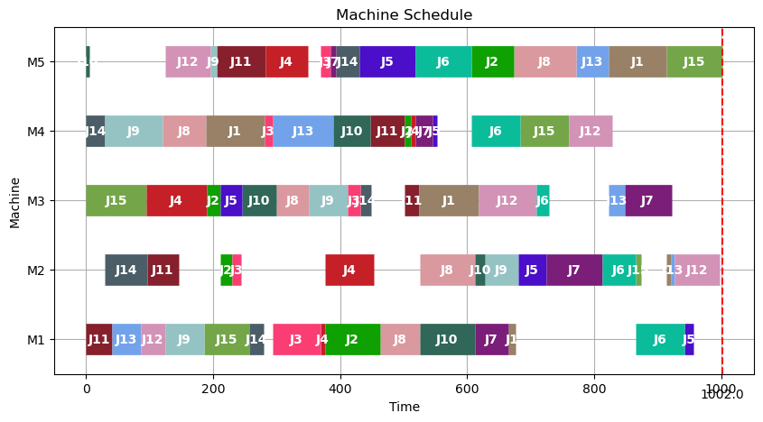
9 | 1071 | 0 | 3.33
10 | 1028 | 0 | 3.27
11 | 1068 | 0 | 3.34
12 | 1033 | 0 | 3.32
13 | 1097 | 0 | 3.32
14 | 1099 | 0 | 3.32
15 | 1079 | 1 | 3.26
16 | 1059 | 0 | 3.36
17 | 1075 | 0 | 3.39
18 | 1052 | 0 | 3.28
19 | 1096 | 0 | 3.32
20 | 1082 | 0 | 3.34
21 | 1104 | 0 | 3.35
22 | 1108 | 0 | 3.26
23 | 1019 | 0 | 3.31
24 | 1066 | 0 | 3.32
25 | 1036 | 0 | 3.31
26 | 1099 | 0 | 3.35
27 | 1082 | 0 | 3.27
28 | 1117 | 0 | 3.33
29 | 1024 | 0 | 3.33
30 | 1063 | 0 | 3.29
31 | 1082 | 0 | 3.32
32 | 1022 | 0 | 3.33
33 | 1065 | 0 | 3.31
34 | 1032 | 0 | 3.28
35 | 1103 | 0 | 3.32
36 | 1083 | 1 | 3.35
37 | 1076 | 0 | 3.33
38 | 1069 | 0 | 3.33
39 | 1057 | 0 | 3.27
40 | 1076 | 0 | 3.32
41 | 1070 | 0 | 3.32
42 | 1007 | 0 | 3.27
43 | 1083 | 1 | 3.35
44 | 1129 | 0 | 3.32
45 | 1104 | 0 | 3.31
46 | 1107 | 0 | 3.26
47 | 1082 | 0 | 3.32
48 | 1077 | 0 | 3.34
49 | 1101 | 0 | 3.3
50 | 1079 | 0 | 3.32
51 | 1058 | 0 | 3.25
52 | 1044 | 0 | 3.31
53 | 1077 | 0 | 3.31
54 | 1096 | 0 | 3.27
55 | 1116 | 0 | 3.32
56 | 1095 | 0 | 3.35
57 | 1079 | 0 | 3.33
58 | 1037 | 0 | 3.27
59 | 1083 | 0 | 3.31
60 | 1079 | 1 | 3.33
61 | 1114 | 0 | 3.32
62 | 1105 | 0 | 3.32
63 | 1035 | 0 | 3.27
64 | 1024 | 0 | 3.33
65 | 1002 | 0 | 3.31
66 | 1028 | 0 | 3.26
67 | 1070 | 0 | 3.29
68 | 1120 | 0 | 3.32
69 | 1060 | 0 | 3.32
70 | 1082 | 0 | 3.26
71 | 1063 | 0 | 3.33
72 | 1045 | 0 | 3.32
73 | 1032 | 0 | 3.33
74 | 1098 | 0 | 3.32
75 | 1062 | 0 | 3.28
76 | 1089 | 0 | 3.31
77 | 1101 | 0 | 3.32
78 | 1048 | 0 | 3.29
79 | 1084 | 1 | 3.3
80 | 1031 | 0 | 3.36
81 | 1071 | 0 | 3.32
82 | 1069 | 0 | 3.27
83 | 1105 | 0 | 3.32
84 | 1059 | 0 | 3.35
85 | 1066 | 0 | 3.32
86 | 1072 | 0 | 3.34
87 | 1034 | 0 | 3.29
88 | 1116 | 0 | 3.33
89 | 1111 | 0 | 3.32
90 | 1046 | 0 | 3.35
91 | 1110 | 1 | 3.32
92 | 1110 | 0 | 3.33
93 | 1088 | 0 | 3.31
94 | 1085 | 0 | 3.26
95 | 1055 | 0 | 3.33
96 | 1079 | 0 | 3.32
97 | 1030 | 0 | 3.31
98 | 1117 | 0 | 3.33
99 | 1014 | 0 | 3.26
100 | 1101 | 0 | 3.33

la09
No | Solution | Improve | Runtime
1 | 1187 | 0 | 3.31 | avg_solution | 1139.37
2 | 1142 | 0 | 3.32 | LB | 1056
3 | 1168 | 0 | 3.34 | UB | 1193
4 | 1094 | 0 | 3.32
5 | 1157 | 0 | 3.27 | avg_runtime | 3.3003
6 | 1152 | 0 | 3.32 | Improve_rate | 7%
7 | 1138 | 0 | 3.33
8 | 1126 | 1 | 3.32
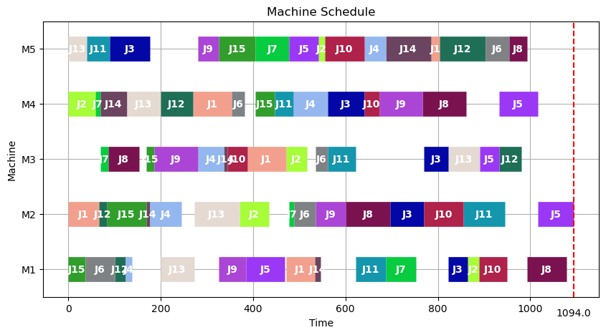
9 | 1192 | 0 | 3.27
10 | 1177 | 0 | 3.37
11 | 1168 | 0 | 3.34
12 | 1142 | 0 | 3.35
13 | 1136 | 0 | 3.28
14 | 1122 | 0 | 3.31
15 | 1117 | 0 | 3.33
16 | 1131 | 0 | 3.27
17 | 1157 | 0 | 3.32
18 | 1102 | 0 | 3.32
19 | 1155 | 0 | 3.33
20 | 1129 | 0 | 3.27
21 | 1161 | 0 | 3.35
22 | 1139 | 0 | 3.32
23 | 1122 | 0 | 3.36
24 | 1169 | 0 | 3.41
25 | 1157 | 1 | 3.3
26 | 1162 | 0 | 3.33
27 | 1143 | 0 | 3.35
28 | 1143 | 0 | 3.36
29 | 1157 | 0 | 3.36
30 | 1129 | 0 | 3.13
31 | 1142 | 0 | 3.27
32 | 1095 | 0 | 3.34
33 | 1120 | 0 | 3.38
34 | 1072 | 0 | 3.32
35 | 1180 | 0 | 3.32
36 | 1151 | 0 | 3.27
37 | 1133 | 1 | 3.31
38 | 1137 | 0 | 3.29
39 | 1142 | 0 | 3.27
40 | 1159 | 0 | 3.21
41 | 1056 | 0 | 3.38
42 | 1163 | 0 | 3.35
43 | 1141 | 0 | 3.32
44 | 1165 | 0 | 3.19
45 | 1176 | 0 | 3.35
46 | 1145 | 0 | 3.21
47 | 1162 | 0 | 3.34
48 | 1143 | 0 | 3.22
49 | 1120 | 0 | 3.28
50 | 1160 | 0 | 3.23
51 | 1171 | 0 | 3.27
52 | 1122 | 0 | 3.21
53 | 1128 | 0 | 3.24
54 | 1193 | 0 | 3.29
55 | 1133 | 1 | 3.22
56 | 1126 | 0 | 3.27
57 | 1161 | 0 | 3.23
58 | 1147 | 0 | 3.21
59 | 1193 | 0 | 3.21
60 | 1181 | 0 | 3.22
61 | 1069 | 0 | 3.29
62 | 1115 | 0 | 3.21
63 | 1077 | 0 | 3.37
64 | 1163 | 0 | 3.32
65 | 1117 | 1 | 3.3
66 | 1176 | 0 | 3.39
67 | 1140 | 0 | 3.28
68 | 1075 | 0 | 3.28
69 | 1125 | 0 | 3.32
70 | 1178 | 0 | 3.28
71 | 1119 | 0 | 3.31
72 | 1178 | 0 | 3.32
73 | 1119 | 1 | 3.29
74 | 1130 | 0 | 3.29
75 | 1129 | 0 | 3.31
76 | 1133 | 0 | 3.31
77 | 1150 | 0 | 3.29
78 | 1097 | 0 | 3.29
79 | 1173 | 0 | 3.33
80 | 1110 | 0 | 3.28
81 | 1105 | 0 | 3.3
82 | 1152 | 0 | 3.28
83 | 1144 | 0 | 3.28
84 | 1104 | 0 | 3.28
85 | 1146 | 0 | 3.28
86 | 1092 | 0 | 3.31
87 | 1135 | 0 | 3.3
88 | 1164 | 1 | 3.28
89 | 1116 | 0 | 3.31
90 | 1189 | 0 | 3.28
91 | 1132 | 0 | 3.34
92 | 1067 | 0 | 3.32
93 | 1160 | 0 | 3.32
94 | 1150 | 0 | 3.31
95 | 1151 | 0 | 3.33
96 | 1134 | 0 | 3.3
97 | 1138 | 0 | 3.4
98 | 1141 | 0 | 3.32
99 | 1112 | 0 | 3.3
100 | 1141 | 0 | 3.35

la10
No | Solution | Improve | Runtime
1 | 1060 | 0 | 3.3 | avg_solution | 1081.95
2 | 1098 | 0 | 3.32 | LB | 973
3 | 1095 | 0 | 3.37 | UB | 1152
4 | 1060 | 1 | 3.37
5 | 1072 | 0 | 3.29 | avg_runtime | 3.3107
6 | 1063 | 0 | 3.31 | Improve_rate | 9%
7 | 1111 | 0 | 3.3
8 | 1094 | 0 | 3.32
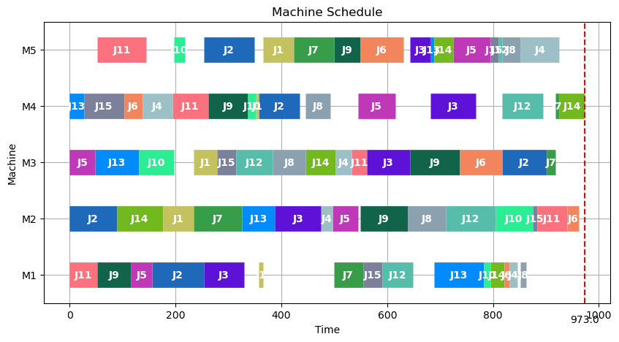
9 | 1045 | 0 | 3.3
10 | 1101 | 0 | 3.32
11 | 1053 | 0 | 3.32
12 | 1107 | 0 | 3.32
13 | 1095 | 0 | 3.29
14 | 1126 | 0 | 3.32
15 | 1114 | 0 | 3.3
16 | 1127 | 1 | 3.36
17 | 1018 | 0 | 3.31
18 | 1091 | 0 | 3.3
19 | 1109 | 0 | 3.31
20 | 1059 | 0 | 3.31
21 | 1094 | 1 | 3.3
22 | 1109 | 0 | 3.31
23 | 1071 | 0 | 3.27
24 | 1086 | 0 | 3.31
25 | 1095 | 0 | 3.34
26 | 1087 | 0 | 3.3
27 | 1051 | 0 | 3.32
28 | 1112 | 0 | 3.3
29 | 987 | 0 | 3.32
30 | 1080 | 0 | 3.29
31 | 1145 | 0 | 3.3
32 | 1079 | 0 | 3.31
33 | 1053 | 0 | 3.32
34 | 1071 | 0 | 3.3
35 | 1116 | 0 | 3.29
36 | 1047 | 0 | 3.31
37 | 1125 | 0 | 3.3
38 | 1101 | 0 | 3.31
39 | 1104 | 0 | 3.31
40 | 1114 | 0 | 3.3
41 | 1062 | 0 | 3.31
42 | 1107 | 0 | 3.3
43 | 1086 | 0 | 3.3
44 | 1074 | 0 | 3.29
45 | 1096 | 0 | 3.34
46 | 1047 | 0 | 3.32
47 | 1111 | 1 | 3.31
48 | 1013 | 0 | 3.3
49 | 973 | 0 | 3.3
50 | 1083 | 0 | 3.29
51 | 1095 | 0 | 3.33
52 | 1041 | 1 | 3.32
53 | 1091 | 0 | 3.32
54 | 1080 | 0 | 3.32
55 | 1098 | 0 | 3.31
56 | 1120 | 0 | 3.31
57 | 1009 | 0 | 3.3
58 | 1073 | 0 | 3.31
59 | 1076 | 0 | 3.28
60 | 1108 | 0 | 3.29
61 | 1095 | 0 | 3.31
62 | 1028 | 0 | 3.31
63 | 1124 | 0 | 3.3
64 | 1057 | 0 | 3.3
65 | 1052 | 0 | 3.33
66 | 1113 | 0 | 3.32
67 | 1038 | 1 | 3.31
68 | 1072 | 0 | 3.29
69 | 1094 | 0 | 3.35
70 | 1068 | 0 | 3.31
71 | 1087 | 0 | 3.36
72 | 1075 | 0 | 3.33
73 | 1010 | 0 | 3.31
74 | 1061 | 1 | 3.31
75 | 1135 | 0 | 3.32
76 | 1034 | 0 | 3.31
77 | 1152 | 0 | 3.33
78 | 1064 | 0 | 3.28
79 | 1095 | 0 | 3.31
80 | 1097 | 0 | 3.31
81 | 1065 | 0 | 3.31
82 | 1049 | 0 | 3.29
83 | 1088 | 0 | 3.3
84 | 1074 | 0 | 3.31
85 | 1073 | 1 | 3.3
86 | 1074 | 0 | 3.33
87 | 1086 | 0 | 3.29
88 | 1108 | 0 | 3.31
89 | 1075 | 0 | 3.34
90 | 1112 | 0 | 3.28
91 | 1114 | 0 | 3.31
92 | 1077 | 0 | 3.32
93 | 1093 | 0 | 3.34
94 | 1077 | 0 | 3.32
95 | 1110 | 0 | 3.29
96 | 1064 | 1 | 3.3
97 | 1101 | 0 | 3.31
98 | 1150 | 0 | 3.31
99 | 1091 | 0 | 3.29
100 | 1095 | 0 | 3.32

la11
No | Solution | Improve | Runtime
1 | 1433 | 0 | 6.19 | avg_solution | 1437.39
2 | 1445 | 0 | 6.12 | LB | 1335
3 | 1430 | 0 | 6.11 | UB | 1529
4 | 1439 | 0 | 6.17
5 | 1408 | 0 | 6.12 | avg_runtime | 6.1241
6 | 1432 | 1 | 6.2 | Improve_rate | 8%
7 | 1485 | 0 | 6.09
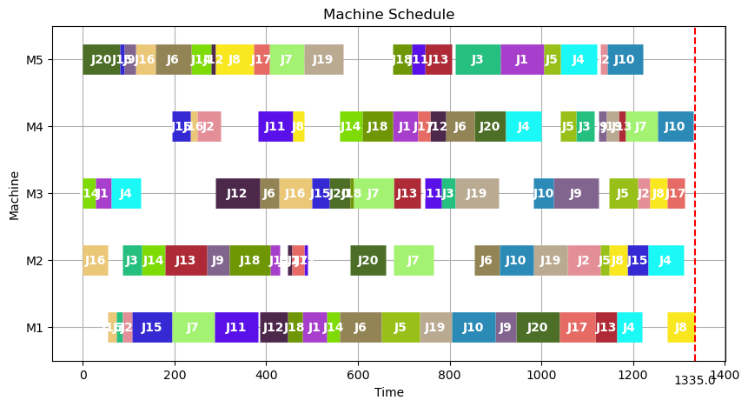
8 | 1423 | 0 | 6.09
9 | 1407 | 0 | 6.08
10 | 1455 | 0 | 6.08
11 | 1413 | 0 | 6.13
12 | 1426 | 1 | 6.08
13 | 1432 | 0 | 6.14
14 | 1360 | 0 | 6.15
15 | 1455 | 0 | 6.13
16 | 1470 | 0 | 6.13
17 | 1414 | 0 | 6.08
18 | 1440 | 0 | 6.07
19 | 1453 | 0 | 6.13
20 | 1400 | 0 | 6.1
21 | 1429 | 0 | 6.17
22 | 1421 | 0 | 6.1
23 | 1478 | 0 | 6.11
24 | 1424 | 0 | 6.08
25 | 1447 | 0 | 6.13
26 | 1471 | 0 | 6.07
27 | 1413 | 0 | 6.16
28 | 1439 | 0 | 6.19
29 | 1395 | 0 | 6.07
30 | 1434 | 1 | 6.1
31 | 1452 | 0 | 6.09
32 | 1433 | 0 | 6.23
33 | 1388 | 0 | 6.12
34 | 1349 | 0 | 6.09
35 | 1419 | 0 | 6.07
36 | 1410 | 0 | 6.1
37 | 1424 | 0 | 6.1
38 | 1384 | 0 | 6.18
39 | 1395 | 1 | 6.12
40 | 1410 | 0 | 6.09
41 | 1417 | 0 | 6.11
42 | 1420 | 0 | 6.12
43 | 1461 | 0 | 6.15
44 | 1468 | 0 | 6.16
45 | 1438 | 0 | 6.14
46 | 1434 | 0 | 6.07
47 | 1396 | 0 | 6.1
48 | 1485 | 0 | 6.12
49 | 1518 | 0 | 6.13
50 | 1509 | 0 | 6.13
51 | 1392 | 0 | 6.2
52 | 1429 | 0 | 6.19
53 | 1517 | 1 | 6.1
54 | 1404 | 0 | 6.1
55 | 1433 | 0 | 6.19
56 | 1472 | 0 | 6.14
57 | 1477 | 0 | 6.11
58 | 1431 | 0 | 6.13
59 | 1477 | 0 | 6.12
60 | 1469 | 0 | 6.11
61 | 1463 | 0 | 6.14
62 | 1488 | 0 | 6.12
63 | 1486 | 1 | 6.1
64 | 1413 | 0 | 6.15
65 | 1454 | 0 | 6.12
66 | 1413 | 0 | 6.15
67 | 1405 | 0 | 6.09
68 | 1529 | 0 | 6.13
69 | 1452 | 0 | 6.14
70 | 1456 | 0 | 6.13
71 | 1438 | 0 | 6.14
72 | 1423 | 0 | 6.15
73 | 1380 | 0 | 6.14
74 | 1429 | 0 | 6.09
75 | 1449 | 0 | 6.08
76 | 1417 | 0 | 6.12
77 | 1459 | 0 | 6.09
78 | 1433 | 1 | 6.14
79 | 1490 | 0 | 6.08
80 | 1343 | 0 | 6.08
81 | 1413 | 0 | 6.11
82 | 1447 | 0 | 6.15
83 | 1482 | 0 | 6.2
84 | 1406 | 0 | 6.16
85 | 1489 | 0 | 6.08
86 | 1456 | 0 | 6.08
87 | 1440 | 0 | 6.13
88 | 1462 | 0 | 6.07
89 | 1423 | 0 | 6.2
90 | 1436 | 0 | 6.1
91 | 1460 | 1 | 6.1
92 | 1335 | 0 | 6.11
93 | 1438 | 0 | 6.15
94 | 1459 | 0 | 6.16
95 | 1437 | 0 | 6.12
96 | 1468 | 0 | 6.13
97 | 1487 | 0 | 6.12
98 | 1491 | 0 | 6.18
99 | 1465 | 0 | 6.14
100 | 1343 | 0 | 6.16

la12
No | Solution | Improve | Runtime
1 | 1262 | 0 | 6.22 | avg_solution | 1256.15
2 | 1229 | 0 | 6.09 | LB | 1147
3 | 1279 | 0 | 6.15 | UB | 1317
4 | 1256 | 0 | 6.11
5 | 1259 | 1 | 6.11 | avg_runtime | 6.1171
6 | 1316 | 0 | 6.16 | Improve_rate | 9%
7 | 1269 | 0 | 6.12
8 | 1293 | 0 | 6.06
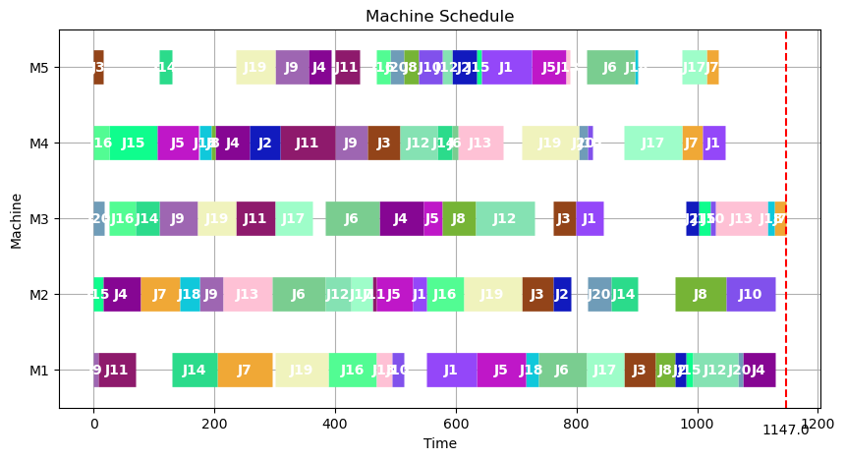
9 | 1255 | 0 | 6.11
10 | 1147 | 0 | 6.07
11 | 1260 | 0 | 6.18
12 | 1266 | 0 | 6.13
13 | 1234 | 0 | 6.12
14 | 1268 | 1 | 6.18
15 | 1231 | 0 | 6.11
16 | 1211 | 0 | 6.05
17 | 1242 | 0 | 6.16
18 | 1293 | 0 | 6.09
19 | 1277 | 0 | 6.09
20 | 1221 | 0 | 6.08
21 | 1268 | 0 | 6.1
22 | 1248 | 1 | 6.13
23 | 1206 | 0 | 6.12
24 | 1231 | 0 | 6.16
25 | 1295 | 0 | 6.14
26 | 1298 | 0 | 6.12
27 | 1262 | 0 | 6.14
28 | 1302 | 0 | 6.09
29 | 1244 | 0 | 6.11
30 | 1224 | 1 | 6.05
31 | 1309 | 0 | 6.13
32 | 1290 | 0 | 6.08
33 | 1231 | 0 | 6.13
34 | 1300 | 0 | 6.1
35 | 1232 | 0 | 6.09
36 | 1288 | 0 | 6.15
37 | 1207 | 0 | 6.15
38 | 1183 | 0 | 6.11
39 | 1285 | 0 | 6.08
40 | 1239 | 0 | 6.17
41 | 1225 | 0 | 6.12
42 | 1252 | 0 | 6.08
43 | 1213 | 0 | 6.13
44 | 1227 | 0 | 6.14
45 | 1222 | 0 | 6.11
46 | 1229 | 0 | 6.14
47 | 1170 | 0 | 6.07
48 | 1249 | 0 | 6.11
49 | 1237 | 0 | 6.16
50 | 1193 | 1 | 6.14
51 | 1262 | 0 | 6.09
52 | 1244 | 0 | 6.14
53 | 1209 | 0 | 6.06
54 | 1299 | 0 | 6.19
55 | 1251 | 0 | 6.09
56 | 1301 | 0 | 6.05
57 | 1297 | 0 | 6.11
58 | 1291 | 0 | 6.1
59 | 1242 | 0 | 6.12
60 | 1261 | 0 | 6.09
61 | 1269 | 0 | 6.08
62 | 1278 | 0 | 6.14
63 | 1255 | 0 | 6.09
64 | 1235 | 0 | 6.09
65 | 1229 | 1 | 6.15
66 | 1267 | 0 | 6.11
67 | 1257 | 0 | 6.07
68 | 1257 | 0 | 6.08
69 | 1241 | 0 | 6.1
70 | 1271 | 0 | 6.14
71 | 1206 | 0 | 6.09
72 | 1281 | 0 | 6.19
73 | 1229 | 0 | 6.19
74 | 1271 | 0 | 6.09
75 | 1277 | 0 | 6.17
76 | 1265 | 0 | 6.13
77 | 1273 | 0 | 6.11
78 | 1272 | 0 | 6.15
79 | 1275 | 0 | 6.04
80 | 1274 | 0 | 6.11
81 | 1265 | 1 | 6.18
82 | 1195 | 1 | 6.08
83 | 1278 | 0 | 6.12
84 | 1269 | 0 | 6.13
85 | 1254 | 0 | 6.12
86 | 1266 | 0 | 6.12
87 | 1252 | 0 | 6.14
88 | 1267 | 0 | 6.14
89 | 1317 | 0 | 6.09
90 | 1193 | 0 | 6.13
91 | 1249 | 0 | 6.15
92 | 1297 | 0 | 6.13
93 | 1278 | 0 | 6.14
94 | 1286 | 0 | 6.06
95 | 1291 | 1 | 6.13
96 | 1270 | 0 | 6.1
97 | 1312 | 0 | 6.17
98 | 1298 | 0 | 6.08
99 | 1277 | 0 | 6.1
100 | 1235 | 0 | 6.1

la13
No | Solution | Improve | Runtime
1 | 1401 | 0 | 6.14 | avg_solution | 1382.92
2 | 1389 | 0 | 6.11 | LB | 1290
3 | 1395 | 0 | 6.12 | UB | 1437
4 | 1364 | 0 | 6.18
5 | 1360 | 0 | 6.1 | avg_runtime | 6.1108
6 | 1380 | 0 | 6.1 | Improve_rate | 8%
7 | 1375 | 0 | 6.09
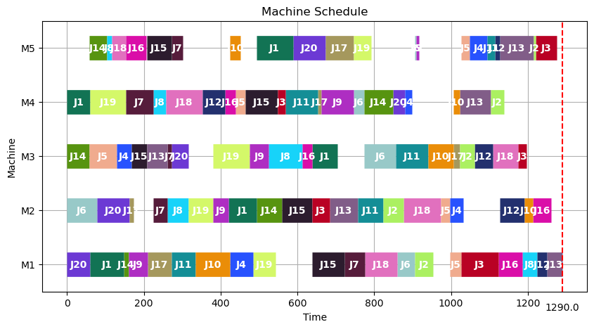
8 | 1414 | 0 | 6.12
9 | 1346 | 0 | 6.16
10 | 1361 | 1 | 6.1
11 | 1400 | 0 | 6.11
12 | 1384 | 0 | 6.14
13 | 1382 | 0 | 6.13
14 | 1432 | 0 | 6.1
15 | 1401 | 0 | 6.12
16 | 1412 | 0 | 6.08
17 | 1409 | 1 | 6.08
18 | 1430 | 0 | 6.09
19 | 1374 | 0 | 6.15
20 | 1370 | 0 | 6.08
21 | 1372 | 0 | 6.11
22 | 1367 | 0 | 6.1
23 | 1356 | 0 | 6.12
24 | 1385 | 1 | 6.1
25 | 1334 | 0 | 6.14
26 | 1402 | 0 | 6.11
27 | 1416 | 0 | 6.11
28 | 1399 | 0 | 6.11
29 | 1324 | 0 | 6.09
30 | 1395 | 0 | 6.1
31 | 1366 | 0 | 6.15
32 | 1347 | 0 | 6.11
33 | 1374 | 0 | 6.09
34 | 1344 | 0 | 6.09
35 | 1418 | 0 | 6.16
36 | 1300 | 0 | 6.09
37 | 1341 | 1 | 6.14
38 | 1406 | 0 | 6.09
39 | 1342 | 0 | 6.11
40 | 1399 | 0 | 6.11
41 | 1378 | 0 | 6.07
42 | 1397 | 0 | 6.07
43 | 1403 | 0 | 6.15
44 | 1375 | 0 | 6.09
45 | 1389 | 0 | 6.11
46 | 1379 | 0 | 6.09
47 | 1406 | 0 | 6.05
48 | 1385 | 0 | 6.1
49 | 1371 | 0 | 6.15
50 | 1401 | 0 | 6.13
51 | 1364 | 1 | 6.07
52 | 1379 | 0 | 6.1
53 | 1378 | 0 | 6.14
54 | 1404 | 0 | 6.07
55 | 1412 | 0 | 6.16
56 | 1400 | 0 | 6.15
57 | 1390 | 0 | 6.07
58 | 1398 | 0 | 6.04
59 | 1417 | 0 | 6.09
60 | 1366 | 1 | 6.1
61 | 1417 | 0 | 6.19
62 | 1371 | 0 | 6.11
63 | 1430 | 0 | 6.13
64 | 1401 | 0 | 6.12
65 | 1434 | 0 | 6.09
66 | 1403 | 0 | 6.1
67 | 1378 | 1 | 6.14
68 | 1389 | 0 | 6.12
69 | 1336 | 0 | 6.06
70 | 1378 | 0 | 6.08
71 | 1373 | 0 | 6.07
72 | 1387 | 0 | 6.14
73 | 1342 | 0 | 6.14
74 | 1302 | 0 | 6.12
75 | 1408 | 0 | 6.12
76 | 1398 | 0 | 6.09
77 | 1378 | 0 | 6.1
78 | 1367 | 0 | 6.12
79 | 1428 | 0 | 6.08
80 | 1417 | 0 | 6.13
81 | 1434 | 0 | 6.07
82 | 1437 | 0 | 6.09
83 | 1395 | 0 | 6.13
84 | 1353 | 0 | 6.16
85 | 1364 | 1 | 6.09
86 | 1356 | 0 | 6.11
87 | 1330 | 0 | 6.1
88 | 1359 | 0 | 6.18
89 | 1391 | 0 | 6.1
90 | 1396 | 0 | 6.1
91 | 1416 | 0 | 6.12
92 | 1392 | 0 | 6.08
93 | 1433 | 0 | 6.14
94 | 1380 | 0 | 6.14
95 | 1290 | 0 | 6.1
96 | 1427 | 0 | 6.18
97 | 1361 | 0 | 6.12
98 | 1359 | 0 | 6.09
99 | 1377 | 0 | 6.09
100 | 1347 | 0 | 6.11

la14
No | solution | Improve | Runtime
1 | 1427 | 0 | 6.23 | avg_solution | 1418.19
2 | 1430 | 0 | 6.08 | LB | 1304
3 | 1408 | 0 | 6.08 | UB | 1497
4 | 1441 | 0 | 6.2
5 | 1411 | 0 | 6.11 | avg_runtime | 6.11975
6 | 1413 | 1 | 6.1 | Improve_rate | 8%
7 | 1402 | 0 | 6.14
8 | 1387 | 0 | 6.09
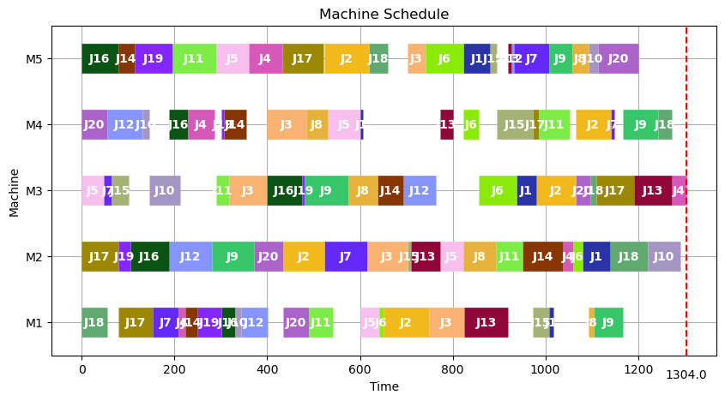
9 | 1396 | 0 | 6.08
10 | 1485 | 0 | 6.19
11 | 1453 | 0 | 6.11
12 | 1497 | 0 | 6.14
13 | 1418 | 0 | 6.13
14 | 1423 | 0 | 6.12
15 | 1449 | 1 | 6.1
16 | 1463 | 0 | 6.18
17 | 1479 | 0 | 6.09
18 | 1411 | 0 | 6.12
19 | 1441 | 0 | 6.13
20 | 1453 | 0 | 6.08
21 | 1412 | 0 | 6.15
22 | 1430 | 0 | 6.16
23 | 1388 | 0 | 6.1
24 | 1398 | 0 | 6.13
25 | 1402 | 0 | 6.08
26 | 1388 | 1 | 6.11
27 | 1443 | 0 | 6.09
28 | 1304 | 0 | 6.12
29 | 1441 | 0 | 6.095
30 | 1399 | 0 | 6.13
31 | 1434 | 0 | 6.16
32 | 1447 | 0 | 6.11
33 | 1398 | 0 | 6.12
34 | 1376 | 0 | 6.14
35 | 1427 | 0 | 6.1
36 | 1381 | 0 | 6.16
37 | 1481 | 0 | 6.17
38 | 1440 | 0 | 6.1
39 | 1460 | 0 | 6.15
40 | 1417 | 0 | 6.19
41 | 1485 | 0 | 6.09
42 | 1431 | 0 | 6.08
43 | 1473 | 0 | 6.11
44 | 1414 | 1 | 6.09
45 | 1406 | 0 | 6.13
46 | 1408 | 0 | 6.17
47 | 1396 | 0 | 6.11
48 | 1457 | 0 | 6.14
49 | 1311 | 0 | 6.11
50 | 1424 | 0 | 6.12
51 | 1407 | 0 | 6.1
52 | 1394 | 0 | 6.12
53 | 1397 | 0 | 6.1
54 | 1429 | 0 | 6.08
55 | 1374 | 1 | 6.06
56 | 1455 | 0 | 6.11
57 | 1349 | 0 | 6.11
58 | 1366 | 0 | 6.04
59 | 1431 | 0 | 6.12
60 | 1414 | 0 | 6.12
61 | 1443 | 0 | 6.11
62 | 1400 | 0 | 6.12
63 | 1340 | 0 | 6.13
64 | 1418 | 0 | 6.08
65 | 1425 | 0 | 6.09
66 | 1441 | 0 | 6.1
67 | 1427 | 0 | 6.09
68 | 1407 | 0 | 6.16
69 | 1380 | 0 | 6.1
70 | 1455 | 0 | 6.13
71 | 1377 | 0 | 6.14
72 | 1413 | 1 | 6.13
73 | 1465 | 0 | 6.13
74 | 1442 | 0 | 6.15
75 | 1385 | 0 | 6.14
76 | 1460 | 0 | 6.12
77 | 1445 | 0 | 6.1
78 | 1416 | 1 | 6.13
79 | 1367 | 0 | 6.08
80 | 1323 | 0 | 6.18
81 | 1412 | 0 | 6.13
82 | 1419 | 0 | 6.12
83 | 1462 | 0 | 6.15
84 | 1436 | 0 | 6.14
85 | 1433 | 0 | 6.07
86 | 1413 | 0 | 6.13
87 | 1372 | 0 | 6.1
88 | 1438 | 0 | 6.15
89 | 1396 | 0 | 6.09
90 | 1448 | 0 | 6.14
91 | 1434 | 0 | 6.12
92 | 1428 | 0 | 6.12
93 | 1407 | 0 | 6.1
94 | 1443 | 0 | 6.14
95 | 1459 | 0 | 6.11
96 | 1385 | 1 | 6.1
97 | 1400 | 0 | 6.14
98 | 1390 | 0 | 6.15
99 | 1417 | 0 | 6.09
100 | 1424 | 0 | 6.1

la15
No | Solution | Improve | Runtime
1 | 1533 | 0 | 6.14 | avg_solution | 1542.88
2 | 1482 | 0 | 6.1 | LB | 1453
3 | 1453 | 0 | 6.16 | UB | 1606
4 | 1526 | 0 | 6.08
5 | 1548 | 0 | 6.11 | avg_runtime | 6.1163
6 | 1543 | 0 | 6.13 | Improve_rate | 6%
7 | 1531 | 0 | 6.08
8 | 1545 | 0 | 6.08
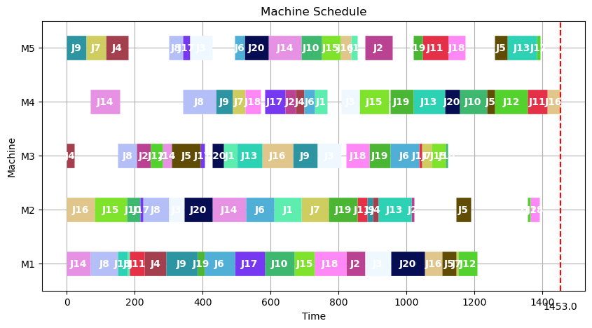
9 | 1575 | 0 | 6.16
10 | 1530 | 0 | 6.14
11 | 1553 | 0 | 6.15
12 | 1588 | 0 | 6.07
13 | 1534 | 1 | 6.13
14 | 1582 | 0 | 6.12
15 | 1554 | 0 | 6.14
16 | 1558 | 0 | 6.09
17 | 1495 | 0 | 6.09
18 | 1575 | 0 | 6.09
19 | 1537 | 0 | 6.12
20 | 1550 | 0 | 6.09
21 | 1538 | 0 | 6.13
22 | 1550 | 0 | 6.13
23 | 1530 | 0 | 6.12
24 | 1556 | 0 | 6.13
25 | 1487 | 0 | 6.12
26 | 1481 | 0 | 6.11
27 | 1548 | 0 | 6.17
28 | 1540 | 0 | 6.1
29 | 1513 | 1 | 6.07
30 | 1531 | 0 | 6.12
31 | 1523 | 0 | 6.11
32 | 1518 | 0 | 6.17
33 | 1549 | 0 | 6.07
34 | 1576 | 0 | 6.12
35 | 1510 | 0 | 6.13
36 | 1525 | 0 | 6.13
37 | 1606 | 0 | 6.14
38 | 1513 | 0 | 6.1
39 | 1525 | 1 | 6.11
40 | 1576 | 0 | 6.12
41 | 1558 | 0 | 6.13
42 | 1559 | 0 | 6.18
43 | 1562 | 0 | 6.08
44 | 1570 | 0 | 6.09
45 | 1522 | 0 | 6.1
46 | 1547 | 0 | 6.1
47 | 1555 | 0 | 6.11
48 | 1566 | 0 | 6.11
49 | 1555 | 0 | 6.1
50 | 1565 | 0 | 6.08
51 | 1511 | 0 | 6.1
52 | 1494 | 0 | 6.11
53 | 1604 | 0 | 6.3
54 | 1561 | 1 | 6.1
55 | 1570 | 0 | 6.12
56 | 1531 | 0 | 6.1
57 | 1573 | 0 | 6.1
58 | 1521 | 0 | 6.13
59 | 1553 | 0 | 6.12
60 | 1519 | 0 | 6.15
61 | 1576 | 0 | 6.13
62 | 1536 | 0 | 6.12
63 | 1515 | 0 | 6.17
64 | 1578 | 0 | 6.09
65 | 1570 | 0 | 6.1
66 | 1511 | 0 | 6.14
67 | 1513 | 0 | 6.1
68 | 1496 | 0 | 6.17
69 | 1588 | 0 | 6.08
70 | 1587 | 0 | 6.08
71 | 1543 | 1 | 6.16
72 | 1596 | 0 | 6.13
73 | 1569 | 0 | 6.14
74 | 1542 | 0 | 6.14
75 | 1539 | 0 | 6.08
76 | 1523 | 0 | 6.09
77 | 1534 | 0 | 6.12
78 | 1555 | 0 | 6.14
79 | 1500 | 0 | 6.09
80 | 1588 | 0 | 6.07
81 | 1481 | 0 | 6.12
82 | 1546 | 0 | 6.06
83 | 1517 | 0 | 6.12
84 | 1567 | 0 | 6.06
85 | 1539 | 0 | 6.12
86 | 1504 | 0 | 6.11
87 | 1526 | 0 | 6.12
88 | 1567 | 0 | 6.11
89 | 1587 | 0 | 6.12
90 | 1525 | 0 | 6.09
91 | 1540 | 1 | 6.14
92 | 1604 | 0 | 6.1
93 | 1591 | 0 | 6.17
94 | 1503 | 0 | 6.09
95 | 1504 | 0 | 6.1
96 | 1600 | 0 | 6.12
97 | 1526 | 0 | 6.16
98 | 1579 | 0 | 6.1
99 | 1549 | 0 | 6.1
100 | 1491 | 0 | 6.1

ft06
No | Solution | Improve | Runtime
1 | 61 | 0 | 0.63 | avg_solution | 63.33
2 | 64 | 0 | 0.55 | LB | 58
3 | 61 | 0 | 0.54 | UB | 68
4 | 65 | 0 | 0.58
5 | 65 | 0 | 0.58 | avg_runtime | 0.5609
6 | 60 | 0 | 0.58 | Improve_rate | 4%
7 | 61 | 0 | 0.54
8 | 63 | 0 | 0.53
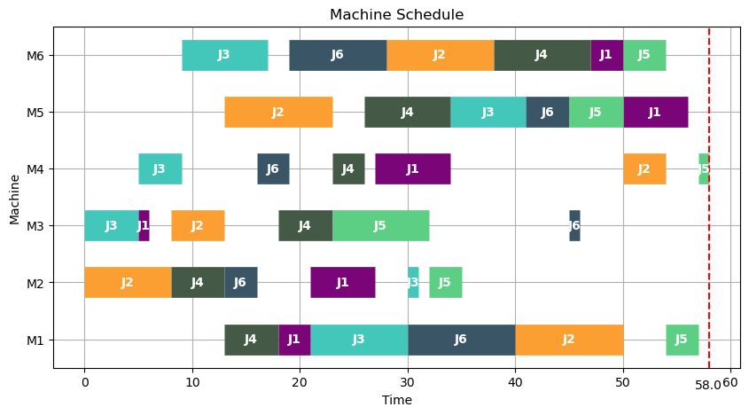
9 | 66 | 0 | 0.58
10 | 64 | 1 | 0.57
11 | 61 | 0 | 0.57
12 | 64 | 0 | 0.54
13 | 64 | 0 | 0.53
14 | 62 | 0 | 0.58
15 | 64 | 0 | 0.57
16 | 62 | 0 | 0.58
17 | 62 | 0 | 0.54
18 | 63 | 0 | 0.54
19 | 61 | 0 | 0.58
20 | 63 | 0 | 0.57
21 | 63 | 0 | 0.58
22 | 61 | 0 | 0.54
23 | 67 | 0 | 0.53
24 | 62 | 0 | 0.57
25 | 66 | 0 | 0.57
26 | 65 | 0 | 0.58
27 | 63 | 0 | 0.58
28 | 64 | 0 | 0.53
29 | 65 | 0 | 0.53
30 | 61 | 0 | 0.57
31 | 66 | 0 | 0.58
32 | 65 | 0 | 0.58
33 | 62 | 0 | 0.54
34 | 66 | 0 | 0.54
35 | 63 | 1 | 0.58
36 | 64 | 0 | 0.57
37 | 63 | 0 | 0.58
38 | 67 | 0 | 0.54
39 | 63 | 0 | 0.53
40 | 60 | 0 | 0.57
41 | 63 | 0 | 0.57
42 | 61 | 0 | 0.58
43 | 63 | 0 | 0.57
44 | 62 | 0 | 0.54
45 | 60 | 0 | 0.54
46 | 60 | 0 | 0.54
47 | 67 | 0 | 0.58
48 | 63 | 1 | 0.58
49 | 64 | 0 | 0.54
50 | 65 | 0 | 0.53
51 | 61 | 0 | 0.58
52 | 58 | 0 | 0.58
53 | 67 | 0 | 0.58
54 | 64 | 0 | 0.53
55 | 59 | 0 | 0.53
56 | 68 | 0 | 0.58
57 | 61 | 0 | 0.57
58 | 68 | 0 | 0.57
59 | 64 | 0 | 0.58
60 | 65 | 0 | 0.54
61 | 65 | 0 | 0.54
62 | 61 | 0 | 0.58
63 | 61 | 0 | 0.57
64 | 60 | 0 | 0.57
65 | 63 | 0 | 0.56
66 | 63 | 0 | 0.54
67 | 65 | 0 | 0.57
68 | 63 | 0 | 0.58
69 | 62 | 0 | 0.58
70 | 63 | 0 | 0.54
71 | 66 | 0 | 0.53
72 | 68 | 0 | 0.58
73 | 67 | 0 | 0.58
74 | 63 | 0 | 0.57
75 | 68 | 0 | 0.58
76 | 66 | 0 | 0.54
77 | 64 | 0 | 0.53
78 | 64 | 0 | 0.57
79 | 66 | 0 | 0.58
80 | 61 | 0 | 0.57
81 | 65 | 0 | 0.53
82 | 62 | 0 | 0.54
83 | 63 | 0 | 0.58
84 | 61 | 0 | 0.57
85 | 64 | 0 | 0.57
86 | 60 | 1 | 0.53
87 | 65 | 0 | 0.53
88 | 61 | 0 | 0.58
89 | 64 | 0 | 0.58
90 | 60 | 0 | 0.58
91 | 60 | 0 | 0.58
92 | 64 | 0 | 0.53
93 | 63 | 0 | 0.53
94 | 64 | 0 | 0.57
95 | 65 | 0 | 0.57
96 | 64 | 0 | 0.58
97 | 64 | 0 | 0.53
98 | 63 | 0 | 0.53
99 | 65 | 0 | 0.57
100 | 62 | 0 | 0.57

ft10
No | Solution | Improve | Runtime
1 | 1354 | 0 | 6.67 | avg_solution | 1379.71
2 | 1377 | 0 | 6.59 | LB | 1239
3 | 1381 | 0 | 6.59 | UB | 1477
4 | 1413 | 0 | 6.66
5 | 1239 | 0 | 6.61 | avg_runtime | 6.6132
6 | 1411 | 0 | 6.69 | Improve_rate | 6%
7 | 1305 | 0 | 6.64
8 | 1372 | 0 | 6.61
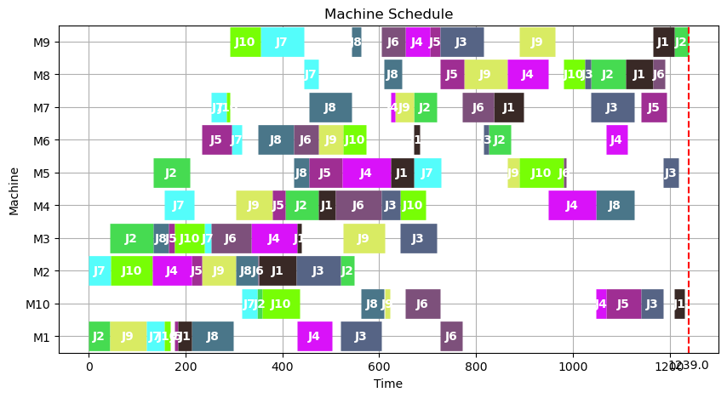
9 | 1420 | 0 | 6.64
10 | 1439 | 0 | 6.6
11 | 1326 | 0 | 6.61
12 | 1375 | 0 | 6.65
13 | 1367 | 0 | 6.66
14 | 1267 | 0 | 6.61
15 | 1374 | 0 | 6.58
16 | 1364 | 0 | 6.65
17 | 1354 | 0 | 6.63
18 | 1345 | 0 | 6.63
19 | 1430 | 0 | 6.62
20 | 1392 | 0 | 6.6
21 | 1353 | 0 | 6.64
22 | 1395 | 0 | 6.6
23 | 1321 | 0 | 6.61
24 | 1360 | 0 | 6.66
25 | 1345 | 0 | 6.61
26 | 1363 | 0 | 6.62
27 | 1389 | 0 | 6.61
28 | 1433 | 0 | 6.61
29 | 1359 | 0 | 6.6
30 | 1384 | 0 | 6.64
31 | 1402 | 0 | 6.66
32 | 1410 | 0 | 6.66
33 | 1391 | 1 | 6.59
34 | 1390 | 0 | 6.57
35 | 1369 | 0 | 6.6
36 | 1372 | 0 | 6.59
37 | 1384 | 0 | 6.63
38 | 1332 | 0 | 6.62
39 | 1387 | 0 | 6.6
40 | 1430 | 0 | 6.57
41 | 1349 | 0 | 6.62
42 | 1367 | 0 | 6.58
43 | 1412 | 0 | 6.57
44 | 1300 | 0 | 6.59
45 | 1385 | 1 | 6.58
46 | 1336 | 0 | 6.62
47 | 1400 | 0 | 6.62
48 | 1437 | 0 | 6.64
49 | 1376 | 0 | 6.58
50 | 1344 | 0 | 6.59
51 | 1394 | 0 | 6.63
52 | 1383 | 0 | 6.61
53 | 1357 | 0 | 6.65
54 | 1316 | 0 | 6.61
55 | 1392 | 0 | 6.63
56 | 1346 | 0 | 6.62
57 | 1375 | 0 | 6.6
58 | 1382 | 1 | 6.58
59 | 1380 | 0 | 6.59
60 | 1335 | 0 | 6.61
61 | 1401 | 0 | 6.58
62 | 1394 | 0 | 6.59
63 | 1408 | 0 | 6.59
64 | 1429 | 0 | 6.63
65 | 1321 | 0 | 6.62
66 | 1341 | 0 | 6.6
67 | 1477 | 0 | 6.67
68 | 1360 | 1 | 6.65
69 | 1432 | 0 | 6.56
70 | 1327 | 0 | 6.64
71 | 1403 | 0 | 6.61
72 | 1365 | 0 | 6.57
73 | 1383 | 0 | 6.56
74 | 1390 | 0 | 6.63
75 | 1388 | 0 | 6.62
76 | 1404 | 0 | 6.61
77 | 1400 | 0 | 6.61
78 | 1383 | 0 | 6.59
79 | 1399 | 1 | 6.57
80 | 1406 | 0 | 6.6
81 | 1428 | 0 | 6.67
82 | 1449 | 0 | 6.64
83 | 1437 | 0 | 6.59
84 | 1384 | 0 | 6.63
85 | 1334 | 0 | 6.61
86 | 1362 | 0 | 6.61
87 | 1400 | 0 | 6.62
88 | 1389 | 0 | 6.62
89 | 1369 | 0 | 6.59
90 | 1407 | 0 | 6.59
91 | 1382 | 0 | 6.58
92 | 1392 | 0 | 6.62
93 | 1369 | 1 | 6.66
94 | 1397 | 0 | 6.64
95 | 1435 | 0 | 6.62
96 | 1420 | 0 | 6.57
97 | 1428 | 0 | 6.6
98 | 1321 | 0 | 6.59
99 | 1399 | 0 | 6.63
100 | 1418 | 0 | 6.59

