la01
No | Solution | Improve | Runtime |  |  | Runtime
1 | 735 | 1 | 1.67 | avg_solution | 776.90 | 2.67
2 | 805 | 0 | 1.67 | LB | 735 | 2.67
3 | 739 | 0 | 1.67 | UB | 822 | 2.59
4 | 779 | 0 | 1.59 |  |  | 2.58
5 | 775 | 0 | 1.58 | avg_runtime | 1.5968 | 2.5
6 | 761 | 0 | 1.5 | Improve_rate | 13% | 2.57
7 | 822 | 0 | 1.57 |  |  | 2.55
8 | 773 | 0 | 1.55 |  |  | 2.58
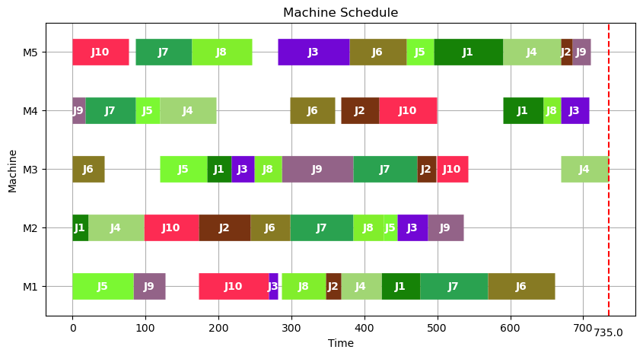
9 | 772 | 0 | 1.58 |  |  | 2.6
10 | 779 | 0 | 1.6 |  |  | 2.62
11 | 755 | 0 | 1.62 |  |  | 2.58
12 | 761 | 1 | 1.58 |  |  | 2.6
13 | 772 | 0 | 1.6 |  |  | 2.57
14 | 746 | 0 | 1.57 |  |  | 2.54
15 | 764 | 0 | 1.54 |  |  | 2.56
16 | 787 | 0 | 1.56 |  |  | 2.57
17 | 759 | 1 | 1.57 |  |  | 2.66
18 | 813 | 0 | 1.66 |  |  | 2.53
19 | 788 | 0 | 1.53 |  |  | 2.59
20 | 782 | 0 | 1.59 |  |  | 2.67
21 | 777 | 0 | 1.67 |  |  | 2.56
22 | 740 | 0 | 1.56 |  |  | 2.55
23 | 791 | 0 | 1.55 |  |  | 2.58
24 | 750 | 0 | 1.58 |  |  | 2.61
25 | 758 | 1 | 1.61 |  |  | 2.66
26 | 770 | 0 | 1.66 |  |  | 2.61
27 | 783 | 0 | 1.61 |  |  | 2.54
28 | 790 | 0 | 1.54 |  |  | 2.6
29 | 735 | 0 | 1.6 |  |  | 2.53
30 | 790 | 0 | 1.53 |  |  | 2.55
31 | 802 | 0 | 1.55 |  |  | 2.68
32 | 780 | 0 | 1.68 |  |  | 2.58
33 | 776 | 0 | 1.58 |  |  | 2.54
34 | 775 | 0 | 1.54 |  |  | 2.65
35 | 793 | 1 | 1.65 |  |  | 2.59
36 | 790 | 0 | 1.59 |  |  | 2.6
37 | 771 | 0 | 1.6 |  |  | 2.61
38 | 772 | 0 | 1.61 |  |  | 2.6
39 | 764 | 0 | 1.6 |  |  | 2.54
40 | 781 | 0 | 1.54 |  |  | 2.66
41 | 772 | 0 | 1.66 |  |  | 2.55
42 | 797 | 0 | 1.55 |  |  | 2.58
43 | 747 | 0 | 1.58 |  |  | 2.6
44 | 782 | 0 | 1.6 |  |  | 2.58
45 | 745 | 0 | 1.58 |  |  | 2.57
46 | 788 | 0 | 1.57 |  |  | 2.58
47 | 782 | 0 | 1.58 |  |  | 2.56
48 | 762 | 1 | 1.56 |  |  | 2.58
49 | 769 | 0 | 1.58 |  |  | 2.58
50 | 767 | 0 | 1.58 |  |  | 2.58
51 | 780 | 0 | 1.58 |  |  | 2.5
52 | 788 | 0 | 1.5 |  |  | 2.62
53 | 804 | 0 | 1.62 |  |  | 2.57
54 | 799 | 0 | 1.57 |  |  | 2.58
55 | 792 | 0 | 1.58 |  |  | 2.57
56 | 760 | 0 | 1.57 |  |  | 2.59
57 | 810 | 1 | 1.59 |  |  | 2.63
58 | 796 | 0 | 1.63 |  |  | 2.57
59 | 788 | 0 | 1.57 |  |  | 2.65
60 | 776 | 0 | 1.65 |  |  | 2.58
61 | 810 | 0 | 1.58 |  |  | 2.57
62 | 780 | 0 | 1.57 |  |  | 2.68
63 | 762 | 1 | 1.68 |  |  | 2.47
64 | 795 | 0 | 1.47 |  |  | 2.61
65 | 753 | 0 | 1.61 |  |  | 2.62
66 | 756 | 0 | 1.62 |  |  | 2.62
67 | 799 | 0 | 1.62 |  |  | 2.64
68 | 766 | 1 | 1.64 |  |  | 2.62
69 | 766 | 0 | 1.62 |  |  | 2.56
70 | 774 | 0 | 1.56 |  |  | 2.63
71 | 768 | 0 | 1.63 |  |  | 2.55
72 | 782 | 0 | 1.55 |  |  | 2.55
73 | 773 | 0 | 1.55 |  |  | 2.58
74 | 787 | 0 | 1.58 |  |  | 2.59
75 | 754 | 0 | 1.59 |  |  | 2.56
76 | 791 | 0 | 1.56 |  |  | 2.6
77 | 767 | 0 | 1.6 |  |  | 2.55
78 | 791 | 0 | 1.55 |  |  | 2.63
79 | 785 | 0 | 1.63 |  |  | 2.68
80 | 767 | 1 | 1.68 |  |  | 2.56
81 | 773 | 0 | 1.56 |  |  | 2.62
82 | 780 | 0 | 1.62 |  |  | 2.58
83 | 780 | 0 | 1.58 |  |  | 2.62
84 | 790 | 1 | 1.62 |  |  | 2.62
85 | 786 | 1 | 1.62 |  |  | 2.63
86 | 787 | 0 | 1.63 |  |  | 2.72
87 | 791 | 0 | 1.72 |  |  | 2.6
88 | 770 | 0 | 1.6 |  |  | 2.61
89 | 753 | 0 | 1.61 |  |  | 2.6
90 | 784 | 0 | 1.6 |  |  | 2.55
91 | 802 | 0 | 1.55 |  |  | 2.63
92 | 796 | 0 | 1.63 |  |  | 2.59
93 | 764 | 0 | 1.59 |  |  | 2.59
94 | 777 | 0 | 1.59 |  |  | 2.59
95 | 756 | 0 | 1.59 |  |  | 2.71
96 | 756 | 1 | 1.71 |  |  | 2.7
97 | 800 | 0 | 1.7 |  |  | 2.61
98 | 785 | 0 | 1.61 |  |  | 2.66
99 | 778 | 0 | 1.66 |  |  | 2.65
100 | 797 | 0 | 1.65 |  |  | 2.68

la02
No | Solution | Improve | Runtime |  |  | Runtime
1 | 809 | 0 | 1.65 | avg_solution | 790.04 | 2.65
2 | 807 | 0 | 1.63 | LB | 727 | 2.63
3 | 797 | 0 | 1.67 | UB | 832 | 2.67
4 | 741 | 1 | 1.61 |  |  | 2.61
5 | 793 | 0 | 1.6 | avg_runtime | 1.6331 | 2.6
6 | 762 | 1 | 1.6 | Improve_rate | 22% | 2.6
7 | 795 | 0 | 1.54 |  |  | 2.54
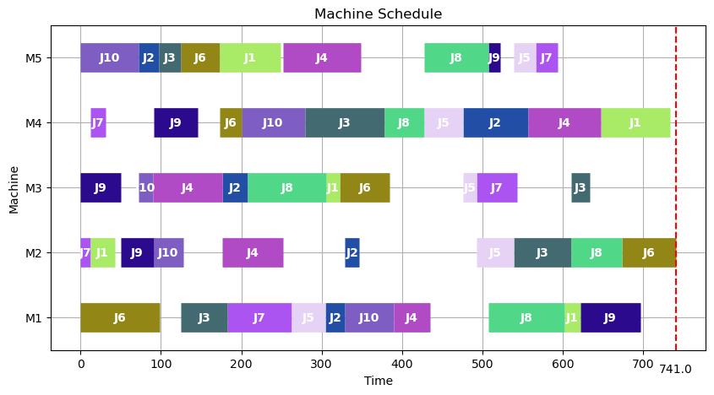
8 | 797 | 1 | 1.52 |  |  | 2.52
9 | 819 | 0 | 1.64 |  |  | 2.64
10 | 815 | 0 | 1.56 |  |  | 2.56
11 | 793 | 0 | 1.64 |  |  | 2.64
12 | 794 | 0 | 1.59 |  |  | 2.59
13 | 785 | 1 | 1.6 |  |  | 2.6
14 | 819 | 0 | 1.61 |  |  | 2.61
15 | 819 | 0 | 1.65 |  |  | 2.65
16 | 727 | 1 | 1.6 |  |  | 2.6
17 | 814 | 0 | 1.63 |  |  | 2.63
18 | 799 | 0 | 1.59 |  |  | 2.59
19 | 821 | 0 | 1.64 |  |  | 2.64
20 | 818 | 0 | 1.58 |  |  | 2.58
21 | 787 | 0 | 1.59 |  |  | 2.59
22 | 745 | 1 | 1.56 |  |  | 2.56
23 | 764 | 1 | 1.62 |  |  | 2.62
24 | 808 | 0 | 2.6 |  |  | 3.6
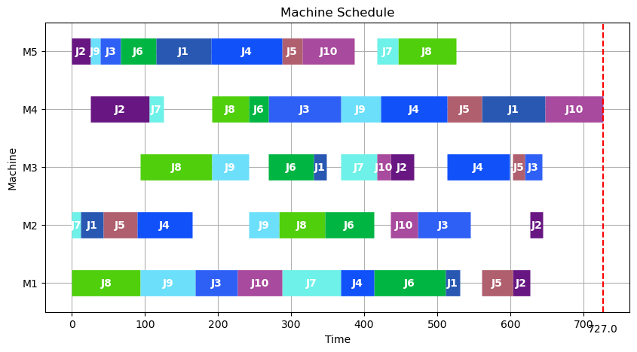
25 | 798 | 0 | 1.59 |  |  | 2.59
26 | 793 | 1 | 1.58 |  |  | 2.58
27 | 805 | 0 | 1.57 |  |  | 2.57
28 | 821 | 0 | 1.58 |  |  | 2.58
29 | 762 | 0 | 1.62 |  |  | 2.62
30 | 814 | 0 | 1.51 |  |  | 2.51
31 | 785 | 0 | 1.67 |  |  | 2.67
32 | 825 | 0 | 1.64 |  |  | 2.64
33 | 829 | 0 | 1.61 |  |  | 2.61
34 | 765 | 1 | 1.7 |  |  | 2.7
35 | 800 | 0 | 1.63 |  |  | 2.63
36 | 752 | 0 | 1.59 |  |  | 2.59
37 | 800 | 0 | 1.65 |  |  | 2.65
38 | 795 | 0 | 1.57 |  |  | 2.57
39 | 811 | 1 | 1.58 |  |  | 2.58
40 | 766 | 0 | 1.57 |  |  | 2.57
41 | 815 | 0 | 1.66 |  |  | 2.66
42 | 814 | 0 | 1.63 |  |  | 2.63
43 | 806 | 0 | 1.63 |  |  | 2.63
44 | 748 | 0 | 1.6 |  |  | 2.6
45 | 753 | 0 | 1.63 |  |  | 2.63
46 | 805 | 0 | 1.57 |  |  | 2.57
47 | 785 | 1 | 1.64 |  |  | 2.64
48 | 812 | 0 | 1.6 |  |  | 2.6
49 | 791 | 0 | 1.64 |  |  | 2.64
50 | 757 | 0 | 1.68 |  |  | 2.68
51 | 747 | 1 | 1.61 |  |  | 2.61
52 | 812 | 0 | 1.53 |  |  | 2.53
53 | 743 | 1 | 1.57 |  |  | 2.57
54 | 799 | 0 | 1.63 |  |  | 2.63
55 | 827 | 0 | 1.65 |  |  | 2.65
56 | 764 | 0 | 1.64 |  |  | 2.64
57 | 818 | 0 | 1.62 |  |  | 2.62
58 | 798 | 0 | 1.65 |  |  | 2.65
59 | 808 | 0 | 1.61 |  |  | 2.61
60 | 788 | 0 | 1.7 |  |  | 2.7
61 | 784 | 1 | 1.67 |  |  | 2.67
62 | 778 | 1 | 1.59 |  |  | 2.59
63 | 773 | 1 | 1.69 |  |  | 2.69
64 | 806 | 0 | 1.65 |  |  | 2.65
65 | 827 | 0 | 1.58 |  |  | 2.58
66 | 797 | 0 | 1.64 |  |  | 2.64
67 | 753 | 1 | 1.68 |  |  | 2.68
68 | 779 | 0 | 1.61 |  |  | 2.61
69 | 832 | 0 | 1.64 |  |  | 2.64
70 | 809 | 0 | 1.7 |  |  | 2.7
71 | 751 | 0 | 1.58 |  |  | 2.58
72 | 809 | 0 | 1.68 |  |  | 2.68
73 | 811 | 0 | 1.56 |  |  | 2.56
74 | 804 | 0 | 1.71 |  |  | 2.71
75 | 780 | 1 | 1.63 |  |  | 2.63
76 | 795 | 0 | 1.59 |  |  | 2.59
77 | 763 | 1 | 1.57 |  |  | 2.57
78 | 794 | 0 | 1.72 |  |  | 2.72
79 | 808 | 0 | 1.66 |  |  | 2.66
80 | 770 | 0 | 1.57 |  |  | 2.57
81 | 807 | 0 | 1.5 |  |  | 2.5
82 | 782 | 0 | 1.73 |  |  | 2.73
83 | 735 | 1 | 1.61 |  |  | 2.61
84 | 736 | 1 | 1.71 |  |  | 2.71
85 | 776 | 0 | 1.75 |  |  | 2.75
86 | 786 | 0 | 1.6 |  |  | 2.6
87 | 800 | 0 | 1.67 |  |  | 2.67
88 | 788 | 0 | 1.75 |  |  | 2.75
89 | 799 | 0 | 1.63 |  |  | 2.63
90 | 794 | 0 | 1.67 |  |  | 2.67
91 | 730 | 1 | 1.59 |  |  | 2.59
92 | 787 | 0 | 1.64 |  |  | 2.64
93 | 791 | 0 | 1.66 |  |  | 2.66
94 | 817 | 0 | 1.53 |  |  | 2.53
95 | 797 | 0 | 1.66 |  |  | 2.66
96 | 783 | 0 | 1.67 |  |  | 2.67
97 | 813 | 0 | 1.55 |  |  | 2.55
98 | 762 | 0 | 1.66 |  |  | 2.66
99 | 799 | 0 | 1.59 |  |  | 2.59
100 | 760 | 0 | 1.75 |  |  | 2.75

la03
No | Solution | Improve | Runtime
1 | 721 | 0 | 1.86 | avg_solution | 718.69 | 2.86
2 | 728 | 0 | 1.59 | LB | 652 | 2.59
3 | 725 | 1 | 1.71 | UB | 751 | 2.71
4 | 728 | 0 | 1.67 |  |  | 2.67
5 | 722 | 0 | 1.6 | avg_runtime | 1.6622 | 2.6
6 | 692 | 0 | 1.64 | Improve_rate | 24% | 2.64
7 | 715 | 0 | 1.73 |  |  | 2.73
8 | 726 | 1 | 1.62 |  |  | 2.62
9 | 730 | 0 | 1.66 |  |  | 2.66
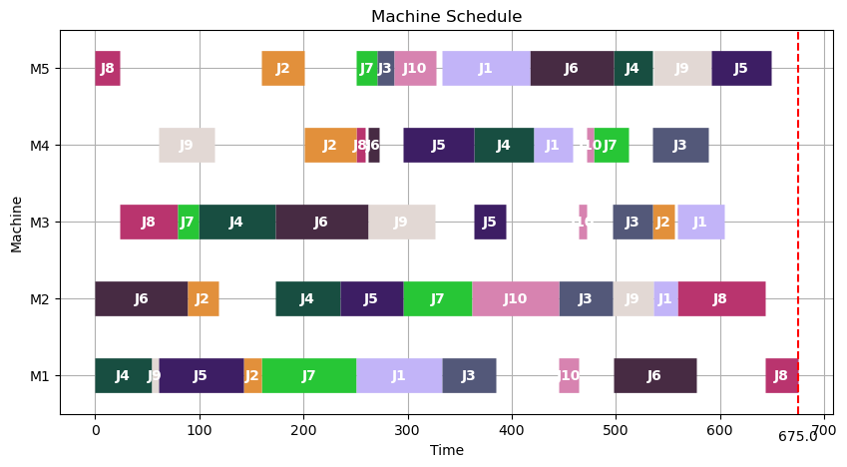
10 | 687 | 0 | 1.73 |  |  | 2.73
11 | 709 | 0 | 1.6 |  |  | 2.6
12 | 743 | 0 | 1.54 |  |  | 2.54
13 | 737 | 0 | 1.76 |  |  | 2.76
14 | 731 | 0 | 1.63 |  |  | 2.63
15 | 711 | 0 | 1.62 |  |  | 2.62
16 | 729 | 1 | 1.66 |  |  | 2.66
17 | 718 | 0 | 1.74 |  |  | 2.74
18 | 723 | 0 | 1.61 |  |  | 2.61
19 | 734 | 0 | 1.66 |  |  | 2.66
20 | 714 | 1 | 1.73 |  |  | 2.73
21 | 675 | 1 | 1.61 |  |  | 2.61
22 | 732 | 0 | 1.57 |  |  | 2.57
23 | 720 | 0 | 1.75 |  |  | 2.75
24 | 715 | 0 | 1.62 |  |  | 2.62
25 | 739 | 0 | 1.62 |  |  | 2.62
26 | 722 | 0 | 1.64 |  |  | 2.64
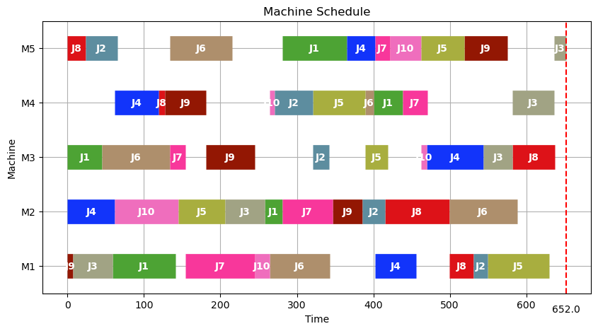
27 | 749 | 0 | 1.71 |  |  | 2.71
28 | 749 | 0 | 1.67 |  |  | 2.67
29 | 711 | 1 | 1.71 |  |  | 2.71
30 | 727 | 0 | 1.63 |  |  | 2.63
31 | 691 | 1 | 1.57 |  |  | 2.57
32 | 751 | 0 | 1.56 |  |  | 2.56
33 | 723 | 0 | 1.68 |  |  | 2.68
34 | 733 | 0 | 1.56 |  |  | 2.56
35 | 652 | 1 | 1.65 |  |  | 2.65
36 | 707 | 0 | 1.75 |  |  | 2.75
37 | 730 | 0 | 1.58 |  |  | 2.58
38 | 738 | 1 | 1.56 |  |  | 2.56
39 | 737 | 0 | 1.68 |  |  | 2.68
40 | 722 | 0 | 1.63 |  |  | 2.63
41 | 719 | 0 | 1.65 |  |  | 2.65
42 | 717 | 0 | 1.65 |  |  | 2.65
43 | 662 | 1 | 1.69 |  |  | 2.69
44 | 725 | 0 | 1.7 |  |  | 2.7
45 | 700 | 0 | 1.61 |  |  | 2.61
46 | 741 | 0 | 1.64 |  |  | 2.64
47 | 724 | 0 | 1.67 |  |  | 2.67
48 | 704 | 0 | 1.66 |  |  | 2.66
49 | 652 | 1 | 1.65 |  |  | 2.65
50 | 721 | 0 | 1.66 |  |  | 2.66
51 | 719 | 0 | 1.61 |  |  | 2.61
52 | 696 | 1 | 1.67 |  |  | 2.67
53 | 727 | 0 | 1.66 |  |  | 2.66
54 | 715 | 0 | 1.56 |  |  | 2.56
55 | 738 | 0 | 1.71 |  |  | 2.71
56 | 738 | 0 | 1.73 |  |  | 2.73
57 | 710 | 1 | 1.58 |  |  | 2.58
58 | 727 | 1 | 1.73 |  |  | 2.73
59 | 728 | 0 | 1.7 |  |  | 2.7
60 | 749 | 0 | 1.67 |  |  | 2.67
61 | 702 | 0 | 1.7 |  |  | 2.7
62 | 652 | 1 | 1.61 |  |  | 2.61
63 | 750 | 0 | 1.68 |  |  | 2.68
64 | 665 | 1 | 1.71 |  |  | 2.71
65 | 702 | 0 | 1.65 |  |  | 2.65
66 | 731 | 0 | 1.53 |  |  | 2.53
67 | 745 | 0 | 1.74 |  |  | 2.74
68 | 731 | 0 | 1.74 |  |  | 2.74
69 | 710 | 0 | 1.73 |  |  | 2.73
70 | 681 | 1 | 1.59 |  |  | 2.59
71 | 731 | 0 | 1.77 |  |  | 2.77
72 | 726 | 0 | 1.59 |  |  | 2.59
73 | 729 | 0 | 1.72 |  |  | 2.72
74 | 711 | 0 | 1.68 |  |  | 2.68
75 | 743 | 0 | 1.7 |  |  | 2.7
76 | 708 | 0 | 1.59 |  |  | 2.59
77 | 724 | 0 | 1.74 |  |  | 2.74
78 | 734 | 1 | 1.65 |  |  | 2.65
79 | 744 | 0 | 1.61 |  |  | 2.61
80 | 730 | 0 | 1.78 |  |  | 2.78
81 | 728 | 0 | 1.75 |  |  | 2.75
82 | 683 | 1 | 1.58 |  |  | 2.58
83 | 746 | 0 | 1.77 |  |  | 2.77
84 | 722 | 0 | 1.59 |  |  | 2.59
85 | 667 | 1 | 1.58 |  |  | 2.58
86 | 746 | 0 | 1.78 |  |  | 2.78
87 | 708 | 0 | 1.66 |  |  | 2.66
88 | 703 | 1 | 1.57 |  |  | 2.57
89 | 711 | 1 | 1.74 |  |  | 2.74
90 | 684 | 0 | 1.7 |  |  | 2.7
91 | 749 | 0 | 1.63 |  |  | 2.63
92 | 709 | 0 | 1.7 |  |  | 2.7
93 | 704 | 0 | 1.76 |  |  | 2.76
94 | 739 | 1 | 1.59 |  |  | 2.59
95 | 723 | 0 | 1.69 |  |  | 2.69
96 | 748 | 0 | 1.73 |  |  | 2.73
97 | 667 | 1 | 1.62 |  |  | 2.62
98 | 740 | 0 | 1.62 |  |  | 2.62
99 | 746 | 0 | 1.75 |  |  | 2.75
100 | 739 | 0 | 1.59 |  |  | 2.59

la04
No | Solution | Improve | Runtime
1 | 753 | 0 | 1.8 | avg_solution | 720.92
2 | 755 | 0 | 1.59 | LB | 648
3 | 688 | 0 | 1.73 | UB | 807
4 | 753 | 0 | 1.59
5 | 719 | 0 | 1.65 | avg_runtime | 1.6334
6 | 688 | 1 | 1.55 | Improve_rate | 18%
7 | 749 | 0 | 1.78
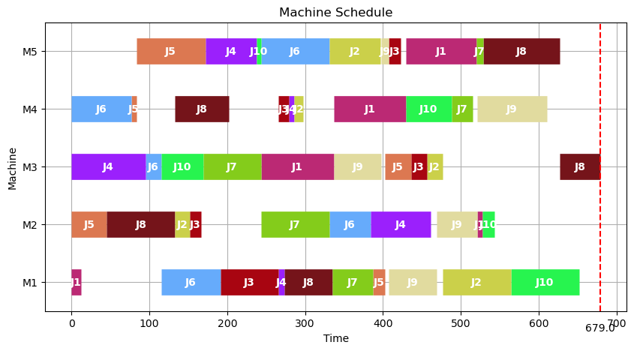
8 | 705 | 1 | 1.71
9 | 743 | 0 | 1.53
10 | 693 | 1 | 1.57
11 | 689 | 1 | 1.66
12 | 688 | 1 | 1.84
13 | 756 | 0 | 1.59
14 | 745 | 0 | 1.61
15 | 744 | 0 | 1.62
16 | 689 | 0 | 1.67
17 | 726 | 0 | 1.53
18 | 689 | 0 | 1.6
19 | 713 | 0 | 1.55
20 | 702 | 0 | 1.65
21 | 734 | 0 | 1.62
22 | 714 | 0 | 1.61
23 | 757 | 0 | 1.65
24 | 701 | 0 | 1.68
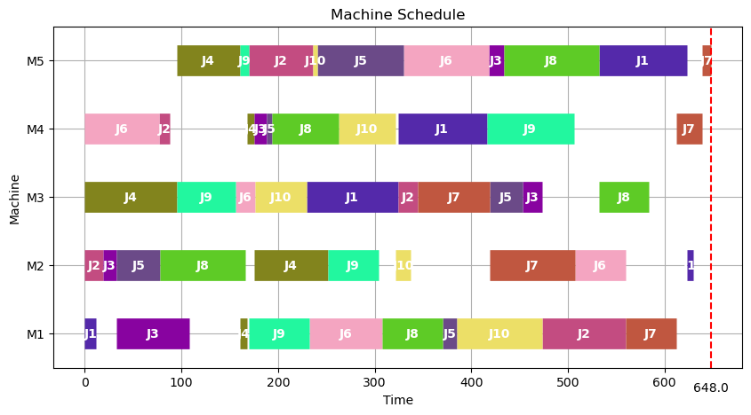
25 | 738 | 0 | 1.62
26 | 747 | 0 | 1.6
27 | 735 | 0 | 1.74
28 | 726 | 1 | 1.53
29 | 725 | 0 | 1.72
30 | 727 | 0 | 1.57
31 | 724 | 0 | 1.61
32 | 728 | 0 | 1.72
33 | 705 | 0 | 1.57
34 | 733 | 0 | 1.59
35 | 746 | 1 | 1.69
36 | 763 | 0 | 1.59
37 | 705 | 1 | 1.63
38 | 727 | 0 | 1.62
39 | 757 | 0 | 1.62
40 | 728 | 1 | 1.68
41 | 758 | 0 | 1.6
42 | 693 | 0 | 1.68
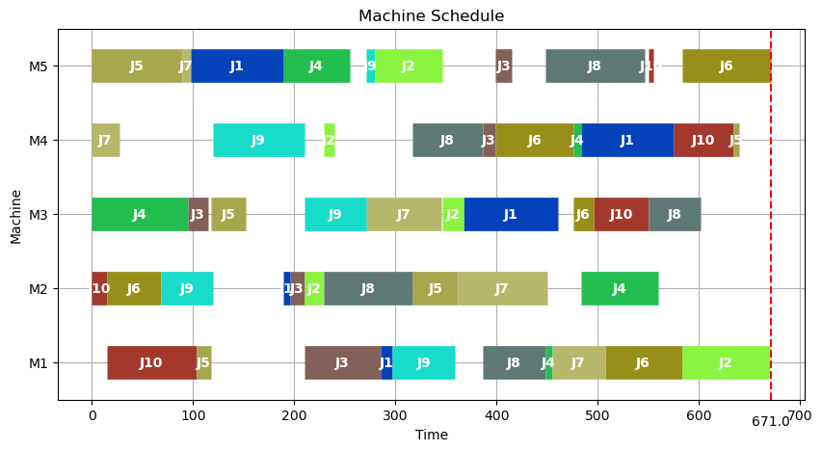
43 | 707 | 0 | 1.67
44 | 728 | 0 | 1.7
45 | 749 | 1 | 1.63
46 | 745 | 0 | 1.69
47 | 686 | 0 | 1.73
48 | 732 | 0 | 1.55
49 | 741 | 0 | 1.68
50 | 754 | 0 | 1.58
51 | 724 | 1 | 1.59
52 | 697 | 1 | 1.72
53 | 740 | 0 | 1.67
54 | 726 | 0 | 1.58
55 | 709 | 0 | 1.58
56 | 745 | 0 | 1.7
57 | 751 | 0 | 1.54
58 | 735 | 0 | 1.62
59 | 679 | 0 | 1.63
60 | 730 | 0 | 1.75
61 | 706 | 0 | 1.54
62 | 648 | 0 | 1.8
63 | 706 | 0 | 1.73
64 | 691 | 1 | 1.69
65 | 731 | 0 | 1.69
66 | 745 | 0 | 1.68
67 | 727 | 0 | 1.58
68 | 671 | 1 | 1.59
69 | 706 | 0 | 1.53
70 | 709 | 0 | 1.59
71 | 685 | 1 | 1.58
72 | 699 | 0 | 1.68
73 | 724 | 0 | 1.59
74 | 716 | 0 | 1.57
75 | 754 | 0 | 1.6
76 | 725 | 0 | 1.63
77 | 698 | 0 | 1.55
78 | 753 | 0 | 1.57
79 | 754 | 0 | 1.7
80 | 754 | 0 | 1.56
81 | 666 | 0 | 1.65
82 | 739 | 0 | 1.68
83 | 721 | 1 | 1.63
84 | 700 | 0 | 1.56
85 | 678 | 0 | 1.68
86 | 715 | 0 | 1.62
87 | 752 | 0 | 1.7
88 | 694 | 0 | 1.66
89 | 694 | 0 | 1.7
90 | 679 | 1 | 1.63
91 | 706 | 0 | 1.58
92 | 746 | 0 | 1.53
93 | 718 | 0 | 1.63
94 | 807 | 0 | 1.63
95 | 685 | 0 | 1.57
96 | 705 | 0 | 1.68
97 | 674 | 0 | 1.54
98 | 705 | 0 | 1.63
99 | 748 | 0 | 1.65
100 | 722 | 1 | 1.57

la05
No | Solution | Improve | Runtime
1 | 593 | 0 | 1.58 | avg_solution | 619.61
2 | 626 | 0 | 1.57 | LB | 593
3 | 671 | 0 | 1.55 | UB | 671
4 | 607 | 0 | 1.49
5 | 623 | 1 | 1.74 | avg_runtime | 1.6622
6 | 600 | 0 | 1.72 | Improve_rate | 10%
7 | 619 | 0 | 1.73
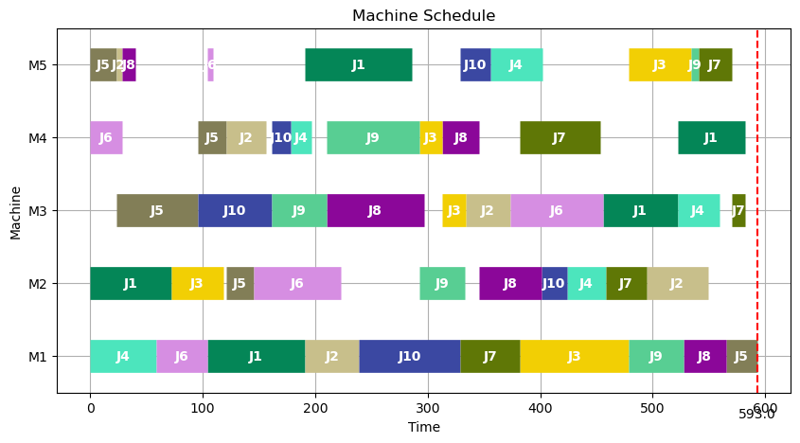
8 | 603 | 0 | 1.65
9 | 641 | 0 | 1.62
10 | 605 | 1 | 1.67
11 | 621 | 0 | 1.71
12 | 651 | 0 | 1.59
13 | 647 | 0 | 1.68
14 | 618 | 0 | 1.71
15 | 621 | 0 | 1.6
16 | 630 | 0 | 1.6
17 | 636 | 0 | 1.59
18 | 626 | 0 | 1.65
19 | 619 | 0 | 1.59
20 | 606 | 0 | 1.79
21 | 615 | 0 | 1.78
22 | 603 | 0 | 1.77
23 | 593 | 0 | 1.78
24 | 620 | 0 | 1.85
25 | 612 | 0 | 1.6
26 | 636 | 0 | 1.72
27 | 631 | 0 | 1.66
28 | 629 | 1 | 1.61
29 | 623 | 0 | 1.6
30 | 633 | 1 | 1.75
31 | 617 | 0 | 1.63
32 | 618 | 0 | 1.62
33 | 629 | 0 | 1.7
34 | 621 | 0 | 1.61
35 | 617 | 0 | 1.62
36 | 629 | 0 | 1.79
37 | 640 | 0 | 1.71
38 | 625 | 1 | 1.75
39 | 600 | 0 | 1.64
40 | 630 | 0 | 1.62
41 | 600 | 0 | 1.62
42 | 610 | 0 | 1.72
43 | 603 | 0 | 1.79
44 | 631 | 0 | 1.63
45 | 649 | 0 | 1.58
46 | 625 | 0 | 1.85
47 | 630 | 1 | 1.56
48 | 610 | 0 | 1.62
49 | 634 | 0 | 1.69
50 | 618 | 0 | 1.64
51 | 617 | 0 | 1.74
52 | 626 | 0 | 1.66
53 | 629 | 0 | 1.8
54 | 600 | 1 | 1.8
55 | 593 | 0 | 1.72
56 | 628 | 0 | 1.61
57 | 633 | 0 | 1.58
58 | 605 | 0 | 1.62
59 | 621 | 0 | 1.68
60 | 627 | 0 | 1.78
61 | 620 | 0 | 1.55
62 | 630 | 0 | 1.51
63 | 630 | 0 | 1.58
64 | 633 | 0 | 1.79
65 | 608 | 0 | 1.77
66 | 627 | 0 | 1.71
67 | 600 | 0 | 1.58
68 | 620 | 0 | 1.66
69 | 630 | 0 | 1.8
70 | 628 | 0 | 1.75
71 | 625 | 0 | 1.57
72 | 608 | 1 | 1.57
73 | 619 | 0 | 1.67
74 | 621 | 0 | 1.57
75 | 628 | 0 | 1.6
76 | 633 | 0 | 1.59
77 | 626 | 0 | 1.63
78 | 622 | 0 | 1.57
79 | 610 | 0 | 1.68
80 | 610 | 1 | 1.64
81 | 622 | 0 | 1.64
82 | 620 | 0 | 1.66
83 | 614 | 0 | 1.53
84 | 609 | 0 | 1.7
85 | 630 | 0 | 1.65
86 | 593 | 1 | 1.56
87 | 609 | 0 | 1.84
88 | 631 | 0 | 1.66
89 | 626 | 0 | 1.56
90 | 607 | 0 | 1.72
91 | 603 | 0 | 1.64
92 | 621 | 0 | 1.58
93 | 615 | 0 | 1.59
94 | 599 | 0 | 1.63
95 | 593 | 0 | 1.8
96 | 620 | 0 | 1.78
97 | 616 | 0 | 1.59
98 | 609 | 0 | 1.74
99 | 600 | 0 | 1.57
100 | 623 | 0 | 1.66

la06
No | Solution | Improve | Runtime
1 | 1089 | 0 | 3.52 | avg_solution | 1063.72
2 | 1052 | 1 | 3.46 | LB | 982
3 | 1104 | 0 | 3.52 | UB | 1137
4 | 1105 | 0 | 3.53
5 | 1073 | 0 | 3.54 | avg_runtime | 3.5287
6 | 982 | 1 | 3.53 | Improve_rate | 13%
7 | 1119 | 0 | 3.54
8 | 1029 | 0 | 3.6
9 | 1057 | 0 | 3.48
10 | 1060 | 0 | 3.54
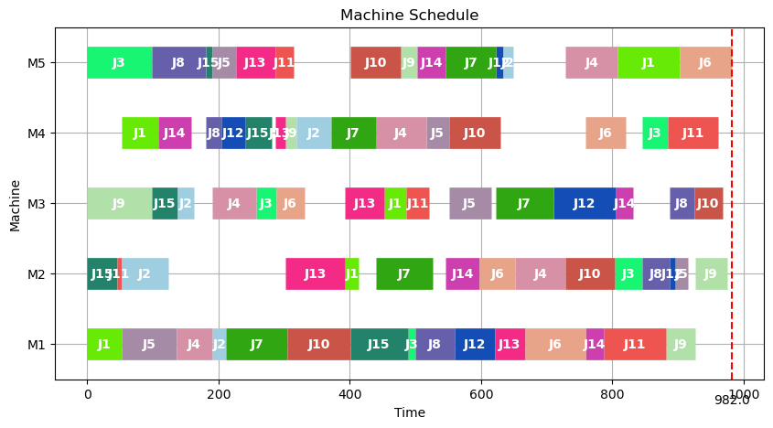
11 | 1079 | 0 | 3.46
12 | 1121 | 0 | 3.48
13 | 1062 | 0 | 3.46
14 | 1052 | 0 | 3.45
15 | 1099 | 0 | 3.41
16 | 1087 | 0 | 3.51
17 | 1123 | 0 | 3.5
18 | 1046 | 0 | 3.51
19 | 1082 | 0 | 3.44
20 | 1020 | 0 | 3.42
21 | 1051 | 0 | 3.51
22 | 1038 | 0 | 3.57
23 | 1125 | 0 | 3.51
24 | 1087 | 0 | 3.46
25 | 1084 | 0 | 3.44
26 | 1046 | 1 | 3.59
27 | 1089 | 0 | 3.56
28 | 1029 | 0 | 3.62
29 | 1055 | 0 | 3.53
30 | 999 | 0 | 3.69
31 | 1072 | 0 | 3.52
32 | 1091 | 0 | 3.54
33 | 1069 | 0 | 3.56
34 | 1049 | 1 | 3.45
35 | 1077 | 0 | 3.52
36 | 1057 | 0 | 3.52
37 | 1074 | 0 | 3.54
38 | 1039 | 0 | 3.51
39 | 1047 | 0 | 3.48
40 | 999 | 0 | 3.57
41 | 1061 | 0 | 3.47
42 | 1069 | 0 | 3.5
43 | 1056 | 1 | 3.51
44 | 1066 | 0 | 3.57
45 | 1081 | 0 | 3.51
46 | 1078 | 1 | 3.57
47 | 1049 | 0 | 3.49
48 | 1015 | 0 | 3.6
49 | 1020 | 1 | 3.48
50 | 1086 | 0 | 3.74
51 | 1016 | 0 | 3.58
52 | 1031 | 0 | 3.56
53 | 1068 | 0 | 3.58
54 | 1044 | 0 | 3.64
55 | 1029 | 0 | 3.51
56 | 1085 | 0 | 3.6
57 | 1032 | 0 | 3.48
58 | 1046 | 0 | 3.56
59 | 1061 | 1 | 3.61
60 | 1072 | 0 | 3.47
61 | 1064 | 0 | 3.52
62 | 1083 | 0 | 3.57
63 | 1062 | 1 | 3.55
64 | 1092 | 0 | 3.54
65 | 1096 | 0 | 3.52
66 | 1058 | 0 | 3.6
67 | 1091 | 0 | 3.54
68 | 1072 | 0 | 3.53
69 | 1068 | 0 | 3.51
70 | 1053 | 0 | 3.55
71 | 1051 | 0 | 3.58
72 | 1046 | 0 | 3.56
73 | 1024 | 0 | 3.57
74 | 1044 | 0 | 3.52
75 | 1071 | 0 | 3.54
76 | 1062 | 0 | 3.57
77 | 1012 | 0 | 3.56
78 | 1084 | 0 | 3.63
79 | 1060 | 0 | 3.56
80 | 1037 | 0 | 3.56
81 | 1068 | 0 | 3.52
82 | 1059 | 1 | 3.53
83 | 1034 | 0 | 3.43
84 | 1087 | 0 | 3.48
85 | 1084 | 0 | 3.52
86 | 1089 | 0 | 3.59
87 | 1070 | 0 | 3.54
88 | 1089 | 0 | 3.52
89 | 1078 | 0 | 3.46
90 | 1121 | 0 | 3.47
91 | 1048 | 1 | 3.51
92 | 1013 | 0 | 3.52
93 | 1022 | 0 | 3.52
94 | 1137 | 0 | 3.54
95 | 1105 | 0 | 3.5
96 | 1060 | 1 | 3.48
97 | 1054 | 0 | 3.55
98 | 1078 | 1 | 3.45
99 | 1106 | 0 | 3.55
100 | 1057 | 0 | 3.49

la07
No | Solution | Improve | Runtime
1 | 1113 | 0 | 3.56 | avg_solution | 1052.37
2 | 1095 | 0 | 3.49 | LB | 977
3 | 1117 | 0 | 3.46 | UB | 1117
4 | 1008 | 1 | 3.47
5 | 1105 | 1 | 3.52 | avg_runtime | 3.50299
6 | 1106 | 1 | 3.47 | Improve_rate | 29%
7 | 1117 | 0 | 3.52
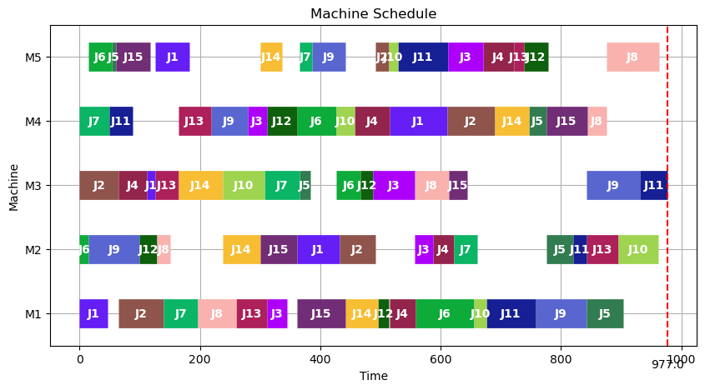
8 | 1073 | 0 | 3.54
9 | 1035 | 1 | 3.49
10 | 1022 | 0 | 3.52
11 | 1010 | 0 | 3.54
12 | 1073 | 0 | 3.47
13 | 988 | 1 | 3.6
14 | 1020 | 0 | 3.44
15 | 1083 | 0 | 3.48
16 | 1108 | 0 | 3.52
17 | 1037 | 0 | 3.58
18 | 1085 | 0 | 3.46
19 | 1015 | 0 | 3.49
20 | 1044 | 1 | 3.55
21 | 1069 | 0 | 3.57
22 | 1007 | 0 | 3.53
23 | 1083 | 0 | 3.56
24 | 1072 | 0 | 3.48
25 | 1048 | 0 | 3.53
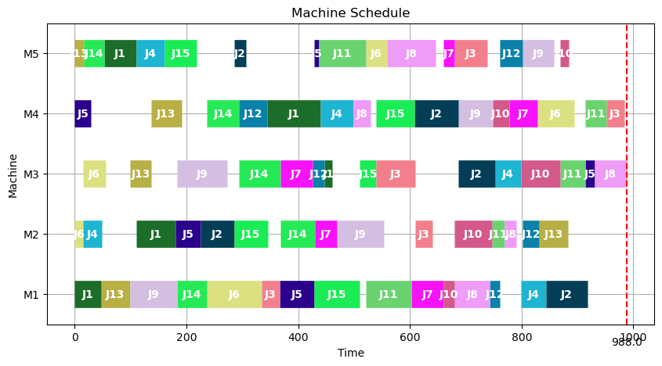
26 | 1016 | 0 | 3.59
27 | 1032 | 1 | 3.62
28 | 999 | 0 | 3.48
29 | 1040 | 1 | 3.52
30 | 988 | 0 | 3.54
31 | 1064 | 1 | 3.58
32 | 1068 | 1 | 3.56
33 | 1073 | 1 | 3.58
34 | 1055 | 0 | 3.54
35 | 1002 | 1 | 3.58
36 | 1054 | 0 | 3.48
37 | 1081 | 0 | 3.66
38 | 1087 | 0 | 3.58
39 | 1026 | 0 | 3.54
40 | 1082 | 0 | 3.51
41 | 1077 | 0 | 3.57
42 | 1070 | 0 | 3.59
43 | 1053 | 0 | 3.58
44 | 1070 | 0 | 3.56
45 | 1065 | 0 | 3.58
46 | 1061 | 0 | 3.55
47 | 1043 | 0 | 3.56
48 | 1080 | 0 | 3.47
49 | 1025 | 1 | 3.52
50 | 1104 | 0 | 3.51
51 | 1003 | 0 | 3.47
52 | 1057 | 0 | 3.54
53 | 1049 | 0 | 3.51
54 | 1068 | 0 | 3.59
55 | 1066 | 0 | 3.48
56 | 1045 | 1 | 3.58
57 | 1080 | 0 | 3.59
58 | 1049 | 0 | 3.58
59 | 977 | 1 | 3.46
60 | 1025 | 0 | 3.44
61 | 1044 | 1 | 3.47
62 | 1022 | 0 | 3.54
63 | 1092 | 0 | 0.359
64 | 1081 | 0 | 3.47
65 | 1049 | 1 | 3.55
66 | 1068 | 1 | 3.55
67 | 1075 | 0 | 3.48
68 | 1057 | 0 | 3.53
69 | 1043 | 0 | 3.53
70 | 1045 | 0 | 3.58
71 | 990 | 1 | 3.6
72 | 1018 | 1 | 3.6
73 | 1057 | 0 | 3.56
74 | 1043 | 0 | 3.49
75 | 1056 | 0 | 3.56
76 | 1005 | 1 | 3.51
77 | 1029 | 1 | 3.58
78 | 1027 | 0 | 3.56
79 | 1052 | 0 | 3.49
80 | 1014 | 1 | 3.52
81 | 1073 | 0 | 3.46
82 | 1071 | 0 | 3.59
83 | 1055 | 1 | 3.61
84 | 1054 | 0 | 3.56
85 | 1044 | 0 | 3.56
86 | 1048 | 0 | 3.49
87 | 1069 | 1 | 3.58
88 | 1095 | 0 | 3.46
89 | 1039 | 0 | 3.51
90 | 1070 | 0 | 3.56
91 | 1060 | 0 | 3.48
92 | 1029 | 1 | 3.48
93 | 1073 | 0 | 3.55
94 | 1037 | 1 | 3.51
95 | 1053 | 0 | 3.53
96 | 1079 | 0 | 3.52
97 | 1058 | 0 | 3.58
98 | 1042 | 0 | 3.63
99 | 1030 | 1 | 3.63
100 | 1024 | 1 | 3.55

la08
No | Solution | Improve | Runtime
1 | 1121 | 0 | 3.68 | avg_solution | 1046.95
2 | 1044 | 1 | 3.48 | LB | 945
3 | 1119 | 0 | 3.41 | UB | 1138
4 | 1068 | 0 | 3.52
5 | 1138 | 0 | 3.47 | avg_runtime | 3.5284
6 | 1035 | 0 | 3.55 | Improve_rate | 14%
7 | 1008 | 1 | 3.56
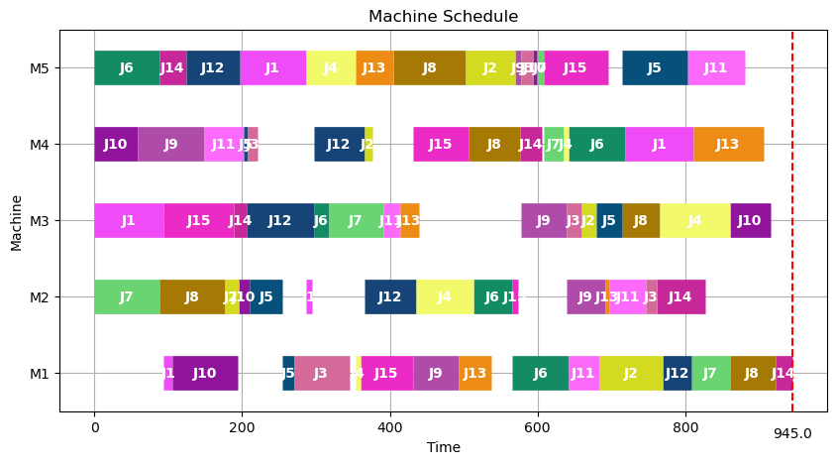
8 | 1082 | 0 | 3.5
9 | 1013 | 0 | 3.6
10 | 1048 | 0 | 3.54
11 | 1029 | 0 | 3.5
12 | 1075 | 0 | 3.59
13 | 1018 | 0 | 3.51
14 | 1033 | 0 | 3.62
15 | 1077 | 0 | 3.57
16 | 1041 | 1 | 3.5
17 | 1046 | 0 | 3.57
18 | 1058 | 0 | 3.54
19 | 1032 | 0 | 3.48
20 | 1033 | 0 | 3.59
21 | 1087 | 0 | 3.46
22 | 1038 | 0 | 3.45
23 | 1051 | 0 | 3.65
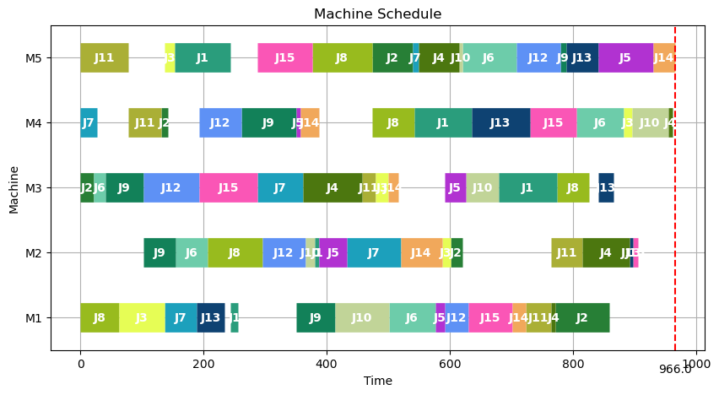
24 | 1076 | 0 | 3.58
25 | 1029 | 0 | 3.51
26 | 994 | 0 | 3.5
27 | 1051 | 0 | 3.55
28 | 1080 | 0 | 3.6
29 | 1034 | 0 | 3.54
30 | 1047 | 0 | 3.43
31 | 982 | 1 | 3.58
32 | 1074 | 0 | 3.56
33 | 1023 | 0 | 3.55
34 | 1052 | 0 | 3.57
35 | 1030 | 1 | 3.57
36 | 1005 | 0 | 3.54
37 | 1068 | 0 | 3.5
38 | 1084 | 0 | 3.59
39 | 1039 | 0 | 3.56
40 | 1059 | 0 | 3.56
41 | 1046 | 0 | 3.55
42 | 1071 | 1 | 3.57
43 | 1013 | 0 | 3.41
44 | 1053 | 0 | 3.49
45 | 1050 | 0 | 3.51
46 | 1023 | 0 | 3.54
47 | 1047 | 0 | 3.51
48 | 1034 | 0 | 3.57
49 | 1005 | 0 | 3.53
50 | 1062 | 0 | 3.47
51 | 1047 | 0 | 3.59
52 | 1028 | 0 | 3.41
53 | 1085 | 0 | 3.57
54 | 1026 | 0 | 3.52
55 | 1051 | 1 | 3.48
56 | 1038 | 0 | 3.49
57 | 1014 | 0 | 3.57
58 | 1028 | 1 | 3.52
59 | 1022 | 0 | 3.59
60 | 1043 | 0 | 3.56
61 | 1006 | 0 | 3.41
62 | 1061 | 0 | 3.54
63 | 1051 | 0 | 3.54
64 | 966 | 1 | 3.54
65 | 1032 | 0 | 3.48
66 | 1080 | 0 | 3.57
67 | 1059 | 0 | 3.58
68 | 1058 | 0 | 3.48
69 | 1078 | 0 | 3.57
70 | 1063 | 0 | 3.6
71 | 1028 | 0 | 3.55
72 | 1057 | 0 | 3.55
73 | 1076 | 1 | 3.5
74 | 1028 | 1 | 3.48
75 | 1037 | 0 | 3.57
76 | 1000 | 1 | 3.51
77 | 1064 | 0 | 3.58
78 | 1020 | 0 | 3.5
79 | 1054 | 0 | 3.51
80 | 1048 | 0 | 3.47
81 | 994 | 0 | 3.45
82 | 945 | 1 | 3.54
83 | 1060 | 0 | 3.54
84 | 1046 | 0 | 3.56
85 | 1103 | 0 | 3.47
86 | 1064 | 0 | 3.43
87 | 1022 | 0 | 3.46
88 | 1054 | 0 | 3.5
89 | 1084 | 0 | 3.57
90 | 1066 | 0 | 3.51
91 | 1085 | 0 | 3.43
92 | 1083 | 0 | 3.54
93 | 1050 | 0 | 3.56
94 | 997 | 0 | 3.45
95 | 1075 | 1 | 3.49
96 | 1074 | 0 | 3.55
97 | 1057 | 0 | 3.58
98 | 1016 | 0 | 3.59
99 | 1051 | 0 | 3.54
100 | 1096 | 0+C77 | 3.47

la09
No | Solution | Improve | Runtime
1 | 1089 | 0 | 3.57 | avg_solution | 1117.25
2 | 1098 | 1 | 3.53 | LB | 1054
3 | 1143 | 0 | 3.63 | UB | 1192
4 | 1105 | 0 | 3.43
5 | 1076 | 0 | 3.57 | avg_runtime | 3.5353
6 | 1165 | 0 | 3.53 | Improve_rate | 12%
7 | 1121 | 0 | 3.52
8 | 1093 | 0 | 3.59
9 | 1110 | 1 | 3.48
10 | 1093 | 0 | 3.52
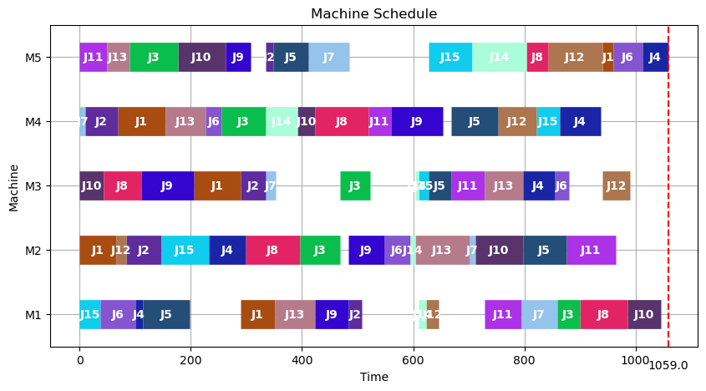
11 | 1108 | 0 | 3.48
12 | 1078 | 0 | 3.43
13 | 1090 | 0 | 3.54
14 | 1131 | 0 | 3.59
15 | 1112 | 0 | 3.48
16 | 1128 | 0 | 3.6
17 | 1090 | 0 | 3.57
18 | 1105 | 0 | 3.54
19 | 1138 | 0 | 3.6
20 | 1068 | 0 | 3.47
21 | 1129 | 0 | 3.59
22 | 1147 | 1 | 3.56
23 | 1116 | 0 | 3.59
24 | 1099 | 0 | 3.59
25 | 1104 | 0 | 3.53
26 | 1153 | 0 | 3.53
27 | 1123 | 0 | 3.56
28 | 1137 | 0 | 3.48
29 | 1072 | 0 | 3.54
30 | 1111 | 0 | 3.51
31 | 1126 | 0 | 3.52
32 | 1114 | 0 | 3.59
33 | 1096 | 0 | 3.57
34 | 1120 | 0 | 3.56
35 | 1127 | 0 | 3.52
36 | 1114 | 0 | 3.59
37 | 1106 | 0 | 3.48
38 | 1054 | 0 | 3.52
39 | 1083 | 0 | 3.52
40 | 1139 | 0 | 3.52
41 | 1119 | 0 | 3.59
42 | 1077 | 1 | 3.54
43 | 1133 | 0 | 3.52
44 | 1083 | 0 | 3.62
45 | 1192 | 0 | 3.64
46 | 1130 | 0 | 3.53
47 | 1121 | 0 | 3.58
48 | 1140 | 0 | 3.42
49 | 1116 | 0 | 3.49
50 | 1125 | 0 | 3.55
51 | 1122 | 0 | 3.52
52 | 1090 | 1 | 3.48
53 | 1068 | 1 | 3.62
54 | 1101 | 0 | 3.47
55 | 1132 | 0 | 3.57
56 | 1127 | 0 | 3.5
57 | 1120 | 0 | 3.52
58 | 1157 | 0 | 3.45
59 | 1120 | 0 | 3.52
60 | 1122 | 1 | 3.54
61 | 1144 | 0 | 3.56
62 | 1127 | 0 | 3.46
63 | 1157 | 0 | 3.58
64 | 1147 | 0 | 3.57
65 | 1141 | 0 | 3.56
66 | 1111 | 1 | 3.54
67 | 1135 | 0 | 3.57
68 | 1137 | 0 | 3.47
69 | 1140 | 0 | 3.44
70 | 1137 | 0 | 3.6
71 | 1153 | 0 | 3.56
72 | 1105 | 1 | 3.47
73 | 1131 | 0 | 3.45
74 | 1133 | 0 | 3.54
75 | 1132 | 0 | 3.51
76 | 1132 | 0 | 3.52
77 | 1110 | 1 | 3.63
78 | 1081 | 0 | 3.54
79 | 1101 | 0 | 3.52
80 | 1104 | 0 | 3.57
81 | 1124 | 0 | 3.46
82 | 1109 | 0 | 3.55
83 | 1126 | 0 | 3.56
84 | 1155 | 0 | 3.57
85 | 1120 | 0 | 3.55
86 | 1103 | 0 | 3.47
87 | 1105 | 0 | 3.62
88 | 1144 | 0 | 3.47
89 | 1085 | 1 | 3.53
90 | 1146 | 0 | 3.53
91 | 1125 | 0 | 3.57
92 | 1095 | 0 | 3.5
93 | 1127 | 0 | 3.53
94 | 1094 | 0 | 3.5
95 | 1142 | 0 | 3.54
96 | 1136 | 0 | 3.62
97 | 1059 | 1 | 3.54
98 | 1129 | 0 | 3.52
99 | 1123 | 0 | 3.47
100 | 1114 | 0 | 3.56

la10
No | Solution | Improve | Runtime
1 | 1039 | 0 | 3.57 | avg_solution | 1055.32
2 | 1089 | 0 | 3.54 | LB | 989
3 | 1060 | 0 | 3.51 | UB | 1149
4 | 1037 | 1 | 3.6
5 | 1063 | 0 | 3.5 | avg_runtime | 3.5422
6 | 1089 | 0 | 3.54 | Improve_rate | 15%
7 | 1047 | 0 | 3.54
8 | 1075 | 0 | 3.47
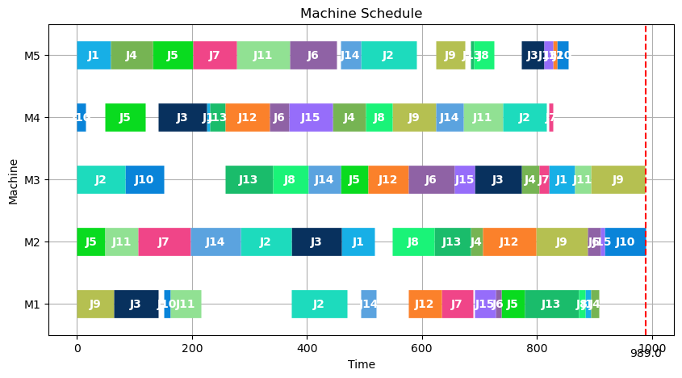
9 | 1088 | 0 | 3.6
10 | 1014 | 1 | 3.5
11 | 1063 | 0 | 3.53
12 | 1068 | 0 | 3.52
13 | 1063 | 0 | 3.48
14 | 1047 | 0 | 3.48
15 | 1052 | 0 | 3.53
16 | 1067 | 0 | 3.47
17 | 1065 | 0 | 3.58
18 | 1024 | 1 | 3.57
19 | 1051 | 0 | 3.63
20 | 1052 | 0 | 3.58
21 | 1149 | 0 | 3.58
22 | 1093 | 0 | 3.48
23 | 1061 | 0 | 3.52
24 | 1083 | 0 | 3.59
25 | 1071 | 0 | 3.53
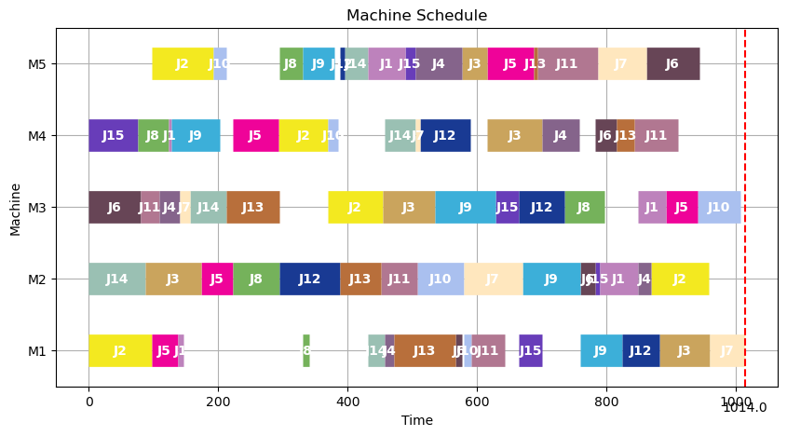
26 | 1076 | 0 | 3.5
27 | 1051 | 1 | 3.59
28 | 1068 | 0 | 3.56
29 | 1066 | 0 | 3.59
30 | 1092 | 0 | 3.53
31 | 1026 | 0 | 3.48
32 | 1026 | 0 | 3.51
33 | 1076 | 0 | 3.58
34 | 996 | 0 | 3.58
35 | 1044 | 0 | 3.54
36 | 1063 | 1 | 3.51
37 | 1102 | 0 | 3.53
38 | 1055 | 0 | 3.51
39 | 1083 | 0 | 3.52
40 | 1016 | 0 | 3.52
41 | 1076 | 0 | 3.58
42 | 1044 | 0 | 3.58
43 | 1085 | 0 | 3.6
44 | 1080 | 0 | 3.56
45 | 1049 | 0 | 3.51
46 | 1051 | 0 | 3.49
47 | 1070 | 0 | 3.52
48 | 1047 | 0 | 3.56
49 | 1052 | 0 | 3.55
50 | 1051 | 0 | 3.59
51 | 1015 | 1 | 3.48
52 | 1064 | 0 | 3.58
53 | 1086 | 1 | 3.54
54 | 1007 | 1 | 3.46
55 | 1030 | 0 | 3.48
56 | 1013 | 0 | 3.51
57 | 1035 | 1 | 3.51
58 | 989 | 1 | 3.6
59 | 1022 | 0 | 3.56
60 | 1053 | 0 | 3.49
61 | 1035 | 0 | 3.58
62 | 1073 | 0 | 3.52
63 | 1086 | 0 | 3.59
64 | 1048 | 0 | 3.53
65 | 1061 | 0 | 3.53
66 | 1010 | 0 | 3.46
67 | 1032 | 0 | 3.58
68 | 1043 | 0 | 3.59
69 | 1050 | 1 | 3.58
70 | 1070 | 0 | 3.52
71 | 1059 | 0 | 3.48
72 | 1067 | 0 | 3.51
73 | 1039 | 0 | 3.56
74 | 1019 | 0 | 3.58
75 | 1047 | 0 | 3.54
76 | 1079 | 0 | 3.52
77 | 1009 | 0 | 3.56
78 | 1071 | 0 | 3.52
79 | 1059 | 1 | 3.57
80 | 1071 | 0 | 3.56
81 | 1068 | 0 | 3.6
82 | 1051 | 0 | 3.59
83 | 1072 | 0 | 3.54
84 | 1046 | 0 | 3.58
85 | 1050 | 0 | 3.53
86 | 1095 | 0 | 3.56
87 | 1050 | 1 | 3.64
88 | 1054 | 0 | 3.55
89 | 1065 | 0 | 3.6
90 | 1028 | 0 | 3.51
91 | 1074 | 0 | 3.54
92 | 1097 | 0 | 3.58
93 | 1028 | 1 | 3.58
94 | 1059 | 0 | 3.56
95 | 1036 | 0 | 3.53
96 | 1028 | 0 | 3.48
97 | 1072 | 0 | 3.5
98 | 1055 | 1 | 3.58
99 | 1056 | 0 | 3.54
100 | 1051 | 0 | 3.51

la11
No | Solution | Improve | Runtime
1 | 1461 | 0 | 7.07 | avg_solution | 1423.00
2 | 1446 | 0 | 7.09 | LB | 1310
3 | 1430 | 0 | 6.96 | UB | 1493
4 | 1445 | 0 | 7.17
5 | 1367 | 0 | 6.98 | avg_runtime | 7.0473737374
6 | 1409 | 0 | 6.92 | Improve_rate | 19%
7 | 1403 | 1 | 7.28
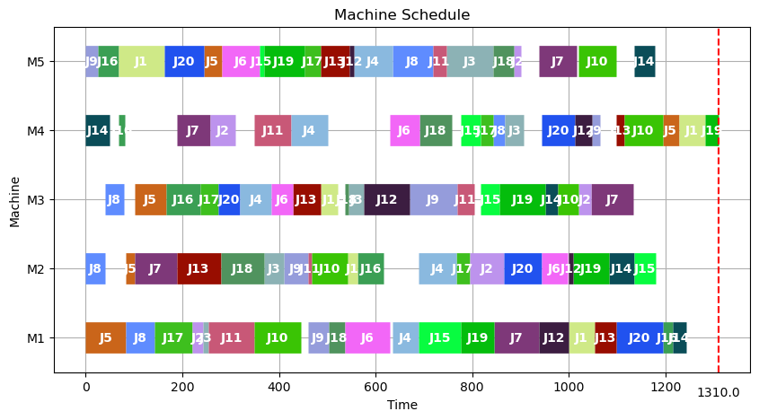
8 | 1472 | 1 | 7.02
9 | 1387 | 1 | 7.29
10 | 1452 | 0 | 7.03
11 | 1446 | 1 | 7.33
12 | 1388 | 0 | 6.94
13 | 1417 | 1 | 6.99
14 | 1457 | 0 | 7.02
15 | 1422 | 0 | 7.29
16 | 1451 | 0 | 7.02
17 | 1424 | 0 | 6.97
18 | 1435 | 0 | 7.11
19 | 1430 | 0 | 6.96
20 | 1384 | 1 | 6.62
21 | 1426 | 0 | 7.04
22 | 1412 | 0 | 6.98
23 | 1407 | 0 | 6.96
24 | 1401 | 0 | 6.94
25 | 1433 | 1 | 7.02
26 | 1414 | 0 | 7.34
27 | 1421 | 0 | 6.93
28 | 1449 | 0 | 7.35
29 | 1454 | 0 | 6.95
30 | 1387 | 0 | 6.97
31 | 1406 | 0 | 6.94
32 | 1310 | 1 | 6.98
33 | 1392 | 0 | 7.03
34 | 1400 | 0 | 7.04
35 | 1396 | 1 | 7.07
36 | 1447 | 0 | 6.97
37 | 1415 | 0 | 6.97
38 | 1400 | 0 | 7.27
39 | 1440 | 0 | 6.95
40 | 1386 | 1 | 6.97
41 | 1385 | 0 | 7.04
42 | 1393 | 1 | 7.65
43 | 1458 | 0 | 7.21
44 | 1464 | 0 | 7.08
45 | 1431 | 0 | 7.07
46 | 1448 | 0 | 7.04
47 | 1419 | 0 | 7.06
48 | 1323 | 1 | 6.85
49 | 1422 | 0 | 7.06
50 | 1411 | 0 | 6.91
51 | 1468 | 0 | 7.01
52 | 1455 | 0 | 7.01
53 | 1482 | 0 | 6.77
54 | 1461 | 0 | 7.07
55 | 1435 | 0 | 6.83
56 | 1342 | 0 | 7.08
57 | 1440 | 1 | 6.95
58 | 1447 | 0 | 6.87
59 | 1479 | 0 | 7.06
60 | 1433 | 0 | 7.05
61 | 1431 | 0 | 6.82
62 | 1439 | 0 | 7.07
63 | 1432 | 0 | 7.23
64 | 1402 | 0 | 6.88
65 | 1400 | 0 | 7.12
66 | 1413 | 0 | 6.83
67 | 1414 | 0 | 7.07
68 | 1451 | 0 | 6.85
69 | 1471 | 0 | 7.1
70 | 1327 | 1 | 7.24
71 | 1451 | 0 | 6.8
72 | 1455 | 1 | 7.25
73 | 1357 | 0 | 6.85
74 | 1419 | 0 | 7.09
75 | 1414 | 0 | 6.86
76 | 1428 | 0 | 7.19
77 | 1413 | 0 | 7.09
78 | 1422 | 0 | 6.95
79 | 1440 | 0 | 7.24
80 | 1460 | 0 | 6.91
81 | 1427 | 0 | 7.21
82 | 1455 | 0 | 6.95
83 | 1413 | 0 | 7.19
84 | 1417 | 1 | 7.21
85 | 1402 | 0 | 7.01
86 | 1425 | 1 | 7.35
87 | 1455 | 0 | 6.98
88 | 1454 | 0 | 7.4
89 | 1395 | 0 | 6.96
90 | 1393 | 1 | 7.21
91 | 1493 | 0 | 7
92 | 1404 | 0 | 7.07
93 | 1397 | 0 | 7.02
94 | 1377 | 0 | 7.39
95 | 1446 | 0 | 6.96
96 | 1472 | 0 | 7.04
97 | 1429 | 0 | 6.88
98 | 1400 | 0 | 7.27+E77
99 | 1434 | 1 | 6.85
100 | 1455 | 0 | 7.17

la12
No | Solution | Improve | Runtime
1 | 1241 | 0 | 7.34 | avg_solution | 1232.20
2 | 1238 | 0 | 7.54 | LB | 1162
3 | 1257 | 0 | 7.11 | UB | 1286
4 | 1230 | 1 | 7.07
5 | 1239 | 0 | 7.39 | avg_runtime | 7.0844
6 | 1245 | 1 | 7.12 | Improve_rate | 22%
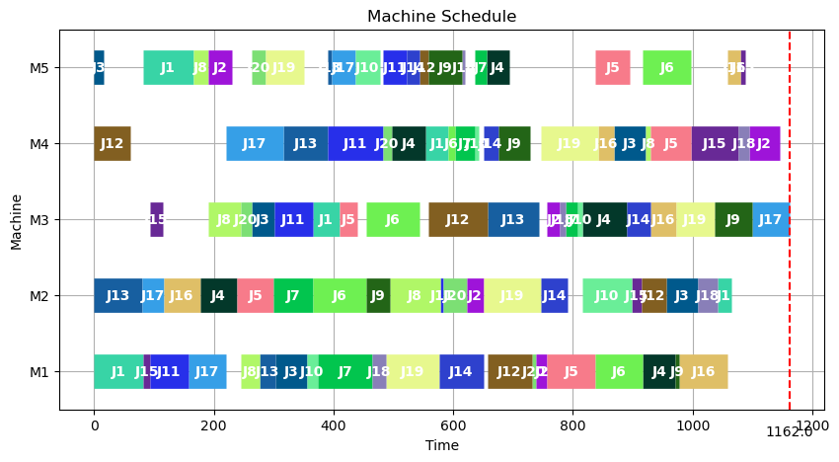
7 | 1236 | 0 | 7.1
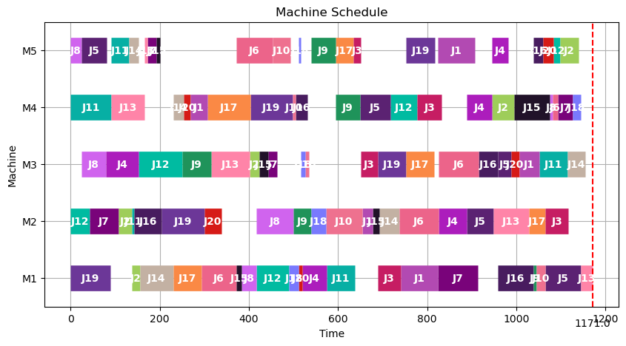
8 | 1241 | 0 | 7.34
9 | 1237 | 0 | 7.51
10 | 1240 | 0 | 7.05
11 | 1266 | 1 | 7.16
12 | 1245 | 1 | 7.13
13 | 1217 | 0 | 7.09
14 | 1201 | 0 | 6.92
15 | 1222 | 0 | 7.1
16 | 1229 | 0 | 7.05
17 | 1193 | 1 | 6.92
18 | 1208 | 0 | 6.95
19 | 1247 | 0 | 7.09
20 | 1242 | 0 | 7.13
21 | 1232 | 0 | 7.35
22 | 1250 | 0 | 7.18
23 | 1173 | 1 | 7.17
24 | 1173 | 1 | 7.18
25 | 1217 | 0 | 7.08
26 | 1277 | 0 | 7.14
27 | 1285 | 0 | 7.17
28 | 1251 | 1 | 7.12
29 | 1217 | 0 | 6.99
30 | 1201 | 0 | 7.02
31 | 1222 | 0 | 7.05
32 | 1229 | 0 | 6.95
33 | 1193 | 1 | 7.02
34 | 1208 | 0 | 7.12
35 | 1247 | 0 | 6.97
36 | 1242 | 0 | 6.94
37 | 1232 | 0 | 7.04
38 | 1250 | 0 | 7.13
39 | 1173 | 1 | 6.92
40 | 1217 | 0 | 7.16
41 | 1277 | 0 | 6.94
42 | 1285 | 0 | 6.89
43 | 1251 | 1 | 7.12
44 | 1240 | 0 | 7.12
45 | 1171 | 1 | 6.91
46 | 1248 | 0 | 7.31
47 | 1193 | 0 | 7.15
48 | 1216 | 0 | 7.1
49 | 1218 | 0 | 7.08
50 | 1266 | 0 | 7.01
51 | 1230 | 0 | 7.22
52 | 1242 | 0 | 6.98
53 | 1209 | 0 | 7.19
54 | 1229 | 0 | 7.12
55 | 1254 | 0 | 6.92
56 | 1238 | 0 | 7.03
57 | 1246 | 0 | 7.01
58 | 1232 | 0 | 6.95
59 | 1248 | 0 | 7.14
60 | 1244 | 0 | 6.96
61 | 1277 | 1 | 7.07
62 | 1170 | 1 | 7.01
63 | 1246 | 0 | 7.13
64 | 1272 | 0 | 6.98
65 | 1245 | 0 | 7.15
66 | 1207 | 0 | 6.94
67 | 1230 | 0 | 7.13
68 | 1258 | 0 | 7.04
69 | 1242 | 1 | 6.93
70 | 1225 | 0 | 6.99
71 | 1237 | 0 | 7.14
72 | 1239 | 0 | 6.94
73 | 1258 | 0 | 7.17
74 | 1173 | 0 | 7.12
75 | 1207 | 0 | 6.87
76 | 1247 | 0 | 6.94
77 | 1241 | 0 | 7.04
78 | 1188 | 1 | 7.03
79 | 1211 | 0 | 7.14
80 | 1227 | 1 | 7.06
81 | 1235 | 0 | 7.12
82 | 1242 | 0 | 7.21
83 | 1196 | 1 | 7.16
84 | 1211 | 1 | 7.14
85 | 1245 | 0 | 7.04
86 | 1226 | 0 | 7.01
87 | 1249 | 0 | 7.17
88 | 1275 | 0 | 6.98
89 | 1234 | 1 | 7.03
90 | 1245 | 0 | 7.02
91 | 1286 | 0 | 7.07
92 | 1162 | 1 | 7.03
93 | 1191 | 0 | 7.05
94 | 1285 | 0 | 7.16
95 | 1250 | 0 | 7.1
96 | 1243 | 0 | 7.02
97 | 1190 | 1 | 7.08
98 | 1247 | 0 | 7.04
99 | 1240 | 0 | 6.98
100 | 1268 | 0 | 7.25

la13
No | Solution | Improve | Runtime
1 | 1348 | 0 | 7.15 | avg_solution | 1355.97
2 | 1330 | 1 | 6.96 | LB | 1271
3 | 1416 | 0 | 7.01 | UB | 1433
4 | 1426 | 0 | 6.98
5 | 1387 | 0 | 6.94 | avg_runtime | 6.9757
6 | 1330 | 1 | 7.01 | Improve_rate | 23%
7 | 1416 | 1 | 6.89
8 | 1377 | 0 | 7
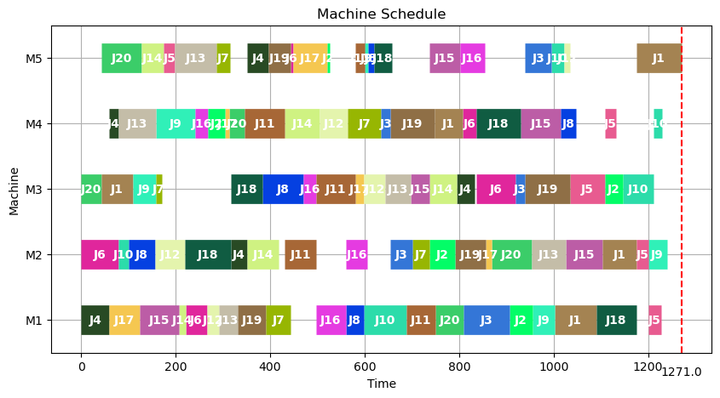
9 | 1405 | 0 | 6.9
10 | 1433 | 0 | 7.04
11 | 1364 | 0 | 6.94
12 | 1390 | 1 | 7
13 | 1344 | 0 | 7.05
14 | 1367 | 0 | 6.94
15 | 1359 | 1 | 6.94
16 | 1344 | 0 | 6.89
17 | 1414 | 0 | 6.94
18 | 1388 | 0 | 6.93
19 | 1389 | 0 | 6.99
20 | 1312 | 1 | 6.96
21 | 1400 | 0 | 7.04
22 | 1363 | 0 | 6.95
23 | 1408 | 0 | 7.01
24 | 1379 | 0 | 6.99
25 | 1291 | 0 | 6.91
26 | 1372 | 0 | 6.93
27 | 1352 | 1 | 6.95
28 | 1292 | 0 | 6.93
29 | 1382 | 0 | 6.87
30 | 1376 | 0 | 6.91
31 | 1374 | 0 | 6.93
32 | 1373 | 0 | 6.9
33 | 1394 | 0 | 6.91
34 | 1347 | 1 | 6.92
35 | 1368 | 0 | 6.93
36 | 1341 | 1 | 6.91
37 | 1352 | 0 | 6.92
38 | 1322 | 1 | 6.92
39 | 1347 | 0 | 6.9
40 | 1334 | 0 | 6.91
41 | 1349 | 0 | 6.95
42 | 1314 | 0 | 6.92
43 | 1358 | 0 | 6.91
44 | 1360 | 0 | 6.93
45 | 1351 | 0 | 6.9
46 | 1421 | 0 | 7.01
47 | 1332 | 1 | 6.92
48 | 1354 | 0 | 7.02
49 | 1299 | 0 | 7.06
50 | 1343 | 1 | 7.04
51 | 1316 | 0 | 7.04
52 | 1393 | 0 | 6.92
53 | 1319 | 0 | 7
54 | 1343 | 0 | 6.98
55 | 1307 | 0 | 7.03
56 | 1377 | 0 | 7.04
57 | 1355 | 1 | 7.08
58 | 1351 | 0 | 7.04
59 | 1389 | 0 | 7.02
60 | 1329 | 0 | 6.97
61 | 1316 | 0 | 6.98
62 | 1390 | 0 | 6.92
63 | 1383 | 1 | 7.07
64 | 1337 | 0 | 6.99
65 | 1371 | 1 | 6.93
66 | 1291 | 0 | 7.08
67 | 1346 | 0 | 6.95
68 | 1358 | 0 | 6.91
69 | 1353 | 0 | 6.92
70 | 1363 | 1 | 6.92
71 | 1384 | 0 | 6.94
72 | 1381 | 0 | 6.92
73 | 1384 | 0 | 6.93
74 | 1384 | 0 | 6.91
75 | 1364 | 0 | 6.93
76 | 1351 | 0 | 7.01
77 | 1404 | 1 | 6.92
78 | 1366 | 0 | 7.01
79 | 1338 | 0 | 7.14
80 | 1340 | 0 | 7.12
81 | 1376 | 0 | 7.03
82 | 1317 | 0 | 7.07
83 | 1350 | 0 | 6.91
84 | 1334 | 0 | 6.92
85 | 1330 | 1 | 6.91
86 | 1362 | 0 | 6.97
87 | 1295 | 0 | 6.93
88 | 1295 | 0 | 6.95
89 | 1312 | 1 | 6.94
90 | 1369 | 0 | 7.04
91 | 1313 | 0 | 7.05
92 | 1349 | 1 | 7.08
93 | 1339 | 1 | 7.12
94 | 1353 | 0 | 7.09
95 | 1316 | 0 | 7.06
96 | 1369 | 0 | 7.03
97 | 1407 | 0 | 7.16
98 | 1291 | 1 | 7.03
99 | 1379 | 0 | 6.98
100 | 1271 | 1 | 6.92

la14
No | Solution | Improve | Runtime
1 | 1392 | 1 | 7.04 | avg_solution | 1395.91 | 1418.19
2 | 1369 | 0 | 7.08 | LB | 1304 | 1304
3 | 1406 | 1 | 7.03 | UB | 1458 | 1497
4 | 1404 | 0 | 7.01
5 | 1377 | 0 | 7.05 | avg_runtime | 7.0294 | 6.11975
6 | 1394 | 0 | 7.07 | Improve_rate | 20% | 8%
7 | 1353 | 1 | 7.09
8 | 1332 | 1 | 7.08
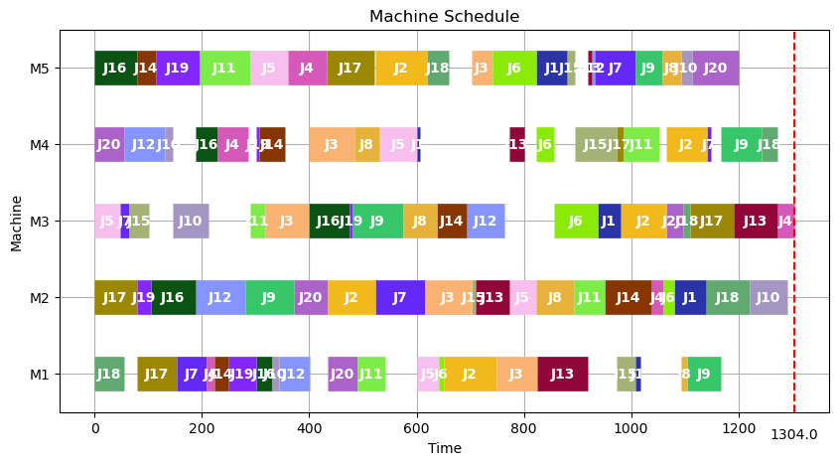
9 | 1421 | 0 | 7.02
10 | 1419 | 0 | 6.99
11 | 1413 | 1 | 7.06
12 | 1422 | 0 | 6.92
13 | 1384 | 0 | 7.04
14 | 1389 | 0 | 7.02
15 | 1387 | 0 | 6.98
16 | 1369 | 0 | 7.04
17 | 1339 | 1 | 6.92
18 | 1433 | 0 | 7.07
19 | 1416 | 0 | 7
20 | 1421 | 0 | 7.03
21 | 1422 | 0 | 7.06
22 | 1353 | 1 | 6.95
23 | 1431 | 0 | 6.97
24 | 1425 | 0 | 7.09
25 | 1440 | 0 | 6.93
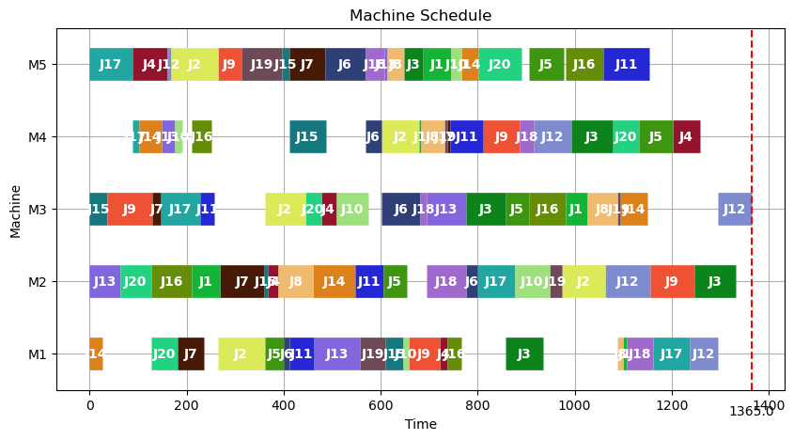
26 | 1402 | 0 | 7.04
27 | 1417 | 0 | 7.03
28 | 1403 | 0 | 6.95
29 | 1385 | 0 | 7.01
30 | 1350 | 1 | 7.12
31 | 1396 | 1 | 7.06
32 | 1397 | 0 | 7.04
33 | 1406 | 0 | 7.03
34 | 1353 | 0 | 6.96
35 | 1363 | 0 | 7.03
36 | 1356 | 1 | 7.03
37 | 1436 | 0 | 6.92
38 | 1388 | 0 | 7.08
39 | 1397 | 0 | 7.02
40 | 1418 | 0 | 6.98
41 | 1328 | 0 | 6.96
42 | 1406 | 0 | 6.91
43 | 1377 | 0 | 7.01
44 | 1383 | 0 | 7.04
45 | 1405 | 0 | 6.89
46 | 1399 | 1 | 6.93
47 | 1419 | 1 | 7.03
48 | 1422 | 0 | 7.04
49 | 1364 | 0 | 7.03
50 | 1429 | 0 | 6.98
51 | 1409 | 1 | 7.04
52 | 1418 | 0 | 7.06
53 | 1371 | 0 | 6.95
54 | 1391 | 0 | 7.05
55 | 1431 | 0 | 7.03
56 | 1418 | 0 | 6.97
57 | 1387 | 1 | 7.04
58 | 1419 | 0 | 7.02
59 | 1373 | 0 | 7.08
60 | 1449 | 0 | 7.07
61 | 1383 | 0 | 7.1
62 | 1368 | 0 | 7.15
63 | 1442 | 0 | 7.03
64 | 1401 | 0 | 7.03
65 | 1359 | 0 | 7.05
66 | 1405 | 0 | 7.09
67 | 1400 | 0 | 7.03
68 | 1370 | 0 | 7.13
69 | 1412 | 0 | 6.96
70 | 1405 | 0 | 7.07
71 | 1396 | 0 | 7.43
72 | 1426 | 0 | 7.03
73 | 1386 | 1 | 6.98
74 | 1436 | 0 | 7.04
75 | 1403 | 0 | 7.09
76 | 1402 | 0 | 7.02
77 | 1391 | 1 | 6.97
78 | 1389 | 0 | 7.02
79 | 1365 | 1 | 6.93
80 | 1406 | 0 | 7.04
81 | 1405 | 0 | 7.06
82 | 1376 | 0 | 7.03
83 | 1358 | 0 | 7.02
84 | 1414 | 0 | 7.03
85 | 1401 | 0 | 7.06
86 | 1434 | 0 | 7.03
87 | 1383 | 0 | 7.05
88 | 1304 | 1 | 7.08
89 | 1410 | 0 | 7.08
90 | 1390 | 0 | 7.02
91 | 1417 | 0 | 7.01
92 | 1338 | 0 | 7.03
93 | 1405 | 0 | 7.02
94 | 1380 | 1 | 7.09
95 | 1416 | 0 | 7.03
96 | 1365 | 0 | 7.05
97 | 1411 | 1 | 7.02
98 | 1395 | 0 | 7.07
99 | 1410 | 0 | 6.97
100 | 1458 | 0 | 7.03

la15
No | Solution | Improve | Runtime
1 | 1505 | 0 | 7.03 | avg_solution | 1504.92
2 | 1553 | 0 | 7.04 | LB | 1335
3 | 1467 | 1 | 7.02 | UB | 1605
4 | 1525 | 0 | 7.07
5 | 1484 | 0 | 7.04 | avg_runtime | 7.0309
6 | 1452 | 0 | 6.97 | Improve_rate | 30%
7 | 1458 | 0 | 6.99
8 | 1536 | 1 | 7.03
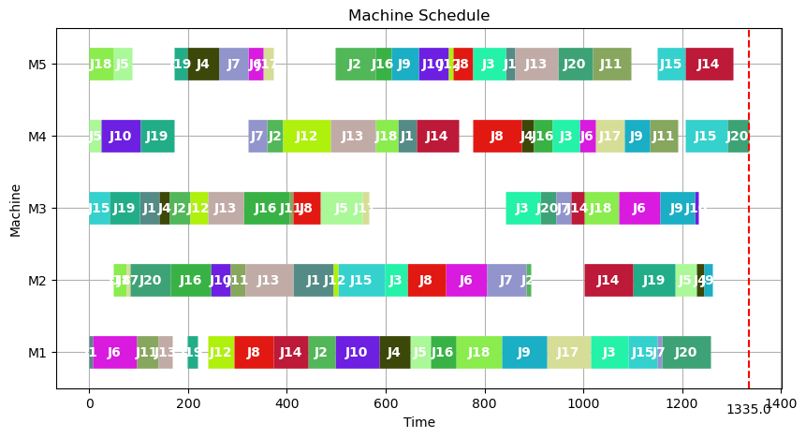
9 | 1531 | 0 | 6.94
10 | 1526 | 1 | 7.04
11 | 1568 | 0 | 7.02
12 | 1526 | 1 | 7.1
13 | 1540 | 0 | 7.04
14 | 1511 | 0 | 7.03
15 | 1555 | 0 | 7.12
16 | 1395 | 1 | 7.04
17 | 1492 | 1 | 7.05
18 | 1510 | 0 | 7.08
19 | 1522 | 0 | 6.97
20 | 1507 | 0 | 6.95
21 | 1504 | 0 | 7.08
22 | 1537 | 0 | 7.01
23 | 1502 | 0 | 7.03
24 | 1520 | 0 | 7.14
25 | 1513 | 0 | 7.05
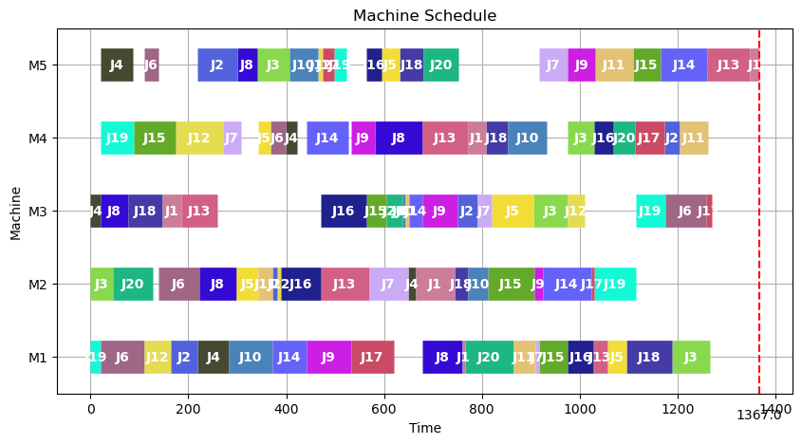
26 | 1510 | 0 | 6.97
27 | 1525 | 0 | 7.02
28 | 1477 | 1 | 7.03
29 | 1405 | 1 | 6.94
30 | 1473 | 1 | 6.98
31 | 1415 | 1 | 7.03
32 | 1540 | 0 | 7.04
33 | 1464 | 1 | 6.93
34 | 1520 | 0 | 7.06
35 | 1537 | 1 | 7.02
36 | 1575 | 0 | 6.96
37 | 1497 | 1 | 6.92
38 | 1507 | 0 | 7.04
39 | 1537 | 0 | 7.03
40 | 1548 | 0 | 7.12
41 | 1527 | 0 | 7.12
42 | 1367 | 1 | 7.07
43 | 1533 | 0 | 6.97
44 | 1585 | 0 | 7.02
45 | 1481 | 1 | 7.03
46 | 1560 | 0 | 7.02
47 | 1605 | 0 | 7.03
48 | 1494 | 1 | 6.97
49 | 1517 | 0 | 7.14
50 | 1440 | 1 | 6.94
51 | 1530 | 0 | 7.04
52 | 1521 | 0 | 7.04
53 | 1531 | 0 | 7.02
54 | 1494 | 0 | 7.02
55 | 1516 | 1 | 7.03
56 | 1522 | 0 | 7.03
57 | 1542 | 0 | 7.13
58 | 1553 | 0 | 6.97
59 | 1524 | 0 | 6.98
60 | 1449 | 0 | 7.01
61 | 1532 | 0 | 7.03
62 | 1490 | 1 | 7.14
63 | 1483 | 1 | 7.07
64 | 1531 | 0 | 7.02
65 | 1498 | 0 | 7.01
66 | 1440 | 1 | 7.06
67 | 1545 | 0 | 7.03
68 | 1401 | 1 | 7.05
69 | 1482 | 0 | 7.06
70 | 1404 | 1 | 7.02
71 | 1407 | 1 | 6.94
72 | 1510 | 0 | 7.04
73 | 1335 | 1 | 7.08
74 | 1468 | 1 | 7.16
75 | 1431 | 1 | 7.02
76 | 1502 | 0 | 7.04
77 | 1457 | 1 | 7.03
78 | 1438 | 1 | 7.04
79 | 1514 | 0 | 7.02
80 | 1526 | 0 | 7.12
81 | 1536 | 0 | 7.05
82 | 1506 | 0 | 6.98
83 | 1553 | 0 | 7.01
84 | 1603 | 0 | 7.03
85 | 1527 | 0 | 6.98
86 | 1534 | 0 | 7.06
87 | 1486 | 0 | 7.04
88 | 1514 | 0 | 7.02
89 | 1510 | 0 | 7.02
90 | 1511 | 0 | 7.07
91 | 1504 | 0 | 7.06
92 | 1536 | 0 | 7.01
93 | 1523 | 0 | 7.03
94 | 1561 | 0 | 7.14
95 | 1560 | 0 | 7.12
96 | 1492 | 1 | 6.95
97 | 1504 | 0 | 6.98
98 | 1532 | 0 | 7.04
99 | 1509 | 0 | 6.94
100 | 1537 | 0 | 7.03

ft06
No | Solution | Improve | Runtime
1 | 62 | 0 | 1.02 | avg_solution | 61.28 | 63.33
2 | 65 | 0 | 1.01 | LB | 57 | 58
3 | 61 | 0 | 0.94 | UB | 65 | 68
4 | 63 | 0 | 0.92
5 | 62 | 0 | 0.96 | avg_runtime | 0.9912 | 0.5609
6 | 63 | 0 | 1.05 | Improve_rate | 10% | 4%
7 | 60 | 0 | 0.94
8 | 60 | 0 | 1.02
9 | 61 | 0 | 0.97
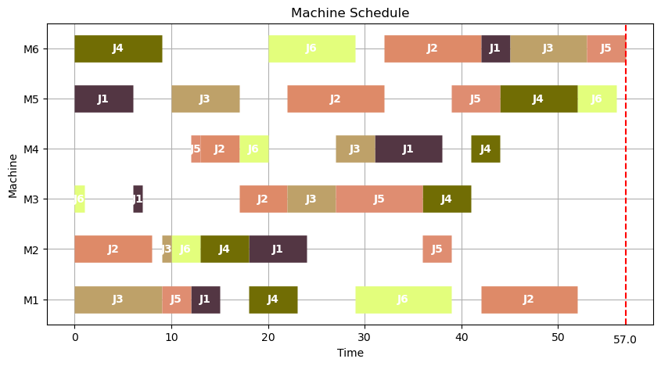
10 | 63 | 0 | 0.96
11 | 59 | 0 | 1.01
12 | 65 | 0 | 1.02
13 | 59 | 0 | 1.01
14 | 61 | 0 | 1.03
15 | 61 | 0 | 1.03
16 | 62 | 0 | 1.04
17 | 59 | 0 | 1.05
18 | 62 | 0 | 1.06
19 | 62 | 0 | 0.97
20 | 59 | 1 | 0.92
21 | 60 | 0 | 1.01
22 | 61 | 0 | 0.99
23 | 64 | 0 | 0.96
24 | 58 | 1 | 1.03
25 | 62 | 0 | 1.01
26 | 65 | 0 | 0.98
27 | 62 | 0 | 0.93
28 | 59 | 0 | 0.94
29 | 62 | 0 | 1.03
30 | 60 | 0 | 1.02
31 | 61 | 0 | 0.96
32 | 58 | 0 | 0.98
33 | 62 | 0 | 0.98
34 | 62 | 0 | 0.96
35 | 59 | 0 | 1.01
36 | 60 | 0 | 1.02
37 | 64 | 0 | 1.04
38 | 61 | 1 | 0.97
39 | 61 | 0 | 0.99
40 | 61 | 0 | 1.01
41 | 62 | 0 | 1.03
42 | 60 | 0 | 1.02
43 | 63 | 0 | 1.04
44 | 62 | 0 | 0.99
45 | 61 | 0 | 0.96
46 | 62 | 0 | 0.96
47 | 65 | 0 | 0.89
48 | 61 | 0 | 0.97
49 | 63 | 0 | 0.92
50 | 61 | 0 | 1.02
51 | 61 | 0 | 0.95
52 | 62 | 0 | 1.01
53 | 64 | 0 | 1.02
54 | 63 | 0 | 1.02
55 | 62 | 0 | 0.98
56 | 58 | 1 | 0.99
57 | 62 | 0 | 1.01
58 | 60 | 0 | 1.02
59 | 58 | 1 | 1.03
60 | 61 | 0 | 0.95
61 | 63 | 0 | 0.92
62 | 62 | 0 | 1.02
63 | 61 | 0 | 0.98
64 | 62 | 0 | 0.98
65 | 62 | 0 | 1.02
66 | 61 | 0 | 0.95
67 | 61 | 0 | 0.94
68 | 61 | 1 | 0.99
69 | 57 | 1 | 1.02
70 | 61 | 0 | 1
71 | 61 | 0 | 1.02
72 | 62 | 0 | 0.98
73 | 61 | 0 | 1.01
74 | 61 | 0 | 1.03
75 | 59 | 1 | 0.95
76 | 60 | 0 | 0.94
77 | 58 | 1 | 1.01
78 | 62 | 0 | 0.95
79 | 59 | 1 | 0.97
80 | 63 | 0 | 0.96
81 | 61 | 0 | 1.01
82 | 61 | 0 | 1.03
83 | 61 | 0 | 1.05
84 | 61 | 0 | 0.99
85 | 62 | 0 | 1
86 | 63 | 0 | 1.01
87 | 59 | 0 | 0.94
88 | 64 | 0 | 0.97
89 | 61 | 0 | 0.97
90 | 59 | 0 | 0.98
91 | 62 | 0 | 0.97
92 | 61 | 0 | 1.01
93 | 60 | 0 | 1.04
94 | 63 | 0 | 1.03
95 | 61 | 0 | 0.99
96 | 62 | 0 | 1.01
97 | 64 | 0 | 0.95
98 | 59 | 0 | 1.04
99 | 62 | 0 | 0.98
100 | 63 | 0 | 0.98

ft10
No | Solution | Improve | Runtime
1 | 1400 | 0 | 7.62 | avg_solution | 1343.99 | 1379
2 | 1406 | 0 | 7.52 | LB | 1159 | 1239
3 | 1252 | 1 | 7.49 | UB | 1445 | 1477
4 | 1340 | 0 | 7.67
5 | 1387 | 0 | 7.58 | avg_runtime | 7.6112 | 6.61
6 | 1412 | 0 | 7.54 | Improve_rate | 30% | 8%
7 | 1350 | 0 | 7.65
8 | 1335 | 1 | 7.58
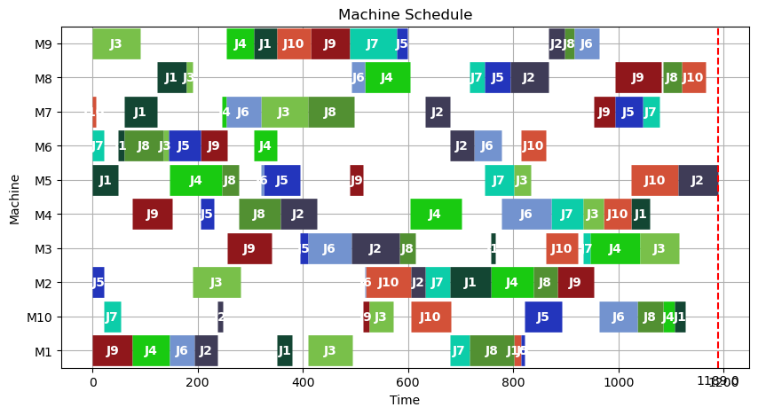
9 | 1405 | 0 | 7.6
10 | 1411 | 0 | 7.66
11 | 1304 | 0 | 7.59
12 | 1410 | 0 | 7.54
13 | 1325 | 0 | 7.66
14 | 1298 | 1 | 7.57
15 | 1189 | 1 | 7.65
16 | 1298 | 1 | 7.47
17 | 1344 | 0 | 7.56
18 | 1394 | 0 | 7.58
19 | 1232 | 1 | 7.56
20 | 1353 | 0 | 7.65
21 | 1391 | 0 | 7.56
22 | 1364 | 0 | 7.58
23 | 1282 | 1 | 7.64
24 | 1369 | 0 | 7.67
25 | 1433 | 0 | 7.75
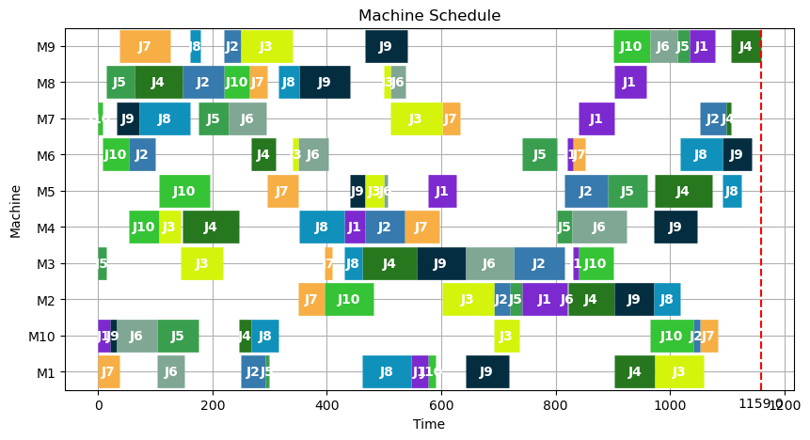
26 | 1395 | 0 | 7.69
27 | 1373 | 0 | 7.68
28 | 1217 | 1 | 7.59
29 | 1335 | 0 | 7.58
30 | 1412 | 0 | 7.67
31 | 1264 | 0 | 7.55
32 | 1359 | 0 | 7.53
33 | 1393 | 0 | 7.58
34 | 1414 | 0 | 7.55
35 | 1398 | 0 | 7.54
36 | 1342 | 0 | 7.58
37 | 1393 | 0 | 7.51
38 | 1191 | 1 | 7.56
39 | 1424 | 0 | 7.63
40 | 1336 | 0 | 7.62
41 | 1257 | 1 | 7.51
42 | 1425 | 0 | 7.56
43 | 1393 | 0 | 7.54
44 | 1371 | 0 | 7.61
45 | 1262 | 0 | 7.52
46 | 1257 | 1 | 7.53
47 | 1311 | 0 | 7.59
48 | 1300 | 0 | 7.58
49 | 1382 | 0 | 7.61
50 | 1395 | 0 | 7.67
51 | 1269 | 1 | 7.64
52 | 1260 | 1 | 7.57
53 | 1378 | 0 | 7.63
54 | 1383 | 0 | 7.63
55 | 1213 | 1 | 7.6
56 | 1370 | 0 | 7.58
57 | 1383 | 0 | 7.5
58 | 1369 | 1 | 7.67
59 | 1400 | 0 | 7.62
60 | 1280 | 1 | 7.59
61 | 1324 | 1 | 7.7
62 | 1393 | 0 | 7.53
63 | 1332 | 0 | 7.61
64 | 1272 | 1 | 7.61
65 | 1278 | 1 | 7.61
66 | 1376 | 0 | 7.57
67 | 1351 | 0 | 7.64
68 | 1319 | 1 | 7.62
69 | 1445 | 0 | 7.53
70 | 1401 | 0 | 7.62
71 | 1355 | 0 | 7.62
72 | 1398 | 0 | 7.63
73 | 1340 | 1 | 7.66
74 | 1408 | 0 | 7.54
75 | 1288 | 1 | 7.56
76 | 1400 | 0 | 7.63
77 | 1189 | 1 | 7.6
78 | 1315 | 0 | 7.83
79 | 1423 | 0 | 7.64
80 | 1325 | 0 | 7.68
81 | 1386 | 0 | 7.65
82 | 1364 | 0 | 7.58
83 | 1378 | 0 | 7.6
84 | 1278 | 0 | 7.66
85 | 1388 | 0 | 7.63
86 | 1159 | 1 | 7.64
87 | 1344 | 0 | 7.65
88 | 1290 | 1 | 7.7
89 | 1418 | 0 | 7.65
90 | 1333 | 1 | 7.81
91 | 1373 | 0 | 7.73
92 | 1325 | 1 | 7.56
93 | 1423 | 0 | 7.52
94 | 1404 | 1 | 7.67
95 | 1357 | 0 | 7.77
96 | 1191 | 1 | 7.64
97 | 1419 | 0 | 7.64
98 | 1357 | 0 | 7.68
99 | 1363 | 0 | 7.66
100 | 1329 | 1 | 7.7

