la01
No | Makespan | Runtime_re | Note | 100 popsize
1 | 666 | 1023 |  | 1000 iteration
2 | 703 | 1021 |  | 0.5 crossover rate
3 | 666 | 1014 |  | 0.1 mutation rate
4 | 695 | 1013
5 | 699 | 1018 | avg Makespan | 684.22 |  | avgRuntime | 1016.8952
6 | 675 | 1016 | Lowerbound_Makespan | 666
7 | 693 | 1015 | Upperbound_Makespan | 714
8 | 678 | 1023
9 | 666 | 1027
10 | 690 | 1017
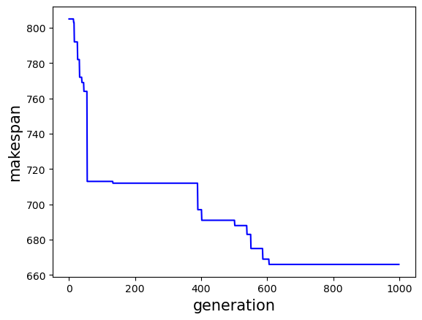
11 | 708 | 1016
12 | 675 | 1015
13 | 666 | 1016
14 | 668 | 1015
15 | 666 | 1016
16 | 678 | 1015
17 | 686 | 1017
18 | 675 | 1017
19 | 703 | 1017
20 | 699 | 1015
21 | 710 | 1016
22 | 689 | 1016
23 | 689 | 1017
24 | 697 | 1017
25 | 675 | 1016
26 | 674 | 1017
27 | 714 | 1018
28 | 668 | 1018
29 | 675 | 1018
30 | 666 | 1016
31 | 666 | 1019
32 | 695 | 1016
33 | 699 | 1017
34 | 676 | 1016
35 | 705 | 1016
36 | 684 | 1015
37 | 666 | 1018
38 | 699 | 1016
39 | 693 | 1018
40 | 666 | 1017
41 | 692 | 1016
42 | 693 | 1016
43 | 690 | 1016
44 | 690 | 1015
45 | 678 | 1016
46 | 693 | 1015
47 | 666 | 1016
48 | 681 | 1016
49 | 692 | 1017
50 | 675 | 1018
 |  |  |  | 51 | 687 | 1315.62
 |  |  |  | 52 | 666 | 1317.01
 |  |  |  | 53 | 666 | 1316.06
 |  |  |  | 54 | 671 | 1316.86
 |  |  |  | 55 | 690 | 1316.8
 |  |  |  | 56 | 700 | 1316.59
 |  |  |  | 57 | 685 | 1316.01
 |  |  |  | 58 | 679 | 1317.93
 |  |  |  | 59 | 693 | 1316.58
 |  |  |  | 60 | 675 | 1317.04
 |  |  |  | 61 | 692 | 1316.04
 |  |  |  | 62 | 666 | 1318.03
 |  |  |  | 63 | 666 | 1316.65
 |  |  |  | 64 | 682 | 1315.33
 |  |  |  | 65 | 683 | 1315.76
 |  |  |  | 66 | 695 | 1316.09
 |  |  |  | 67 | 683 | 1317.17
 |  |  |  | 68 | 678 | 1317.09
 |  |  |  | 69 | 666 | 1314.76
 |  |  |  | 70 | 686 | 1315.27
 |  |  |  | 71 | 694 | 1315.47
 |  |  |  | 72 | 719 | 1317.12
 |  |  |  | 73 | 689 | 1315.36
 |  |  |  | 74 | 702 | 1315.87
 |  |  |  | 75 | 667 | 1318.04
 |  |  |  | 76 | 674 | 1316.09
 |  |  |  | 77 | 666 | 1315.74
 |  |  |  | 78 | 710 | 1315.44
 |  |  |  | 79 | 682 | 1315.57
 |  |  |  | 80 | 691 | 1314.59
 |  |  |  | 81 | 679 | 1315.71
 |  |  |  | 82 | 666 | 1314.87
 |  |  |  | 83 | 676 | 1315.26
 |  |  |  | 84 | 684 | 1315.91
 |  |  |  | 85 | 669 | 1315.79
 |  |  |  | 86 | 675 | 1316.97
 |  |  |  | 87 | 666 | 1315.51
 |  |  |  | 88 | 692 | 1313.37
 |  |  |  | 89 | 698 | 1315.12
 |  |  |  | 90 | 695 | 1315.39
 |  |  |  | 91 | 698 | 1315.69
 |  |  |  | 92 | 696 | 1316.04
 |  |  |  | 93 | 678 | 1316.91
 |  |  |  | 94 | 669 | 1316.39
 |  |  |  | 95 | 713 | 1315.08
 |  |  |  | 96 | 678 | 1315.89
 |  |  |  | 97 | 705 | 1315.37
 |  |  |  | 98 | 666 | 1315.09
 |  |  |  | 99 | 689 | 1315.95
 |  |  |  | 100 | 685 | 1315.69

la02
No | Makespan | Runtime | Runtime_re
1 | 660 | 1320.32 | 1020 | Note | 100 popsize
2 | 724 | 1315.98 | 1016 |  | 1000 iteration
3 | 747 | 1314.73 | 1015 |  | 0.5 crossover rate
4 | 694 | 1315.08 | 1015 |  | 0.1 mutation rate
5 | 687 | 1315.54 | 1016
6 | 677 | 1315.88 | 1016 | avg Makespan | 691.64 | avgRuntime | 1015.2402
7 | 706 | 1315.79 | 1016 | Lowerbound_Makespan | 660
8 | 716 | 1314.39 | 1014 | Upperbound_Makespan | 747
9 | 685 | 1315.34 | 1015
10 | 708 | 1314.5 | 1015
11 | 694 | 1316.11 | 1016
12 | 684 | 1315.29 | 1015
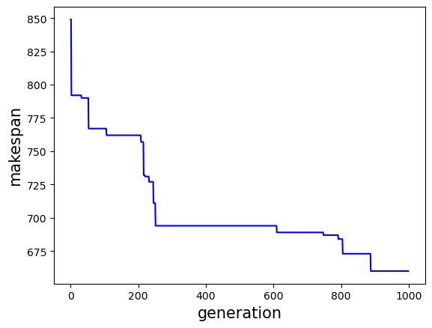
13 | 704 | 1314.01 | 1014
14 | 681 | 1314.18 | 1014
15 | 693 | 1316.98 | 1017
16 | 684 | 1316.52 | 1017
17 | 660 | 1317.93 | 1018
18 | 696 | 1316.66 | 1017
19 | 684 | 1316.06 | 1016
20 | 724 | 1314.2 | 1014
21 | 681 | 1315.59 | 1016
22 | 694 | 1316.44 | 1016
23 | 684 | 1315.33 | 1015
24 | 692 | 1315.63 | 1016
25 | 693 | 1315.54 | 1016
26 | 710 | 1315.63 | 1016
27 | 669 | 1316.06 | 1016
28 | 681 | 1316.08 | 1016
29 | 713 | 1316.18 | 1016
30 | 684 | 1315.49 | 1015
31 | 676 | 1314.44 | 1014
32 | 677 | 1314.84 | 1015
33 | 660 | 1314.16 | 1014
34 | 684 | 1316.41 | 1016
35 | 688 | 1316.82 | 1017
36 | 681 | 1315.54 | 1016
37 | 709 | 1315.49 | 1015
38 | 698 | 1314.86 | 1015
39 | 700 | 1315.02 | 1015
40 | 671 | 1313.81 | 1014
41 | 695 | 1314.22 | 1014
42 | 700 | 1313.56 | 1014
43 | 688 | 1313.18 | 1013
44 | 710 | 1313.96 | 1014
45 | 678 | 1313.38 | 1013
46 | 689 | 1312.11 | 1012
47 | 667 | 1315.39 | 1015
48 | 695 | 1313.37 | 1013
49 | 709 | 1313.67 | 1014
50 | 698 | 1314.32 | 1014
51
52
53
54
55
56
57
58
59
60
61
62
63
64
65
66
67
68
69
70
71
72
73
74
75
76
77
78
79
80
81
82
83
84
85
86
87
88
89
90
91
92
93
94
95
96
97
98
99
100

la03
No | Makespan |  | Runtime
1 | 637 | 715 | 1015
2 | 640 | 716 | 1016
3 | 638 | 715 | 1015 | avg_makespan | 648.88 | avg_runtime | 1014.1942
4 | 659 | 716 | 1016 | lowerbound | 628
5 | 654 | 715 | 1015 | upperbound | 675
6 | 643 | 714 | 1014
7 | 638 | 716 | 1016
8 | 666 | 713 | 1013
9 | 675 | 714 | 1014
10 | 639 | 714 | 1014
11 | 643 | 714 | 1014
12 | 635 | 714 | 1014
13 | 649 | 714 | 1014
14 | 643 | 715 | 1015
15 | 647 | 713 | 1013
16 | 649 | 714 | 1014
17 | 650 | 714 | 1014
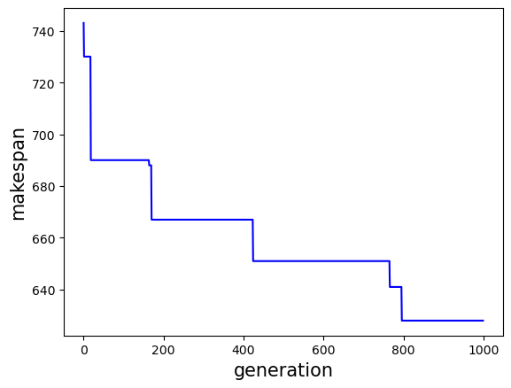
18 | 661 | 714 | 1014
19 | 664 | 714 | 1014
20 | 648 | 714 | 1014
21 | 653 | 716 | 1016
22 | 638 | 716 | 1016
23 | 652 | 716 | 1016
24 | 649 | 716 | 1016
25 | 642 | 714 | 1014
26 | 663 | 714 | 1014
27 | 659 | 715 | 1015
28 | 628 | 715 | 1015
29 | 664 | 714 | 1014
30 | 638 | 713 | 1013
31 | 654 | 714 | 1014
32 | 642 | 712 | 1012
33 | 671 | 713 | 1013
34 | 662 | 713 | 1013
35 | 653 | 714 | 1014
36 | 629 | 715 | 1015
37 | 658 | 713 | 1013
38 | 651 | 714 | 1014
39 | 649 | 714 | 1014
40 | 641 | 714 | 1014
41 | 643 | 714 | 1014
42 | 648 | 714 | 1014
43 | 646 | 714 | 1014
44 | 638 | 715 | 1015
45 | 640 | 713 | 1013
46 | 645 | 714 | 1014
47 | 660 | 714 | 1014
48 | 630 | 713 | 1013
49 | 666 | 713 | 1013
50 | 654 | 714 | 1014

la04
No | Makespan | Runtime
1 | 615 | 1110 | avg_runtime | 1055.44 | avg_solution | 621.84
2 | 611 | 1103 |  |  | lb | 611
3 | 618 | 1108 |  |  | ub | 635
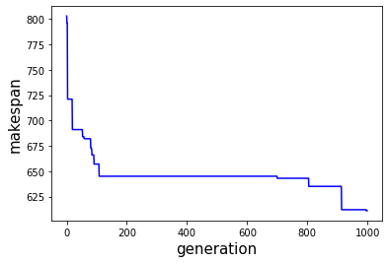
4 | 620 | 1112
5 | 619 | 1111
6 | 626 | 1113
7 | 619 | 1111
8 | 628 | 1058
9 | 619 | 1037
10 | 613 | 1053
11 | 619 | 1008
12 | 626 | 1048
13 | 631 | 1047
14 | 617 | 1053
15 | 623 | 1050
16 | 624 | 1054
17 | 619 | 1047
18 | 620 | 1052
19 | 624 | 1047
20 | 616 | 1053
21 | 619 | 1049
22 | 620 | 1049
23 | 625 | 1042
24 | 620 | 1050
25 | 630 | 1046
26 | 618 | 1046
27 | 615 | 1051
28 | 612 | 1045
29 | 624 | 1045
30 | 628 | 1047
31 | 620 | 1047
32 | 628 | 1048
33 | 625 | 1045
34 | 627 | 1044
35 | 619 | 1048
36 | 619 | 1049
37 | 624 | 1046
38 | 614 | 1048
39 | 627 | 1045
40 | 617 | 1044
41 | 627 | 1049
42 | 627 | 1047
43 | 622 | 1046
44 | 628 | 1042
45 | 628 | 1048
46 | 619 | 1046
47 | 635 | 1048
48 | 631 | 1044
49 | 626 | 1043
50 | 611 | 1050

la05
No | Makespan | Runtime
1 | 593 | 939 | avg_solution | 595.66
2 | 593 | 954 | LB | 593
3 | 593 | 951 | UB | 625
4 | 593 | 948
5 | 625 | 944 | avg_runtime | 946.98
6 | 593 | 955
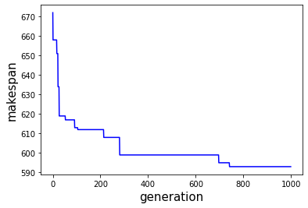
7 | 603 | 934
8 | 593 | 934
9 | 602 | 924
10 | 593 | 945
11 | 593 | 953
12 | 593 | 945
13 | 593 | 948
14 | 593 | 946
15 | 593 | 945
16 | 593 | 947
17 | 593 | 946
18 | 593 | 948
19 | 593 | 949
20 | 593 | 947
21 | 593 | 945
22 | 593 | 944
23 | 602 | 945
24 | 593 | 955
25 | 593 | 943
26 | 593 | 944
27 | 593 | 956
28 | 593 | 952
29 | 593 | 947
30 | 593 | 944
31 | 593 | 952
32 | 593 | 948
33 | 593 | 942
34 | 593 | 942
35 | 616 | 951
36 | 593 | 953
37 | 593 | 949
38 | 612 | 951
39 | 593 | 947
40 | 600 | 952
41 | 593 | 948
42 | 593 | 949
43 | 593 | 954
44 | 600 | 945
45 | 593 | 940
46 | 593 | 953
47 | 610 | 948
48 | 593 | 949
49 | 593 | 950
50 | 593 | 949

la06
No | Makespan | Runtime
1 | 926 | 1098 | avg_solution | 933.34
2 | 943 | 1096 | LB | 926
3 | 929 | 1098 | UB | 959
4 | 928 | 1097
5 | 926 | 1102 | avg_runtime | 1100.76
6 | 931 | 1101
7 | 930 | 1098
8 | 939 | 1109
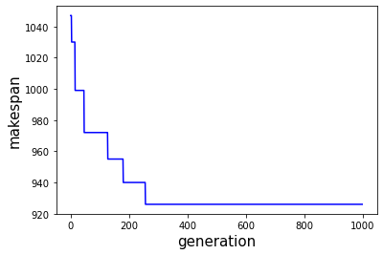
9 | 926 | 1101
10 | 953 | 1101
11 | 926 | 1103
12 | 936 | 1099
13 | 943 | 1103
14 | 926 | 1098
15 | 933 | 1102
16 | 926 | 1099
17 | 936 | 1101
18 | 926 | 1101
19 | 931 | 1097
20 | 932 | 1099
21 | 926 | 1105
22 | 926 | 1099
23 | 926 | 1104
24 | 926 | 1104
25 | 926 | 1101
26 | 930 | 1106
27 | 926 | 1103
28 | 929 | 1101
29 | 951 | 1097
30 | 926 | 1102
31 | 952 | 1102
32 | 940 | 1097
33 | 936 | 1100
34 | 926 | 1103
35 | 940 | 1102
36 | 926 | 1099
37 | 938 | 1096
38 | 932 | 1101
39 | 946 | 1098
40 | 926 | 1102
41 | 954 | 1104
42 | 928 | 1101
43 | 926 | 1100
44 | 942 | 1101
45 | 939 | 1102
46 | 959 | 1102
47 | 926 | 1105
48 | 926 | 1099
49 | 926 | 1099
50 | 941 | 1100

la07
No | Makespan | Runtime
1 | 934 | 1115 | avg_solution | 948.62
2 | 937 | 1114 | LB | 915
3 | 933 | 1138 | UB | 985
4 | 954 | 1134
5 | 940 | 1130 | avg_runtime | 1128.44
6 | 921 | 1136
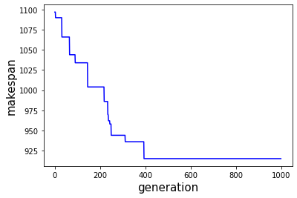
7 | 944 | 1148
8 | 939 | 1132
9 | 972 | 1124
10 | 966 | 1118
11 | 953 | 1126
12 | 927 | 1134
13 | 975 | 1133
14 | 970 | 1128
15 | 942 | 1123
16 | 936 | 1122
17 | 954 | 1121
18 | 915 | 1133
19 | 945 | 1137
20 | 944 | 1136
21 | 954 | 1129
22 | 962 | 1132
23 | 939 | 1141
24 | 945 | 1131
25 | 927 | 1125
26 | 982 | 1129
27 | 935 | 1133
28 | 947 | 1131
29 | 968 | 1131
30 | 975 | 1134
31 | 939 | 1127
32 | 967 | 1122
33 | 922 | 1138
34 | 956 | 1129
35 | 958 | 1126
36 | 931 | 1138
37 | 956 | 1118
38 | 930 | 1127
39 | 973 | 1125
40 | 941 | 1117
41 | 939 | 1119
42 | 926 | 1123
43 | 958 | 1136
44 | 947 | 1128
45 | 970 | 1130
46 | 954 | 1120
47 | 958 | 1129
48 | 985 | 1113
49 | 942 | 1133
50 | 944 | 1126

la08
No | Makespan | Runtime
1 | 905.00 | 1152
2 | 906.00 | 1152
3 | 916.00 | 1158 | 905, 906, 916, 911, 917, 936, 916, 901, 924, 926, 884, 913, 923, 908, 895, 930, 930, 921, 923, 931, 920, 956, 935, 899, 902, 913, 914, 899, 934, 927, 910, 928, 886, 918, 925, 923, 915, 913, 926, 903, 903, 930, 920, 895, 900, 930, 910, 927, 934, 933
4 | 911.00 | 1153 | 52.051039934158325, 51.70422053337097, 58.366729974746704, 53.330573320388794, 48.40559720993042, 48.57416343688965, 54.03588151931763, 54.62310743331909, 52.65321135520935, 53.27100706100464, 54.353780031204224, 59.05088758468628, 55.36685633659363, 58.05164408683777, 56.24188733100891, 53.75939321517944, 51.98927903175354, 53.89604616165161, 55.27090501785278, 56.211822271347046, 62.871065855026245, 53.072266817092896, 60.04459047317505, 53.026575803756714, 54.754090309143066, 51.041568994522095, 52.9621262550354, 52.14971685409546, 54.3767945766449, 52.19036340713501, 48.66265678405762, 57.82225227355957, 54.94628691673279, 53.7289137840271, 61.8293616771698, 57.63256502151489, 56.5528450012207, 50.46850919723511, 52.35587215423584, 49.49842548370361, 47.75176644325256, 50.861242055892944, 53.46171307563782, 54.123131275177, 56.0688316822052, 54.593414068222046, 55.314541816711426, 53.55261015892029, 51.31247591972351, 50.18706655502319
5 | 917.00 | 1148
6 | 936.00 | 1149 | avg_solution | 916.88
7 | 916.00 | 1154 | LB | 884.00
8 | 901.00 | 1155 | UB | 956.00
9 | 924.00 | 1153
10 | 926.00 | 1153 | avg_runtime | 1153.9684335
11 | 884.00 | 1154
12 | 913.00 | 1159
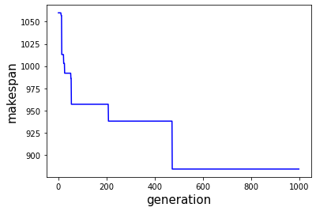
13 | 923.00 | 1155
14 | 908.00 | 1158
15 | 895.00 | 1156
16 | 930.00 | 1154
17 | 930.00 | 1152
18 | 921.00 | 1154
19 | 923.00 | 1155
20 | 931.00 | 1156
21 | 920.00 | 1163
22 | 956.00 | 1153
23 | 935.00 | 1160
24 | 899.00 | 1153
25 | 902.00 | 1155
26 | 913.00 | 1151
27 | 914.00 | 1153
28 | 899.00 | 1152
29 | 934.00 | 1154
30 | 927.00 | 1152
31 | 910.00 | 1149
32 | 928.00 | 1158
33 | 886.00 | 1155
34 | 918.00 | 1154
35 | 925.00 | 1162
36 | 923.00 | 1158
37 | 915.00 | 1157
38 | 913.00 | 1150
39 | 926.00 | 1152
40 | 903.00 | 1149
41 | 903.00 | 1148
42 | 930.00 | 1151
43 | 920.00 | 1153
44 | 895.00 | 1154
45 | 900.00 | 1156
46 | 930.00 | 1155
47 | 910.00 | 1155
48 | 927.00 | 1154
49 | 934.00 | 1151
50 | 933.00 | 1150

la09
No | Makespan | Runtime
1 | 980 | 1182 | 977, 968, 951, 980, 987, 951, 953, 951, 972, 968, 951, 978, 962, 955, 951, 962, 963, 963, 951, 961, 951, 973, 965, 951, 951, 951, 978, 951, 967, 956, 966, 969, 951, 958, 967, 964, 963, 951, 964, 965, 952, 975, 960, 955, 969, 951, 967, 951, 966
2 | 977 | 1152 | 52.051039934158325, 51.70422053337097, 58.366729974746704, 53.330573320388794, 48.40559720993042, 48.57416343688965, 54.03588151931763, 54.62310743331909, 52.65321135520935, 53.27100706100464, 54.353780031204224, 59.05088758468628, 55.36685633659363, 58.05164408683777, 56.24188733100891, 53.75939321517944, 51.98927903175354, 53.89604616165161, 55.27090501785278, 56.211822271347046, 62.871065855026245, 53.072266817092896, 60.04459047317505, 53.026575803756714, 54.754090309143066, 51.041568994522095, 52.9621262550354, 52.14971685409546, 54.3767945766449, 52.19036340713501, 48.66265678405762, 57.82225227355957, 54.94628691673279, 53.7289137840271, 61.8293616771698, 57.63256502151489, 56.5528450012207, 50.46850919723511, 52.35587215423584, 49.49842548370361, 47.75176644325256, 50.861242055892944, 53.46171307563782, 54.123131275177, 56.0688316822052, 54.593414068222046, 55.314541816711426, 53.55261015892029, 51.31247591972351, 50.18706655502319
3 | 968 | 1152 | avg_solution | 961.86
4 | 951 | 1158 | LB | 951
5 | 980 | 1153 | UB | 987
6 | 987 | 1148
7 | 951 | 1149 | avg_runtime | 1154.52
8 | 953 | 1154
9 | 951 | 1155
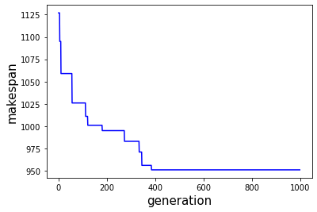
10 | 972 | 1153
11 | 968 | 1153
12 | 951 | 1154
13 | 978 | 1159
14 | 962 | 1155
15 | 955 | 1158
16 | 951 | 1156
17 | 962 | 1154
18 | 963 | 1152
19 | 963 | 1154
20 | 951 | 1155
21 | 961 | 1156
22 | 951 | 1163
23 | 973 | 1153
24 | 965 | 1160
25 | 951 | 1153
26 | 951 | 1155
27 | 951 | 1151
28 | 978 | 1153
29 | 951 | 1152
30 | 967 | 1154
31 | 956 | 1152
32 | 966 | 1149
33 | 969 | 1158
34 | 951 | 1155
35 | 958 | 1154
36 | 967 | 1162
37 | 964 | 1158
38 | 963 | 1157
39 | 951 | 1150
40 | 964 | 1152
41 | 965 | 1149
42 | 952 | 1148
43 | 975 | 1151
44 | 960 | 1153
45 | 955 | 1154
46 | 969 | 1156
47 | 951 | 1155
48 | 967 | 1155
49 | 951 | 1154
50 | 966 | 1151
51 |  | 1150
52
53
54
55
56
57
58
59
60
61
62
63
64
65
66
67
68
69
70
71
72
73
74
75
76
77
78
79
80
81
82
83
84
85
86
87
88
89
90
91
92
93
94
95
96
97
98
99
100

la10
No | Makespan | Runtime
1 | 958 | 1140 | 958, 1110, 958, 958, 958, 958, 958, 958, 958, 958, 958, 958, 958, 958, 958, 958, 958, 958, 958, 958, 958, 958, 958, 958, 1060, 958, 958, 966, 958, 958, 958, 958, 958, 958, 958, 958, 958, 958, 958, 958, 958, 958, 958, 958, 958, 958, 958, 958
2 | 958 | 1159 | 49.29351997375488, 49.86505961418152, 56.14907240867615, 59.25233721733093, 52.58689832687378, 52.956406116485596, 51.132466316223145, 58.22736930847168, 53.614954233169556, 55.985633850097656, 49.800989866256714, 51.65896511077881, 49.54933547973633, 53.422696113586426, 48.60801649093628, 52.37114477157593, 54.35941243171692, 49.37835073471069, 47.81333065032959, 52.54108452796936, 57.18095016479492, 50.53184485435486, 52.59824275970459, 53.780587673187256, 59.750194787979126, 58.07710313796997, 62.42779898643494, 54.703365087509155, 58.68290185928345, 55.4908983707428, 51.369019746780396, 54.00121784210205, 49.945438623428345, 49.31544208526611, 52.37148118019104, 50.26010203361511, 59.28916144371033, 61.49529981613159, 54.766332387924194, 57.55730748176575, 56.95029664039612, 50.680126428604126, 51.7101514339447, 54.906742334365845, 51.60171127319336, 56.45219659805298, 58.5051429271698, 56.51690673828125
3 | 958 | 1149 | avg_solution | 963.24
4 | 1110 | 1150 | LB | 958
5 | 958 | 1156 | UB | 1110
6 | 958 | 1159
7 | 958 | 1153 | avg_runtime | 1153.77
8 | 958 | 1153
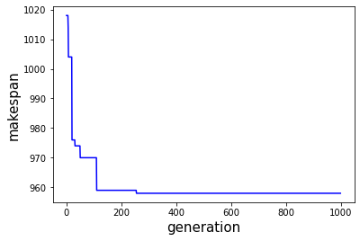
9 | 958 | 1151
10 | 958 | 1158
11 | 958 | 1154
12 | 958 | 1156
13 | 958 | 1150
14 | 958 | 1152
15 | 958 | 1150
16 | 958 | 1153
17 | 958 | 1149
18 | 958 | 1152
19 | 958 | 1154
20 | 958 | 1149
21 | 958 | 1148
22 | 958 | 1153
23 | 958 | 1157
24 | 958 | 1151
25 | 958 | 1153
26 | 958 | 1154
27 | 1060 | 1160
28 | 958 | 1158
29 | 958 | 1162
30 | 966 | 1155
31 | 958 | 1159
32 | 958 | 1155
33 | 958 | 1151
34 | 958 | 1154
35 | 958 | 1150
36 | 958 | 1149
37 | 958 | 1152
38 | 958 | 1150
39 | 958 | 1159
40 | 958 | 1161
41 | 958 | 1155
42 | 958 | 1158
43 | 958 | 1157
44 | 958 | 1151
45 | 958 | 1152
46 | 958 | 1155
47 | 958 | 1152
48 | 958 | 1156
49 | 958 | 1159
50 | 958 | 1157

la11
No | Makespan | Runtime
1 | 1225 | 1388 | avg_solution | 1261.26
2 | 1252 | 1364 | LB | 1222
3 | 1237 | 1367 | UB | 1294
4 | 1265 | 1363
5 | 1261 | 1363 | avg_runtime | 1366.4535847
6 | 1253 | 1367
7 | 1272 | 1371 | 1252, 1237, 1265, 1261, 1253, 1272, 1288, 1259, 1288, 1262, 1288, 1263, 1223, 1222, 1253, 1266, 1239, 1246, 1268, 1262, 1260, 1253, 1274, 1259, 1275, 1251, 1252, 1279, 1283, 1265, 1285, 1266, 1264, 1294, 1239, 1282, 1243, 1252, 1268, 1266, 1264, 1255, 1243, 1288, 1269, 1226, 1274, 1259, 1283
8 | 1288 | 1365 | 63.6267409324646, 67.04408550262451, 63.06477355957031, 63.48389959335327, 66.52014207839966, 71.4692530632019, 64.61927628517151, 64.4038679599762, 64.85367202758789, 62.27522587776184, 60.56261587142944, 66.43313574790955, 65.78620529174805, 69.1601185798645, 65.38407707214355, 65.81463146209717, 67.6268265247345, 65.38674116134644, 66.10449004173279, 65.50201296806335, 68.60311031341553, 66.27622509002686, 67.50437617301941, 69.18401527404785, 65.41676044464111, 62.466228723526, 63.240870237350464, 69.19750785827637, 71.0601258277893, 62.837520360946655, 66.19449973106384, 62.004493951797485, 71.17482876777649, 63.391212701797485, 68.83936309814453, 65.89057302474976, 63.177452087402344, 65.7250108718872, 68.93133211135864, 65.31968379020691, 68.33820343017578, 66.61057329177856, 67.98238039016724, 68.58939003944397, 70.67360186576843, 63.53852462768555, 64.49458289146423, 64.39337611198425, 64.50161957740784
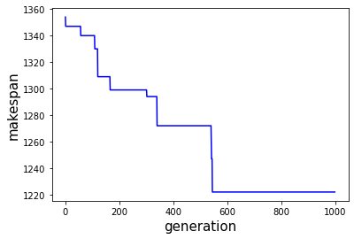
9 | 1259 | 1364
10 | 1288 | 1365
11 | 1262 | 1362
12 | 1288 | 1361
13 | 1263 | 1366
14 | 1223 | 1366
15 | 1222 | 1369
16 | 1253 | 1365
17 | 1266 | 1366
18 | 1239 | 1368
19 | 1246 | 1365
20 | 1268 | 1366
21 | 1262 | 1366
22 | 1260 | 1369
23 | 1253 | 1366
24 | 1274 | 1368
25 | 1259 | 1369
26 | 1275 | 1365
27 | 1251 | 1362
28 | 1252 | 1363
29 | 1279 | 1369
30 | 1283 | 1371
31 | 1265 | 1363
32 | 1285 | 1366
33 | 1266 | 1362
34 | 1264 | 1371
35 | 1294 | 1363
36 | 1239 | 1369
37 | 1282 | 1366
38 | 1243 | 1363
39 | 1252 | 1366
40 | 1268 | 1369
41 | 1266 | 1365
42 | 1264 | 1368
43 | 1255 | 1367
44 | 1243 | 1368
45 | 1288 | 1369
46 | 1269 | 1371
47 | 1226 | 1364
48 | 1274 | 1364
49 | 1259 | 1364
50 | 1283 | 1365

la12
No | Makespan | Runtime
1 | 1047 | 1262 | 1080, 1049, 1063, 1039, 1057, 1076, 1061, 1071, 1054, 1068, 1039, 1039, 1098, 1077, 1056, 1072, 1066, 1061, 1095, 1052, 1086, 1053, 1081, 1045, 1055, 1066, 1044, 1064, 1062, 1064, 1082, 1075, 1048, 1065, 1066, 1081, 1065, 1059, 1079, 1083, 1060, 1066, 1081, 1062, 1090, 1086, 1051, 1079, 1073
2 | 1072 | 1251 | 59.306949853897095, 60.49023079872131, 65.8948974609375, 69.62327837944031, 67.4751136302948, 61.156988859176636, 65.8086245059967, 64.56445550918579, 63.22257685661316, 62.29145574569702, 63.553189277648926, 61.59074640274048, 62.822585582733154, 61.965312242507935, 62.2311909198761, 66.78873062133789, 63.10118818283081, 65.8841872215271, 64.18853259086609, 63.96122407913208, 62.60112977027893, 59.15760827064514, 59.06173539161682, 61.91047954559326, 61.16243028640747, 59.54748344421387, 57.51582431793213, 64.16334056854248, 62.74880933761597, 62.90535235404968, 62.35245108604431, 60.54627823829651, 62.3541533946991, 61.784831523895264, 66.41985964775085, 59.80689191818237, 61.79768085479736, 62.43005919456482, 67.8093159198761, 64.78628015518188, 59.48923659324646, 61.961546897888184, 59.742188930511475, 61.917142152786255, 61.783674001693726, 61.060999631881714, 60.862669229507446, 64.92207336425781, 60.17549729347229
3 | 1053 | 1264
4 | 1080 | 1259 | avg_solution | 1065.28
5 | 1049 | 1260 | LB | 1039
6 | 1063 | 1266 | UB | 1098
7 | 1039 | 1270
8 | 1057 | 1267 | avg_runtime | 1262
9 | 1076 | 1261
10 | 1061 | 1266
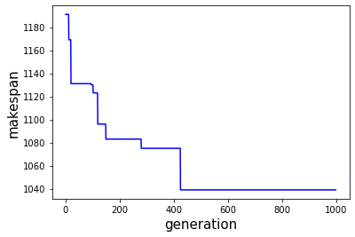
11 | 1071 | 1265
12 | 1054 | 1263
13 | 1068 | 1262
14 | 1039 | 1264
15 | 1039 | 1262
16 | 1098 | 1263
17 | 1077 | 1262
18 | 1056 | 1262
19 | 1072 | 1267
20 | 1066 | 1263
21 | 1061 | 1266
22 | 1095 | 1264
23 | 1052 | 1264
24 | 1086 | 1263
25 | 1053 | 1259
26 | 1081 | 1259
27 | 1045 | 1262
28 | 1055 | 1261
29 | 1066 | 1260
30 | 1044 | 1258
31 | 1064 | 1264
32 | 1062 | 1263
33 | 1064 | 1263
34 | 1082 | 1262
35 | 1075 | 1261
36 | 1048 | 1262
37 | 1065 | 1262
38 | 1066 | 1266
39 | 1081 | 1260
40 | 1065 | 1262
41 | 1059 | 1262
42 | 1079 | 1268
43 | 1083 | 1265
44 | 1060 | 1259
45 | 1066 | 1262
46 | 1081 | 1260
47 | 1062 | 1262
48 | 1090 | 1262
49 | 1086 | 1261
50 | 1051 | 1261
 | 1079 | 1265
 | 1073 | 1260

la13
No | Makespan | Runtime
1 | 1185 | 1261 | 1192, 1176, 1187, 1201, 1198, 1179, 1187, 1204, 1173, 1204, 1197, 1199, 1169, 1196, 1203, 1198, 1178, 1164, 1171, 1180, 1187, 1185, 1198, 1194, 1175, 1205, 1183, 1207, 1188, 1186, 1150, 1187, 1205, 1206, 1182, 1187, 1172, 1211, 1195, 1188, 1181, 1150, 1184, 1183, 1183, 1179, 1181
2 | 1174 | 1314 | 66.07898926734924, 67.90307235717773, 72.27691650390625, 63.353023052215576, 64.57612633705139, 64.85274457931519, 70.22250556945801, 64.14962482452393, 69.12801814079285, 63.91225528717041, 72.69688200950623, 68.19939351081848, 70.2829806804657, 68.85596823692322, 65.28379464149475, 64.52975392341614, 63.302210569381714, 64.25083589553833, 64.73782896995544, 64.2533552646637, 61.99178695678711, 66.55705523490906, 65.96309971809387, 61.49616980552673, 65.1129937171936, 65.05643820762634, 61.359020471572876, 65.19675421714783, 65.03588891029358, 65.7069959640503, 64.32721877098083, 66.81785726547241, 62.57724571228027, 69.92272853851318, 78.53633880615234, 64.00988984107971, 71.69302797317505, 79.41231727600098, 81.15946555137634, 72.96841478347778, 67.3530752658844, 69.46963095664978, 69.09690761566162, 73.89481282234192, 72.41550946235657, 65.38856434822083, 81.2868070602417
3 | 1184 | 1278
4 | 1192 | 1266 | avg_solution | 1186.62
5 | 1176 | 1268 | LB | 1150
6 | 1187 | 1272 | UB | 1211
7 | 1201 | 1263
8 | 1198 | 1265 | avg_runtime | 1268.79
9 | 1179 | 1265
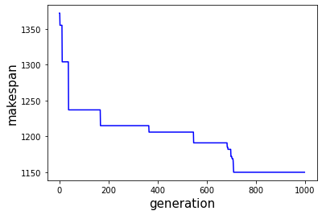
10 | 1187 | 1270
11 | 1204 | 1264
12 | 1173 | 1269
13 | 1204 | 1264
14 | 1197 | 1273
15 | 1199 | 1268
16 | 1169 | 1270
17 | 1196 | 1269
18 | 1203 | 1265
19 | 1198 | 1265
20 | 1178 | 1263
21 | 1164 | 1264
22 | 1171 | 1265
23 | 1180 | 1264
24 | 1187 | 1262
25 | 1185 | 1267
26 | 1198 | 1266
27 | 1194 | 1261
28 | 1175 | 1265
29 | 1205 | 1265
30 | 1183 | 1261
31 | 1207 | 1265
32 | 1188 | 1265
33 | 1186 | 1266
34 | 1150 | 1264
35 | 1187 | 1267
36 | 1205 | 1263
37 | 1206 | 1270
38 | 1182 | 1279
39 | 1187 | 1264
40 | 1172 | 1272
41 | 1211 | 1279
42 | 1195 | 1281
43 | 1188 | 1273
44 | 1181 | 1267
45 | 1150 | 1269
46 | 1184 | 1269
47 | 1183 | 1274
48 | 1183 | 1272
49 | 1179 | 1265
50 | 1181 | 1281

la14
No | Makespan | Runtime
1 | 1292 | 1410 | 1292, 1292, 1292, 1292, 1292, 1292, 1292, 1292, 1292, 1292, 1292, 1292, 1292, 1292, 1292, 1292, 1292, 1292, 1292, 1292, 1292, 1292, 1292, 1292, 1292, 1292, 1292, 1292, 1292, 1292, 1292, 1292, 1292, 1292, 1292, 1292, 1292, 1292, 1292, 1292, 1292, 1292, 1292, 1292, 1292, 1292, 1292, 1292
2 | 1292 | 1408 | 71.62638783454895, 83.28959846496582, 98.68255877494812, 99.1230788230896, 98.02804064750671, 80.47677421569824, 122.26168656349182, 125.19677948951721, 127.6683783531189, 67.82889747619629, 69.08597660064697, 62.427732706069946, 64.62578225135803, 66.47958397865295, 67.5791187286377, 64.2536473274231, 72.8707344532013, 66.49918818473816, 65.71735119819641, 63.22135663032532, 66.4618604183197, 68.01205062866211, 68.62225437164307, 67.39280295372009, 64.25546598434448, 64.11453604698181, 61.066781759262085, 68.1634418964386, 66.11147356033325, 65.7682421207428, 62.88275647163391, 62.161147356033325, 64.0823872089386, 68.2804012298584, 68.83595967292786, 69.80287289619446, 60.24857997894287, 63.66446280479431, 67.4559907913208, 64.86058259010315, 67.46616649627686, 63.2872998714447, 66.48472929000854, 65.86017274856567, 63.89892029762268, 64.21009731292725, 69.71097087860107, 65.27792406082153
3 | 1292 | 1372
4 | 1292 | 1383 | avg_solution | 1292
5 | 1292 | 1399 | LB | 1292
6 | 1292 | 1399 | UB | 1292
7 | 1292 | 1398
8 | 1292 | 1380 | avg_runtime | 1373.87
9 | 1292 | 1422
10 | 1292 | 1425
11 | 1292 | 1428
12 | 1292 | 1368
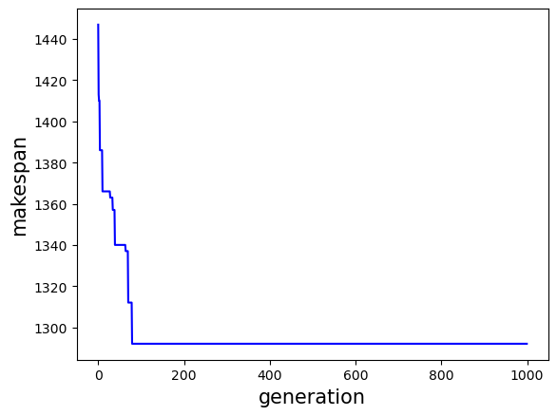
13 | 1292 | 1369
14 | 1292 | 1362
15 | 1292 | 1365
16 | 1292 | 1366
17 | 1292 | 1368
18 | 1292 | 1364
19 | 1292 | 1373
20 | 1292 | 1366
21 | 1292 | 1366
22 | 1292 | 1363
23 | 1292 | 1366
24 | 1292 | 1368
25 | 1292 | 1369
26 | 1292 | 1367
27 | 1292 | 1364
28 | 1292 | 1364
29 | 1292 | 1361
30 | 1292 | 1368
31 | 1292 | 1366
32 | 1292 | 1366
33 | 1292 | 1363
34 | 1292 | 1362
35 | 1292 | 1364
36 | 1292 | 1368
37 | 1292 | 1369
38 | 1292 | 1370
39 | 1292 | 1360
40 | 1292 | 1364
41 | 1292 | 1367
42 | 1292 | 1365
43 | 1292 | 1367
44 | 1292 | 1363
45 | 1292 | 1366
46 | 1292 | 1366
47 | 1292 | 1364
48 | 1292 | 1364
49 | 1292 | 1370
50 | 1292 | 1365

la15
No | Makespan | Runtime
1 | 1372 | 1404 | 1359, 1395, 1394, 1356, 1398, 1407, 1346, 1385, 1381, 1356, 1365, 1348, 1389, 1392, 1368, 1397, 1376, 1358, 1370, 1381, 1369, 1389, 1395, 1382, 1362, 1363, 1379, 1355, 1379, 1377, 1327, 1385, 1348, 1387, 1379, 1334, 1413, 1364, 1353, 1357, 1371, 1348, 1360, 1335, 1348, 1373, 1338, 1355
2 | 1361 | 1334 | 75.02316284179688, 71.27512192726135, 76.7481632232666, 69.25686192512512, 67.11540341377258, 70.07220149040222, 72.1833324432373, 67.32573819160461, 70.6904616355896, 75.8469934463501, 79.09455823898315, 70.99492287635803, 72.47959041595459, 72.55152916908264, 77.51882719993591, 70.15768790245056, 76.40578627586365, 71.94861316680908, 81.96807956695557, 78.37688374519348, 71.66513085365295, 73.8391842842102, 76.1643636226654, 76.30274033546448, 77.0043535232544, 80.95308232307434, 79.14341020584106, 91.49812889099121, 85.03242444992065, 94.7021017074585, 85.31590294837952, 86.65763139724731, 85.12803602218628, 86.77071857452393, 75.44471621513367, 64.43038296699524, 62.02651834487915, 65.01261568069458, 63.39616537094116, 61.53840637207031, 69.1562864780426, 63.48059892654419, 63.12534523010254, 63.84941625595093, 67.39410829544067, 61.97464060783386, 64.30179452896118, 65.21065974235535
3 | 1355 | 1373
4 | 1359 | 1375 | avg_solution | 1369.29
5 | 1395 | 1371 | LB | 1327
6 | 1394 | 1377 | UB | 1413
7 | 1356 | 1369
8 | 1398 | 1367 | avg_runtime | 1373.30
9 | 1407 | 1370
10 | 1346 | 1372
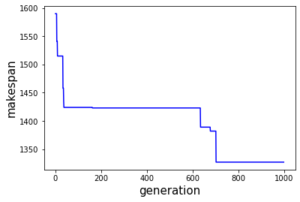
11 | 1385 | 1367
12 | 1381 | 1371
13 | 1356 | 1376
14 | 1365 | 1379
15 | 1348 | 1371
16 | 1389 | 1372
17 | 1392 | 1373
18 | 1368 | 1378
19 | 1397 | 1370
20 | 1376 | 1376
21 | 1358 | 1372
22 | 1370 | 1382
23 | 1381 | 1378
24 | 1369 | 1372
25 | 1389 | 1374
26 | 1395 | 1376
27 | 1382 | 1376
28 | 1362 | 1377
29 | 1363 | 1381
30 | 1379 | 1379
31 | 1355 | 1391
32 | 1379 | 1385
33 | 1377 | 1395
34 | 1327 | 1385
35 | 1385 | 1387
36 | 1348 | 1385
37 | 1387 | 1387
38 | 1379 | 1375
39 | 1334 | 1364
40 | 1413 | 1362
41 | 1364 | 1365
42 | 1353 | 1363
43 | 1357 | 1362
44 | 1371 | 1369
45 | 1348 | 1363
46 | 1360 | 1363
47 | 1335 | 1364
48 | 1348 | 1367
49 | 1373 | 1362
50 | 1338 | 1364
 | 1355 | 1365

ft06
No | Makespan | Runtime
1 | 55 | 477 | 55, 55, 55, 55, 55, 55, 55, 55, 55, 55, 55, 55, 55, 55, 55, 55, 55, 55, 55, 55, 55, 55, 55, 55, 55, 55, 55, 55, 55, 55, 55, 55, 55, 55, 55, 55, 55, 55, 55, 55, 55, 55, 55, 55, 55, 55, 55, 55
2 | 55 | 479 | 477.28019189834595, 479.37642002105713, 507.63933992385864, 477.7724506855011, 491.8642990589142, 461.55268144607544, 491.21672081947327, 489.4510142803192, 484.8090353012085, 480.7208936214447, 477.98404359817505, 482.8074026107788, 479.842246055603, 480.77057933807373, 494.70486283302307, 502.4829959869385, 497.8016953468323, 505.8183333873749, 488.2904968261719, 496.06159567832947, 523.8022665977478, 492.5891637802124, 501.5180308818817, 488.2014739513397, 491.66130018234253, 490.92438769340515, 479.8230984210968, 488.9678819179535, 485.17148756980896, 508.1575310230255, 483.8231828212738, 503.4772171974182, 485.72488594055176, 496.33745980262756, 479.56318259239197, 547.838705778122, 616.3936071395874, 500.69005012512207, 478.46143651008606, 482.9252984523773, 498.9826819896698, 490.28289794921875, 485.99157071113586, 504.17698764801025, 478.3121118545532, 496.9687268733978, 503.4674768447876, 501.27719736099243
3 | 55 | 508
4 | 55 | 478 | avg_solution | 55
5 | 55 | 492 | LB | 55
6 | 55 | 462 | UB | 55
7 | 55 | 491
8 | 55 | 489 | avg_runtime | 494.08
9 | 55 | 485
10 | 55 | 481
11 | 55 | 478
12 | 55 | 483
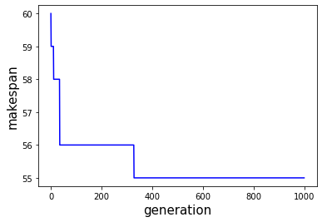
13 | 55 | 480
14 | 55 | 481
15 | 55 | 495
16 | 55 | 502
17 | 55 | 498
18 | 55 | 506
19 | 55 | 488
20 | 55 | 496
21 | 55 | 524
22 | 55 | 493
23 | 55 | 502
24 | 55 | 488
25 | 55 | 492
26 | 55 | 491
27 | 55 | 480
28 | 55 | 489
29 | 55 | 485
30 | 55 | 508
31 | 55 | 484
32 | 55 | 503
33 | 55 | 486
34 | 55 | 496
35 | 55 | 480
36 | 55 | 548
37 | 55 | 616
38 | 55 | 501
39 | 55 | 478
40 | 55 | 483
41 | 55 | 499
42 | 55 | 490
43 | 55 | 486
44 | 55 | 504
45 | 55 | 478
46 | 55 | 497
47 | 55 | 503
48 | 55 | 501
49 | 55 | 481
50 | 55 | 489

ft10
No | Makespan | Runtime
1 | 1136 | 1325 | 1077, 1143, 1152, 1116, 1151, 1152, 1151, 1164, 1151, 1185, 1200, 1197, 1151, 1176, 1157, 1170, 1149, 1157, 1178, 1192, 1137, 1116, 1157, 1151, 1156, 1182, 1114, 1133, 1160, 1171, 1157, 1156, 1167, 1134, 1183, 1152, 1156, 1103, 1121, 1177, 1157, 1147, 1103, 1157, 1144, 1168, 1154
2 | 1124 | 1331 | 64.69040822982788, 67.15958189964294, 72.69492197036743, 72.51106405258179, 79.80030512809753, 68.30133581161499, 71.29610538482666, 64.08039045333862, 68.87901711463928, 72.22493720054626, 67.40475153923035, 74.97354650497437, 68.79193806648254, 77.5674614906311, 76.06465792655945, 69.1775529384613, 65.80243301391602, 75.59072208404541, 69.42840051651001, 70.5232470035553, 69.41784024238586, 70.78315949440002, 69.69822239875793, 70.50639033317566, 72.28597402572632, 73.59077525138855, 69.2068305015564, 70.15466523170471, 68.11518263816833, 69.70656061172485, 72.09844923019409, 69.86998510360718, 66.76825761795044, 74.20046472549438, 70.12145972251892, 68.23178958892822, 73.12143015861511, 73.47559070587158, 69.77377200126648, 74.97589707374573, 71.3678948879242, 71.29879355430603, 66.92876386642456, 71.12053489685059, 72.61637282371521, 69.25611424446106, 70.15320348739624
3 | 1150 | 1358
4 | 1118 | 1341 | avg_solution | 1151.1764706
5 | 1077 | 1365 | LB | 1077
6 | 1143 | 1367 | UB | 1200
7 | 1152 | 1373
8 | 1116 | 1373 | avg_runtime | 1368.25
9 | 1151 | 1380
10 | 1152 | 1368
11 | 1151 | 1371
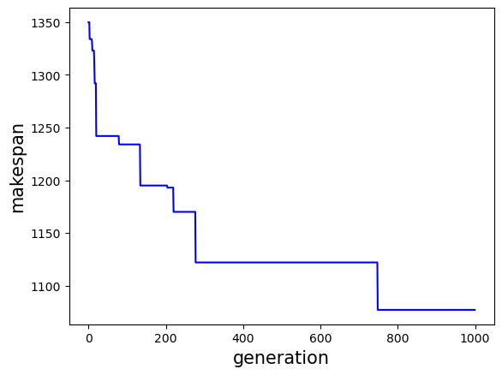
12 | 1164 | 1364
13 | 1151 | 1369
14 | 1185 | 1372
15 | 1200 | 1367
16 | 1197 | 1375
17 | 1151 | 1369
18 | 1176 | 1378
19 | 1157 | 1376
20 | 1170 | 1369
21 | 1149 | 1366
22 | 1157 | 1376
23 | 1178 | 1369
24 | 1192 | 1371
25 | 1137 | 1369
26 | 1116 | 1371
27 | 1157 | 1370
28 | 1151 | 1371
29 | 1156 | 1372
30 | 1182 | 1374
31 | 1114 | 1369
32 | 1133 | 1370
33 | 1160 | 1368
34 | 1171 | 1370
35 | 1157 | 1372
36 | 1156 | 1370
37 | 1167 | 1367
38 | 1134 | 1374
39 | 1183 | 1370
40 | 1152 | 1368
41 | 1156 | 1373
42 | 1103 | 1373
43 | 1121 | 1370
44 | 1177 | 1375
45 | 1157 | 1371
46 | 1147 | 1371
47 | 1103 | 1367
48 | 1157 | 1371
49 | 1144 | 1373
50 | 1168 | 1369
 | 1154 | 1370

