MockUp
USER INFO |  | Note: Dashboard would show the selected variable on the left (Upt to three variables)

CBC (Complete Blood Count) | Description |  | This image here would show ideal values over time
WBC (10^3.UL) | Measure the number of immune cells crucial for body defense.
RBC (10^6/uL) | Indicate the number of cells essential for oxygen transport.
PLATELETS (10^3/uL) | Indicate the number of cells crucial for blood clotting.
MCV (fL) | Size of red blood cells.
MCHC (g/dL) | Amount of hemoglobin relative to the size of the red blood cell.
MCH (pg) | Average amount of hemoglobin in a single red blood cell.
HGB (g/dL) | Protein in red blood cells that carries oxygen.
HCT (%) | Percentage of red blood cells in the blood.
RDW (%) | Variation in the size of red blood cells.
NEUTROPHILS (%) | Percentage of a specific type of white blood cells known for fighting infections.
LYMPHOCYTES (%) | Percentage of a type of white blood cells crucial for immune response.
MONOCYTES (%) | Percentage of a type of white blood cells involved in immune system responses.
EOSINOPHILS (%) | Percentage of a type of white blood cells involved in allergic responses.
BASOPHILS (%) | Percentage of a type of white blood cells involved in allergic and inflammatory responses.
NUCLEATED RBC (WBC) | Number of red blood cells that contain a nucleus per white blood cell.
ABSOLUTE NEUTR (Cells/uL) | Total count of a specific type of white blood cells in the blood.
AMSOLUTE LYMPHS (Cells/uL) | Total count of a specific type of white blood cells in the blood.
MONOCYTES (Cells/uL) | Total count of a specific type of white blood cells in the blood.
EOSINOPHILS TOTAL (Cells/uL) | Total count of a specific type of white blood cells in the blood.
BASOPHILS TOTAL (Cells/uL) | Total count of a specific type of white blood cells in the blood.

Complete Metabolic
ALBUMIN (g/dL) | Measures the level of a major protein made by the liver, important for fluid balance and nutrition assessment.
TOTAL BILIRUBIN (mg/dL) | Indicates the total amount of a waste product from red blood cell breakdown, important for liver function and diagnosing jaundice.
CALCIUM (mg/dL) | Measures the level of an essential mineral for bone health and muscle function.
CHLORIDE (mEw/L) | Indicates the concentration of a major anion, important for maintaining fluid balance and pH.
CREATININE (mg/dL) | Used to assess kidney function, indicating how well waste products are being filtered.
GFR NonAfr F (mL/min) | A measure of kidney function specific for non-African American females, reflecting how well kidneys filter waste.
GFR Afric F (mg/min) | A measure of kidney function adjusted for African American females, accounting for differences in muscle mass.
GLUCOSE (mg/dL) | Blood sugar level, essential in diagnosing and monitoring diabetes.
ALK PHOSPHATASE (U/L) | An enzyme related to liver and bone conditions, elevated levels may indicate disease.
POTASSIUM (mEq/L) | Measures the level of an essential electrolyte, crucial for nerve and muscle function.
TOTAL PROTEIN (g/dL) | Indicates the total amount of proteins in the blood, essential for various body functions.
SODIUM (mEq/L) | Measures the level of a key electrolyte, critical for fluid balance, nerve, and muscle function.
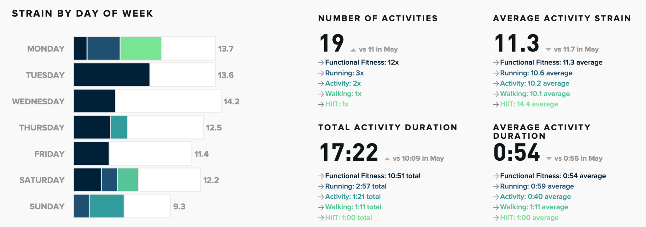
SGOT (AST) (U/L) | An enzyme that helps diagnose liver damage; elevated levels may indicate liver disease.
BUN (mg/dL) | Indicates kidney function and how well the body is disposing of metabolic waste.
CO2 (mEq/L) | Measures bicarbonate level in the blood, important for maintaining pH balance.
SGPT (ALT) (U/L) | An enzyme that helps diagnose liver diseases; high levels may suggest liver damage.
BUN/ CREA RATIO | The ratio of Blood Urea Nitrogen to Creatinine, used to diagnose various kidney and urinary tract conditions.
GLOBULIN (CALC) (g/dL) | Measures the level of a type of protein, important for immune function and disease diagnosis.
A/G RATIO | The ratio of two major types of proteins in blood, used to diagnose different diseases, including liver and kidney disorders.
ANION GAP (mEq/L) | Measures the difference between positively and negatively charged electrolytes in the blood, used to diagnose acid-base imbalances.

