Screenshot
GA IES - Data Collection - Help Text - Qualifying Activities Definitions and Acceptable Verification

The Qualifying Activities Help Text screen allows an individual to see the different Qualifying Activity types, their appropriate definitions, and the acceptable verification documentation for each Qualifying Activity

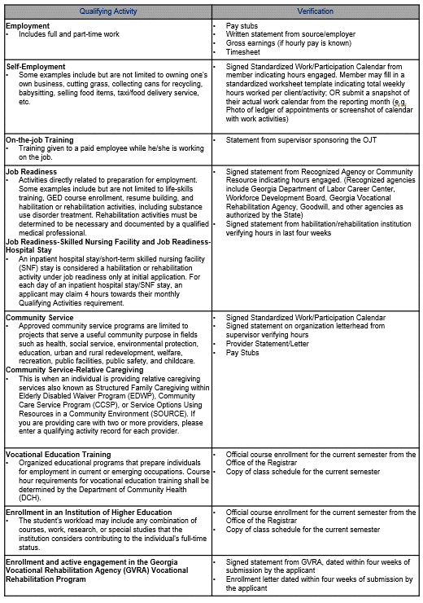
 | AFB/RMB Mode | RMC Mode | All Modes




