Command
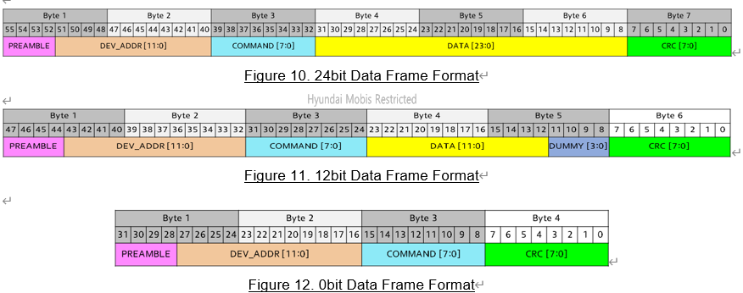
Command | Normal Command |  |  | SR (Status Request) Command |  |  | Data bits
 | Encoding | Broadcast possible | Multicast possible | Encoding with SR | Broadcast possible | Multicast possible
RESET | 0xB1 | O | O |  | - | - | 0
INITBIDIR | 0xB2 | X | X |  | - | - | 0
CLRERROR | 0xB3 | O | O | 0xF3 | O | X | 0 | O
GOSLEEP | 0xB4 | O | O | 0xF4 | O | X | 0 | O
GOACTIVE | 0xB8 | O | O | 0xF8 | O | X | 0 | O
GODEEPSLEEP | 0xBC | O | O | 0xFC | O | X | 0 | O
SET_SETUP1 | 0x86 | O | O | 0xC6 | O | X | 12 | X | O
SET_SETUP2 | 0x87 | O | O | 0xC7 | O | X | 12 | X | O
SET_MCAST | 0x88 | X | X | 0xC8 | X | X | 24 | - | -
SET_RGB | 0xA0 | O | O | 0xE0 | O | X | 24 | X | O
SET_TEMPTH | 0x8A | O | O | 0xCA | O | X | 12 | X
SET_TEMPHYS | 0x8B | O | O | 0xCB | O | X | 12 | X
SET_CURR_MAX_LVL | 0x8F | O | O | 0xCF | O | X | 12 | X
SET_TEMP_LUT_TC1 | 0x90 | O | O | 0xD0 | O | X | 12 | X
SET_TEMP_LUT_TC2 | 0x91 | O | O | 0xD1 | O | X | 12 | X
SET_TEMP_LUT_TC3 | 0x92 | O | O | 0xD2 | O | X | 12
SET_TEMP_LUT_TC4 | 0x93 | O | O | 0xD3 | O | X | 12
SET_TEMP_LUT_TC5 | 0x94 | O | O | 0xD4 | O | X | 12
SET_TEMP_LUT_TC6 | 0x95 | O | O | 0xD5 | O | X | 12
SET_TEMP_LUT_TC7 | 0x96 | O | O | 0xD6 | O | X | 12
SET_TEMP_LUT_TC8 | 0x97 | O | O | 0xD7 | O | X | 12
SET_TEMP_LUT_TC9 | 0x98 | O | O | 0xD8 | O | X | 12
SET_TEMP_LUT_TC10 | 0x99 | O | O | 0xD9 | O | X | 12 | X
SET_TIMEOUT | 0x9A | O | O | 0xDA | O | X | 12 | X
READ_STATUS1 | 0x41 | O | X |  | - | - | 12
READ_STATUS2 | 0x42 | O | X |  | - | - | 12
READ_TEMP | 0x43 | O | X |  | - | - | 12
READ_TEMPST | 0x44 | O | X |  | - | - | 24
READ_VEXT_TM | 0x45 | O | X |  | - | - | 12
READ_SETUP1 | 0x46 | O | X |  | - | - | 12
READ_SETUP2 | 0x47 | O | X |  | - | - | 12
READ_MCAST | 0x48 | O | X |  | - | - | 24
READ_RGB | 0x60 | O | X |  | - | - | 24
READ_TEMPTH | 0x4A | O | X |  | - | - | 12
READ_TEMPHYS | 0x4B | O | X |  | - | - | 12
READ_PWM_RED_VAL | 0x4C | O | X |  | - | - | 12
READ_PWM_GREEN_VAL | 0x4D | O | X |  | - | - | 12
READ_PWM_BLUE_VAL | 0x4E | O | X |  | - | - | 12
READ_CURR_MAX_LVL | 0x4F | O | X |  | - | - | 12
READ_TEMP_LUT_TC1 | 0x50 | O | X |  | - | - | 12
READ_TEMP_LUT_TC2 | 0x51 | O | X |  | - | - | 12
READ_TEMP_LUT_TC3 | 0x52 | O | X |  | - | - | 12
READ_TEMP_LUT_TC4 | 0x53 | O | X |  | - | - | 12
READ_TEMP_LUT_TC5 | 0x54 | O | X |  | - | - | 12
READ_TEMP_LUT_TC6 | 0x55 | O | X |  | - | - | 12
READ_TEMP_LUT_TC7 | 0x56 | O | X |  | - | - | 12
READ_TEMP_LUT_TC8 | 0x57 | O | X |  | - | - | 12
READ_TEMP_LUT_TC9 | 0x58 | O | X |  | - | - | 12
READ_TEMP_LUT_TC10 | 0x59 | O | X |  | - | - | 12
READ_TIMEOUT | 0x5A | O | X |  | - | - | 12

