mcu setting
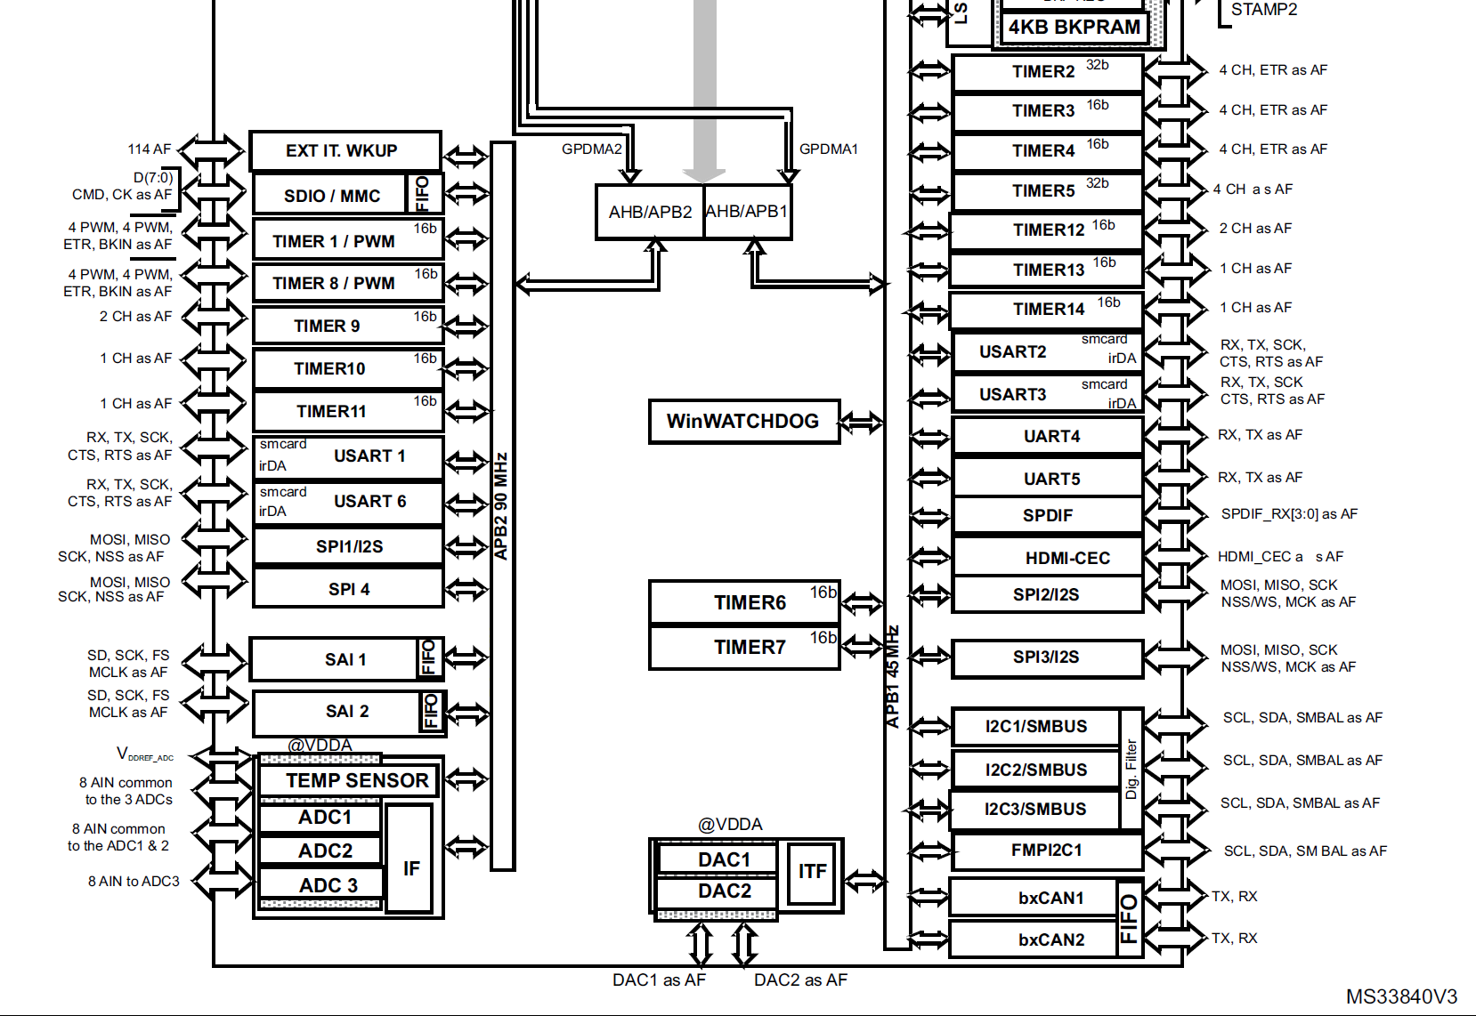
 | Peripheral | timer
APB1 | 45.0MHz | 90.0MHz
APB2 | 90.0MHz | 180.0MHz

 | TIM1 | TIM2 | TIM3 | TIM4 | TIM5 | TIM6 | TIM7 | TIM8 | TIM9 | TIM10 | TIM11 | TIM12 | TIM13 | TIM14
APB | APB2 | APB1 | APB1 | APB1 | APB1 | APB1 | APB1 | APB2 | APB2 | APB2 | APB2 | APB1 | APB1 | APB1
BIT | 16 | 32 | 16 | 16 | 32 | 16 | 16 | 16 | 16 | 16 | 16 | 16 | 16 | 16
Purpose | xd data out | xd data in | xd_svsync | xc_fllsync | osc trim |  |  | vsync |  |  |  | us delay
Base Freq | 180.00MHz | 90.00MHz | 90.00MHz | 90.00MHz | 90.00MHz | 90.00MHz | 90.00MHz | 180.00MHz | 180.00MHz | 180.00MHz | 180.00MHz | 90.00MHz | 90.0MHz | 90.0MHz
Precaler | 0 | 0 | 0 | 0 | 0 | 0 | 0 | 29 | 0 | 0 | 0 | 89 | 0 | 0
Period | 179 | 0 | 719 | 0 | 0 | 0 | 0 | 49999 | 0 | 0 | 0 | 0 | 0 | 0
MHz | 1 | 90 | 0.125 | 90 | 90 | 90 | 90 | 0.00012 | 180 | 180 | 180 | 1 | 90 | 90
kHz | 1000 | 90000 | 125 | 90000 | 90000 | 90000 | 90000 | 0.12 | 180000 | 180000 | 180000 | 1000 | 90000 | 90000
Hz | 1000000 | 90000000 | 125000 | 90000000 | 90000000 | 90000000 | 90000000 | 120 | 180000000 | 180000000 | 180000000 | 1000000 | 90000000 | 90000000

 | SPI1 | SPI2 | SPI3 |  |  | xc | xd
APB | APB2 | APB1 | APB1 |  | MCLK | 16.00MHz | 39.319MHz
BIT | 16 | 32 | 16 |  | serial low | 6 | 13
Purpose | xc spi | adc spi |  |  | serial high | 10 | 26
Base Freq | 90.00MHz | 45.00MHz | 45.00MHz |  | duty low | 0.375 | 0.33333333333
Precaler | 4 | 2 |  |  | duty high | 0.625 | 0.66666666667
MHz | 22.5 | 22.5 |  |  | serial freq | 1 | 1.0081846154
CPOL | Low | Low
CPHA | 2 edge | 2 edge

