pinmap
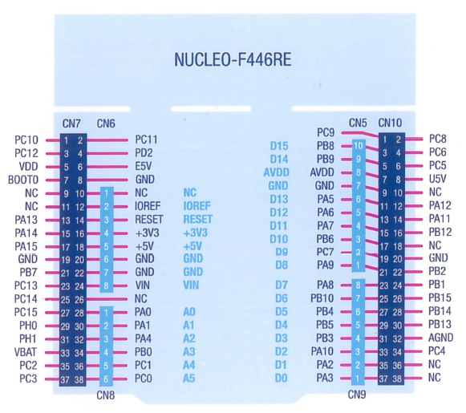
pin |  | pin |  | Up -> Dw | Dw -> Up
PC10 | PC11 | PC9 | PC8 | 1 | 19 | pb9
PC12 | PD2 | PB8 | PC6 | 2 | 18
VDD | E5V | PB9 | PC5 | 3 | 17
BOOT0 | GND | AVDD | U5V | 4 | 16
NC | NC | GND | NC | 5 | 15
NC | IOREF | PA5 | PA12 | 6 | 14
PA13 | RESET | PA6 | PA11 | 7 | 13
PA14 | +3V3 | PA7 | PB12 | 8 | 12
PA15 | 5V | PB6 | NC | 9 | 11
GND | GND | PC7 | GND | 10 | 10
PB7 | GND | PA9 | PB2 | 11 | 9
PC13 | VIN | PA8 | PB1 | 12 | 8
PC14 | NC | PB10 | PB15 | 13 | 7
PC15 | PA0 | PB4 | PB14 | 14 | 6
PH0 | PA1 | PB5 | PB13 | 15 | 5
PH1 | PA4 | PB3 | AGND | 16 | 4
VBAT | PB0 | PA10 | PC4 | 17 | 3
PC2 | PC1 | PA2 | NC | 18 | 2
PC3 | PC0 | PA3 | NC | 19 | 1

timer
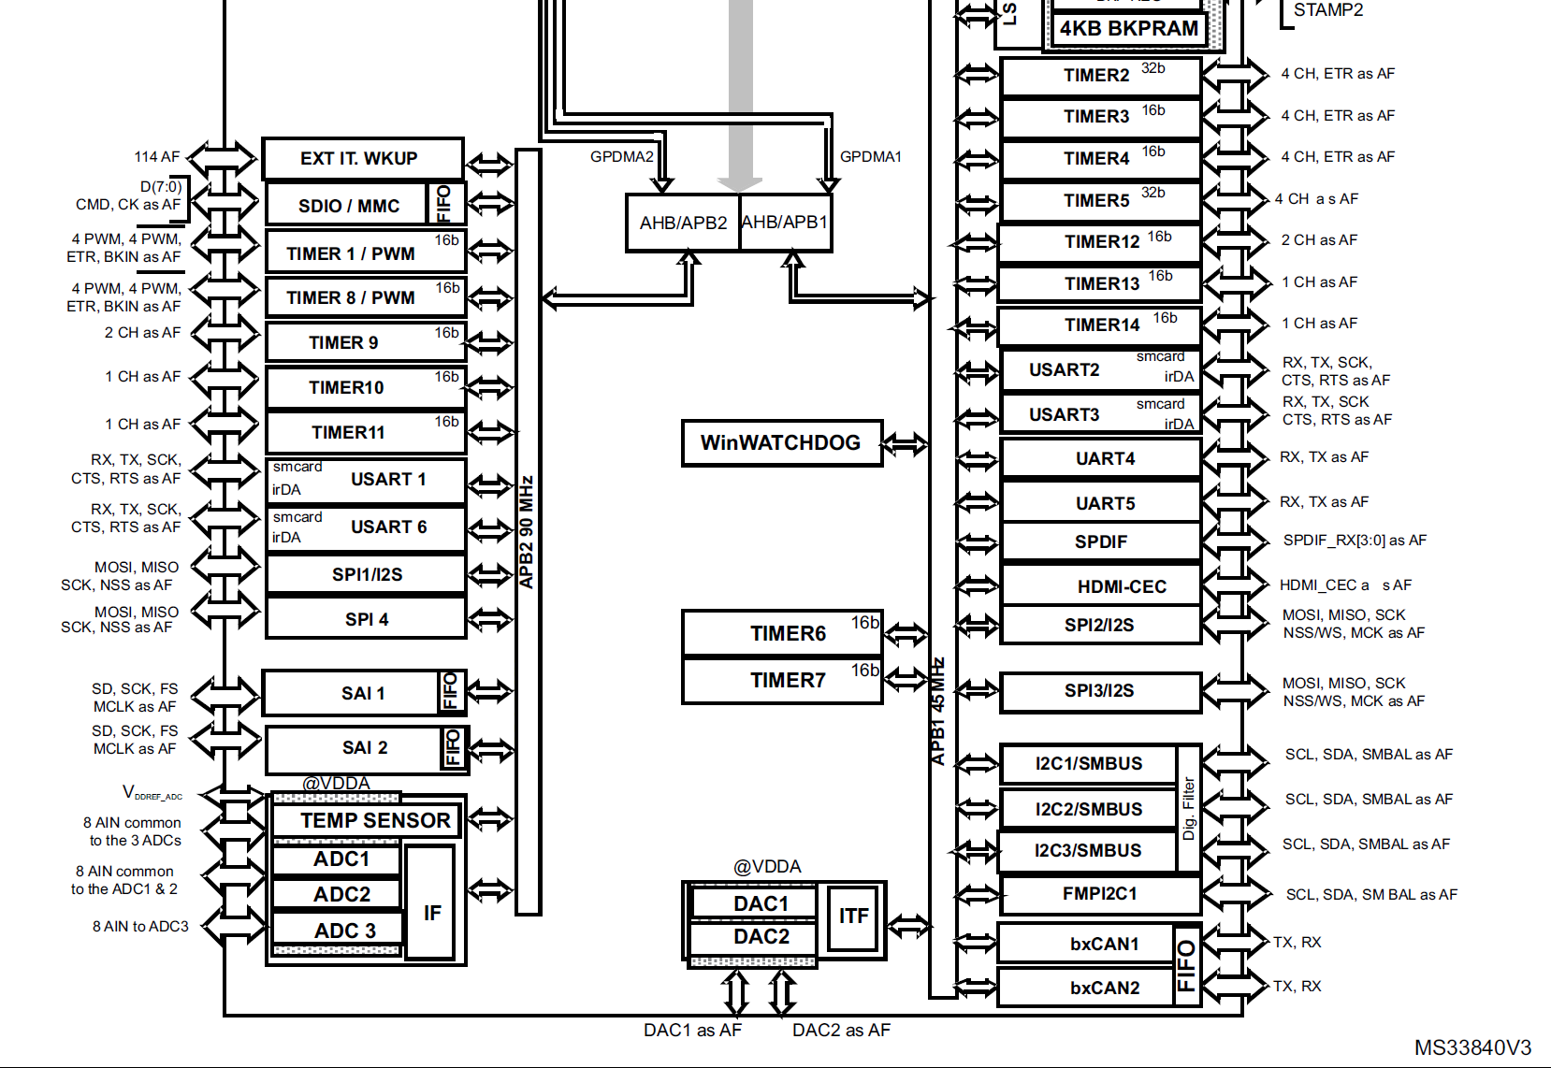
 | Peripheral | timer
APB1 | 45.0MHz | 90.0MHz
APB2 | 90.0MHz | 180.0MHz

 | TIM1 | TIM2 | TIM3 | TIM4 | TIM5 | TIM6 | TIM7 | TIM8 | TIM9 | TIM10 | TIM11 | TIM12 | TIM13 | TIM14
APB | APB2 | APB1 | APB1 | APB1 | APB1 | APB1 | APB1 | APB2 | APB2 | APB2 | APB2 | APB1 | APB1 | APB1
BIT | 16 | 32 | 16 | 16 | 32 | 16 | 16 | 16 | 16 | 16 | 16 | 16 | 16 | 16
Purpose |  |  | aq mode clock (i2c) | us_delay
Base Freq | 180.00MHz | 90.00MHz | 90.00MHz | 90.00MHz | 90.00MHz | 90.00MHz | 90.00MHz | 180.00MHz | 180.00MHz | 180.00MHz | 180.00MHz | 90.00MHz | 90.0MHz | 90.0MHz
Precaler | 0 | 0 | 0 | 89 | 0 | 0 | 0 | 0 | 0 | 0 | 0 | 0 | 0 | 0
Period | 0 | 0 | 89 | 0 | 0 | 0 | 0 | 0 | 0 | 0 | 0 | 0 | 0 | 0
MHz | 180 | 90 | 1 | 1 | 90 | 90 | 90 | 180 | 180 | 180 | 180 | 90 | 90 | 90
kHz | 180000 | 90000 | 1000 | 1000 | 90000 | 90000 | 90000 | 180000 | 180000 | 180000 | 180000 | 90000 | 90000 | 90000
Hz | 180000000 | 90000000 | 1000000 | 1000000 | 90000000 | 90000000 | 90000000 | 180000000 | 180000000 | 180000000 | 180000000 | 90000000 | 90000000 | 90000000

