mcu setting
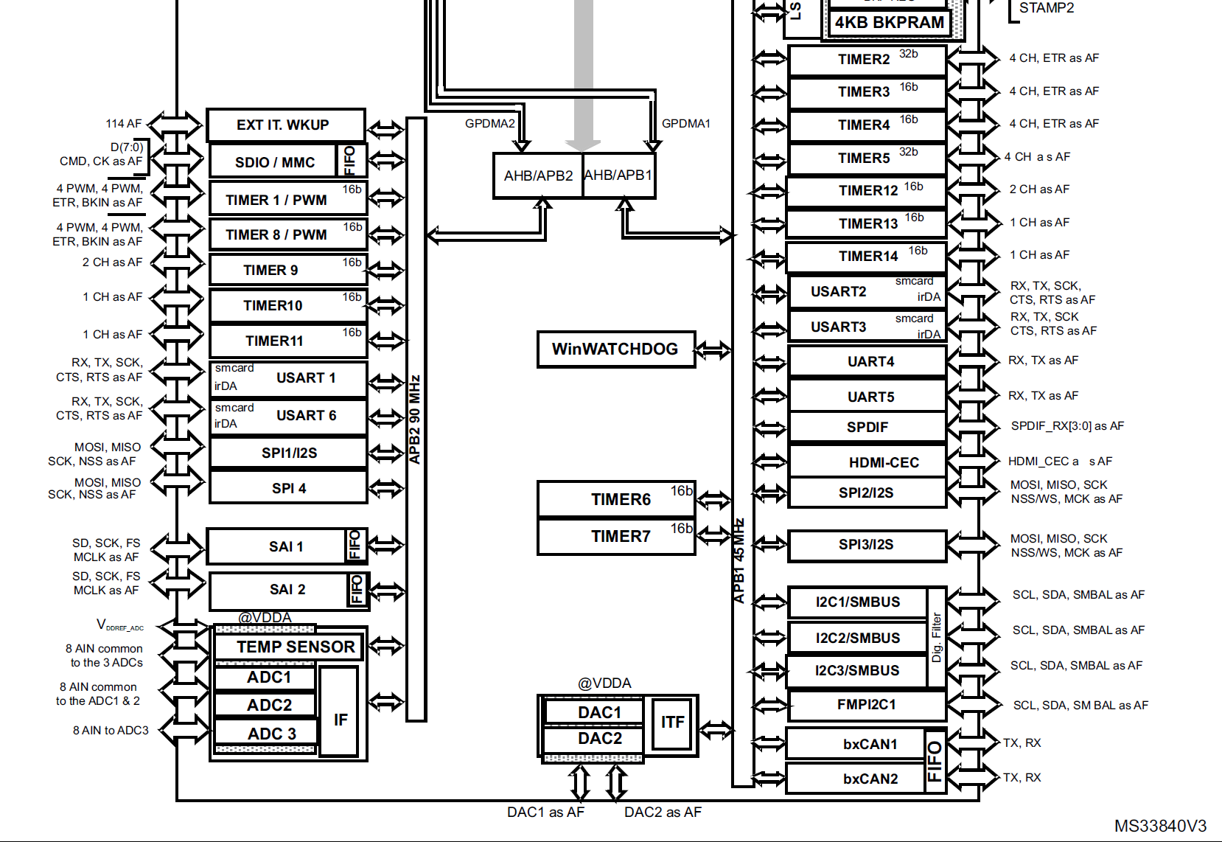
 | Peripheral | timer
APB1 | 45.0MHz | 90.0MHz
APB2 | 90.0MHz | 180.0MHz

 | TIM1 | TIM2 | TIM3 | TIM4 | TIM5 | TIM6 | TIM7 | TIM8 | TIM9 | TIM10 | TIM11 | TIM12 | TIM13 | TIM14
APB | APB2 | APB1 | APB1 | APB1 | APB1 | APB1 | APB1 | APB2 | APB2 | APB2 | APB2 | APB1 | APB1 | APB1
BIT | 16 | 32 | 16 | 16 | 32 | 16 | 16 | 16 | 16 | 16 | 16 | 16 | 16 | 16
Purpose |  |  |  |  | osc trim | us delay
Base Freq | 180.00MHz | 90.00MHz | 90.00MHz | 90.00MHz | 90.00MHz | 90.00MHz | 90.00MHz | 180.00MHz | 180.00MHz | 180.00MHz | 180.00MHz | 90.00MHz | 90.0MHz | 90.0MHz
Precaler | 0 | 0 | 0 | 0 | 0 | 0 | 0 | 0 | 179 | 179 | 0 | 0 | 0 | 0
Period | 0 | 0 | 0 | 0 | 0 | 0 | 0 | 0 | 6867 | 6867 | 0 | 0 | 0 | 0
MHz | 180 | 90 | 90 | 90 | 90 | 90 | 90 | 180 | 0.00014560279557 | 0.00014560279557 | 180 | 90 | 90 | 90
kHz | 180000 | 90000 | 90000 | 90000 | 90000 | 90000 | 90000 | 180000 | 0.14560279557 | 0.14560279557 | 180000 | 90000 | 90000 | 90000
Hz | 180000000 | 90000000 | 90000000 | 90000000 | 90000000 | 90000000 | 90000000 | 180000000 | 145.60279557 | 145.60279557 | 180000000 | 90000000 | 90000000 | 90000000

 | SPI1 | SPI2 | SPI3
APB | APB2 | APB1 | APB1
BIT | 16 | 32 | 16
Purpose | adc spi
Base Freq | 90.00MHz | 45.00MHz | 45.00MHz
Precaler | 4 | 2 | 4
MHz | 22.5 | 22.5 | 11.25
CPOL | Low | Low | Low
CPHA | 2 edge | 2 edge | 1 edge

