ch-dependency
CH Dependency
Initial Setting
Register | Address | Value [Hex] | Note
XDIC_ADDR_FAULT_LEVEL | 0x06 | 0x0770 | Dev_max_curr : 128 / short_level : 70 / fb_level : 0.4
XDIC_ADDR_FAULT_CONTROL | 0x07 | 0x0800 | Timeout_en : 1
XDIC_ADDR_SERIAL_BAUDRATE | 0x25 | 0x035A | serial_cnt_high : 26 / serail_cnt_low : 13
XDIC_ADDR_SERIAL_LATENCY | 0x26 | 0x003C | serial_latency : 60
XDIC_ADDR_OTP_OP_MODE | 0x3F | 0x0800

CH Transition |  |  |  | Visualize
Register | Address | Value [Hex] | Note | xd_ch1 | xd_ch2 | xd_ch3 | xd_ch4
XDIC_ADDR_OTP_OP_MODE | 0x3F | 0x0800
XDIC_ADDR_MAX_CURRENT_VREF | 0x08 | 0x140 | based on 10mA
XDIC_ADDR_CHANNEL_ENABLE | 0x03 | 0x000F | ch1_en : 1 / ch2_en : 1 / ch3_en : 1 / ch4_en : 1
Transition
For CH1
XDIC_ADDR_OTP_OP_MODE | 0x3F | 0x0840
compare
Proper Delay | - | 1.5s
XDIC_ADDR_OTP_OP_MODE | 0x3F | 0x0800
XDIC_ADDR_MAX_CURRENT_VREF | 0x08 | 0x0000
XDIC_ADDR_CHANNEL_ENABLE | 0x03 | 0x0001 | ch1_en : 1
XDIC_ADDR_OTP_OP_MODE | 0x3F | 0x0840
Proper Delay | - | 1.5s
XDIC_ADDR_OTP_OP_MODE | 0x3F | 0x0800
XDIC_ADDR_MAX_CURRENT_VREF | 0x08 | 0x140 | based on 10mA
XDIC_ADDR_CHANNEL_ENABLE | 0x03 | 0x000F | ch1_en : 1 / ch2_en : 1 / ch3_en : 1 / ch4_en : 1
Transition
For CH2
XDIC_ADDR_OTP_OP_MODE | 0x3F | 0x0840
compare
Proper Delay | - | 1.5s
XDIC_ADDR_OTP_OP_MODE | 0x3F | 0x0800
XDIC_ADDR_MAX_CURRENT_VREF | 0x08 | 0x0000
XDIC_ADDR_CHANNEL_ENABLE | 0x03 | 0x0002 | ch2_en : 1
XDIC_ADDR_OTP_OP_MODE | 0x3F | 0x0840
Proper Delay | - | 1.5s
XDIC_ADDR_OTP_OP_MODE | 0x3F | 0x0800
XDIC_ADDR_MAX_CURRENT_VREF | 0x08 | 0x140 | based on 10mA
XDIC_ADDR_CHANNEL_ENABLE | 0x03 | 0x000F | ch1_en : 1 / ch2_en : 1 / ch3_en : 1 / ch4_en : 1
Transition
For CH3
XDIC_ADDR_OTP_OP_MODE | 0x3F | 0x0840
compare
Proper Delay | - | 1.5s
XDIC_ADDR_OTP_OP_MODE | 0x3F | 0x0800
XDIC_ADDR_MAX_CURRENT_VREF | 0x08 | 0x0000
XDIC_ADDR_CHANNEL_ENABLE | 0x03 | 0x0004 | ch3_en : 1
XDIC_ADDR_OTP_OP_MODE | 0x3F | 0x0840
Proper Delay | - | 1.5s
XDIC_ADDR_OTP_OP_MODE | 0x3F | 0x0800
XDIC_ADDR_MAX_CURRENT_VREF | 0x08 | 0x140 | based on 10mA
XDIC_ADDR_CHANNEL_ENABLE | 0x03 | 0x000F | ch1_en : 1 / ch2_en : 1 / ch3_en : 1 / ch4_en : 1
Transition
For CH4
XDIC_ADDR_OTP_OP_MODE | 0x3F | 0x0840
compare
Proper Delay | - | 1.5s
XDIC_ADDR_OTP_OP_MODE | 0x3F | 0x0800
XDIC_ADDR_MAX_CURRENT_VREF | 0x08 | 0x0000
XDIC_ADDR_CHANNEL_ENABLE | 0x03 | 0x0008 | ch4_en : 1
XDIC_ADDR_OTP_OP_MODE | 0x3F | 0x0840
Proper Delay | - | 1.5s

line delay
Line Delay
Initial Setting
Register | Address | Value [Hex] | Note
XDIC_ADDR_LD_CONTROL | 0x01 | 0x0401 | ld_dir : 1 / ch_size : 4
XDIC_ADDR_FPWM_DIVIDER | 0x02 | 0x004F | fpwm_div : 79
XDIC_ADDR_CHANNEL_ENABLE | 0x03 | 0x000F | ch1_en : 1 / ch2_en : 1 / ch3_en : 1 / ch4_en : 1
XDIC_ADDR_FAULT_LEVEL | 0x06 | 0x0770 | Dev_max_curr : 128 / short_level : 70 / fb_level : 0.4
XDIC_ADDR_FAULT_CONTROL | 0x07 | 0x0800 | Timeout_en : 1
XDIC_ADDR_MAX_CURRENT_VREF | 0x08 | 0x140 | 10mA
XDIC_ADDR_DELAY_CH_01 | 0x0B | 0x0000
XDIC_ADDR_DELAY_CH_02 | 0x0C | 0x0400
XDIC_ADDR_DELAY_CH_03 | 0x0D | 0x0800
XDIC_ADDR_DELAY_CH_04 | 0x0E | 0x0C00
XDIC_ADDR_SERIAL_BAUDRATE | 0x25 | 0x035A | serial_cnt_high : 26 / serail_cnt_low : 13
XDIC_ADDR_SERIAL_LATENCY | 0x26 | 0x003C | serial_latency : 60
XDIC_ADDR_MCLK_LOCK_1 | 0x27 | 0x0134
XDIC_ADDR_MCLK_LOCK_2 | 0x28 | 0x0050
XDIC_ADDR_OSC_FLL_MANUAL_2 | 0x2B | 0x0000
XDIC_ADDR_WR_PROTECT | 0x2D | 0x0155
Start Vsync (120Hz) | Ldim | 0x3FF

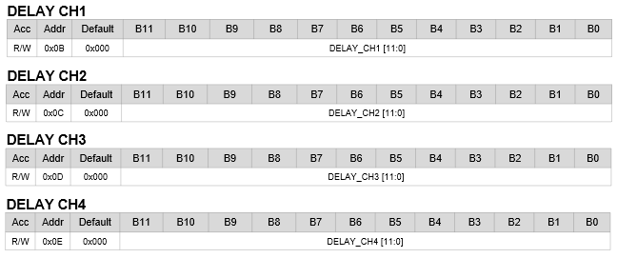
Line Delay Transition |  |  |  | Visualize
Register | Address | Value [Hex] | Note | xd_ch1 | xd_ch2 | xd_ch3 | xd_ch4
XDIC_ADDR_DELAY_CH_01 | 0x0B | 0x000
Line Delay
all 0
XDIC_ADDR_DELAY_CH_02 | 0x0C
XDIC_ADDR_DELAY_CH_03 | 0x0D
XDIC_ADDR_DELAY_CH_04 | 0x0E
Proper Delay | - | 0.5s
can be off
XDIC_ADDR_DELAY_CH_01 | 0x0B | 0x001
Line Delay
B0
XDIC_ADDR_DELAY_CH_02 | 0x0C
XDIC_ADDR_DELAY_CH_03 | 0x0D
XDIC_ADDR_DELAY_CH_04 | 0x0E
Proper Delay | - | 0.5s
XDIC_ADDR_DELAY_CH_01 | 0x0B | 0x002
Line Delay
B1
XDIC_ADDR_DELAY_CH_02 | 0x0C
XDIC_ADDR_DELAY_CH_03 | 0x0D
XDIC_ADDR_DELAY_CH_04 | 0x0E
Proper Delay | - | 0.5s
can be off
XDIC_ADDR_DELAY_CH_01 | 0x0B | 0x004
Line Delay
B2
XDIC_ADDR_DELAY_CH_02 | 0x0C
XDIC_ADDR_DELAY_CH_03 | 0x0D
XDIC_ADDR_DELAY_CH_04 | 0x0E
Proper Delay | - | 0.5s
XDIC_ADDR_DELAY_CH_01 | 0x0B | 0x008
Line Delay
B3
XDIC_ADDR_DELAY_CH_02 | 0x0C
XDIC_ADDR_DELAY_CH_03 | 0x0D
XDIC_ADDR_DELAY_CH_04 | 0x0E
Proper Delay | - | 0.5s
XDIC_ADDR_DELAY_CH_01 | 0x0B | 0x010
Line Delay
B4
XDIC_ADDR_DELAY_CH_02 | 0x0C
XDIC_ADDR_DELAY_CH_03 | 0x0D
XDIC_ADDR_DELAY_CH_04 | 0x0E
Proper Delay | - | 0.5s
XDIC_ADDR_DELAY_CH_01 | 0x0B | 0x020
Line Delay
B5
XDIC_ADDR_DELAY_CH_02 | 0x0C
XDIC_ADDR_DELAY_CH_03 | 0x0D
XDIC_ADDR_DELAY_CH_04 | 0x0E
Proper Delay | - | 0.5s
XDIC_ADDR_DELAY_CH_01 | 0x0B | 0x040
Line Delay
B6
XDIC_ADDR_DELAY_CH_02 | 0x0C
XDIC_ADDR_DELAY_CH_03 | 0x0D
XDIC_ADDR_DELAY_CH_04 | 0x0E
Proper Delay | - | 0.5s
XDIC_ADDR_DELAY_CH_01 | 0x0B | 0x080
Line Delay
B7
XDIC_ADDR_DELAY_CH_02 | 0x0C
XDIC_ADDR_DELAY_CH_03 | 0x0D
XDIC_ADDR_DELAY_CH_04 | 0x0E
Proper Delay | - | 0.5s
can be off
XDIC_ADDR_DELAY_CH_01 | 0x0B | 0x100
Line Delay
B8
XDIC_ADDR_DELAY_CH_02 | 0x0C
XDIC_ADDR_DELAY_CH_03 | 0x0D
XDIC_ADDR_DELAY_CH_04 | 0x0E
Proper Delay | - | 0.5s
XDIC_ADDR_DELAY_CH_01 | 0x0B | 0x200
Line Delay
B9
XDIC_ADDR_DELAY_CH_02 | 0x0C
XDIC_ADDR_DELAY_CH_03 | 0x0D
XDIC_ADDR_DELAY_CH_04 | 0x0E
Proper Delay | - | 0.5s
XDIC_ADDR_DELAY_CH_01 | 0x0B | 0x400
Line Delay
B10
XDIC_ADDR_DELAY_CH_02 | 0x0C
XDIC_ADDR_DELAY_CH_03 | 0x0D
XDIC_ADDR_DELAY_CH_04 | 0x0E
Proper Delay | - | 0.5s
XDIC_ADDR_DELAY_CH_01 | 0x0B | 0x800
Line Delay
B11
XDIC_ADDR_DELAY_CH_02 | 0x0C
XDIC_ADDR_DELAY_CH_03 | 0x0D
XDIC_ADDR_DELAY_CH_04 | 0x0E
Proper Delay | - | 0.5s

scan no.
SCAN_No.
Initial Setting
Register | Address | Value [Hex] | Note
XDIC_ADDR_LD_CONTROL | 0x01 | 0x0401 | ld_dir : 1 / ch_size : 4
XDIC_ADDR_FPWM_DIVIDER | 0x02 | 0x004F | fpwm_div : 79
XDIC_ADDR_CHANNEL_ENABLE | 0x03 | 0x000F | ch1_en : 1 / ch2_en : 1 / ch3_en : 1 / ch4_en : 1
XDIC_ADDR_FAULT_LEVEL | 0x06 | 0x0770 | Dev_max_curr : 128 / short_level : 70 / fb_level : 0.4
XDIC_ADDR_FAULT_CONTROL | 0x07 | 0x0800 | Timeout_en : 1
XDIC_ADDR_MAX_CURRENT_VREF | 0x08 | 0x140 | 10mA
XDIC_ADDR_DELAY_CH_01 | 0x0B | 0x0000
XDIC_ADDR_DELAY_CH_02 | 0x0C | 0x0400
XDIC_ADDR_DELAY_CH_03 | 0x0D | 0x0800
XDIC_ADDR_DELAY_CH_04 | 0x0E | 0x0C00
XDIC_ADDR_SERIAL_BAUDRATE | 0x25 | 0x035A | serial_cnt_high : 26 / serail_cnt_low : 13
XDIC_ADDR_SERIAL_LATENCY | 0x26 | 0x003C | serial_latency : 60
XDIC_ADDR_MCLK_LOCK_1 | 0x27 | 0x0134
XDIC_ADDR_MCLK_LOCK_2 | 0x28 | 0x0050
XDIC_ADDR_OSC_FLL_MANUAL_2 | 0x2B | 0x0000
XDIC_ADDR_WR_PROTECT | 0x2D | 0x0155
Start Vsync (120Hz) | Ldim | 0x100

SCAN No. Transition |  |  |  | Visualize
Register | Address | Value [Hex] | Note | xd_ch1 | xd_ch2 | xd_ch3 | xd_ch4
Local Dimmng Value | - | 0x100
XDIC_ADDR_LD_CONTROL | 0x01 | 0x0401 | ld_dir : 1 / ch_size : 4 / scan_no : 0
SCAN_No.
0
Proper Delay | - | 1.0s
Local Dimmng Value | - | 0x000
XDIC_ADDR_LD_CONTROL | 0x01 | 0x0401 | ld_dir : 1 / ch_size : 4 / scan_no : 0
can be off
can be flicker
Proper Delay | - | 0.1s
we | - | 0x020
XDIC_ADDR_LD_CONTROL | 0x01 | 0x0419 | ld_dir : 1 / ch_size : 4 / scan_no : 3
SCAN_No.
3
Proper Delay | - | 1.0s
Local Dimmng Value |  | 0x000
XDIC_ADDR_LD_CONTROL | 0x01 | 0x0419 | ld_dir : 1 / ch_size : 4 / scan_no : 3
Proper Delay |  | 0.1s

daisy io
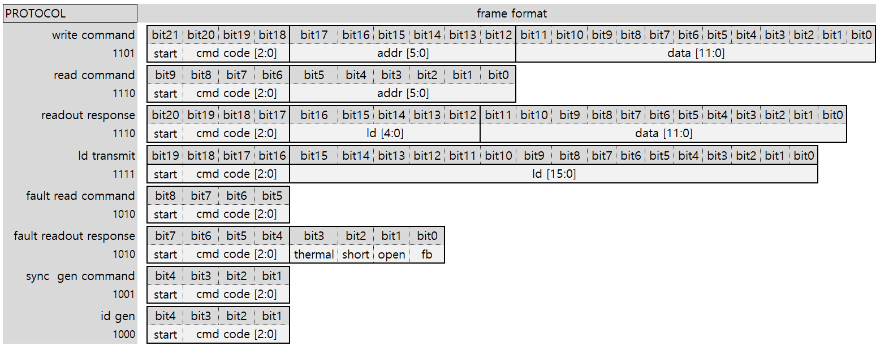
Daisy I/O
Initial Setting
Register | Address | Value [Hex] | Note
XDIC_ADDR_RESET_ID | 0x00 | 0x0800 | RST : 1
Command : id gen | - | -
Command : read command | 0x00
Check ID & Disable Bar |  |  | If ID readen is not "1" and "2", disable the Bar

Serialize
Protocol
ID : 2
ID : 1
Connector
XC24
or
PC
XD04 IC #1
XD04 IC #2

Check ID Field

