MCU Setting
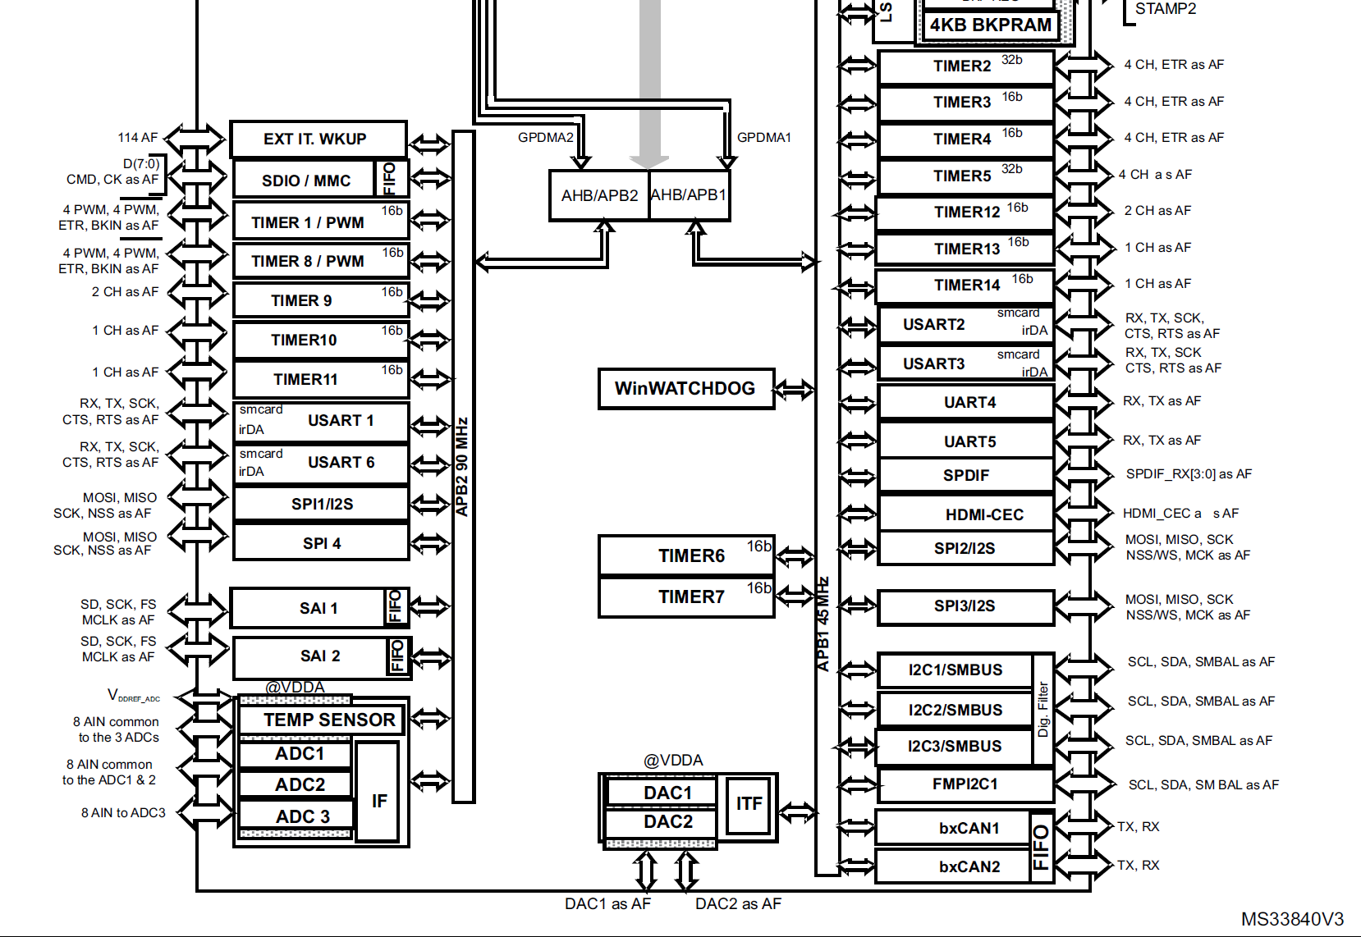
 | Peripheral | timer
APB1 | 32.0MHz | 64.0MHz
APB2 | 64.0MHz | 128.0MHz

 | TIM1 | TIM2 | TIM3 | TIM4 | TIM5 | TIM6 | TIM7 | TIM8 | TIM9 | TIM10 | TIM11 | TIM12 | TIM13 | TIM14
APB | APB2 | APB1 | APB1 | APB1 | APB1 | APB1 | APB1 | APB2 | APB2 | APB2 | APB2 | APB1 | APB1 | APB1
BIT | 16 | 32 | 16 | 16 | 32 | 16 | 16 | 16 | 16 | 16 | 16 | 16 | 16 | 16
Purpose |  | Measure |  |  |  |  |  |  |  |  |  |  | us delay | HAL base
PWM Gen
PWM Input |  | O
DMA |  | O
IRQ |  |  |  |  |  |  |  |  |  |  |  |  | O
Base Freq | 128.00MHz | 64.00MHz | 64.00MHz | 64.00MHz | 64.00MHz | 64.00MHz | 64.00MHz | 128.00MHz | 128.00MHz | 128.00MHz | 128.00MHz | 64.00MHz | 64.0MHz | 64.0MHz
Precaler | 0 | 0 | 0 | 0 | 0 | 0 | 0 | 0 | 0 | 0 | 0 | 0 | 63 | 0
Period | 0 | 0 | 0 | 0 | 0 | 0 | 0 | 0 | 0 | 0 | 0 | 0 | 0 | 0
MHz | 128 | 64 | 64 | 64 | 64 | 64 | 64 | 128 | 128 | 128 | 128 | 64 | 1 | 64
kHz | 128000 | 64000 | 64000 | 64000 | 64000 | 64000 | 64000 | 128000 | 128000 | 128000 | 128000 | 64000 | 1000 | 64000
Hz | 128000000 | 64000000 | 64000000 | 64000000 | 64000000 | 64000000 | 64000000 | 128000000 | 128000000 | 128000000 | 128000000 | 64000000 | 1000000 | 64000000

