DTB_Table
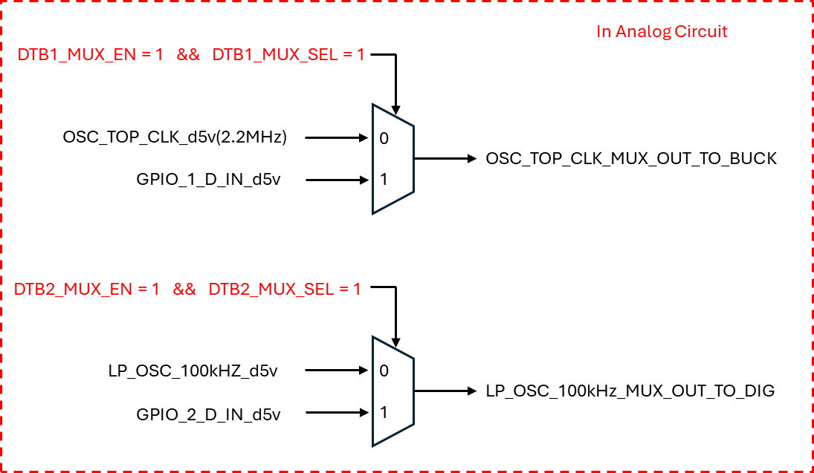
GPIO_1 | DTB1_MUX_SEL |  | GPIO_2 | DTB2_MUX_SEL
DTB1_MUX<4:0> | 0 | 1 | DTB2_MUX<4:0> | 0 | 1
0 | TM_ENTRY | DTB1_INPUT (OSC_TOP_2.2MHz) | 0 | I_ADDR_0_SING_RX_OUT | DTB2_INPUT (LP_OSC_100kHZ)
1 | TEST_MODE_EN |  | 1 | I_ADDR_1_SING_RX_OUT
2 | NORMAL_EN |  | 2 | I_ADDR_2_SING_RX_OUT
3 | DTB_EN1P2 |  | 3 | I_ADDR_0_HI_Z_STATUS
4 | DTB_ENSNS |  | 4 | MS_MODE_DETECT_DONE
5 | DTB_TSD_OUT |  | 5 | ADDR_DETECT_DONE
6 | TM_I2C_SCL_DI |  | 6 | MASTER_MODE
7 | TM_I2C_SDA_DO |  | 7 | TM_I2C_SDA_DI
8 | DTB_BUCK_OUT |  | 8 | I_VB_IN_OV
9 | DTB_RFREQ_OPEN_CHECK |  | 9 | DTB_RFREQ_SHORT_CHECK
10 | DTB_SSC_DAC<0> |  | 10 | DTB_SSC_DAC<1>
11 | DTB_SSC_VREF<0> |  | 11 | DTB_SSC_VREF<1>
12 | I_SIO_DIFF_IN |  | 12 | O_SIO_DIFF_OUT
13 | O_SIO_SING_DOUT_P |  | 13 | O_SIO_SING_DOUT_N
14 | I_SIO_SING_DIN_P |  | 14 | I_SIO_SING_DIN_N
15 | BUCK_SS_CLK |  | 15 | BUCK_SOFT_START_DONE
16 | BUCK_OC |  | 16 | VC_OV
17 | BUCK_VIO_UV_CRIT |  | 17 | BUCK_VIO_UV
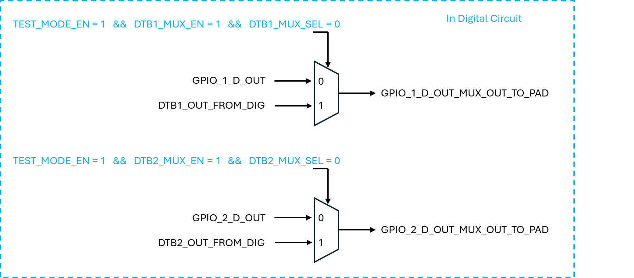
18 | GPIO_2_D_OUT |  | 18 | GPIO_1_D_OUT
19 | GPIO_2_D_IN |  | 19 | GPIO_1_D_IN
20 | I_SIO_SING_DIN_N |  | 20 | GPIO_0_D_OUT
21 | DTB_CP_CLK_DIV_8 |  | 21 | GPIO_0_D_IN
22 | DTB_LP_CLK |  | 22 | BUCK_VIO_OV
23 | TIE_H |  | 23 | BUCK_VIO_BOOT_UV
24 | DTB_OSC_TOP_CLK_DIV_4 |  | 24 | SS_RESET
25 | TIE_L |  | 25 | PSK_ACTIVE
26 | DTB_MCLK_DIV_32 |  | 26 | TO_CAN_RXD
27 | OSC_TOP_EN_D |  | 27 | TO_CAN_LP_RXD
28 | BUCK_EN |  | 28 | DTB_OSC_TOP_CLK_READY
29 | RFREQ_STATUS |  | 29 | DTB_LP_ENABLE
30 | DTB_FSW_450K_MODE_EN |  | 30 | TIE_H
31 | VDD5_UVLO_B |  | 31 | TIE_L

** DTB OUT의 경우에는 Test mode에 진입했을 때만, 측정하는 아이템이기에, TEST MODE EN = 0 이 되면 Register Setting이 풀리게 처리
** DTB IN의 경우에는, Work Around point 이기에, Test mode를 나가더라도, Register Setting을 해놓은게 유지가 되어야, Normal mode 에서도 사용 가능하게 처리

TEST pins
 | I_TM_PAD | GPIO0 | ADDR2 | TEST MODE | Pin use | PAD | Direction | Connection Register (Digital Name) |  | Need to Control @ Digital | Need to Masking @ Digtial
 | 1 | 0 | 0 | I2C mode | I2C_SDA | ADDR0 | IN/OUT | IN : i_TM_I2C_SDA_DI | OUT : o_TM_I2C_SDA_DO |  | <IN> i_ADDR_0_SING_RX_OUT | <OUT> i_TM_I2C_SDA_DI i_ADDR_0_SING_RX_OUT
 |  |  |  |  | I2C_SCL | ADDR1 | IN | IN : i_TM_I2C_SCL_DI |  |  | i_ADDR_1_SING_RX_OUT
 |  |  |  |  | EXT_clk | GPIO2 | IN | IN : i_GPIO_2_D_IN |  | o_GPIO_2_MODE : Low (Input) | Do not use this PAD @ I2C communication
TM 할당 |  |  |  |  | CLK_sel | X | X | Don't Use (IN Test mode, IF "o_TM_LP_MASK_d5v" signal is high, OSC 32M Output(MCLK) is not stop @ LP MODE
 | 1 | 1 | 0 | SCAN mode | Scan_reset | ADDR0 | IN | I_ADDR_0_SING_RX_OUT |  | Input: I_ADDR_2_SING_RX_OUT = 1'b0 I_ADDR0_HI_Z_STATUS = 1'b0 Output: O_ADDR_DETECT_DONE = 1'b1 | i_TM_I2C_SDA_DI
 |  |  |  |  | Scan clk | SIO_N | IN | I_SIO_SING_DIN_N |  | Input: SIO_DIFF_IN = 1'b0 output: SIO_SING_DOUT_P = 1'b0 SIO_SING_DOUT_N = 1'b0 SIO_OUTPUT_ACTIVE = 1'b0 (input mode) SIO_OUTPUT_ACTIVE_DELAY = 1'b0 SIO_DIFF_OUT = 1'b0 SIO_IF_MD [1:0] = 2'b00 SIO_IF_MD_DET_DONE = 1'b1
 |  |  |  |  | Scan_en | ADDR1 | IN | I_ADDR_1_SING_RX_OUT |  | Input: I_ADDR_2_SING_RX_OUT = 1'b0 I_ADDR0_HI_Z_STATUS = 1'b0 Output: O_ADDR_DETECT_DONE = 1'b1 | i_TM_I2C_SCL_DI
 |  |  |  |  | Scan_SI | SIO_P | IN | I_SIO_SING_DIN_P |  | Input: SIO_DIFF_IN = 1'b0 output: SIO_SING_DOUT_P = 1'b0 SIO_SING_DOUT_N = 1'b0 SIO_OUTPUT_ACTIVE = 1'b0 (input mode) SIO_OUTPUT_ACTIVE_DELAY = 1'b0 SIO_DIFF_OUT = 1'b0 SIO_IF_MD [1:0] = 2'b00 SIO_IF_MD_DET_DONE = 1'b1
변경 |  |  |  |  | Scan_SO | GPIO2 | OUT | OUT : O_GPIO_2_D_OUT |  | Input: I_GPIO_2_D_IN = 1'b0 Output: O_GPIO_2_PD = 1'b0 O_GPIO_2_OUTPUT_TYPE = 1'b0 O_GPIO_2_MODE = 1'b1 O_GPIO_2_VEXT_EN = 1'b0
 |  |  |  |  | Scan_comp | GPIO1 | IN | IN : I_GPIO_1_D_IN |  | Input: Output: O_GPIO_1_D_OUT = 1'b0 O_GPIO_1_PD = 1'b0 O_GPIO_1_OUTPUT_TYPE = 1'b0 O_GPIO_1_MODE = 1'b0 O_GPIO_1_VEXT_EN = 1'b0
 | 1 | 0 | 1 | CAN protocol test mode | TX | GPIO2 | OUT | OUT : o_GPIO_2_D_OUT |  | o_GPIO_2_MODE : High (Output)
 |  |  |  |  | RX | GPIO1 | IN | IN : i_GPIO_1_D_IN |  | o_GPIO_1_MODE : Low (Input)
변경 | 1 | 1 | 1 | SIO test mode | SIO_P | GPIO2 | IN/OUT | IN : i_GPIO_2_D_IN | OUT : o_GPIO_2_D_OUT | IN : o_GPIO_2_MODE : Low (Input) / Connect GPIO_2_D_IN ~ SIO_SING_DOUT_P OUT : o_GPIO_2_MODE : High (Output) / Connect SIO_SING_DIN_P ~ GPIO_2_D_OUT | ID804 처럼 활용하는 mode (ID804는 SIO가 2port이기에)
 |  |  |  |  | SIO_N | GPIO1 | IN/OUT | IN : i_GPIO_1_D_IN | OUT : o_GPIO_1_D_OUT | IN : o_GPIO_1_MODE : Low (Input) / Connect GPIO_1_D_IN ~ SIO_SING_DOUT_P OUT : o_GPIO_1_MODE : High (Output) / Connect SIO_SING_DIN_P ~ GPIO_1_D_OUT | ID804 처럼 활용하는 mode (ID804는 SIO가 2port이기에)

 | Common things |  |  | 1. TM PAD High => I_TM_PAD "High" => Digital check => few clk counts => Real TM PAD high check => o_TM_ENTRY "High"
 |  |  |  | 2. Through I2C communication, check Password => o_TEST_MODE_EN "High" , but do not latch "o_TM_ENTRY" signal to high (If we want to out of Test mode, makes TM PAD "Low")
 |  |  |  | 3. IF TM PAD Low => o_TM_ENTRY and o_TEST_MODE_EN are "Low" (Test mode Kill trigger? Out Forcing? by TM PAD)
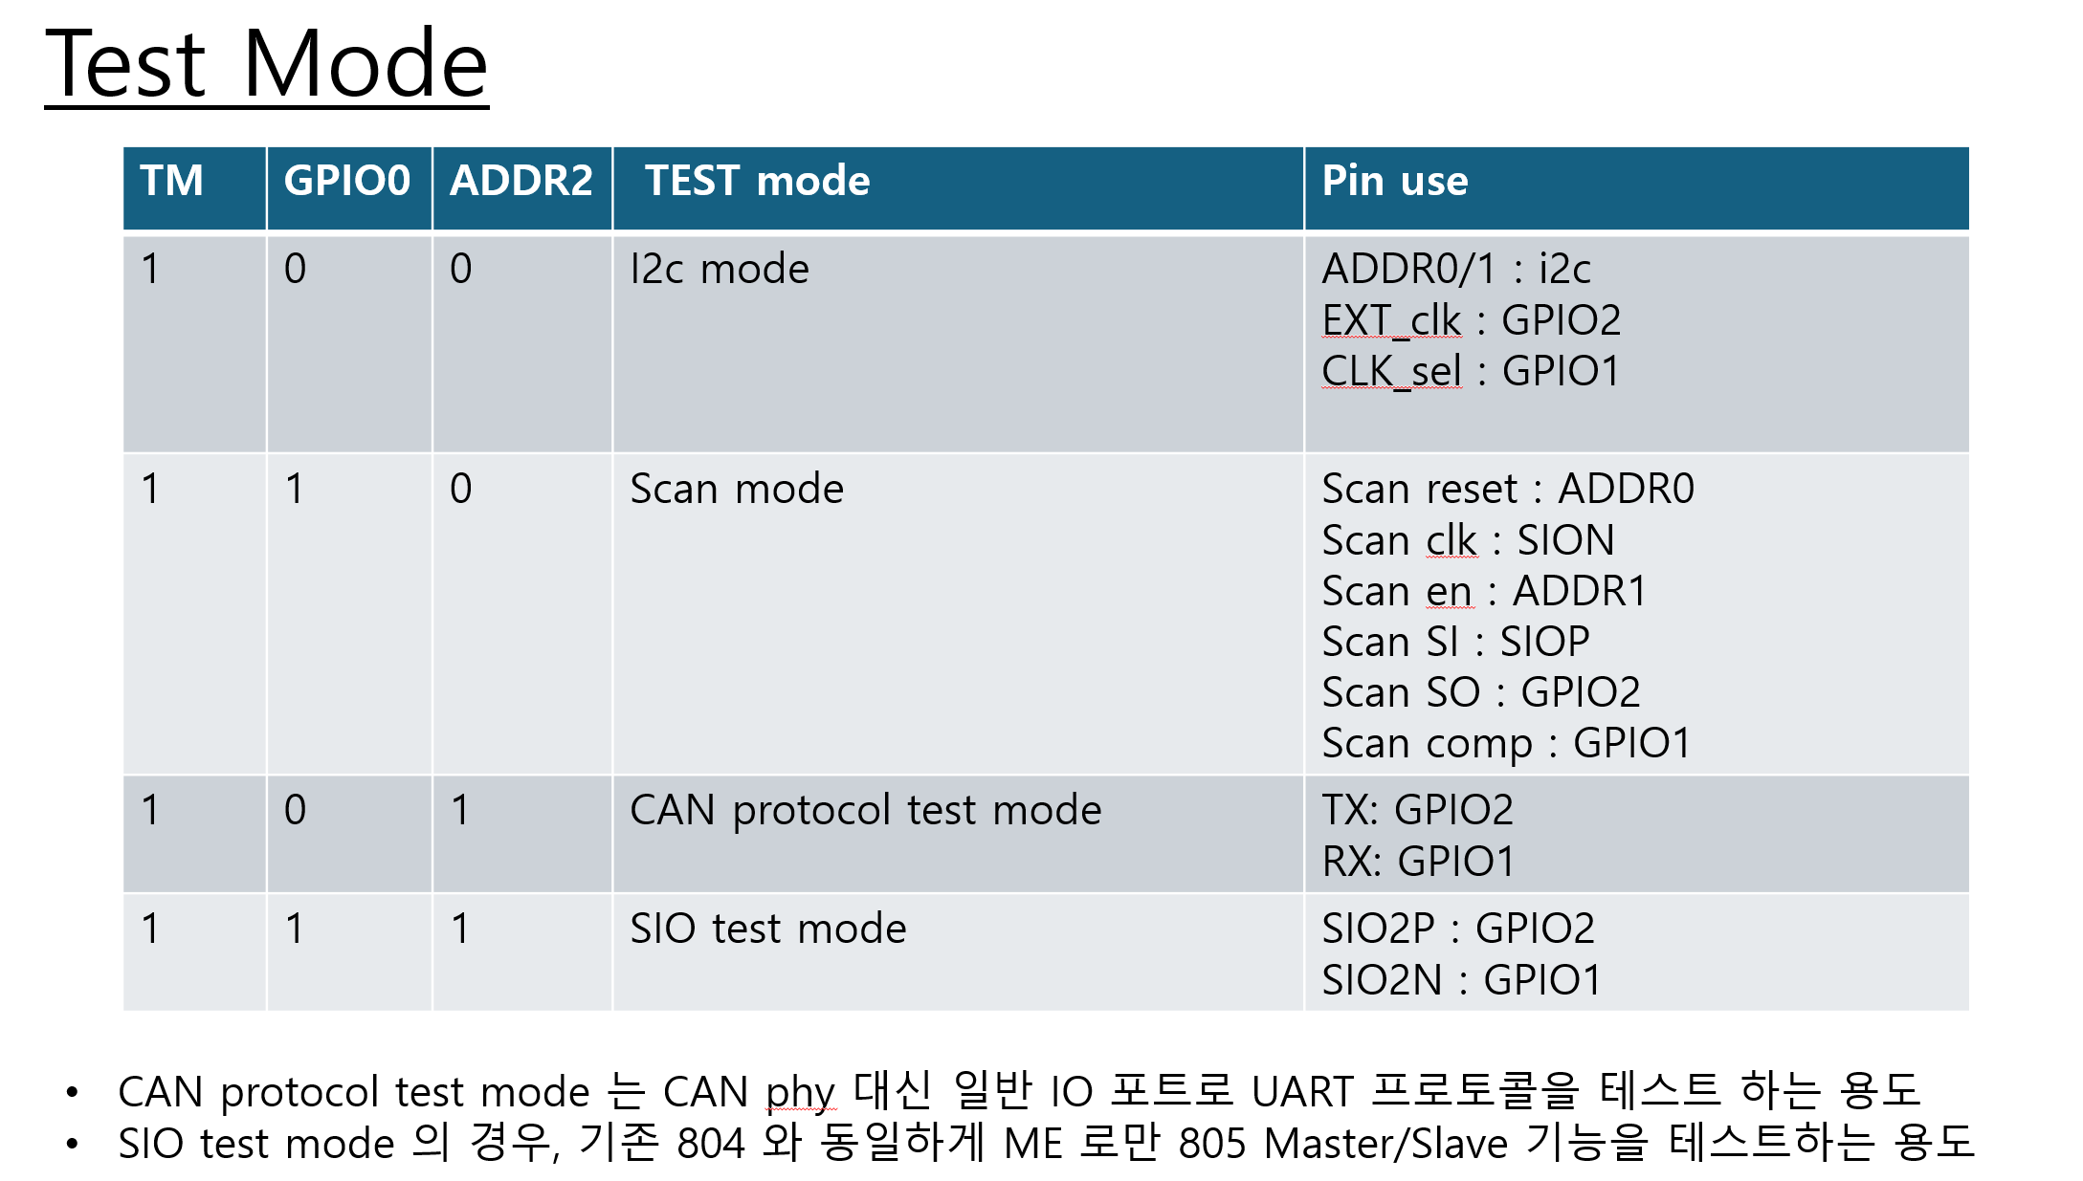

TM_PAD : High Voltage IN
I_TM_PAD : High
Check Few clks
o_TM_ENTRY : High
Few Analog Block En Changed by o_TM_ENTRY : high
& Need to Control / Block few register by DIG
1. I2C mode (ADDR0/1 Rx EN)
2. SCAN mode
3. Protocol test mode
4. SIO test mode
Enter “TM_PW_MODE” using I2C & PW
o_TEST_MODE_EN : High
Select ATB or DTB Test Set
ATB - BIAS EN : 1bit
=> 3bit control bit <2:0>
ATB - BUCK : 2 bit
=> 2bit control bit <1:0> x 2
DTB - GPIO_1/2 : 2 Channel
=> 2bit mux Select bit <1:0> x 2
=> 5bit mux bit <4:0> x 2
TM_PAD_MODE? Quick TM MODE? item
TM_PW_MODE Item

 |  |  |  | ADDR_0 | I2C/SCAN
 |  |  |  | ADDR_1 | I2C/SCAN
 |  |  |  | ADDR_2 | TEST MODE SEL (I2C /Scan/ Can/ SIO)
 |  |  |  | GPIO_0 | TEST MODE SEL (I2C /Scan/ Can/ SIO)
 |  |  |  | GPIO_1 | Multi Purpose (BIAS / BUCK ATB Path 1 / DTB Path 1)
 |  |  |  | GPIO_2 | Multi Purpose (BIAS / BUCK ATB Path 2 / DTB Path 2)

