Sheet2
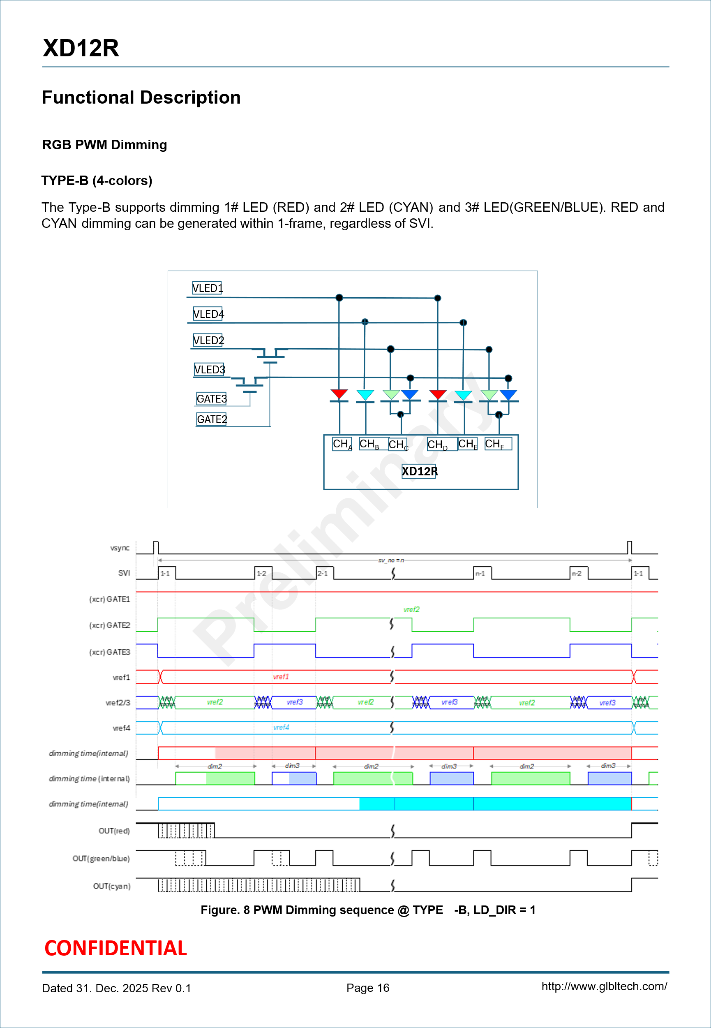
Num of LED in one block | 4
Num of xd-ch one block | 3 | NTS + NTS + TS

XD12R

Need LD Data
Non Time Sharing (NTS) | 1EA
Time Sharing (TS) | 2EA

=XD LD_SIZE
CHx | CH1 | CH2 | CH3 | CH4 | CH5 | CH6 | CH7 | CH8 | CH9 | CH10 | CH11 | CH12 | Total LD Data
Color | R | C | G+B | R | C | G+B | R | C | G+B | R | C | G+B
CHx_LD_TYPE [1:0] | 00 | 01 | 10 | 00 | 01 | 10 | 00 | 01 | 10 | 00 | 01 | 10
LD_TYPE | NTS | NTS | TS | NTS | NTS | TS | NTS | NTS | TS | NTS | NTS | TS | 16EA
Effective SET_GRP | 1 | 4 | 2+3 | 1 | 4 | 2+3 | 1 | 4 | 2+3 | 1 | 4 | 2+3 | -

XC24R | Reg Value
LD_TYPE (06h) | 4
daised_dev_ch_size (20h) | 4
daisy_size (21h ~ ) | 1
block_size (29h ~ ) | 4
Total LD Data | 16

