주파수계산기
FLL_EN | 1
FLL_RANGE | 2

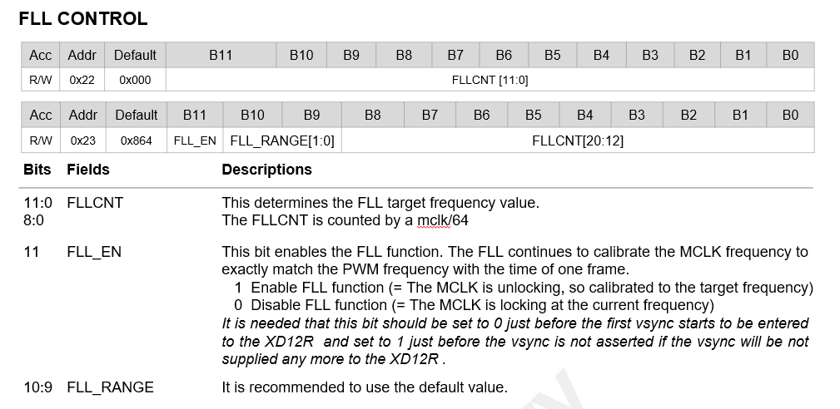
Case 1) MCLK = 40MHz
Vsync | 120 | Hz
XD_MCLK | 40 | MHz
MCLK_LOCK_CNT [20:0] | 166667 | EA | 전체 21bit, 계산 후 반올림
MCLK_LOCK_CNT [11:0] | 2827 | EA | 하위 12bit | 0xB0B | Hex
MCLK_LOCK_CNT [20:12] | 40 | EA | 상위 9bit | 0x028
 |  |  | FLL_EN, FLL_RANGE 통합 (23번지) | 0xC28

Case 2) MCLK = 50MHz
Vsync | 120 | Hz
XD_MCLK | 50 | MHz
MCLK_LOCK_CNT [20:0] | 208333 | EA | 전체 21bit, 계산 후 반올림
MCLK_LOCK_CNT [11:0] | 3533 | EA | 하위 12bit | 0xDCD | Hex
MCLK_LOCK_CNT [20:12] | 50 | EA | 상위 9bit | 0x032
 |  |  | FLL_EN, FLL_RANGE 통합 (23번지) | 0xC32

Case 3) MCLK = 60MHz
Vsync | 120 | Hz
XD_MCLK | 60 | MHz
MCLK_LOCK_CNT [20:0] | 250000 | EA | 전체 21bit, 계산 후 반올림
MCLK_LOCK_CNT [11:0] | 144 | EA | 하위 12bit | 0x090 | Hex
MCLK_LOCK_CNT [20:12] | 61 | EA | 상위 9bit | 0x03D
 |  |  | FLL_EN, FLL_RANGE 통합 (23번지) | 0xC3D

func. test seqeunce
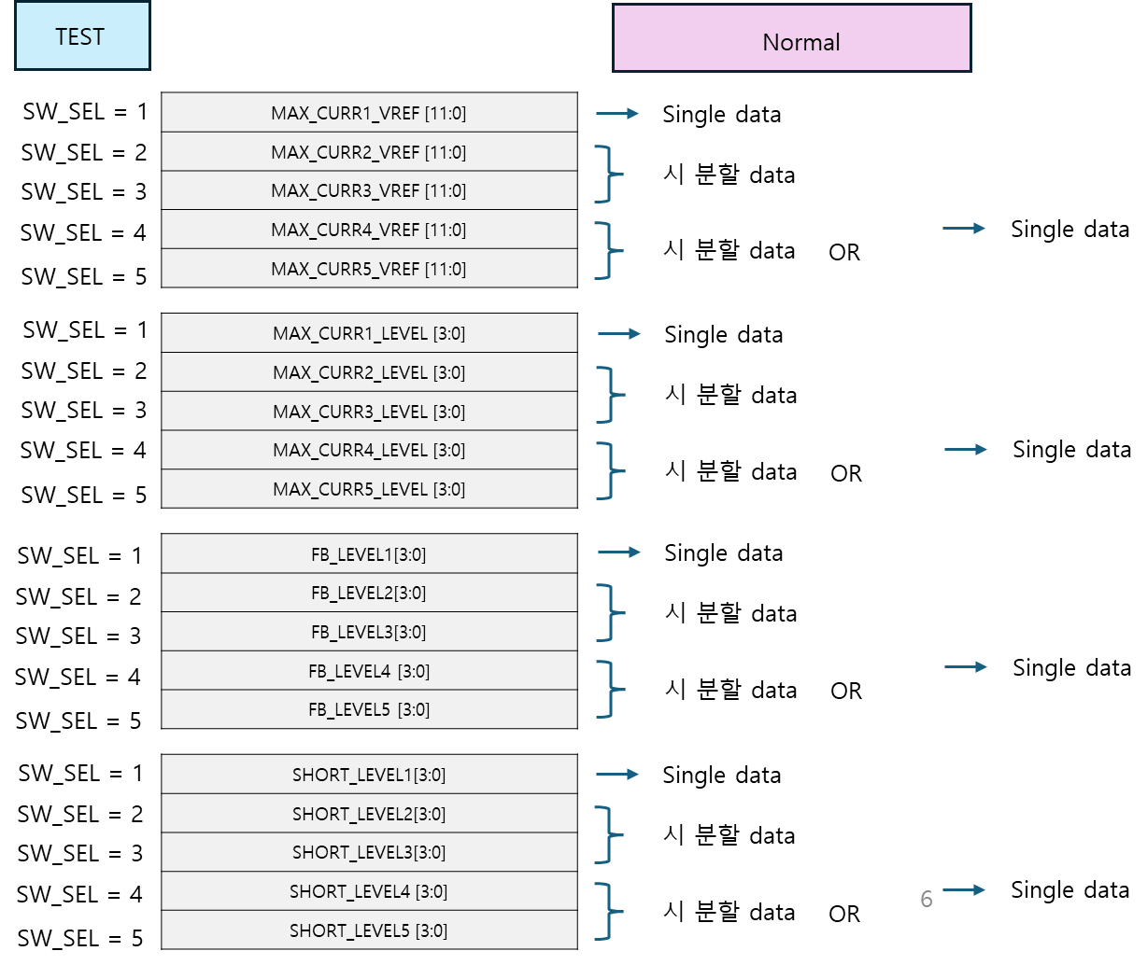
LD DATA | 50% 만 진행
DAISY test | 진행 필요.
X8 mode | 추후 진행 필요
external clock | test 반영 필요

eFUSE
eFuse Trimming Signal (128 x 2)

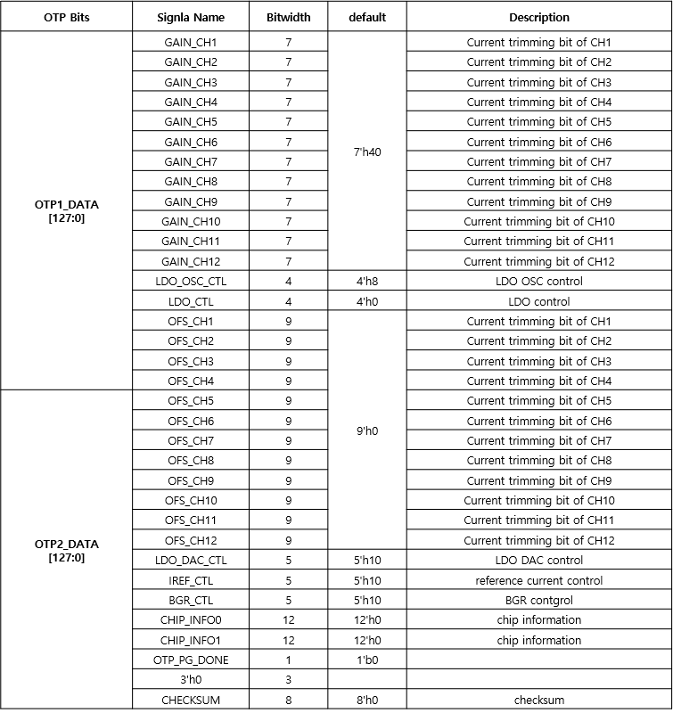

Trimming Sequence

When TEST_EN = 1, SW_SEL = 3'd1 ( 모든 ch. 에 동일한 VREF 입력 )
DAC trimming
when set MCLK64_O = 1, mclk/64 clock out to DDIO.
when set PWMOUT_FULL = 1, PWM_OUT_CHx = 1 (@CHx_EN=1) driving a high-active level to analog
when using test equipment, set the EXT_CLKIN = 1 and use an external clock.

Serial Communication Protocol
As shown in the above figure, 'DIN' input high (1), input low (0) waveforms must be applied.
Since it is difficult to process input '1' or '0' in one line of the test vector,
it should be processed in multiple lines within the test vector according to the ratio.
- input high (1) : 110
- input low (0) : 100
When one line of the test vector represents 1 cycle length, set one line to 3MHz.

MIRROR REG. CHECK
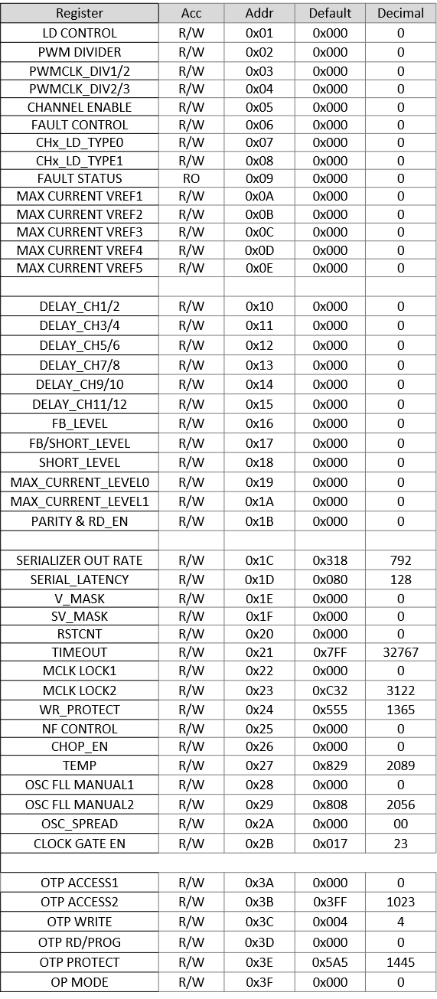
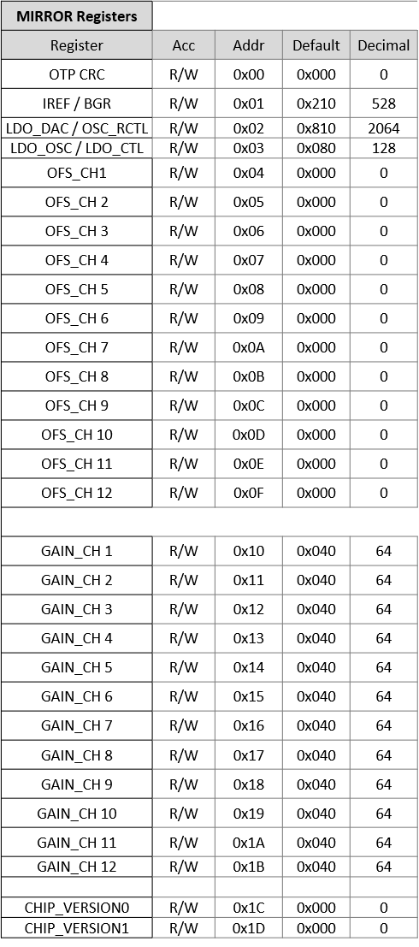
* Mirror Register Check

* Mirror Register Address to check : 0x00 ~ 0x26
(refer to lower block in next page)

FUNCTION TEST
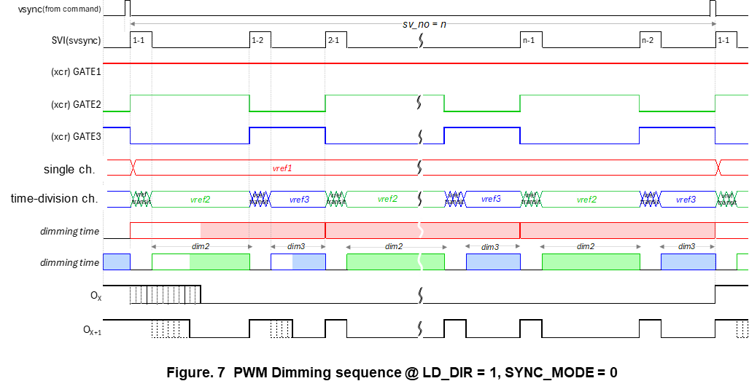
TEST 조건 |  | register setting | ID_GEN
clock | external clock 입력 (50MHz) | 0x3F 번지, 12'802 | BASIC setting
SVSYNC | # 16 sub-frame | basic setting | VSYNC command, SVSYNC input
LD_DIR | TAIL | basic setting | 2 번째 vsync 이후 R/G/B PWM dimming compare ( 전 ch. )
LD_TYPE | R+GB | basic setting
LD_SIZE | 18 ea | basic setting
PWM DIV |  | basic setting
CHx_LD_TYPE |  | basic setting
MAX_CURR_VREF, SHORT_LEVEL, FB_LEVEL, MAX_CURR_LEVEL |  | basic setting

GATE2
GATE3
VLED1 (: GATE1)
VLED2
VLED3
CHx
CHx+1
CHy
CHy+1
XD12R

