Sheet1
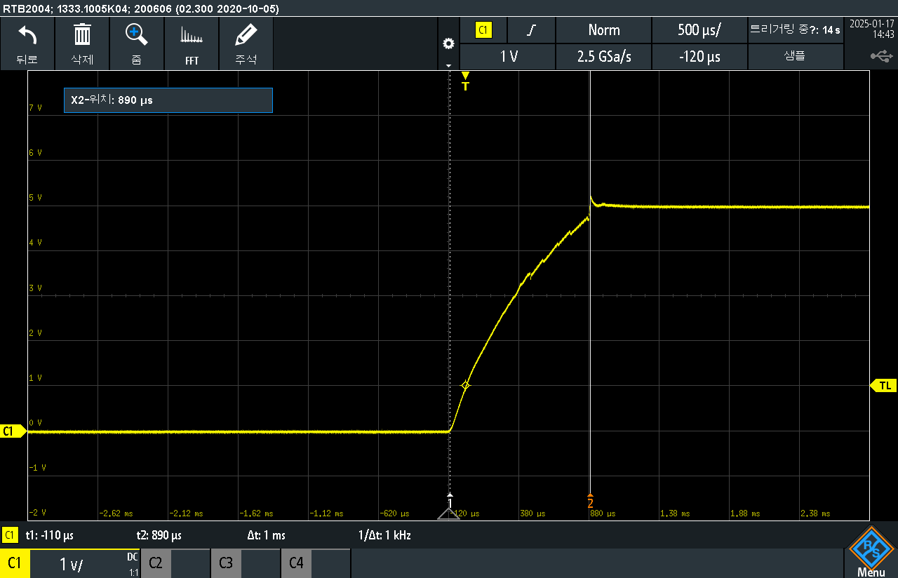
"25. 01. 17 (금)
1. 시험 조건 - Vcc Slope = 1ms; 전원 On 후 Trimming Register를 읽어 POR 동작을 확인 (우측 그림 참조)
2. 시험 장소 - GT 실험실
3. 시험 담당 - 이준영 대리
4. 요약
Original Version - Pass 3ea / NG 2ea (CQ #1, CQ #4); 한솔로 부터 전달받은 불량 시료 중 임의 선별
1ms
Metal Revision - All Pass (5ea); Metal Revision 입수

5. 상세 (오류는 적색, 정상은 흑색 표기)
 |  | Original Version (Rev 전) |  |  |  |  | Metal Revision (Rev 후)
Register's Name | Address | CQ #1 | CQ #2 | CQ #3 | CQ #4 | CQ #5 | CQ #11 | CQ #12 | CQ #13 | CQ #14 | CQ #15
MODE_DAC_OFFSET | 0x3A | 0x001F | 0x0030 | 0x002D | 0x001F | 0x0032 | 0x002D | 0x0032 | 0x002A | 0x002C | 0x002E
V_ANA_GAIN | 0x40 | 0x01FF | 0x02D8 | 0x02C6 | 0x01FF | 0x02E3 | 0x02B9 | 0x0309 | 0x0279 | 0x02B1 | 0x02E4
DAC_OFFSET_CHANNEL_1 | 0x41 | 0x0000 | 0x0B0D | 0x061F | 0x0000 | 0x0D0C | 0x1F0E | 0x0A0A | 0x1317 | 0x030A | 0x1F20
DAC_OFFSET_CHANNEL_2 | 0x42 | 0x0000 | 0x0510 | 0x1830 | 0x0000 | 0x0908 | 0x0D1E | 0x1409 | 0x010F | 0x1F0E | 0x190B
DAC_OFFSET_CHANNEL_3 | 0x43 | 0x0000 | 0x0503 | 0x0826 | 0x0000 | 0x0711 | 0x070E | 0x0A10 | 0x0B1D | 0x1F0A | 0x1316
DAC_OFFSET_CHANNEL_4 | 0x44 | 0x0000 | 0x190D | 0x1E2D | 0x0000 | 0x090E | 0x0403 | 0x1511 | 0x0F15 | 0x0308 | 0x0D22
DAC_OFFSET_CHANNEL_5 | 0x45 | 0x0000 | 0x0F0E | 0x1228 | 0x0000 | 0x0503 | 0x0000 | 0x0000 | 0x0000 | 0x050F | 0x091C
DAC_OFFSET_CHANNEL_6 | 0x46 | 0x0000 | 0x030F | 0x1C2C | 0x0000 | 0x110F | 0x0517 | 0x0D16 | 0x0F15 | 0x090F | 0x0A06
DAC_OFFSET_CHANNEL_7 | 0x47 | 0x0000 | 0x0B0C | 0x0023 | 0x0000 | 0x0B0E | 0x0711 | 0x1307 | 0x0509 | 0x0114 | 0x0D19
DAC_OFFSET_CHANNEL_8 | 0x48 | 0x0000 | 0x1314 | 0x1437 | 0x0000 | 0x0000 | 0x190A | 0x130F | 0x0D21 | 0x010C | 0x0F0E
DAC_OFFSET_CHANNEL_9 | 0x49 | 0x0000 | 0x0B0D | 0x123B | 0x0000 | 0x110A | 0x0921 | 0x0000 | 0x190A | 0x0503 | 0x0B0E
DAC_OFFSET_CHANNEL_10 | 0x4A | 0x0000 | 0x001A | 0x1634 | 0x0000 | 0x150A | 0x150D | 0x1B12 | 0x0503 | 0x0717 | 0x0113
DAC_OFFSET_CHANNEL_11 | 0x4B | 0x0000 | 0x090E | 0x0432 | 0x0000 | 0x0D05 | 0x0D13 | 0x0403 | 0x0000 | 0x0108 | 0x0503
DAC_OFFSET_CHANNEL_12 | 0x4C | 0x0000 | 0x0313 | 0x0C23 | 0x0000 | 0x0315 | 0x1D17 | 0x0922 | 0x1B13 | 0x1D17 | 0x1909
DAC_OFFSET_CHANNEL_13 | 0x4D | 0x0000 | 0x0F08 | 0x161D | 0x0000 | 0x1B10 | 0x0503 | 0x1305 | 0x0108 | 0x130C | 0x190C
DAC_OFFSET_CHANNEL_14 | 0x4E | 0x0000 | 0x050E | 0x1428 | 0x0000 | 0x170A | 0x0403 | 0x0108 | 0x151E | 0x1C07 | 0x0E09
DAC_OFFSET_CHANNEL_15 | 0x4F | 0x0000 | 0x0403 | 0x161A | 0x0000 | 0x1A0C | 0x0B19 | 0x0503 | 0x0000 | 0x0000 | 0x0000
DAC_OFFSET_CHANNEL_16 | 0x50 | 0x0000 | 0x170C | 0x1E29 | 0x0000 | 0x0107 | 0x1406 | 0x1712 | 0x1F0D | 0x0516 | 0x1713
DAC_OFFSET_CHANNEL_17 | 0x51 | 0x0000 | 0x0B06 | 0x1234 | 0x0000 | 0x000D | 0x1315 | 0x0B1B | 0x1914 | 0x0D0A | 0x1C06
DAC_OFFSET_CHANNEL_18 | 0x52 | 0x0000 | 0x171B | 0x041F | 0x0000 | 0x0403 | 0x0403 | 0x0000 | 0x0913 | 0x0000 | 0x070E
DAC_OFFSET_CHANNEL_19 | 0x53 | 0x0000 | 0x090A | 0x122D | 0x0000 | 0x1720 | 0x1D27 | 0x1908 | 0x0907 | 0x0503 | 0x0503
DAC_OFFSET_CHANNEL_20 | 0x54 | 0x0000 | 0x0503 | 0x0028 | 0x0000 | 0x0F07 | 0x1E15 | 0x0503 | 0x0000 | 0x1507 | 0x1707
DAC_OFFSET_CHANNEL_21 | 0x55 | 0x0000 | 0x0B07 | 0x0630 | 0x0000 | 0x1F0C | 0x0A05 | 0x1F10 | 0x0000 | 0x0B07 | 0x150D
DAC_OFFSET_CHANNEL_22 | 0x56 | 0x0000 | 0x1514 | 0x0225 | 0x0000 | 0x0915 | 0x070A | 0x1C07 | 0x010B | 0x0503 | 0x0403
DAC_OFFSET_CHANNEL_23 | 0x57 | 0x0000 | 0x0B08 | 0x0436 | 0x0000 | 0x110D | 0x0D06 | 0x0000 | 0x0D0A | 0x1110 | 0x0F0F
DAC_OFFSET_CHANNEL_24 | 0x58 | 0x0000 | 0x0000 | 0x1435 | 0x0000 | 0x1D12 | 0x1D10 | 0x1B11 | 0x1311 | 0x0F0B | 0x0F0B
VREF_OFFSET_CHANNEL_1 | 0x59 | 0x0000 | 0x0403 | 0x0516 | 0x0000 | 0x0403 | 0x0403 | 0x0503 | 0x040B | 0x0806 | 0x0C16
VREF_OFFSET_CHANNEL_2 | 0x5A | 0x0000 | 0x1208 | 0x0B13 | 0x0000 | 0x0902 | 0x0814 | 0x0000 | 0x0000 | 0x0403 | 0x0608
VREF_OFFSET_CHANNEL_3 | 0x5B | 0x0000 | 0x0503 | 0x030E | 0x0000 | 0x0403 | 0x1604 | 0x0406 | 0x0211 | 0x0E07 | 0x0E08
VREF_OFFSET_CHANNEL_4 | 0x5C | 0x0000 | 0x0809 | 0x070F | 0x0000 | 0x1604 | 0x0503 | 0x0206 | 0x0013 | 0x0608 | 0x0C0F
VREF_OFFSET_CHANNEL_5 | 0x5D | 0x0000 | 0x0E07 | 0x090A | 0x0000 | 0x0000 | 0x1307 | 0x0403 | 0x0E06 | 0x0409 | 0x1C08
VREF_OFFSET_CHANNEL_6 | 0x5E | 0x0000 | 0x0C05 | 0x0B0F | 0x0000 | 0x1008 | 0x180E | 0x0E07 | 0x140B | 0x1C0D | 0x1407
VREF_OFFSET_CHANNEL_7 | 0x5F | 0x0000 | 0x0E06 | 0x0503 | 0x0000 | 0x1811 | 0x1C06 | 0x0A07 | 0x0403 | 0x120C | 0x0A0A
VREF_OFFSET_CHANNEL_8 | 0x60 | 0x0000 | 0x0608 | 0x030F | 0x0000 | 0x0E05 | 0x0005 | 0x0809 | 0x1610 | 0x0C08 | 0x0403
VREF_OFFSET_CHANNEL_9 | 0x61 | 0x0000 | 0x1201 | 0x151B | 0x0000 | 0x1006 | 0x0818 | 0x0000 | 0x0403 | 0x0403 | 0x1806
VREF_OFFSET_CHANNEL_10 | 0x62 | 0x0000 | 0x0907 | 0x0917 | 0x0000 | 0x0000 | 0x0403 | 0x0C05 | 0x0403 | 0x160D | 0x0E06
VREF_OFFSET_CHANNEL_11 | 0x63 | 0x0000 | 0x0403 | 0x0118 | 0x0000 | 0x0403 | 0x0412 | 0x0000 | 0x1004 | 0x0000 | 0x1004
VREF_OFFSET_CHANNEL_12 | 0x64 | 0x0000 | 0x060B | 0x110B | 0x0000 | 0x080C | 0x180E | 0x1814 | 0x120C | 0x180D | 0x1A05
VREF_OFFSET_CHANNEL_13 | 0x65 | 0x0000 | 0x0403 | 0x0D08 | 0x0000 | 0x0C06 | 0x0403 | 0x0000 | 0x0C05 | 0x0403 | 0x1209
VREF_OFFSET_CHANNEL_14 | 0x66 | 0x0000 | 0x0005 | 0x1D10 | 0x0000 | 0x000A | 0x0403 | 0x060B | 0x0E16 | 0x0206 | 0x1105
VREF_OFFSET_CHANNEL_15 | 0x67 | 0x0000 | 0x0403 | 0x090C | 0x0000 | 0x0503 | 0x1007 | 0x0209 | 0x0403 | 0x0503 | 0x0000
VREF_OFFSET_CHANNEL_16 | 0x68 | 0x0000 | 0x0C06 | 0x0515 | 0x0000 | 0x1806 | 0x0503 | 0x1205 | 0x1804 | 0x0A0F | 0x0E06
VREF_OFFSET_CHANNEL_17 | 0x69 | 0x0000 | 0x0A07 | 0x0313 | 0x0000 | 0x0000 | 0x0A08 | 0x0C0D | 0x020B | 0x1404 | 0x0000
VREF_OFFSET_CHANNEL_18 | 0x6A | 0x0000 | 0x1812 | 0x0310 | 0x0000 | 0x0000 | 0x0403 | 0x0000 | 0x140A | 0x0606 | 0x1604
VREF_OFFSET_CHANNEL_19 | 0x6B | 0x0000 | 0x0000 | 0x1112 | 0x0000 | 0x0216 | 0x1A0F | 0x0403 | 0x1E01 | 0x0C07 | 0x0801
VREF_OFFSET_CHANNEL_20 | 0x6C | 0x0000 | 0x0403 | 0x0B12 | 0x0000 | 0x0C0A | 0x1D0C | 0x0A0A | 0x1401 | 0x1A0B | 0x0000
VREF_OFFSET_CHANNEL_21 | 0x6D | 0x0000 | 0x1E06 | 0x0714 | 0x0000 | 0x0C05 | 0x0000 | 0x1404 | 0x0207 | 0x020A | 0x120A
VREF_OFFSET_CHANNEL_22 | 0x6E | 0x0000 | 0x0403 | 0x1B14 | 0x0000 | 0x180E | 0x1409 | 0x0403 | 0x0A0D | 0x0403 | 0x1605
VREF_OFFSET_CHANNEL_23 | 0x6F | 0x0000 | 0x0000 | 0x0719 | 0x0000 | 0x0408 | 0x1E04 | 0x0503 | 0x1809 | 0x0408 | 0x1208
VREF_OFFSET_CHANNEL_24 | 0x70 | 0x0000 | 0x0000 | 0x0117 | 0x0000 | 0x0000 | 0x1007 | 0x1A11 | 0x0409 | 0x0408 | 0x0403

