Sheet1
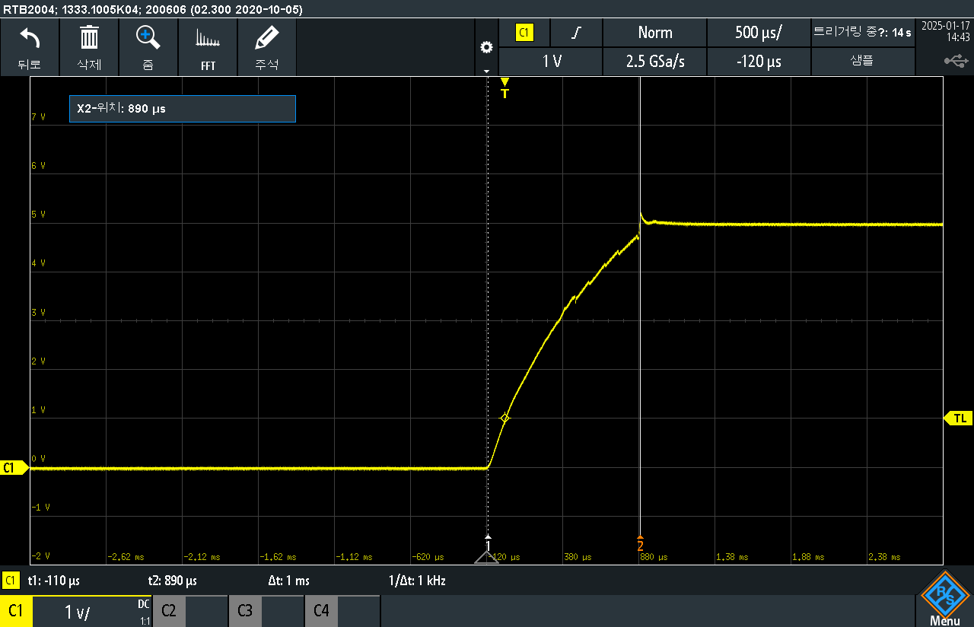
1ms
...
CQ #17 | CQ #18 | CQ #19 | CQ #20 | CQ #21 | CQ #22
0x002C | 0x002E | 0x002C | 0x002E | 0x002D | 0x002E
0x02AC | 0x02B1 | 0x02A8 | 0x02A9 | 0x02AD | 0x02BA
0x0503 | 0x0107 | 0x1305 | 0x130C | 0x1F21 | 0x1110
0x0503 | 0x0F1A | 0x0403 | 0x1106 | 0x1710 | 0x170A
0x0503 | 0x0710 | 0x150D | 0x0403 | 0x0F16 | 0x1316
0x1116 | 0x0D06 | 0x0503 | 0x1B08 | 0x0F0A | 0x030A
0x1913 | 0x0000 | 0x050F | 0x0403 | 0x0403 | 0x190E
0x0000 | 0x0503 | 0x0503 | 0x1911 | 0x0708 | 0x1912
0x110D | 0x0503 | 0x1F11 | 0x0000 | 0x0000 | 0x1E0C
0x0403 | 0x0000 | 0x0403 | 0x1110 | 0x1506 | 0x0307
0x1108 | 0x0503 | 0x1510 | 0x0F0F | 0x090F | 0x0403
0x0503 | 0x1305 | 0x1112 | 0x0000 | 0x0403 | 0x170E
0x1B09 | 0x080F | 0x031C | 0x0F11 | 0x1306 | 0x0710
0x0908 | 0x0000 | 0x0000 | 0x0716 | 0x0112 | 0x0503
0x1F21 | 0x130E | 0x0906 | 0x0503 | 0x1108 | 0x1D0C
0x1F10 | 0x0503 | 0x0109 | 0x0403 | 0x0718 | 0x111C
0x050B | 0x0209 | 0x0000 | 0x0910 | 0x0313 | 0x0917
0x0403 | 0x0B07 | 0x0000 | 0x130A | 0x0403 | 0x0403
0x0503 | 0x0000 | 0x170C | 0x0107 | 0x0503 | 0x1C0C
0x1F13 | 0x1F0A | 0x0000 | 0x1A05 | 0x0B14 | 0x090E
0x1D12 | 0x110D | 0x0A05 | 0x0000 | 0x0D07 | 0x0000
0x1F0D | 0x0B0C | 0x0503 | 0x090F | 0x1812 | 0x0922
0x0000 | 0x1F0C | 0x0318 | 0x070D | 0x1205 | 0x0503
0x1D0F | 0x130E | 0x0306 | 0x1F17 | 0x150C | 0x1317
0x1D14 | 0x0009 | 0x0000 | 0x1D13 | 0x0F09 | 0x0503
0x0403 | 0x0000 | 0x0503 | 0x1F14 | 0x1B09 | 0x0000
0x0403 | 0x0403 | 0x0403 | 0x1E09 | 0x160F | 0x020B
0x0403 | 0x0613 | 0x1B08 | 0x1205 | 0x0E08 | 0x1E0B
0x0000 | 0x000D | 0x060C | 0x0403 | 0x1C0E | 0x040B
0x0C0B | 0x0009 | 0x1404 | 0x1008 | 0x1C04 | 0x1605
0x140F | 0x0000 | 0x0209 | 0x0000 | 0x0503 | 0x0403
0x0403 | 0x1C04 | 0x0503 | 0x1E08 | 0x0403 | 0x1208
0x1C09 | 0x0807 | 0x1A0E | 0x0403 | 0x0000 | 0x0000
...

