Sheet1
TIM6 |  |  | TIM7 |  |  | TIM9 |  |  | TIM1 |  |  | TIM14
 |  |  |  |  |  |  |  |  |  |  |  |  |  |  | T_Line_select | 21.416666667 | us
Vsync |  |  | Sub_period |  |  | F_scan |  |  | GCLK |  |  | Parsing_GS |  |  | T_1_sub_frame | 685.33333333 | us
 |  |  |  |  |  |  |  |  |  |  |  |  |  |  | T_256-sub_frame | 175445.33333 | us
APB1 | 90 | MHz | APB1 | 90 | MHz | APB2 | 180 | MHz | APB2 | 180 | MHz | APB1 | 90 | MHz
Prescale | 4999 | 5000-1 | Prescale | 3 | 4-1 | Prescale | 0 |  | Prescale | 0 |  | Prescale | 0 |  | T_Line_select_Margin | 22.4875 | us
Period | 4499 | 4500-1 | Period | 19564 | 19565-1 | Period | 5999 | 6000-1 | Period | 14 | 15-1 | Period | 44999 | 45000-1 | T_1_sub_frame_Margin | 755.58 | us
Freq | 0.000004 | MHz | Freq | 1.1500127779 | kHz | Freq | 30 | kHz | Freq | 12 | MHz | Freq | 2 | kHz | T_256-sub_frame_Margin | 193428.48 | us
Period | 250000 | us | Period | 0.86955555556 | ms | Period | 0.033333333333 | ms | Period | 0.083333333333 | us | Period | 500 | us
 | 250 | ms |  | 869.55555556 | us |  | 33.333333333 | us |  | 83.333333333 | ns |  | 500000 | ns | F_Line_select_Margin | 44.469149528 | kHz
 |  |  |  |  |  |  |  |  |  |  |  |  |  |  | F_1_sub_frame_Margin | 1.3234865931 | kHz
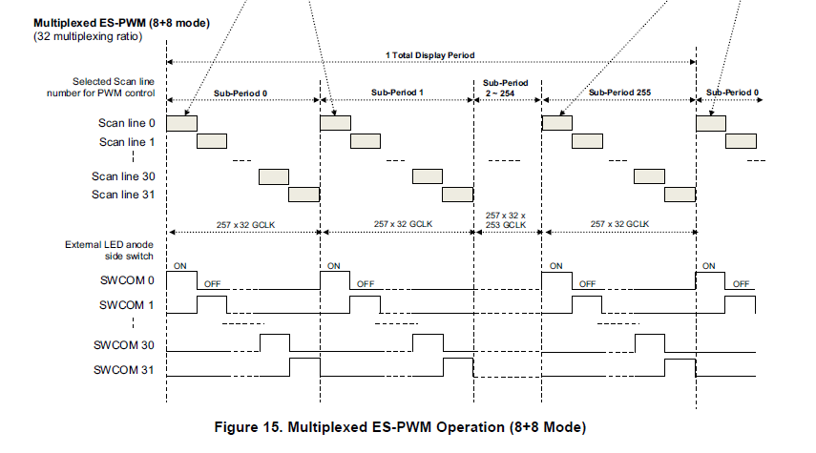
 |  |  |  |  |  |  |  |  |  | 21.416666667 |  | TIM13 |  |  | F_256-sub_frame_Margin | 5.1698695042 | Hz

 |  |  |  |  |  |  |  |  |  |  |  | change_pat |  |  | F_Line_select_set | 30 | kHz
 |  |  |  |  |  |  |  |  |  |  |  |  |  |  | F_1_sub_frame_set | 1.15 | kHz
 |  |  |  |  |  |  |  |  |  |  |  | APB1 | 90 | MHz | F_256-sub_frame_set | 4 | Hz
 |  |  |  |  |  |  |  |  |  |  |  | Prescale | 999
 |  |  |  |  |  |  |  |  |  |  |  | Period | 44999 | 45000-1
 |  |  |  |  |  |  |  |  |  |  |  | Freq | 2 | Hz
 |  |  |  |  |  |  |  |  |  |  |  | Period | 500 | ms

