Sheet1
TIM6 |  |  | TIM7 |  |  | TIM9 |  |  | TIM1 |  |  |  | TIM14 |  |  | TIM13
 |  |  |  |  |  |  |  |  |  | 3 | dummy |  |  |  |  |  |  |  | T_Line_select | 17.133333333 | us
Vsync |  |  | Sub_period | 256 | ea | F_scan | 26 |  | GCLK | 257 | valid |  | Parsing_GS |  |  | pattern_timer |  |  | T_1_sub_frame | 548.26666667 | us
 |  |  |  |  |  |  |  |  |  |  |  |  |  |  |  |  |  |  | T_256-sub_frame | 140356.26667 | us
APB1 | 90 | MHz | APB1 | 90 | MHz | APB2 | 180 | MHz | APB2 | 180 | MHz |  | APB1 | 90 | MHz | APB1 | 90 | MHz
Prescale | 299 | 300-1 | Prescale | 1 | 2-1 | Prescale | 0 |  | Prescale | 0 |  |  | Prescale | 0 |  | Prescale | 999 |  | T_Line_select_Margin | 17.99 | us
Period | 40435 | 17441-1 | Period | 23683 | 10000-1 | Period | 3599 | 1540-1 | Period | 11 | 6-1 |  | Period | 8999 | 45000-1 | Period | 22499 |  | T_1_sub_frame_Margin | 604.464 | us
Freq | 7.419131467 | Hz | Freq | 1.900016889 | kHz | Freq | 50 | kHz | Freq | 15 | MHz |  | Freq | 10 | kHz | Freq | 4 | Hz | T_256-sub_frame_Margin | 154742.784 | us
Period | 0.13478666667 | s | Period | 0.52631111111 | ms | Period | 0.02 | ms | Period | 0.066666666667 | us |  | Period | 100 | us | Period | 0.25 | s
 | 134.78666667 | ms |  | 526.31111111 | us |  | 20 | us |  | 66.666666667 | ns |  |  | 100000 | ns |  | 4499 | 0.05s | F_Line_select_Margin | 55.586436909 | kHz
 |  |  |  |  |  |  |  |  |  |  |  |  |  |  |  |  |  |  | F_1_sub_frame_Margin | 1.6543582414 | kHz
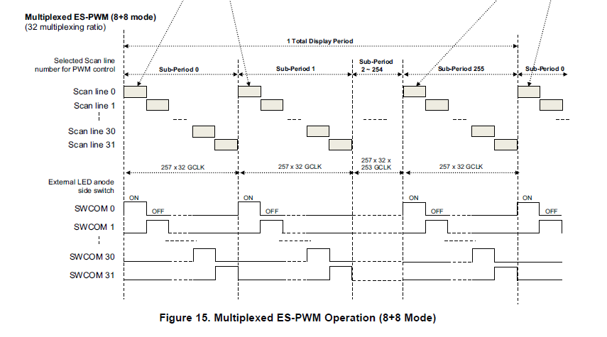
 |  |  |  |  |  |  |  |  | 1-line | 17.533333333 | us | 57.034220532 | kHz |  |  |  |  |  | F_256-sub_frame_Margin | 6.4623368803 | Hz
 |  |  |  |  |  |  |  |  | 1-sub frame | 520 | us | 1.9230769231 | kHz
 |  |  |  |  |  |  |  |  | 1-frame | 134735.64444 | us | 7.4219409728 | Hz |  |  |  |  |  | F_Line_select_set | 30 | kHz
 |  |  |  |  |  |  |  |  |  | 134.73564444 | ms |  |  |  |  |  |  |  | F_1_sub_frame_set | 1.15 | kHz
 |  |  |  |  |  |  |  |  |  |  |  |  |  |  |  |  |  |  | F_256-sub_frame_set | 4 | Hz
 |  |  |  |  |  |  |  |  |  | 0.051022222222

 |  |  |  |  |  |  |  |  | SCLK | 96 | ea

 |  |  |  |  |  |  |  |  |  | 250 | ns
 |  |  |  |  |  |  |  |  |  | 24 | us

