TLC59581 define
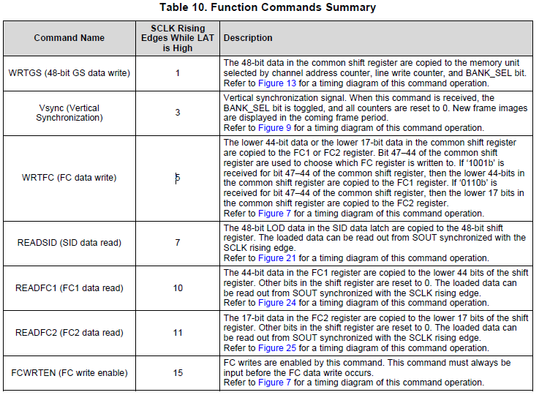
1. TLC59581 | Command List
List |  | Full Name | Description | Value (16-bit) | Payload (num of bits)
WRTFB | custom command | write frame buffer | transmit gray scale data from MCU to FPGA | 0x28 | 48 * block size
WRTGS | TLC59581 command | write GS data | transmit gray scale data from FPGA to TLC59581 | 0x21 | 48 (don't care)
WRTFC |  | write FC register | - | 0x01 | 48 (don't care)
FCWRTEN |  | write FC register enable | - | 0x02 | 48 (don't care)
VSYNC |  | vertical sync | transmit gray scale data from FPGA to TLC59581 | 0x11 | 48 (don't care)

2. System Operating Mode
mode | max scan line | current setting | CCX
1 | 30 | 100.5uA | 25
2 | 60 | 201.0uA | 50
3 | 90 | 301.5uA | 75
4 | 120 | 402.0uA | 100

3. line scanning
 | system mode 1 | system mode 2 | system mode 3 | system mode 4
phase 1 | 1 | 1, 31 | 1, 31, 61 | 1, 31, 61, 91
phase 2 | 2 | 2, 32 | 2, 32, 62 | 2, 32, 62, 92
phase 3 | 3 | 3, 33 | 3, 33, 63 | 3, 33, 63, 93
phase 4 | 4 | 4, 34 | 4, 34, 64 | 4, 34, 64, 94
phase 5 | 5 | 5, 35 | 5, 35, 65 | 5, 35, 65, 95
phase 6 | 6 | 6, 36 | 6, 36, 66 | 6, 36, 66, 96
phase 7 | 7 | 7, 37 | 7, 37, 67 | 7, 37, 67, 97
phase 8 | 8 | 8, 38 | 8, 38, 68 | 8, 38, 68, 98
phase 9 | 9 | 9, 39 | 9, 39, 69 | 9, 39, 69, 99
phase 10 | 10 | 10, 40 | 10, 40, 70 | 10, 40, 70, 100
phase 11 | 11 | 11, 41 | 11, 41, 71 | 11, 41, 71, 101
phase 12 | 12 | 12, 42 | 12, 42, 72 | 12, 42, 72, 102
phase 13 | 13 | 13, 43 | 13, 43, 73 | 13, 43, 73, 103
phase 14 | 14 | 14, 44 | 14, 44, 74 | 14, 44, 74, 104
phase 15 | 15 | 15, 45 | 15, 45, 75 | 15, 45, 75, 105
phase 16 | 16 | 16, 46 | 16, 46, 76 | 16, 46, 76, 106
phase 17 | 17 | 17, 47 | 17, 47, 77 | 17, 47, 77, 107
phase 18 | 18 | 18, 48 | 18, 48, 78 | 18, 48, 78, 108
phase 19 | 19 | 19, 49 | 19, 49, 79 | 19, 49, 79, 109
phase 20 | 20 | 20, 50 | 20, 50, 80 | 20, 50, 80, 110
phase 21 | 21 | 21, 51 | 21, 51, 81 | 21, 51, 81, 111
phase 22 | 22 | 22, 52 | 22, 52, 82 | 22, 52, 82, 112
phase 23 | 23 | 23, 53 | 23, 53, 83 | 23, 53, 83, 113
phase 24 | 24 | 24, 54 | 24, 54, 84 | 24, 54, 84, 114
phase 25 | 25 | 25, 55 | 25, 55, 85 | 25, 55, 85, 115
phase 26 | 26 | 26, 56 | 26, 56, 86 | 26, 56, 86, 116
phase 27 | 27 | 27, 57 | 27, 57, 87 | 27, 57, 87, 117
phase 28 | 28 | 28, 58 | 28, 58, 88 | 28, 58, 88, 118
phase 29 | 29 | 29, 59 | 29, 59, 89 | 29, 59, 89, 119
phase 30 | 30 | 30, 60 | 30, 60, 90 | 30, 60, 90, 120

timing
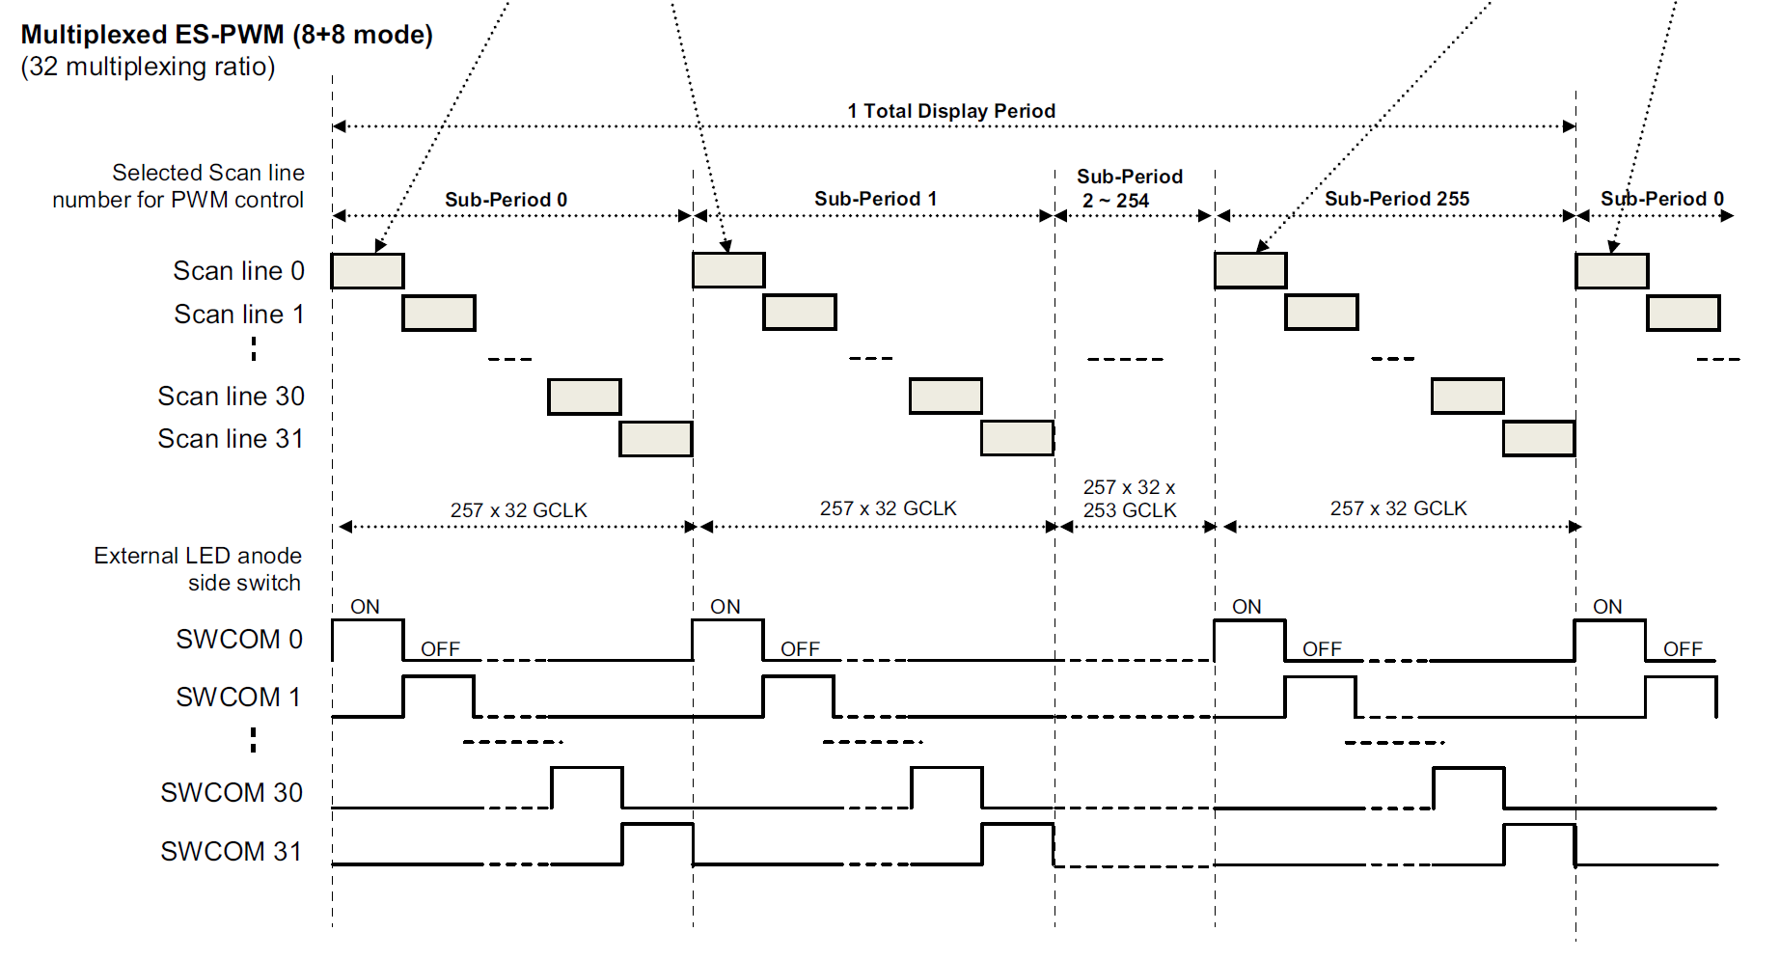
GCLK | 33 | MHz | 257 | ea
SPI | 25 | MHz | 48 | ea

spi daisy | 8 | ea
sub frame | 256 | ea
line | 30 | ea
ch | 120 | ea

line per device | 30 | ea
ch per device | 16 | ea

dimming time per line | 7.79 | us
dimming time per sub frame | 233.64 | us
dimming time per frame | 59810.91 | us
frame frequency | 16.72 | Hz

spi transfer per packet | 1.92 | us
spi transfer per channel | 15.36 | us
spi transfer per line | 245.76 | us
spi transfer per bank | 7372.8 | us

scan_decoder
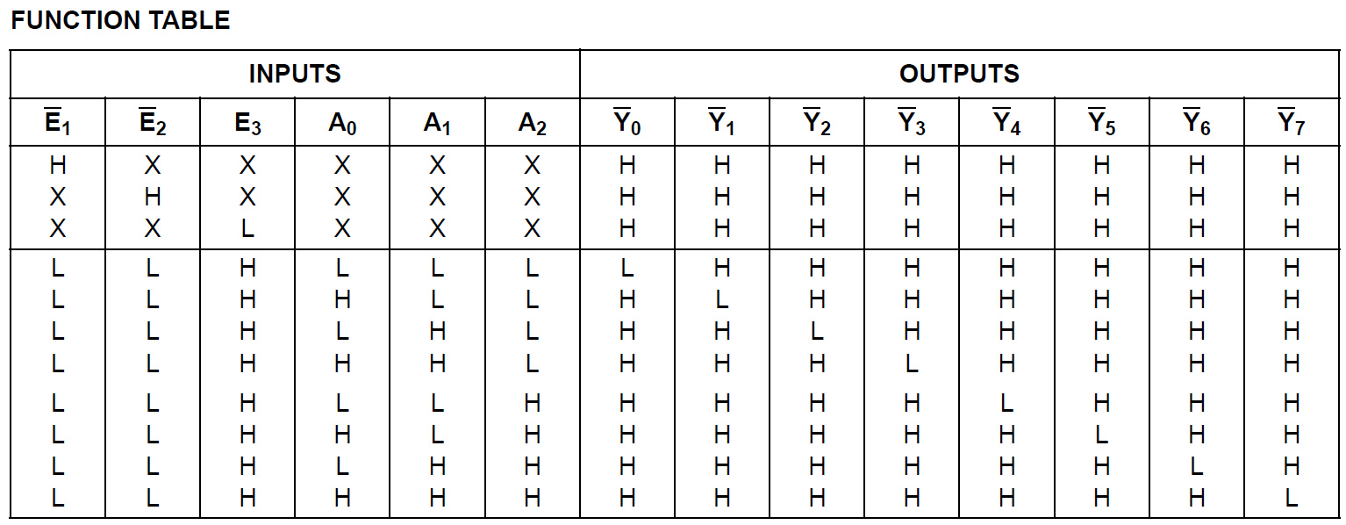
 |  |  |  |  | DEC_1 |  |  |  | BUFFER_1 |  |  |  | BUFFER_5 |  |  |  | BUFFER_9 |  |  |  | BUFFER_13
 |  |  |  | DEC_1 -->> | A | Y0 | -->> DEC_SCAN_1 | DEC_SCAN_1 -->> | A1 | B1 | -->> SCAN_1 | DEC_SCAN_1 -->> | A1 | B1 | -->> SCAN_31 | DEC_SCAN_1 -->> | A1 | B1 | -->> SCAN_61 | DEC_SCAN_1 -->> | A1 | B1 | -->> SCAN_91
 |  |  |  | DEC_2 -->> | B | Y1 | -->> DEC_SCAN_2 | DEC_SCAN_2 -->> | A2 | B2 | -->> SCAN_2 | DEC_SCAN_2 -->> | A2 | B2 | -->> SCAN_32 | DEC_SCAN_2 -->> | A2 | B2 | -->> SCAN_62 | DEC_SCAN_2 -->> | A2 | B2 | -->> SCAN_92
 |  |  |  | DEC_3 -->> | C | Y2 | -->> DEC_SCAN_3 | DEC_SCAN_3 -->> | A3 | B3 | -->> SCAN_3 | DEC_SCAN_3 -->> | A3 | B3 | -->> SCAN_33 | DEC_SCAN_3 -->> | A3 | B3 | -->> SCAN_63 | DEC_SCAN_3 -->> | A3 | B3 | -->> SCAN_93
 |  |  |  |  |  | Y3 | -->> DEC_SCAN_4 | DEC_SCAN_4 -->> | A4 | B4 | -->> SCAN_4 | DEC_SCAN_4 -->> | A4 | B4 | -->> SCAN_34 | DEC_SCAN_4 -->> | A4 | B4 | -->> SCAN_64 | DEC_SCAN_4 -->> | A4 | B4 | -->> SCAN_94
 |  |  |  | DEC_1_EN -->> | E1 | Y4 | -->> DEC_SCAN_5 | DEC_SCAN_5 -->> | A5 | B5 | -->> SCAN_5 | DEC_SCAN_5 -->> | A5 | B5 | -->> SCAN_35 | DEC_SCAN_5 -->> | A5 | B5 | -->> SCAN_65 | DEC_SCAN_5 -->> | A5 | B5 | -->> SCAN_95
 |  |  |  | DEC_EN -->> | E2 | Y5 | -->> DEC_SCAN_6 | DEC_SCAN_6 -->> | A6 | B6 | -->> SCAN_6 | DEC_SCAN_6 -->> | A6 | B6 | -->> SCAN_36 | DEC_SCAN_6 -->> | A6 | B6 | -->> SCAN_66 | DEC_SCAN_6 -->> | A6 | B6 | -->> SCAN_96
 |  |  |  | VCC -->> | E3 | Y6 | -->> DEC_SCAN_7 | DEC_SCAN_7 -->> | A7 | B7 | -->> SCAN_7 | DEC_SCAN_7 -->> | A7 | B7 | -->> SCAN_37 | DEC_SCAN_7 -->> | A7 | B7 | -->> SCAN_67 | DEC_SCAN_7 -->> | A7 | B7 | -->> SCAN_97
 |  |  |  |  |  | Y7 | -->> DEC_SCAN_8 | DEC_SCAN_8 -->> | A8 | B8 | -->> SCAN_8 | DEC_SCAN_8 -->> | A8 | B8 | -->> SCAN_38 | DEC_SCAN_8 -->> | A8 | B8 | -->> SCAN_68 | DEC_SCAN_8 -->> | A8 | B8 | -->> SCAN_98
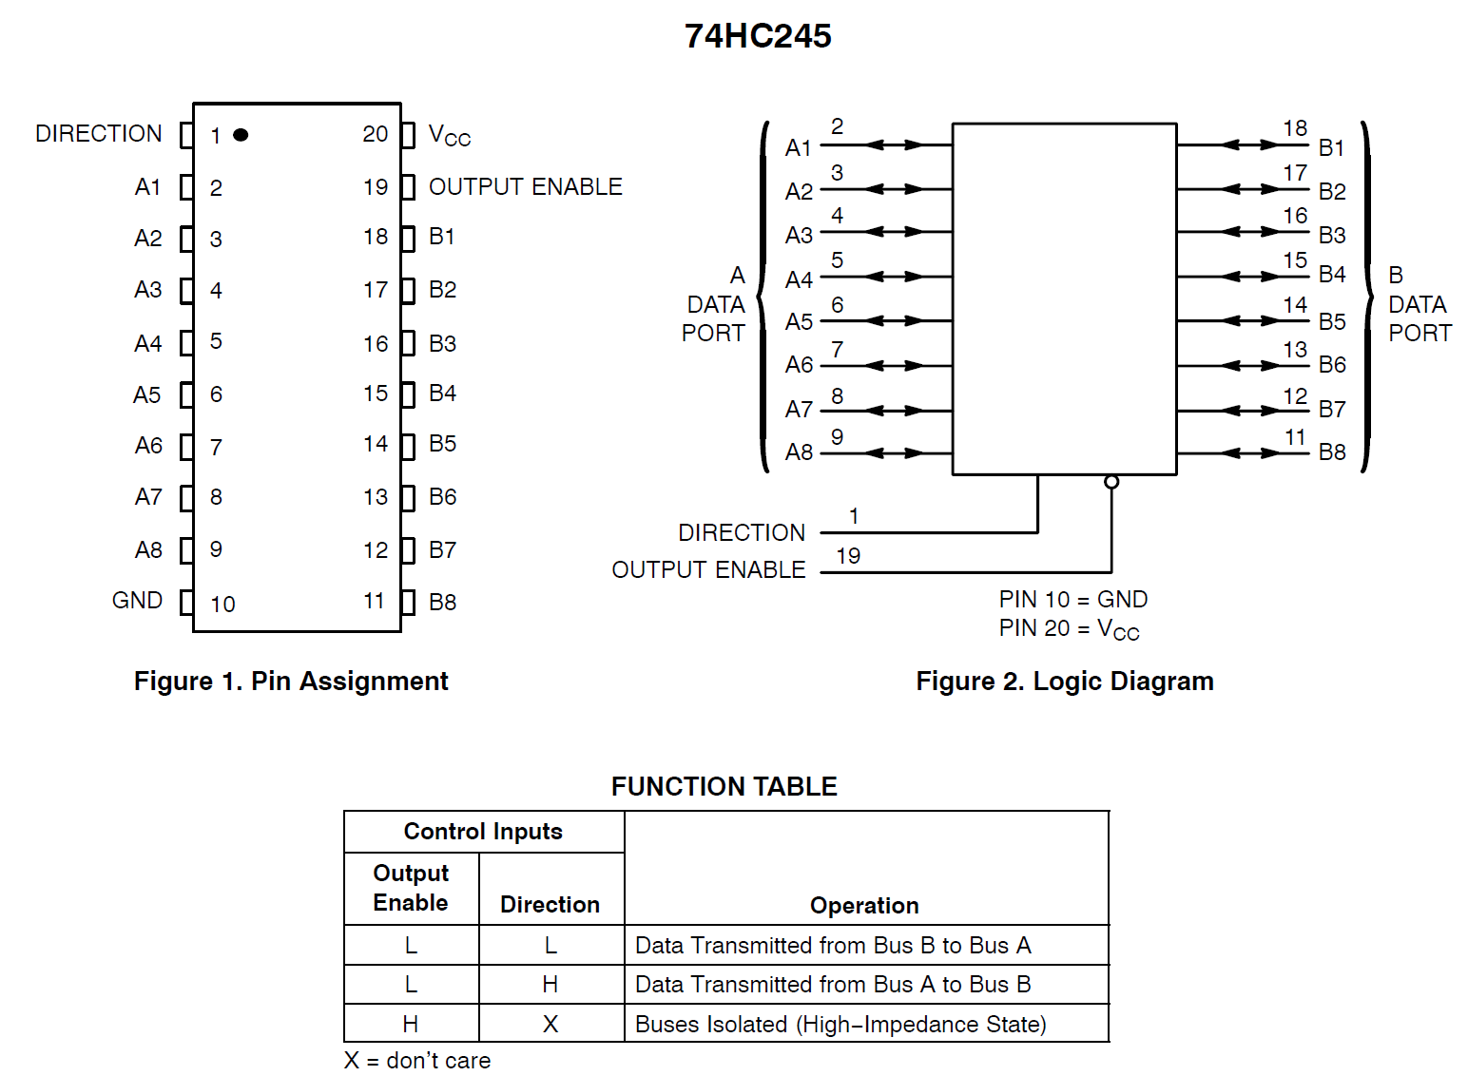
 |  |  |  |  |  |  |  | BUFF_EN_1 -->> | OE | DIR | VCC | BUFF_EN_2 -->> | OE | DIR | VCC | BUFF_EN_3 -->> | OE | DIR | VCC | BUFF_EN_4 -->> | OE | DIR | VCC

 |  |  |  |  | DEC_2 |  |  |  | BUFFER_2 |  |  |  | BUFFER_6 |  |  |  | BUFFER_10 |  |  |  | BUFFER_14
 |  |  |  | DEC_1 -->> | A | Y0 | -->> DEC_SCAN_9 | DEC_SCAN_9 -->> | A1 | B1 | -->> SCAN_9 | DEC_SCAN_9 -->> | A1 | B1 | -->> SCAN_39 | DEC_SCAN_9 -->> | A1 | B1 | -->> SCAN_69 | DEC_SCAN_9 -->> | A1 | B1 | -->> SCAN_99
 |  |  |  | DEC_2 -->> | B | Y1 | -->> DEC_SCAN_10 | DEC_SCAN_10 -->> | A2 | B2 | -->> SCAN_10 | DEC_SCAN_10 -->> | A2 | B2 | -->> SCAN_40 | DEC_SCAN_10 -->> | A2 | B2 | -->> SCAN_70 | DEC_SCAN_10 -->> | A2 | B2 | -->> SCAN_100
 |  |  |  | DEC_3 -->> | C | Y2 | -->> DEC_SCAN_11 | DEC_SCAN_11 -->> | A3 | B3 | -->> SCAN_11 | DEC_SCAN_11 -->> | A3 | B3 | -->> SCAN_41 | DEC_SCAN_11 -->> | A3 | B3 | -->> SCAN_71 | DEC_SCAN_11 -->> | A3 | B3 | -->> SCAN_101
 |  |  |  |  |  | Y3 | -->> DEC_SCAN_12 | DEC_SCAN_12 -->> | A4 | B4 | -->> SCAN_12 | DEC_SCAN_12 -->> | A4 | B4 | -->> SCAN_42 | DEC_SCAN_12 -->> | A4 | B4 | -->> SCAN_72 | DEC_SCAN_12 -->> | A4 | B4 | -->> SCAN_102
 |  |  |  | DEC_2_EN -->> | E1 | Y4 | -->> DEC_SCAN_13 | DEC_SCAN_13 -->> | A5 | B5 | -->> SCAN_13 | DEC_SCAN_13 -->> | A5 | B5 | -->> SCAN_43 | DEC_SCAN_13 -->> | A5 | B5 | -->> SCAN_73 | DEC_SCAN_13 -->> | A5 | B5 | -->> SCAN_103
 |  |  |  | DEC_EN -->> | E2 | Y5 | -->> DEC_SCAN_14 | DEC_SCAN_14 -->> | A6 | B6 | -->> SCAN_14 | DEC_SCAN_14 -->> | A6 | B6 | -->> SCAN_44 | DEC_SCAN_14 -->> | A6 | B6 | -->> SCAN_74 | DEC_SCAN_14 -->> | A6 | B6 | -->> SCAN_104
 |  |  |  | VCC -->> | E3 | Y6 | -->> DEC_SCAN_15 | DEC_SCAN_15 -->> | A7 | B7 | -->> SCAN_15 | DEC_SCAN_15 -->> | A7 | B7 | -->> SCAN_45 | DEC_SCAN_15 -->> | A7 | B7 | -->> SCAN_75 | DEC_SCAN_15 -->> | A7 | B7 | -->> SCAN_105
 |  |  |  |  |  | Y7 | -->> DEC_SCAN_16 | DEC_SCAN_16 -->> | A8 | B8 | -->> SCAN_16 | DEC_SCAN_16 -->> | A8 | B8 | -->> SCAN_46 | DEC_SCAN_16 -->> | A8 | B8 | -->> SCAN_76 | DEC_SCAN_16 -->> | A8 | B8 | -->> SCAN_106
 |  |  |  |  |  |  |  | BUFF_EN_1 -->> | OE | DIR | VCC | BUFF_EN_2 -->> | OE | DIR | VCC | BUFF_EN_3 -->> | OE | DIR | VCC | BUFF_EN_4 -->> | OE | DIR | VCC

 | DEC_SEL |  |  |  | DEC_3 |  |  |  | BUFFER_3 |  |  |  | BUFFER_7 |  |  |  | BUFFER_11 |  |  |  | BUFFER_15
DEC_3 -->> | A | Y0 | -->> DEC_1_EN | DEC_1 -->> | A | Y0 | -->> DEC_SCAN_17 | DEC_SCAN_17 -->> | A1 | B1 | -->> SCAN_17 | DEC_SCAN_17 -->> | A1 | B1 | -->> SCAN_47 | DEC_SCAN_17 -->> | A1 | B1 | -->> SCAN_77 | DEC_SCAN_17 -->> | A1 | B1 | -->> SCAN_107
DEC_4 -->> | B | Y1 | -->> DEC_2_EN | DEC_2 -->> | B | Y1 | -->> DEC_SCAN_18 | DEC_SCAN_18 -->> | A2 | B2 | -->> SCAN_18 | DEC_SCAN_18 -->> | A2 | B2 | -->> SCAN_48 | DEC_SCAN_18 -->> | A2 | B2 | -->> SCAN_78 | DEC_SCAN_18 -->> | A2 | B2 | -->> SCAN_108
GND -->> | C | Y2 | -->> DEC_3_EN | DEC_3 -->> | C | Y2 | -->> DEC_SCAN_19 | DEC_SCAN_19 -->> | A3 | B3 | -->> SCAN_19 | DEC_SCAN_19 -->> | A3 | B3 | -->> SCAN_49 | DEC_SCAN_19 -->> | A3 | B3 | -->> SCAN_79 | DEC_SCAN_19 -->> | A3 | B3 | -->> SCAN_109
 |  | Y3 | -->> DEC_4_EN |  |  | Y3 | -->> DEC_SCAN_20 | DEC_SCAN_20 -->> | A4 | B4 | -->> SCAN_20 | DEC_SCAN_20 -->> | A4 | B4 | -->> SCAN_50 | DEC_SCAN_20 -->> | A4 | B4 | -->> SCAN_80 | DEC_SCAN_20 -->> | A4 | B4 | -->> SCAN_110
GND -->> | E1 | Y4 |  | DEC_3_EN -->> | E1 | Y4 | -->> DEC_SCAN_21 | DEC_SCAN_21 -->> | A5 | B5 | -->> SCAN_21 | DEC_SCAN_21 -->> | A5 | B5 | -->> SCAN_51 | DEC_SCAN_21 -->> | A5 | B5 | -->> SCAN_81 | DEC_SCAN_21 -->> | A5 | B5 | -->> SCAN_111
DEC_EN -->> | E2 | Y5 |  | DEC_EN -->> | E2 | Y5 | -->> DEC_SCAN_22 | DEC_SCAN_22 -->> | A6 | B6 | -->> SCAN_22 | DEC_SCAN_22 -->> | A6 | B6 | -->> SCAN_52 | DEC_SCAN_22 -->> | A6 | B6 | -->> SCAN_82 | DEC_SCAN_22 -->> | A6 | B6 | -->> SCAN_112
VCC -->> | E3 | Y6 |  | VCC -->> | E3 | Y6 | -->> DEC_SCAN_23 | DEC_SCAN_23 -->> | A7 | B7 | -->> SCAN_23 | DEC_SCAN_23 -->> | A7 | B7 | -->> SCAN_53 | DEC_SCAN_23 -->> | A7 | B7 | -->> SCAN_83 | DEC_SCAN_23 -->> | A7 | B7 | -->> SCAN_113
 |  | Y7 |  |  |  | Y7 | -->> DEC_SCAN_24 | DEC_SCAN_24 -->> | A8 | B8 | -->> SCAN_24 | DEC_SCAN_24 -->> | A8 | B8 | -->> SCAN_54 | DEC_SCAN_24 -->> | A8 | B8 | -->> SCAN_84 | DEC_SCAN_24 -->> | A8 | B8 | -->> SCAN_114
 |  |  |  |  |  |  |  | BUFF_EN_1 -->> | OE | DIR | VCC | BUFF_EN_2 -->> | OE | DIR | VCC | BUFF_EN_3 -->> | OE | DIR | VCC | BUFF_EN_4 -->> | OE | DIR | VCC

DEC_EN -->> |  |  |  |  | DEC_4 |  |  |  | BUFFER_4 |  |  |  | BUFFER_8 |  |  |  | BUFFER_12 |  |  |  | BUFFER_16
DEC_1 -->> |  |  |  | DEC_1 -->> | A | Y0 | -->> DEC_SCAN_25 | DEC_SCAN_25 -->> | A1 | B1 | -->> SCAN_25 | DEC_SCAN_25 -->> | A1 | B1 | -->> SCAN_55 | DEC_SCAN_25 -->> | A1 | B1 | -->> SCAN_85 | DEC_SCAN_25 -->> | A1 | B1 | -->> SCAN_115
DEC_2 -->> |  |  |  | DEC_2 -->> | B | Y1 | -->> DEC_SCAN_26 | DEC_SCAN_26 -->> | A2 | B2 | -->> SCAN_26 | DEC_SCAN_26 -->> | A2 | B2 | -->> SCAN_56 | DEC_SCAN_26 -->> | A2 | B2 | -->> SCAN_86 | DEC_SCAN_26 -->> | A2 | B2 | -->> SCAN_116
DEC_3 -->> |  |  |  | DEC_3 -->> | C | Y2 | -->> DEC_SCAN_27 | DEC_SCAN_27 -->> | A3 | B3 | -->> SCAN_27 | DEC_SCAN_27 -->> | A3 | B3 | -->> SCAN_57 | DEC_SCAN_27 -->> | A3 | B3 | -->> SCAN_87 | DEC_SCAN_27 -->> | A3 | B3 | -->> SCAN_117
DEC_3 -->> |  |  |  |  |  | Y3 | -->> DEC_SCAN_28 | DEC_SCAN_28 -->> | A4 | B4 | -->> SCAN_28 | DEC_SCAN_28 -->> | A4 | B4 | -->> SCAN_58 | DEC_SCAN_28 -->> | A4 | B4 | -->> SCAN_88 | DEC_SCAN_28 -->> | A4 | B4 | -->> SCAN_118
DEC_4 -->> |  |  |  | DEC_4_EN -->> | E1 | Y4 | -->> DEC_SCAN_29 | DEC_SCAN_29 -->> | A5 | B5 | -->> SCAN_29 | DEC_SCAN_29 -->> | A5 | B5 | -->> SCAN_59 | DEC_SCAN_29 -->> | A5 | B5 | -->> SCAN_89 | DEC_SCAN_29 -->> | A5 | B5 | -->> SCAN_119
BUFF_EN_1 -->> |  |  |  | DEC_EN -->> | E2 | Y5 | -->> DEC_SCAN_30 | DEC_SCAN_30 -->> | A6 | B6 | -->> SCAN_30 | DEC_SCAN_30 -->> | A6 | B6 | -->> SCAN_60 | DEC_SCAN_30 -->> | A6 | B6 | -->> SCAN_90 | DEC_SCAN_30 -->> | A6 | B6 | -->> SCAN_120
BUFF_EN_2 -->> |  |  |  | VCC -->> | E3 | Y6 |  |  | A7 | B7 |  |  | A7 | B7 |  |  | A7 | B7 |  |  | A7 | B7
BUFF_EN_3 -->> |  |  |  |  |  | Y7 |  |  | A8 | B8 |  |  | A8 | B8 |  |  | A8 | B8 |  |  | A8 | B8
BUFF_EN_4 -->> |  |  |  |  |  |  |  | BUFF_EN_1 -->> | OE | DIR | VCC | BUFF_EN_2 -->> | OE | DIR | VCC | BUFF_EN_3 -->> | OE | DIR | VCC | BUFF_EN_4 -->> | OE | DIR | VCC

LED Current
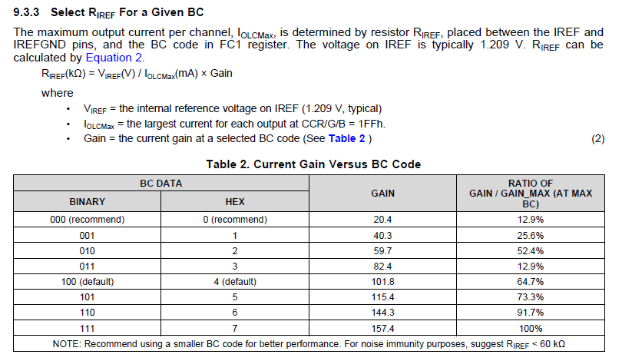
BC DATA | GAIN | RIREF[kΩ] | VIREF [V] | IOLCMax[mA] | CCX | IOUT[mA]
0 | 20.4 | 12 | 1.209 | 2.0553 | 0 | 0
 |  |  |  |  | 1 | 0.0040221135029
 |  |  |  |  | 2 | 0.0080442270059
 |  |  |  |  | 3 | 0.012066340509
 |  |  |  |  | 4 | 0.016088454012
 |  |  |  |  | 5 | 0.020110567515
 |  |  |  |  | 6 | 0.024132681018
 |  |  |  |  | 7 | 0.028154794521
 |  |  |  |  | 8 | 0.032176908023
 |  |  |  |  | 9 | 0.036199021526
 |  |  |  |  | 10 | 0.040221135029
 |  |  |  |  | 20 | 0.080442270059
 |  |  |  |  | 25 | 0.10055283757
 |  |  |  |  | 40 | 0.16088454012
 |  |  |  |  | 50 | 0.20110567515
 |  |  |  |  | 60 | 0.24132681018
 |  |  |  |  | 70 | 0.28154794521
 |  |  |  |  | 80 | 0.32176908023
 |  |  |  |  | 90 | 0.36199021526
 |  |  |  |  | 100 | 0.40221135029
 |  |  |  |  | 110 | 0.44243248532
 |  |  |  |  | 120 | 0.48265362035
 |  |  |  |  | 130 | 0.52287475538
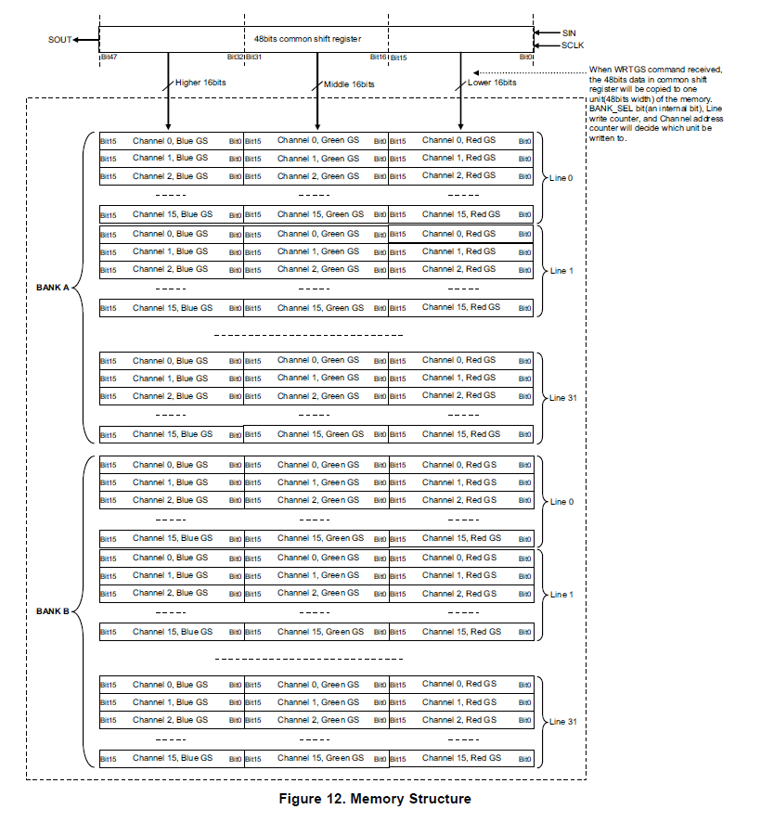
 |  |  |  |  | 140 | 0.56309589041
 |  |  |  |  | 150 | 0.60331702544
 |  |  |  |  | 160 | 0.64353816047
 |  |  |  |  | 170 | 0.6837592955
 |  |  |  |  | 180 | 0.72398043053
 |  |  |  |  | 190 | 0.76420156556
 |  |  |  |  | 200 | 0.80442270059
 |  |  |  |  | 210 | 0.84464383562
 |  |  |  |  | 220 | 0.88486497065
 |  |  |  |  | 230 | 0.92508610568
 |  |  |  |  | 240 | 0.9653072407
 |  |  |  |  | 250 | 1.0055283757
 |  |  |  |  | 256 | 1.0296610568
 |  |  |  |  | 270 | 1.0859706458
 |  |  |  |  | 280 | 1.1261917808
 |  |  |  |  | 290 | 1.1664129159
 |  |  |  |  | 300 | 1.2066340509
 |  |  |  |  | 310 | 1.2468551859
 |  |  |  |  | 320 | 1.2870763209
 |  |  |  |  | 330 | 1.327297456
 |  |  |  |  | 340 | 1.367518591
 |  |  |  |  | 350 | 1.407739726
 |  |  |  |  | 360 | 1.4479608611
 |  |  |  |  | 370 | 1.4881819961
 |  |  |  |  | 380 | 1.5284031311
 |  |  |  |  | 390 | 1.5686242661
 |  |  |  |  | 400 | 1.6088454012
 |  |  |  |  | 410 | 1.6490665362
 |  |  |  |  | 420 | 1.6892876712
 |  |  |  |  | 430 | 1.7295088063
 |  |  |  |  | 440 | 1.7697299413
 |  |  |  |  | 450 | 1.8099510763
 |  |  |  |  | 460 | 1.8501722114
 |  |  |  |  | 470 | 1.8903933464
 |  |  |  |  | 480 | 1.9306144814
 |  |  |  |  | 490 | 1.9708356164
 |  |  |  |  | 500 | 2.0110567515
 |  |  |  |  | 510 | 2.0512778865
 |  |  |  |  | 511 | 2.0553

