timer
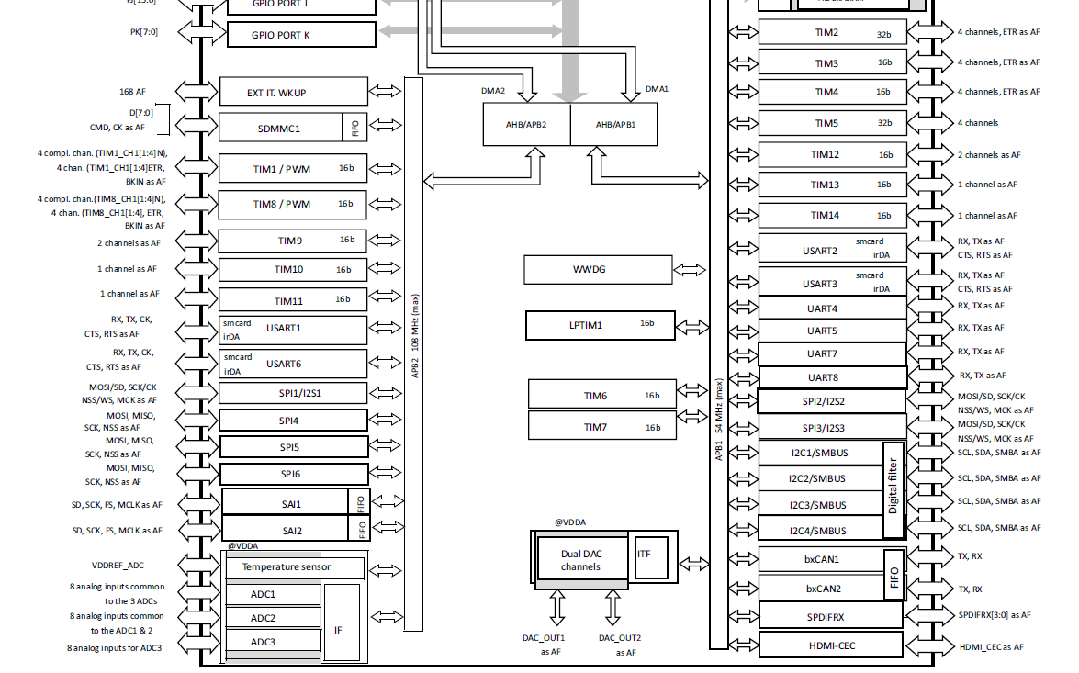
 | Peripheral | timer
APB1 | 54.0MHz | 108.0MHz
APB2 | 108.0MHz | 216.0MHz

 | TIM1 | TIM2 | TIM3 | TIM4 | TIM5 | TIM6 | TIM7 | TIM8 | TIM9 | TIM10 | TIM11 | TIM12 | TIM13 | TIM14
APB | APB2 | APB1 | APB1 | APB1 | APB1 | APB1 | APB1 | APB2 | APB2 | APB2 | APB2 | APB1 | APB1 | APB1
BIT | 16 | 32 | 16 | 16 | 32 | 16 | 16 | 16 | 16 | 16 | 16 | 16 | 16 | 16
Purpose | Vsync
Base Freq | 216.00MHz | 108.00MHz | 108.00MHz | 108.00MHz | 108.00MHz | 108.00MHz | 108.00MHz | 216.00MHz | 216.00MHz | 216.00MHz | 216.00MHz | 108.00MHz | 108.0MHz | 108.0MHz
Precaler | 287 | 0 | 0 | 0 | 0 | 0 | 0 | 0 | 0 | 0 | 0 | 0 | 0 | 0
Period | 49999 | 0 | 0 | 0 | 0 | 0 | 0 | 0 | 0 | 0 | 0 | 0 | 0 | 0
MHz | 0.000015 | 108 | 108 | 108 | 108 | 108 | 108 | 216 | 216 | 216 | 216 | 108 | 108 | 108
kHz | 0.015 | 108000 | 108000 | 108000 | 108000 | 108000 | 108000 | 216000 | 216000 | 216000 | 216000 | 108000 | 108000 | 108000
Hz | 15 | 108000000 | 108000000 | 108000000 | 108000000 | 108000000 | 108000000 | 216000000 | 216000000 | 216000000 | 216000000 | 108000000 | 108000000 | 108000000

flash
