Command
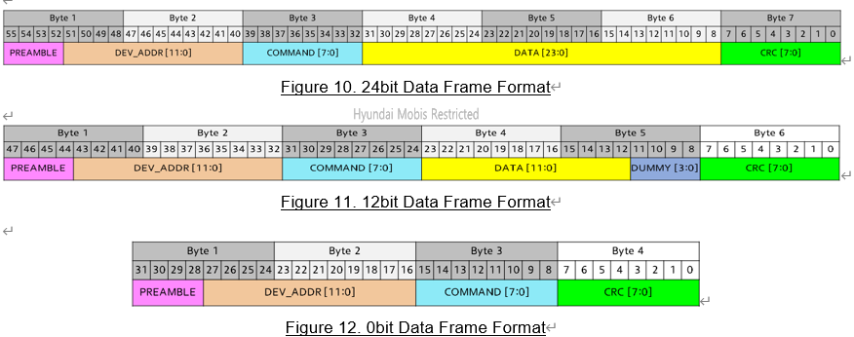
Command | Normal Command |  |  | SR (Status Request) Command |  |  | Data bits
 | Encoding | Broadcast possible | Multicast possible | Encoding with SR | Broadcast possible | Multicast possible
RESET | 0xB1 | O | O |  | - | - | 0
INITBIDIR | 0xB2 | X | X |  | - | - | 0
CLRERROR | 0xB3 | O | O | 0xF3 | O | X | 0 | O
GOSLEEP | 0xB4 | O | O | 0xF4 | O | X | 0 | O
GOACTIVE | 0xB8 | O | O | 0xF8 | O | X | 0 | O
GODEEPSLEEP | 0xBC | O | O | 0xFC | O | X | 0 | O
SET_SETUP1 | 0x86 | O | O | 0xC6 | O | X | 12 | X | O
SET_SETUP2 | 0x87 | O | O | 0xC7 | O | X | 12 | X | O
SET_MCAST | 0x88 | X | X | 0xC8 | X | X | 24 | - | -
SET_RGB | 0xA0 | O | O | 0xE0 | O | X | 24 | X | O
SET_TEMPTH | 0x8A | O | O | 0xCA | O | X | 12 | X
SET_TEMPHYS | 0x8B | O | O | 0xCB | O | X | 12 | X
SET_CURR_MAX_LVL | 0x8F | O | O | 0xCF | O | X | 12 | X
SET_TEMP_LUT_TC1 | 0x90 | O | O | 0xD0 | O | X | 12 | X
SET_TEMP_LUT_TC2 | 0x91 | O | O | 0xD1 | O | X | 12 | X
SET_TEMP_LUT_TC3 | 0x92 | O | O | 0xD2 | O | X | 12
SET_TEMP_LUT_TC4 | 0x93 | O | O | 0xD3 | O | X | 12
SET_TEMP_LUT_TC5 | 0x94 | O | O | 0xD4 | O | X | 12
SET_TEMP_LUT_TC6 | 0x95 | O | O | 0xD5 | O | X | 12
SET_TEMP_LUT_TC7 | 0x96 | O | O | 0xD6 | O | X | 12
SET_TEMP_LUT_TC8 | 0x97 | O | O | 0xD7 | O | X | 12
SET_TEMP_LUT_TC9 | 0x98 | O | O | 0xD8 | O | X | 12
SET_TEMP_LUT_TC10 | 0x99 | O | O | 0xD9 | O | X | 12 | X
SET_TIMEOUT | 0x9A | O | O | 0xDA | O | X | 12 | X
READ_STATUS1 | 0x41 | O | X |  | - | - | 12
READ_STATUS2 | 0x42 | O | X |  | - | - | 12
READ_TEMP | 0x43 | O | X |  | - | - | 12
READ_TEMPST | 0x44 | O | X |  | - | - | 24
READ_VEXT_TM | 0x45 | O | X |  | - | - | 12
READ_SETUP1 | 0x46 | O | X |  | - | - | 12
READ_SETUP2 | 0x47 | O | X |  | - | - | 12
READ_MCAST | 0x48 | O | X |  | - | - | 24
READ_RGB | 0x60 | O | X |  | - | - | 24
READ_TEMPTH | 0x4A | O | X |  | - | - | 12
READ_TEMPHYS | 0x4B | O | X |  | - | - | 12
READ_PWM_RED_VAL | 0x4C | O | X |  | - | - | 12
READ_PWM_GREEN_VAL | 0x4D | O | X |  | - | - | 12
READ_PWM_BLUE_VAL | 0x4E | O | X |  | - | - | 12
READ_CURR_MAX_LVL | 0x4F | O | X |  | - | - | 12
READ_TEMP_LUT_TC1 | 0x50 | O | X |  | - | - | 12
READ_TEMP_LUT_TC2 | 0x51 | O | X |  | - | - | 12
READ_TEMP_LUT_TC3 | 0x52 | O | X |  | - | - | 12
READ_TEMP_LUT_TC4 | 0x53 | O | X |  | - | - | 12
READ_TEMP_LUT_TC5 | 0x54 | O | X |  | - | - | 12
READ_TEMP_LUT_TC6 | 0x55 | O | X |  | - | - | 12
READ_TEMP_LUT_TC7 | 0x56 | O | X |  | - | - | 12
READ_TEMP_LUT_TC8 | 0x57 | O | X |  | - | - | 12
READ_TEMP_LUT_TC9 | 0x58 | O | X |  | - | - | 12
READ_TEMP_LUT_TC10 | 0x59 | O | X |  | - | - | 12
READ_TIMEOUT | 0x5A | O | X |  | - | - | 12

Trim Spec
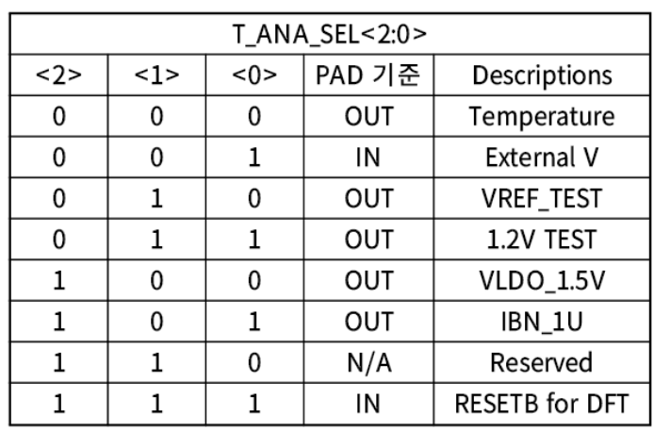
No | trim_mode | test pin | t_ana_sel | prev setting | target | unit | percent | min/max | note
- |  |  |  | test_e = 1
 |  |  |  | protect = 0xA5A
0 | V_TRIM_BGR | TEST_V | 3 |  | 1.1 | V | 5% | 1.045 | write 0x17 at v_trim_bgr in address 0xE4
 |  |  |  |  |  |  |  | 1.155 | skip
1 | V_TRIM_BGR_R1_R2 | TEST_V | 3 |  | 1.2 | V | 5% | 1.14 | measure all case bgr_r1_trim/bgr_r1_trim (256 case)
 |  |  |  |  |  |  |  | 1.26 | find closest r1/r2 case
2 | I_TRIM_BGR | TEST_V | 5 |  | 1 | uA | 5% | 0.95 | skip
 |  |  |  |  |  |  |  | 1.05
3 | LDO_CTL | TEST_V | 4 |  | 1.5 | V | 5% | 1.425 | measure all case (vldo_ctrl)
 |  |  |  |  |  |  |  | 1.575 | find closest vldo_ctrl
4 | OSC_CTL | SIO2N | 6 | cko_e = 1 | 16 | MHz | 1% | 16 | divided 16 internally
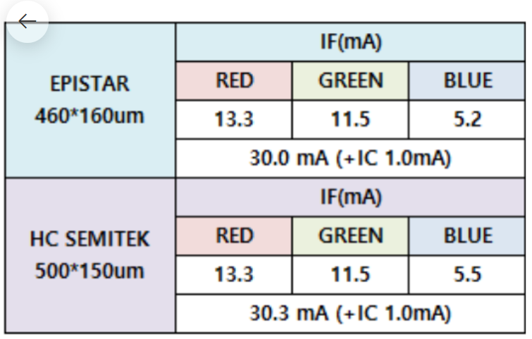
 |  |  |  |  |  |  |  | 16.16
5 | LVDS_TX | SIO1P, N | 6 |  | - |  |  |  | skip LVDS_TX
 |  | SIO2P, N
6 | LVDS_RX | SIO1P, N | 6 |  | - |  |  |  | skip LVDS_RX
 |  | SIO2P, N
7 | ADC_GAIN | VEXT_TM | 1 | vext_mon_e = 1 | 277 |  | 5% | 263.15 | 2.5V - 1.0V
 |  |  |  |  |  |  |  | 290.85
8 | ADC_OFFSET | VEXT_TM | 1 | vext_mon_e = 1 | 505 |  | 5% | 479.75 | 2.5V
 |  |  |  |  |  |  |  | 530.25
9 | TEMP_TRIM_BGR | TEMPERATURE | 0 | vext_mon_e = 0 | 521 |  | 5% | 494.95 | TEST_V set open
 |  |  |  |  |  |  |  | 547.05
10 | ITRIM @ DRIVER_A | iout_r | 6 | r_curr_max_lvl (18.65mA, C) | 20 | mA | 1% | 19.8 |  | Rs | 65
 |  |  |  | pwm_max_r_e = 1 |  |  |  | 20.2 |  | Rin | 2200
 |  |  |  | pwm_max_r = 4095 |  |  |  |  |  | Rout | 3300
 |  | iout_g |  | g_curr_max_lvl (10.48mA, 7) | 20.0 | mA | 1% | 19.8 |  | mA-to-A | 1000
 |  |  |  | pwm_max_g_e = 1 |  |  |  | 20.2
 |  |  |  | pwm_max_g = 4095
 |  | iout_b |  | b_curr_max_lvl (5.75mA, 3) | 20 | mA | 1% | 19.8
 |  |  |  | pwm_max_b_e = 1 |  |  |  | 20.2
 |  |  |  | pwm_max_b = 4095
10 | ITRIM @ DRIVER_B | iout_r | 6 | r_curr_max_lvl (20.08mA) | 0.3175 | mA | 1% | 0.314325 |  | Rs | 200
 |  |  |  | pwm_max_r_e = 1 |  |  |  | 0.320675 |  | Rin | 2200
 |  |  |  | pwm_max_r = (1 << 6) & (3 << 6) |  |  |  |  |  | Rout | 3300
 |  | iout_g |  | g_curr_max_lvl (20.08mA) | 0.9524 | mA | 1% | 0.942876 |  | mA-to-A | 1000
 |  |  |  | pwm_max_g_e = 1 |  |  |  | 0.961924
 |  |  |  | pwm_max_g = (1 << 6) & (3 << 6)
 |  | iout_b |  | b_curr_max_lvl (20.08mA) | 0.6349 | mA | 1% | 0.628551
 |  |  |  | pwm_max_b_e = 1 |  |  |  | 0.641249
 |  |  |  | pwm_max_b = (1 << 6) & (3 << 6)
11 | GAIN @ DRIVER_B | iout_r | 6 | r_curr_max_lvl (20.08mA) | 3.8095 | mA | 1% | 3.771405 |  | Rs | 200
 |  |  |  | pwm_max_r_e = 1 |  |  |  | 3.847595 |  | Rin | 2200
 |  |  |  | pwm_max_r = (12 << 6) |  |  |  |  |  | Rout | 3300
 |  | iout_g |  | g_curr_max_lvl (20.08mA) | 3.8095 | mA | 1% | 3.771405 |  | mA-to-A | 1000
 |  |  |  | pwm_max_g_e = 1 |  |  |  | 3.847595
 |  |  |  | pwm_max_g = (12 << 6)
 |  | iout_b |  | b_curr_max_lvl (20.08mA) | 3.8095 | mA | 1% | 3.771405
 |  |  |  | pwm_max_b_e = 1 |  |  |  | 3.847595
 |  |  |  | pwm_max_b = (12 << 6)
12 | OTP WRITE | common |  | vcc = 5.5V
 |  | trim wafer |  | pwm_max_r = 0
 |  |  |  | pwm_max_g = 0
 |  |  |  | pwm_max_b = 0
 |  |  |  | otp_pg1 = 1
 |  | trim package |  | pwm_max_r | 0xB6D
 |  |  |  | pwm_max_g | 0xFFF
 |  |  |  | pwm_max_b | 0xFFF
 |  |  |  | otp_pg2 = 1
 |  | common |  | otp_rd = 1

