Test_Plan
<<< R/G/B 각각 진행
Max current | 63 | Bit | 20 | mA |  |  | 1. DIN 을 C3,C4 각각 설정하고 두번측정 후, IOUT이 (E3+E4)/2 가 되도록 TRIM을 진행한다.
Offset P1_1 | 1 | Bit | 0.3175 | mA | 63.49 |  | TEST PIN | ROUT / GOUT / BOUT | R / G / B
Offset P1_2 | 3 | Bit | 0.9524 | mA | 190.48 | 188.57 | TARGET | (E3+E4)/2 | step = 120uA @20mA (simulation)
Offset P1_AVG | 2 | Bit | 0.6349 | mA |  | 192.38 | SET REG | R_CURR_MAX_LVL[3:0] = max target [R] G_CURR_MAX_LVL[3:0] = max target [R] B_CURR_MAX_LVL[3:0] = max target [R] LD_DATA = C3 / C4
Offset P2 | 12 | Bit | 3.8095 | mA | 761.90 | 754.29 | TRIM REG | ITRIM_R[7:0] / ITRIM_G[7:0] / ITRIM_B[7:0] | (Unsigned), Default : 8'd 128
 |  |  |  |  |  | 769.52
<<< R/G/B 각각 진행
 |  |  |  |  |  |  | 2. DIN 을 C6 값으로 설정하고, IOUT이 E6 가 되도록 TRIM을 진행한다.
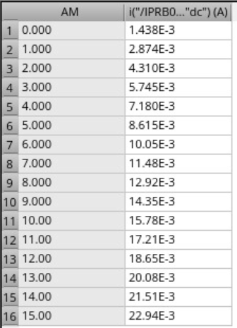
 |  |  |  |  |  |  | TEST PIN | ROUT / GOUT / BOUT | R / G / B
 |  |  |  |  |  |  | TARGET | E6 | step = 120uA @20mA (simulation)
 |  |  |  |  |  |  | SET REG | R_CURR_MAX_LVL[3:0] = max target [R] G_CURR_MAX_LVL[3:0] = max target [R] B_CURR_MAX_LVL[3:0] = max target [R] LD_DATA = C6
 |  |  |  |  |  |  | TRIM REG | GAIN_R[7:0] / GAIN_G[7:0] / GAIN_B[7:0] | (Unsigned), Default : 8'd 128

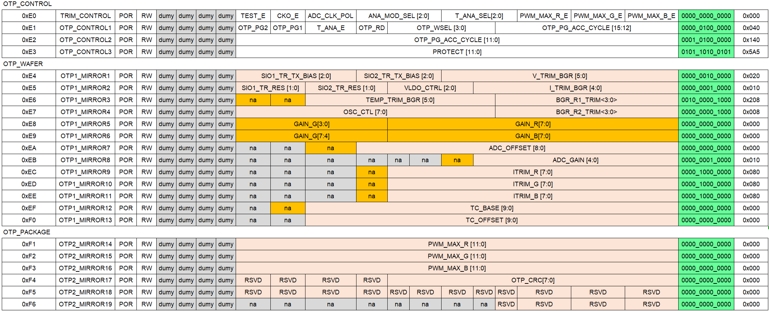

128
256

