Trim Spec
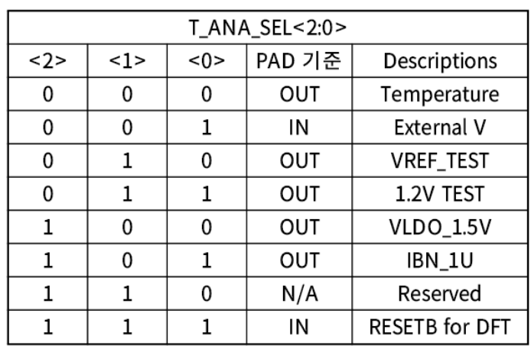
No | trim_mode | test pin | t_ana_sel | prev setting | target | unit | percent | min/max | note
- |  |  |  | test_e = 1
 |  |  |  | protect = 0xA5A
0 | V_TRIM_BGR | TEST_V | 3 |  | 1.1 | V | 5% | 1.045 | write 0x17 at v_trim_bgr in address 0xE4
 |  |  |  |  |  |  |  | 1.155 | skip
1 | V_TRIM_BGR_R1_R2 | TEST_V | 3 |  | 1.2 | V | 5% | 1.14 | measure all case bgr_r1_trim/bgr_r1_trim (256 case)
 |  |  |  |  |  |  |  | 1.26 | find closest r1/r2 case
2 | I_TRIM_BGR | TEST_V | 5 |  | 1 | uA | 5% | 0.95 | skip
 |  |  |  |  |  |  |  | 1.05
3 | LDO_CTL | TEST_V | 4 |  | 1.5 | V | 5% | 1.425 | measure all case (vldo_ctrl)
 |  |  |  |  |  |  |  | 1.575 | find closest vldo_ctrl
4 | OSC_CTL | SIO2N | 6 | cko_e = 1 | 16 | MHz | 1% | 16 | divided 16 internally
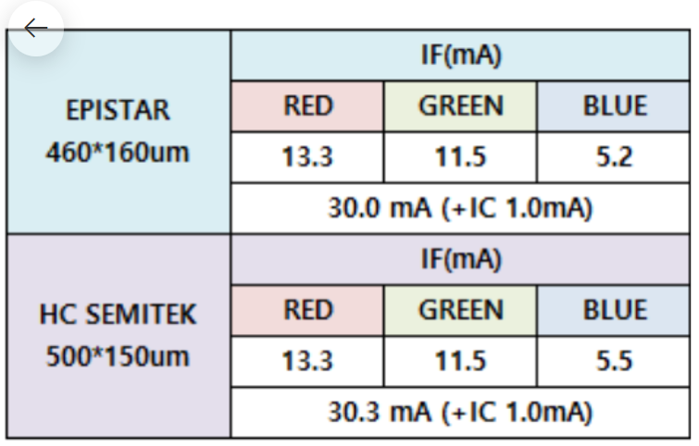
 |  |  |  |  |  |  |  | 16.16
5 | LVDS_TX | SIO1P, N | 6 |  | - |  |  |  | skip LVDS_TX
 |  | SIO2P, N
6 | LVDS_RX | SIO1P, N | 6 |  | - |  |  |  | skip LVDS_RX
 |  | SIO2P, N
7 | ADC_GAIN | VEXT_TM | 1 | vext_mon_e = 1 | 277 |  | 5% | 263.15 | 2.5V - 1.0V
 |  |  |  |  |  |  |  | 290.85
8 | ADC_OFFSET | VEXT_TM | 1 | vext_mon_e = 1 | 555 |  | 5% | 527.25 | 2.5V
 |  |  |  |  |  |  |  | 582.75
9 | TEMP_TRIM_BGR | TEMPERATURE | 0 | vext_mon_e = 0 | 571 |  | 5% | 542.45 | TEST_V set open
 |  |  |  |  |  |  |  | 599.55
10 | ITRIM @ DRIVER_A | iout_r | 6 | r_curr_max_lvl (18.65mA, C) | 18.62 | mA | 1% | 18.4338 |  | Rs | 65
 |  |  |  | pwm_max_r_e = 1 |  |  |  | 18.8062 |  | Rin | 2200
 |  |  |  | pwm_max_r = 4095 |  |  |  |  |  | Rout | 3300
 |  | iout_g |  | g_curr_max_lvl (10.48mA, 7) | 11.5 | mA | 1% | 11.385 |  | mA-to-A | 1000
 |  |  |  | pwm_max_g_e = 1 |  |  |  | 11.615
 |  |  |  | pwm_max_g = 4095
 |  | iout_b |  | b_curr_max_lvl (5.75mA, 3) | 5.2 | mA | 1% | 5.148
 |  |  |  | pwm_max_b_e = 1 |  |  |  | 5.252
 |  |  |  | pwm_max_b = 4095
10 | ITRIM @ DRIVER_B | iout_r | 6 | r_curr_max_lvl (20.08mA) | 0.3175 | mA | 1% | 0.314325 |  | Rs | 200
 |  |  |  | pwm_max_r_e = 1 |  |  |  | 0.320675 |  | Rin | 2200
 |  |  |  | pwm_max_r = (1 << 6) & (3 << 6) |  |  |  |  |  | Rout | 3300
 |  | iout_g |  | g_curr_max_lvl (20.08mA) | 0.9524 | mA | 1% | 0.942876 |  | mA-to-A | 1000
 |  |  |  | pwm_max_g_e = 1 |  |  |  | 0.961924
 |  |  |  | pwm_max_g = (1 << 6) & (3 << 6)
 |  | iout_b |  | b_curr_max_lvl (20.08mA) | 0.6349 | mA | 1% | 0.628551
 |  |  |  | pwm_max_b_e = 1 |  |  |  | 0.641249
 |  |  |  | pwm_max_b = (1 << 6) & (3 << 6)
11 | GAIN @ DRIVER_B | iout_r | 6 | r_curr_max_lvl (20.08mA) | 3.8095 | mA | 1% | 3.771405 |  | Rs | 200
 |  |  |  | pwm_max_r_e = 1 |  |  |  | 3.847595 |  | Rin | 2200
 |  |  |  | pwm_max_r = (12 << 6) |  |  |  |  |  | Rout | 3300
 |  | iout_g |  | g_curr_max_lvl (20.08mA) | 3.8095 | mA | 1% | 3.771405 |  | mA-to-A | 1000
 |  |  |  | pwm_max_g_e = 1 |  |  |  | 3.847595
 |  |  |  | pwm_max_g = (12 << 6)
 |  | iout_b |  | b_curr_max_lvl (20.08mA) | 3.8095 | mA | 1% | 3.771405
 |  |  |  | pwm_max_b_e = 1 |  |  |  | 3.847595
 |  |  |  | pwm_max_b = (12 << 6)
12 | OTP WRITE | common |  | vcc = 5.5V |  |  |  |  |  |  | 0.6
 |  | trim wafer |  | pwm_max_r = 0
 |  |  |  | pwm_max_g = 0
 |  |  |  | pwm_max_b = 0
 |  |  |  | otp_pg1 = 1
 |  | trim package |  | pwm_max_r | 0xB6D
 |  |  |  | pwm_max_g | 0xFFF
 |  |  |  | pwm_max_b | 0xFFF
 |  |  |  | otp_pg2 = 1
 |  | common |  | otp_rd = 1

