mcu setting
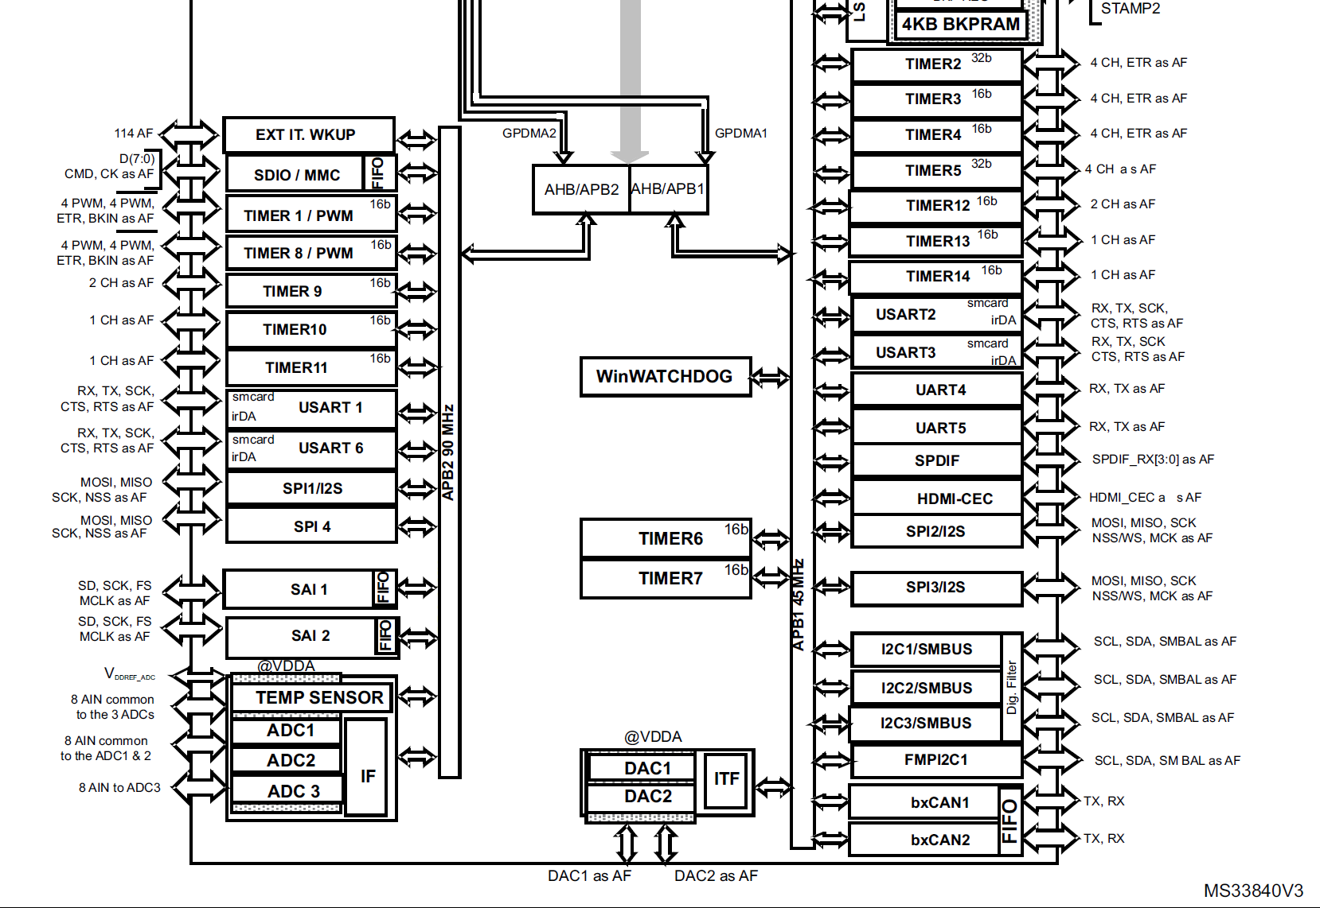
 | Peripheral | timer
APB1 | 36.0MHz | 72.0MHz
APB2 | 72.0MHz | 144.0MHz

 | TIM1 | TIM2 | TIM3 | TIM4 | TIM5 | TIM6 | TIM7 | TIM8 | TIM9 | TIM10 | TIM11 | TIM12 | TIM13 | TIM14
APB | APB2 | APB1 | APB1 | APB1 | APB1 | APB1 | APB1 | APB2 | APB2 | APB2 | APB2 | APB1 | APB1 | APB1
BIT | 16 | 32 | 16 | 16 | 32 | 16 | 16 | 16 | 16 | 16 | 16 | 16 | 16 | 16
Purpose | xd data out | xd data in |  |  | osc trim |  |  | vsync |  |  |  | us delay
Base Freq | 144.00MHz | 72.00MHz | 72.00MHz | 72.00MHz | 72.00MHz | 72.00MHz | 72.00MHz | 144.00MHz | 144.00MHz | 144.00MHz | 144.00MHz | 72.00MHz | 72.0MHz | 72.0MHz
Precaler | 0 | 0 | 0 | 0 | 0 | 0 | 0 | 29 | 179 | 179 | 0 | 71 | 0 | 0
Period | 143 | 0 | 0 | 0 | 0 | 0 | 0 | 39999 | 6867 | 6867 | 0 | 0 | 0 | 0
MHz | 1 | 72 | 72 | 72 | 72 | 72 | 72 | 0.00012 | 0.00011648223646 | 0.00011648223646 | 144 | 1 | 72 | 72
kHz | 1000 | 72000 | 72000 | 72000 | 72000 | 72000 | 72000 | 0.12 | 0.11648223646 | 0.11648223646 | 144000 | 1000 | 72000 | 72000
Hz | 1000000 | 72000000 | 72000000 | 72000000 | 72000000 | 72000000 | 72000000 | 120 | 116.48223646 | 116.48223646 | 144000000 | 1000000 | 72000000 | 72000000

 | SPI1 | SPI2 | SPI3 |  |  | xc | xd
APB | APB2 | APB1 | APB1 |  | MCLK | 16.00MHz | 14.750MHz |  | error rate | 0.2
BIT | 16 | 32 | 16 |  | serial low | 6 | 5 |  | logic 0 duty min | 0.286
Purpose | xc spi | adc spi | mcp spi |  | serial high | 10 | 9 |  | logic 0 duty max | 0.429
Base Freq | 72.00MHz | 36.00MHz | 36.00MHz |  | duty low | 0.375 | 0.35714285714 |  | logic 1 duty min | 0.514
Precaler | 4 | 2 | 4 |  | duty high | 0.625 | 0.64285714286 |  | logic 1 duty max | 0.771
MHz | 18 | 18 | 9 |  | serial freq | 1 | 1.0535714286
CPOL | Low | Low | Low
CPHA | 2 edge | 2 edge | 1 edge

