XD_ES1_MCU_PIN
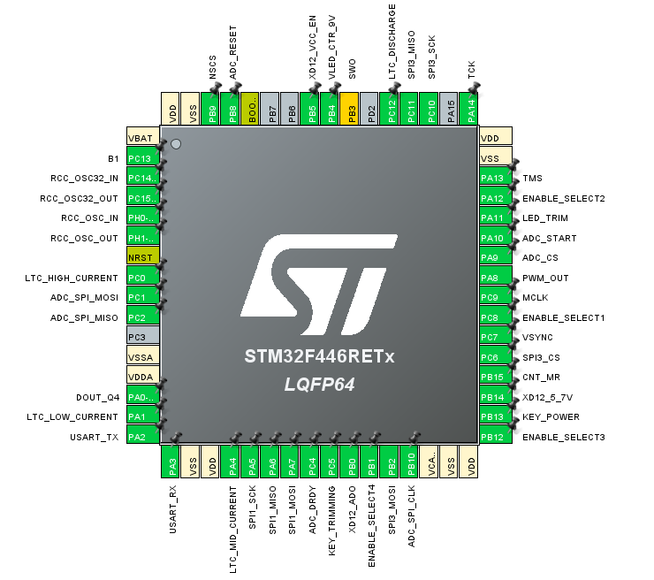
Position | Name | Type | Signal | Label
1 | VBAT | Power
2 | PC13 | Input | GPIO_Input | B1
3 | PC14-OSC32_IN | I/O | RCC_OSC32_IN
4 | PC15-OSC32_OUT | I/O | RCC_OSC32_OUT
5 | PH0-OSC_IN | I/O | RCC_OSC_IN
6 | PH1-OSC_OUT | I/O | RCC_OSC_OUT
7 | NRST | Reset
8 | PC0 | Output | GPIO_Output | LTC_HIGH_CURRENT
9 | PC1 | I/O | SPI2_MOSI | ADC_SPI_MOSI
10 | PC2 | I/O | SPI2_MISO | ADC_SPI_MISO
11 | PC3 | I/O
12 | VSSA | Power
13 | VDDA | Power
14 | PA0-WKUP | I/O | TIM5_CH1 | DOUT_Q4
15 | PA1 | Output | GPIO_Output | LTC_LOW_CURRENT
16 | PA2 | I/O | USART2_TX | USART_TX
17 | PA3 | I/O | USART2_RX | USART_RX
18 | VSS | Power
19 | VDD | Power
20 | PA4 | Output | GPIO_Output | LTC_MID_CURRENT
21 | PA5 | I/O | SPI1_SCK
22 | PA6 | I/O | SPI1_MISO
23 | PA7 | I/O | SPI1_MOSI
24 | PC4 | I/O | GPIO_EXTI4 | ADC_DRDY
25 | PC5 | Input | GPIO_Input | KEY_TRIMMING
26 | PB0 | I/O | ADC1_IN8 | XD12_ADO
27 | PB1 | Output | GPIO_Output | ENABLE_SELECT4
28 | PB2 | I/O | SPI3_MOSI
29 | PB10 | I/O | SPI2_SCK | ADC_SPI_CLK
30 | VCAP_1 | Power
31 | VSS | Power
32 | VDD | Power
33 | PB12 | Output | GPIO_Output | ENABLE_SELECT3
34 | PB13 | Input | GPIO_Input | KEY_POWER
35 | PB14 | Output | GPIO_Output | XD12_5_7V
36 | PB15 | Output | GPIO_Output | CNT_MR
37 | PC6 | Output | GPIO_Output | SPI3_CS
38 | PC7 | I/O | TIM8_CH2 | VSYNC
39 | PC8 | Output | GPIO_Output | ENABLE_SELECT1
40 | PC9 | I/O | RCC_MCO_2 | MCLK
41 | PA8 | I/O | TIM1_CH1 | PWM_OUT
42 | PA9 | Output | GPIO_Output | ADC_CS
43 | PA10 | Output | GPIO_Output | ADC_START
44 | PA11 | Output | GPIO_Output | LED_TRIM
45 | PA12 | Output | GPIO_Output | ENABLE_SELECT2
46 | PA13 | I/O | SYS_JTMS-SWDIO | TMS
47 | VSS | Power
48 | VDD | Power
49 | PA14 | I/O | SYS_JTCK-SWCLK | TCK
50 | PA15 | I/O
51 | PC10 | I/O | SPI3_SCK
52 | PC11 | I/O | SPI3_MISO
53 | PC12 | Output | GPIO_Output | LTC_DISCHARGE
54 | PD2 | I/O
55 | PB3 | I/O | SYS_JTDO-SWO | SWO
56 | PB4 | Output | GPIO_Output | VLED_CTR_9V
57 | PB5 | Output | GPIO_Output | XD12_VCC_EN
58 | PB6 | Output | GPIO_Output | XC24_VCC_EN
59 | PB7 | I/O
60 | BOOT0 | Boot
61 | PB8 | Output | GPIO_Output | ADC_RESET
62 | PB9 | Output | GPIO_Output | NSCS
63 | VSS | Power
64 | VDD | Power

