mcu setting
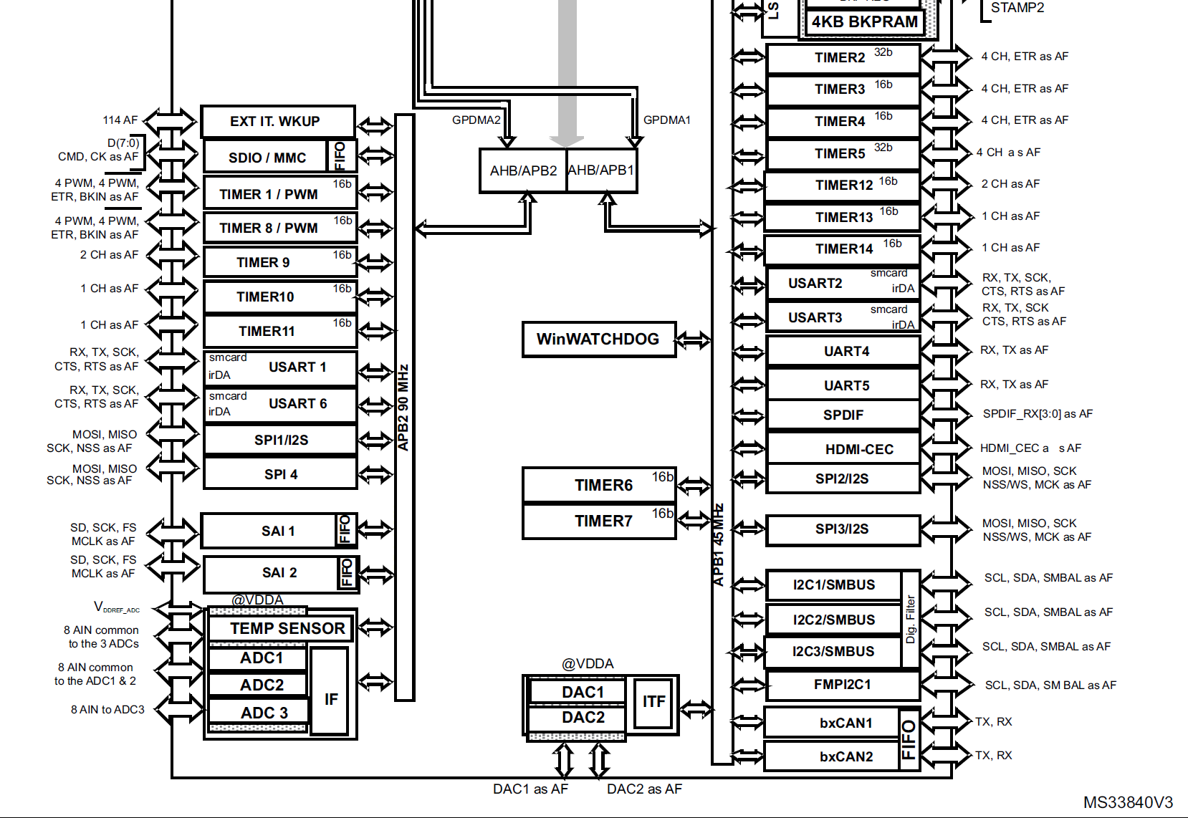
 | Peripheral | timer
APB1 | 45.0MHz | 90.0MHz
APB2 | 90.0MHz | 180.0MHz

 | TIM1 | TIM2 | TIM3 | TIM4 | TIM5 | TIM6 | TIM7 | TIM8 | TIM9 | TIM10 | TIM11 | TIM12 | TIM13 | TIM14
APB | APB2 | APB1 | APB1 | APB1 | APB1 | APB1 | APB1 | APB2 | APB2 | APB2 | APB2 | APB1 | APB1 | APB1
BIT | 16 | 32 | 16 | 16 | 32 | 16 | 16 | 16 | 16 | 16 | 16 | 16 | 16 | 16
Purpose | data out 1~4 | data out 5~6 |  |  |  |  |  |  |  |  |  |  | us_delay | Sync
Base Freq | 180.00MHz | 90.00MHz | 90.00MHz | 90.00MHz | 90.00MHz | 90.00MHz | 90.00MHz | 180.00MHz | 180.00MHz | 180.00MHz | 180.00MHz | 90.00MHz | 90.0MHz | 90.0MHz
Precaler | 0 | 0 | 0 | 0 | 0 | 0 | 0 | 29 | 179 | 179 | 0 | 71 | 89 | 29
Period | 215 | 107 | 0 | 0 | 0 | 0 | 0 | 39999 | 6867 | 6867 | 0 | 0 | 0 | 49999
MHz | 0.83333333333 | 0.83333333333 | 90 | 90 | 90 | 90 | 90 | 0.00015 | 0.00014560279557 | 0.00014560279557 | 180 | 1.25 | 1 | 0.00006
kHz | 833.33333333 | 833.33333333 | 90000 | 90000 | 90000 | 90000 | 90000 | 0.15 | 0.14560279557 | 0.14560279557 | 180000 | 1250 | 1000 | 0.06
Hz | 833333.33333 | 833333.33333 | 90000000 | 90000000 | 90000000 | 90000000 | 90000000 | 150 | 145.60279557 | 145.60279557 | 180000000 | 1250000 | 1000000 | 60

 | SPI1 | SPI2 | SPI3
APB | APB2 | APB1 | APB1
BIT | 16 | 32 | 16
Purpose |  | SPI Rx
Base Freq | 90.00MHz | 45.00MHz | 45.00MHz
Precaler | 4 | 2 | 4
MHz | 22.5 | 22.5 | 11.25
CPOL | Low | Low | Low
CPHA | 2 edge | 2 edge | 1 edge

 | line | 20
 | block | 128 |  |  | us/bits | 1.2 | us
 | bit/block | 24 | RGB, 8bit |  | bits/line | 3072
 | total bits | 61440 |  |  | us/line | 3686.4 | us
 | total times | 73728 | us |  | bits/4 lines | 12288
 |  |  |  |  | us/4 lines | 14745.6
 | divided line | 5
 |  | 14745.6 | us |  | 16.666666667

