spi_protocol
...
register data | bit15 | bit14 | bit13 | bit12 | bit11 | bit10 | bit9 | bit8 | bit7 | bit6 | bit5 | bit4 | bit3 | bit2 | bit1 | bit0 | SDO1
 | register data [15:0]
ld data | ld_width = '00' 24-bit (pam 12-bit + pwm 12-bit) |  |  |  |  |  |  |  |  |  |  |  |  |  |  |  | SCLKO2
 | ld_width = '01' 24-bit (pam 12-bit + pwm 12-bit)
 | ld_width = '00' 24-bit (pam 12-bit + pwm 12-bit) |  |  |  |  |  |  |  |  |  |  |  |  |  |  |  | SDO2
 | ld_width = '00' 16-bit

 |  |  |  |  |  |  |  |  |  |  |  |  |  |  |  |  | burst write : size dev#1/2/3 = 1/4/2
 |  |  |  |  |  |  |  |  |  |  |  |  |  |  |  |  | nSCS
...
dev#1
dev#2
dev#3
nSCS
SCLK
MOSI
MISO1
SCLKO1
SDO1
SCLKO2
SDO2
MISO2
MISO3
MISO
 |  |  |  |  |  |  |  |  |  |  |  |  |  |  |  |  | SCLK
...
 |  |  |  |  |  |  |  |  |  |  |  |  |  |  |  |  | MOSI
...
 |  |  |  |  |  |  |  |  |  |  |  |  |  |  |  |  | SCLKO1
...
 |  |  |  |  |  |  |  |  |  |  |  |  |  |  |  |  | SDO1
...
 |  |  |  |  |  |  |  |  |  |  |  |  |  |  |  |  | SCLKO2
...
 |  |  |  |  |  |  |  |  |  |  |  |  |  |  |  |  | SDO2

 |  |  |  |  |  |  |  |  |  |  |  |  |  |  |  |  | single read : size = 1
 |  |  |  |  |  |  |  |  |  |  |  |  |  |  |  |  | nSCS
...
 |  |  |  |  |  |  |  |  |  |  |  |  |  |  |  |  | SCLK

 |  |  |  |  |  |  |  |  |  |  |  |  |  |  |  |  |  |  |  |  |  |  |  |  |  |  |  |  |  |  |  | dev#2 command
 |  |  |  |  |  |  |  |  |  |  |  |  |  |  |  |  |  |  |  |  |  |  |  |  |  |  |  |  |  |  |  | 16 | 15 | 14 |  |  | 3 | 2 | 1 |  | 16 | 15 | 14 |  |  | 3 | 2 | 1 | 16 | 15 | 14
...
 |  |  |  |  |  |  |  |  |  |  |  |  |  |  |  |  |  |  |  |  |  |  |  |  |  |  |  |  |  |  |  | dev#2 command |  |  |  |  |  |  |  |  | don’t care |  |  |  |  |  |  |  | dev#3 command |  |  |  |  |  |  |  | don’t care
 |  |  |  |  |  |  |  |  |  |  |  |  |  |  |  |  |  |  |  |  |  |  |  |  |  |  |  |  |  |  |  |  |  |  |  |  |  |  |  |  |  |  |  |  |  |  |  |  | 16 | 15 | 14 |  | 3 |  | 2 | 1 | 16 | 15 |  | 14 |  | 3 | 2 | 1
...
 |  |  |  |  |  |  |  |  |  |  |  |  |  |  |  |  |  |  |  |  |  |  |  |  |  |  |  |  |  |  |  |  |  |  |  |  |  |  |  |  |  |  |  |  |  |  |  |  | dev#3 command |  |  |  |  |  |  |  | don’t care
hi-z
...
hi-z
 |  |  |  |  |  |  |  |  |  |  |  |  |  |  |  |  |  |  |  |  |  |  |  |  |  |  |  |  |  |  |  |  |  |  |  |  |  |  |  |  | dev#2 data
hi-z
 |  |  |  |  |  |  |  |  |  |  |  |  |  |  |  |  |  |  |  |  |  |  |  |  |  |  |  |  |  |  |  |  |  |  |  |  |  |  |  |  |  |  |  |  |  |  |  |  |  |  |  |  |  |  |  |  | dev#3 data
...
 |  |  |  |  |  |  |  |  |  |  |  |  |  |  |  |  |  |  |  |  |  |  |  |  |  |  |  | 1 | 16 |  | 15 |  | 1 | 16 |  | 15 |  | 1 | 16 |  | 15 |  | 1 | 16 |  | 15 |  | 1 | 16 | 15 |  | 1 | 16 |  | 15 |  | 1 | 16 |  | 15 |  | 1
...
 |  |  |  |  |  |  |  |  |  |  |  |  |  |  |  |  |  |  |  |  |  |  |  | dev#3 cmd |  |  |  |  | don’t care |  |  |  |  | don’t care |  |  |  |  | don’t care |  |  |  |  | don’t care |  |  |  |  | dev#3 cmd |  |  |  | don’t care |  |  |  |  | don’t care
 |  |  |  |  |  |  |  |  |  |  |  |  |  |  |  |  |  |  |  |  |  |  |  | 16 | 15 |  |  | 1 | 16 |  | 15 |  | 1 | 16 |  | 15 |  | 1 | 16 |  | 15 |  | 1 | 16 |  | 15 |  | 1 | 16 | 15 |  | 1 | 16 |  | 15 |  | 1 | 16 |  | 15 |  | 1
...
 |  |  |  |  |  |  |  |  |  |  |  |  |  |  |  |  |  |  |  |  |  |  |  | dev#3 cmd |  |  |  |  | don’t care |  |  |  |  | don’t care |  |  |  |  | don’t care |  |  |  |  | don’t care |  |  |  |  | dev#3 cmd |  |  |  | don’t care |  |  |  |  | don’t care
 |  |  |  |  |  |  |  |  |  |  |  |  |  |  |  |  |  |  |  |  |  |  |  |  |  |  |  |  |  |  |  |  |  |  |  |  |  |  |  |  |  |  |  |  |  |  |  |  | 16 | 15 |  | 1 | 16 |  | 15 |  | 1 | 16 |  | 15 |  | 1
...
 |  |  |  |  |  |  |  |  |  |  |  |  |  |  |  |  |  |  |  |  |  |  |  |  |  |  |  |  |  |  |  |  |  |  |  |  |  |  |  |  |  |  |  |  |  |  |  |  | dev#3 cmd |  |  |  | don’t care |  |  |  |  | don’t care
hi-z
...
hi-z
hi-z
 |  |  |  |  |  |  |  |  |  |  |  |  |  |  |  |  |  |  |  |  |  |  |  |  |  |  |  |  |  | addr=0x7 |  |  |  |  | addr=0x8 |  |  |  |  | addr=0x9 |  |  |  |  | addr=0x0A
 |  |  |  |  |  |  |  |  |  |  |  |  |  |  |  |  |  |  |  |  |  |  |  |  |  |  |  |  |  | dev#2 data1 |  |  |  |  | dev#2 data2 |  |  |  |  | dev#2 data3 |  |  |  |  | dev#2 data4
 |  |  |  |  |  |  |  |  |  |  |  |  |  |  |  |  |  |  |  |  |  |  |  |  |  |  |  |  |  |  |  |  |  |  |  |  |  |  |  |  |  |  |  |  |  |  |  |  |  |  |  |  |  | addr=0x05 |  |  |  |  | addr=0x06
 |  |  |  |  |  |  |  |  |  |  |  |  |  |  |  |  |  |  |  |  |  |  |  |  |  |  |  |  |  |  |  |  |  |  |  |  |  |  |  |  |  |  |  |  |  |  |  |  |  |  |  |  |  | dev#3 data1 |  |  |  |  | dev#3 data2

 |  |  |  |  |  |  |  |  |  |  |  |  |  |  |  |  |  |  |  |  |  |  |  |  |  |  |  |  |  |  |  |  |  |  |  |  |  |  |  |  |  |  |  |  |  |  |  |  |  |  |  |  |  |  |  |  |  |  |  |  |  |  |  |  | reset
...
 |  |  |  |  |  |  |  |  |  |  |  |  |  |  |  |  |  |  |  |  | 11 | 10 | 9 |  | 4 |  | 3 | 2 | 1 |  | 16 | 15 | 14 | 13 |  | 12 | 11 | 10 | 9 |  |  | 4 | 3 | 2 |  | 1 | 16 | 15 | 14 | 13 | 12 | 11 | 10 |  | 9 |  | 4 | 3 |  | 2 | 1
...
 |  |  |  |  |  |  |  |  |  |  |  |  |  |  |  |  |  |  |  |  |  |  |  |  |  |  |  |  |  |  |  |  |  |  |  |  |  |  |  |  |  |  |  |  |  |  | dev#3 command
 |  |  |  |  |  |  |  |  |  |  |  |  |  |  |  |  |  |  |  |  |  |  |  |  |  |  |  |  |  |  |  |  |  |  |  |  |  |  |  |  |  |  |  |  |  |  |  |  |  |  |  |  |  |  |  |  |  |  |  |  | 1
...
 |  |  |  |  |  |  |  |  |  |  |  |  |  |  |  |  |  | 15 | 1 | 16 | 15 |  | 1 | 16 |  | 16
...
burst size = 1
= ch_size * (pam 12-bit + pwm 12-bit) @ld_width=00, 01, 10
= ch_size * (ld 16-bit) @ld_width=11

 |  |  |  |  |  |  |  |  |  |  |  |  |  |  |  |  |  |  |  | ld1_ch1 |  |  |  |  |  | ld1_chx
...

serial_protocol
...
dev #1
dev #2
dev #n
D_{IO} chx
D_{IO} #1
D_{IO} #n
D_{IO} #2
D_{DO} #n
D_{DO} #2
D_{DO} #1
...
block_size_chx
...
daised_dev_ch_size [4:0]
...
 |  |  |  |  |  |  |  |  |  |  |  |  |  |  | (ld_width=00,01,10)
 |  |  | DIO #1 | write cmd #1 | addr #1 | data #1 | write cmd #2 |  | addr #2 | data #2 |  | write cmd #n | addr #n | data #n | DIO #1 | ld cmd #1 | pam1 #1 | pwm1 #1 | pam2 #1 | pwm8 #1 | ld cmd #2 | pam1 #2 | pwm1 #2 | pam2 #2 | pwm8 #n | DIO #1 | sync gen cmd #1 | sync gen cmd #2 | sync gen cmd #n | DIO #1 | fault read cmd #1 | fault read cmd #2 | fault read cmd #n |  |  |  |  | fault read cmd | d2 | d1
...
dev#1 bypass
dev#2 driving output low
 |  |  | DIO #2 |  |  |  | write cmd #2 |  | addr #2 | data #2 |  | write cmd #n | addr #n | data #n | DIO #2 |  |  |  |  |  | ld cmd #2 | pam1 #2 | pwm1 #2 | pam2 #2 | pwm8 #n | DIO #2 |  | sync gen cmd #2 | sync gen cmd #n | DIO #2 |  | fault read cmd#2 | fault read cmd #n |  |  |  | fault read cmd | d3 | d2
bit1 | bit0
 |  |  | DDO #2 |  |  |  |  |  |  |  |  | write cmd #n | addr #n | data #n | DDO #2 |  |  |  |  |  |  |  |  |  | pwm8 #n | DDO #2 |  |  | sync gen cmd #n | DDO #2 |  |  | fault read cmd #n |  |  | fault read cmd | d4 | d3
...
bit2 | bit1 | bit0 | DIO #n |  |  |  |  |  |  |  |  | write cmd #n | addr #n | data #n | DIO #n |  |  |  |  |  |  |  |  |  | pwm8 #n | DIO #n |  |  | sync gen cmd #n | DIO #n |  |  | fault read cmd #n | fault read cmd | 4'bxxxx
...
 |  |  |  |  |  |  |  |  |  |  |  |  |  |  | DDO #n |  |  |  |  |  |  |  |  |  |  | DDO #n |  |  |  | DDO #n
sync time @ driver-side (internally gen. a vsync) start bit time에서 '0' 감지
re-driving command 4-bit + result 4-bit (수신 4-bit | 자신 status 4-bit)
...
daised_dev_ch_size [4:0]
...
 |  |  |  |  |  |  |  |  |  |  |  |  |  |  | (ld_width=11)
 |  |  |  | read_in cmd #1 |  | addr #1 | read_in cmd #2 |  | addr #2 |  |  | read_in cmd #n | addr #n |  | DIO #1 | ld cmd #1 | ld1(16-b)#1 | ld2(16-b)#1 | ld3(16-b)#1 | ld3(16-b)#1 | ld cmd #2 | ld1(16-b)#1 | ld2(16-b)#1 | ld3(16-b)#1 | ld8(16-b)#1
...
 |  |  |  |  |  |  |  |  | addr #2 |  |  | read_in cmd #n | addr #n |  | DIO #2 |  |  |  |  |  | ld cmd #2 | ld1(16-b)#1 | ld2(16-b)#1 | ld3(16-b)#1 | ld8(16-b)#1
...
 |  |  |  |  |  |  |  |  |  |  |  | read_in cmd #n | addr #n |  | DDO #2 |  |  |  |  |  |  |  |  |  | ld8(16-b)#1
...
 |  |  |  |  |  |  |  |  |  |  |  | read_in cmd #n | addr #n |  | DIO #n |  |  |  |  |  |  |  |  |  | ld8(16-b)#1
...
receive complete @ driver-side start bit time에서 '0' 감지
 |  |  |  |  |  |  |  |  |  |  |  |  |  |  | DDO #n
...
 |  |  | DDO #n

 |  |  | DIO #n | read_out cmd #n | id #n | data #n

 |  |  | DIO #n-1 | read_out cmd #n | id #n | data #n

 |  |  | DIO #2 | read_out cmd #n | id #n | data #n |  | read_out cmd #2 | id #2 | data #2

 |  |  | DIO #1 | read_out cmd #n | id #n | data #n |  | read_out cmd #2 | id #2 | data #2 | read_out cmd #1
all dev ready to bypass
& driving output low
driving read data out @ driver-side id=1 부터 start (dev #n의 id = 0) and self driving

serial_latency
XD 에서 Serial latency 와 1-bit length

serial clock (MHz) | 1-bit length (ns) | ideal 1-bit count (1bit length/25ns) | On async. received, 1-bit count (ea) | Minimum Serial Latency setting value (ea) | Delay for next command (ns)
0.5 | 2000 | 80 | 84 | 87 | 2175
1 | 1000 | 40 | 45 | 45 | 1125
2 | 500 | 20 | 24 | 24 | 600
- XD 에서 Serial latency 설정은 1-bit 길이 (high_length + low_length) 보다 적어도 3 이상 크게 설정 해야 함.
- 표에서 처럼 XC 가 ideal 1-bit 길이로 보낸다 하더라도, XD 에서는 Async. 수신되므로 개수가 증가할 수 있고, Serial latency 는 Async. 로 수신된 1-bit 개수보다 적어도 3 이상 크게 설정 되어야 함.
(예: 1-bit length가 2000 ns 이면, 40MHz 기준으로 2000 ns / 25 ns = 80 개 이지만, async. 수신시에는 83 ~ 84개 로 수신되므로 Serial latency 는 최소 84+3 = 8 로 설정 되어야 함.)
결론
1. XD serial latency 설정 : 수신 data 1-bit length 보다 15% 이상으로 설정.
2. XC command latency 설정 : XD의 serial latency 설정값 보다 10% 이상으로 설정.

ext_vs&fb
ES0
FBO_OEN
FBO
FBI
VSYNCI
VSYNCO (Analog VREF)
EXT_VS_OEN
FBI
FBI_PS
TEST_E
FBO_OEN
FBO
FBI
VSYNCI
VSYNCO (Analog VREF)
EXT_VS_OEN
FBI
FBI_PS
TEST_E

 |  | External VSYNC
 |  | 1 | VSYNCO = EXT_VS_E && ~TEST_E && VSYNCI
 |  | 2 | EXT_VS_OEN (tri-state output enable, active-low) = ~(EXT_VS_E && ~TEST_E)
 |  | 3 | internal VSYNC = command VSYNC || external VSYNC
 |  |  | external VSYNC = filtered VSYNCI

 |  | FBO drives the real-time state of FB on pin#6
 |  | 1 | FBO_OEN (tri-state output enable, active-low) =
 |  |  | ~( ( (FB_IN1 & CH1_EN & (~OPEN_FB_E || ~I_OPEN1 & OPEN_FB_E)) || ... || (FB_IN12 & CH12_EN & (~OPEN_FB_E || ~I_OPEN12 & OPEN_FB_E)) || (~FBI) ) && FBO_E )
 |  |  | (note) FBO_E=1 일 때, FBI pin을 사용하지 않는다면 Pullup or Open시켜야 함 (GND 연결 불가)
 |  | 2 | FBI_PS = FBO_E
 |  | 3 | FBI_OEN = HIGH (always disabled)

ES1
1안
...
TEST_E
...
FBO_VSO_OEN
...
IO_MODE
...
항상 PU
...
FBO_VSO
FBI_VSI
FBO_VSO
01
FBI_VSI
10

 | FBO_VSO_OEN |  | = ~ ( ( ( FB_IN1 & CH1_EN & (~OPEN_FB_E || ~I_OPEN1 & OPEN_FB_E) ) || ... || ( FB_IN12 & CH12_EN & (~OPEN_FB_E || ~I_OPEN12 & OPEN_FB_E) ) || ( ~FBI_VSI && IO_MODE==10 ) ) && (IO_MODE==10) ) || ~(IO_MODE==01) || ~(IO_MODE==11)
 | FBO_VSO |  | = FBI_VSI if IO_MODE==01, 0 if IO_MODE==10, else 0

2안
~(TEST_EN && VREF_O)

VREF

FBO_OEN
VSO_OEN

FBO_VSI (FBO)
VSO
FBI_VSO (VSI)
10
VSI
FBI_VSO

IO_MODE
01
11

FBO_VSI
FBI_VSO

 | FBO_OEN |  | = ~ ( ( ( FB_IN1 & CH1_EN & (~OPEN_FB_E || ~I_OPEN1 & OPEN_FB_E) ) || ... || ( FB_IN12 & CH12_EN & (~OPEN_FB_E || ~I_OPEN12 & OPEN_FB_E) ) || ( ~FBI_VSO && IO_MODE==10 ) ) && ( IO_MODE==10 || IO_MODE==11 ) )

 | VSO_OEN |  | = ~ ( ( IO_MODE==01) )
 | VSO |  | = VSI

 |  |  |  | IO_MODE | FBI | FBO | VSI | VSO | remark
 |  |  |  | 00 | nop | nop | nop | nop | PAD input state; go to PD ( else go to PU )
...

package
TOP VIEW
TOP VIEW

 |  | ch | ch | ch | ch | ch | ch |  |  |  |  | ch | ch | VSS
 |  | 1 | 3 | 5 | 7 | 9 | 11 |  |  |  |  | 1 | 1
 |  | 24 | 23 | 22 | 21 | 20 | 19 |  |  |  |  | 24 | 23 | 22

VDD | 1 |  |  |  |  |  |  | 18 | VDD | VDD | 1

VDD | 2 |  |  |  |  |  |  | 17 | VDD | VDD | 2
1.8mm

VSS | 3 |  |  |  |  |  |  | 16 | VSS | VSS | 3 |  |  |  |  |  |  | 16 | VSS

1.3mm

VSS | 4 |  |  |  |  |  |  | 15 | VSS | VSS | 4 |  |  |  |  |  |  | 15 | VSS

VREF out @ TEST_EN=1 && VREF_O=1
FBO/ FBI @ FBO_E=1
not using, FBI pin must open or pullup(not to GND)
FBO | 5 |  |  |  |  |  |  | 14 | FBI | VSYNC | 5 |  |  |  |  |  |  | 14 | FBO
VSO |  |  |  |  |  |  |  |  | VSI | VSS |  |  |  |  |  |  |  |  | VSS
47K PD
47K PD
47K PD
47K PD

mclk/32 out @ TEST_EN=1 && MCLK32_O=1
DIO | 6 |  |  |  |  |  |  | 13 | DDIO | DIO | 6 |  |  |  |  |  |  | 13 | DDIO

 |  | 7 | 8 | 9 | 10 | 11 | 12 |  |  |  |  | 7 | 8 | 9 | 10 | 11 | 12
 |  | ch | ch | ch | ch | ch | ch |  |  |  |  | ch | ch |  |  | ch | ch
 |  | 2 | 4 | 6 | 8 | 10 | 12 |  |  |  |  | 2 | 2 | VSS | VSS | 4 | 4

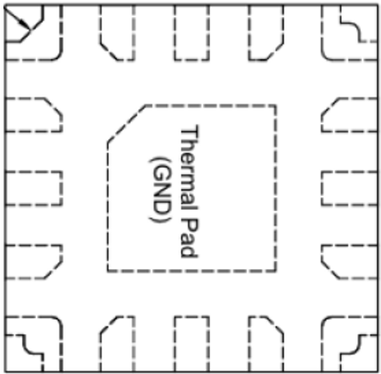
TOP VIEW
1
DDIO
DIO
VSS
VSS
VSYNC
VSS
CH1
16
CH3
CH5
CH2
CH4
CH6
VDD
VDD
VSS
VSS
VSS
VSYNC
0.1mm
0.8mm
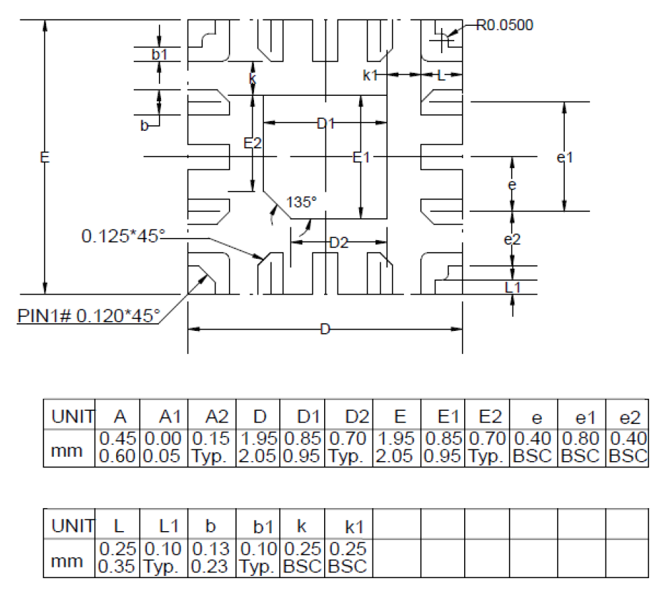
0.80

VLED
D
VS
GND
VDD
VLED

7 Line
6 Line

VDD
VDD
wafer
VDD
THERMAL
GND
DIO
DDIO

GND
DIO
DDIO
GND

VSYNCI
VSYNCI
FBO
(OPEN-DRAIN)
VSYNCO

FBO
FBI

VLED
VLED

misc
#n
#n+1
vsync
#n LD data
transmit
#n+1 LD data
transmit
LD [15:0]

4095
1
2
3
4
5
6
4090
4091
4092
4093
4094
4095
1
2
3
4
5
6
pwmclk
LD ch1 = 3
#n
DELAY_CH1=0
PWM out ch1
DELAY_CH2=2
LD ch2 = 4
#n
PWM out ch2

#n
#n+1
vsync
#n LD data
transmit
#n+1 LD data
transmit
LD [15:0]
scan 1th of #n
scan 8th of #n
. . . . .
511
1
2
3
4
510
511
1
510
511
1
2
510
511
1
2
3
4
5
6
pwmclk
LD ch1 = 2
#n
LD ch1 = 2
#n
LD ch1 = 2
#n
DELAY_CH1=0
pwm_out1
LD ch2 = 3
#n
LD ch2 = 3
#n
LD ch2 = 3
#n
DELAY_CH2=2
pwm_out2

#n
#n+1
vsync
#n LD data
transmit
#n+1 LD data
transmit
LD [15:0]

4095
1
2
3
4
5
6
7
4090
4091
4092
4093
4094
4095
1
2
3
4
5
6
pwmclk
LD ch1 = 3
#n
LD ch1 = 2
#n+1
DELAY_CH1=0
PWM out ch1
LD ch2 = 4
#n
LD ch2 = 3
#n+1
DELAY_CH2=2
PWM out ch2

#n
#n+1
vsync
#n LD data
transmit
#n+1 LD data
transmit
LD [15:0]
scan 1th of #n
scan 8th of #n
. . . . .
511
1
2
3
4
510
511
1
2
3
4
1
2
3
511
1
2
3
4
5
pwmclk
LD ch1 = 2
#n
LD ch1 = 2
#n
LD ch1 = 2
#n
LD ch1=1
#n+1
DELAY_CH1=0
pwm_out1
LD ch2=1
#n
LD ch2=1
#n
LD ch2=1
#n
LD ch2 = 2
#n+1
DELAY_CH2=2
pwm_out2

misc3
...
ch4

ch5

vsync

1
2
4095
4096
4097
4098
1
2
4095
4096
4097
4098
pwm clk

 | 1 |  |  |  |  |  |  |  |  |  |  |  | 1

 |  |  |  |  | 1 |  |  |  |  |  |  |  |  |  |  |  |  | 1

 |  | 2 (cnt=2) |  |  |  |  |  |  |  |  |  |  |  | 2 (cnt=2)

 |  |  |  |  |  | 4 (cnt=2) |  |  |  |  |  |  |  |  |  |  |  |  |  | 4 (cnt=2)

 |  |  |  |  |  | 2 (cnt=2) |  |  |  |  |  |  |  |  |  |  |  |  |  | 2 (cnt=2)

vsync

1
4095
4096
4097
4098
1
4091
4092
4093
4094
4095
4096
4097
4098
1
pwm clk

 |  | 4095 (cnt=4095) |  |  |  |  |  |  |  |  |  | 4095 (cnt=4095)

 |  |  |  | 4 (cnt=2) |  |  |  |  |  |  | 4093 (cnt=4093) |  |  |  |  |  |  |  |  |  | 4 (cnt=2)

 |  |  |  | 4 (cnt=4) |  |  |  | 4091 (cnt=4091) |  |  |  |  |  |  |  |  |  |  |  |  | 4 (cnt=4)

vsync

1
2
4091
4092
4093
4094
1
2
4091
4092
4093
4094
1
pwm clk

 |  |  | 4092 (cnt=4092) @ ld=4092 |  |  |  |  |  |  |  |  |  |  |  |  | 4092 (cnt=4092) @ ld=4092

 |  |  |  |  |  |  |  |  | 1 (cnt=1) |  |  |  |  | 4091 (cnt=4091)

 |  |  | 4094 (cnt=4094) @ ld=4095 |  |  |  |  |  |  |  |  |  |  |  |  | 4094 (cnt=4094) @ ld=4095

 |  |  |  |  |  |  |  |  | 1 (cnt=1) |  |  |  |  |  |  | 4093 (cnt=4093)
cnt reset 및 ch별 delay cnt 후 dimming start flag assertion
[Tail Lighting] [Head Lighting]
1. 한 프레임내 PWMCLK개수가 max LD DATA값보다 큰 경우 : OK (많은 개수 만큼 duty가 줄어드는 결과)
2. 한 프레임내 PWMCLK개수가 max LD DATA값보다 작은 경우 :
2.1. DELAY 설정값보다 한 프레임내 PWMCLK개수가 작게 생성되면, 해당 LINE은 dimming start 못하게 됨
2.2. 한 프레임내 PWMCLK개수가 LD DATA값보다 작으면 FLICKER는 없을 듯하지만,
- full step일 때는 부족한 PWM CLK 개수만큼 step 유실
- low step일 때는 부족한 PWM CLK 개수만큼 step 유실

vsync

1
2
4091
4092
4093
4094
1
2
4091
4092
4093
4094
1
pwm clk

 |  |  |  |  |  |  |  |  |  | 2 (on=1) |  |  |  |  |  |  | 2 |  |  |  |  |  | 2 (on=1)

 |  |  |  |  |  |  | delay=4093 |  |  |  |  |  |  |  |  |  |  |  |  |  |  | 2 (on=1)

 |  |  |  | 4094 (on=4093) |  |  |  |  |  |  |  |  |  |  |  |  |  |  | 4094 (on=4093)

 |  |  |  |  |  |  | delay=4093 |  |  |  |  |  |  |  | 4094 (on=4093)
cnt reset 및 ch별 delay cnt 후 dimming start flag assertion

misc4
frame period : 100/120/165/240

vsync

(2¹⁴-1)= 16,383ea
(2¹²-1)= 4,095ea
 |  |  |  |  |  |  |  | 16381 | 16381 | 16381 | 16381 | 16382 | 16383
 | 1 | 2 | 3 | 4 | 5 | 6 |  | 4093 | 4093 | 4093 | 4093 | 4094 | 4095 | 1 | 2 | 3

pwmclk
ch1_delay=0
data=3
pwm_out1
ch2_delay=2
data=4
pwm_out2

frame period : 100/120/165/240

vsync
sub-frame #1
. . . . .
sub-frame #8

(2¹⁴/8-1)= 2,047ea
(2¹²/8-1)= 511ea
 |  |  |  |  | 2046 | 2047 |  |  | 2047 | 1 |  | 2046 | 2047
 | 1 | 2 | 3 |  | 510 | 511 | 1 |  | 511 | 1 |  | 510 | 511 | 1 | 2 | 3

pwmclk
ch1_delay=0
data=2
data=2
pwm_out1
ch2_delay=2
pwm_out2

vsync

FLL cnt
(counting #)
(counting # - target#)

