07_MCU Setting
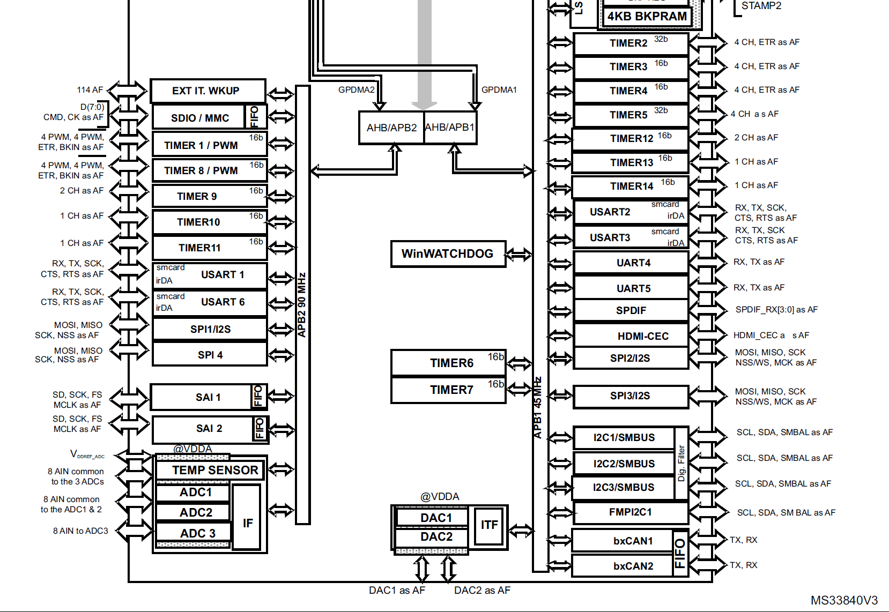
 | Peripheral | Timer
APB1 | 45.0MHz | 90.0MHz
APB2 | 90.0MHz | 180.0MHz

 | TIM1 | TIM2 | TIM3 | TIM4 | TIM5 | TIM6 | TIM7 | TIM8 | TIM9 | TIM10 | TIM11 | TIM12 | TIM13 | TIM14
APB | APB2 | APB1 | APB1 | APB1 | APB1 | APB1 | APB1 | APB2 | APB2 | APB2 | APB2 | APB1 | APB1 | APB1
BIT | 16 | 32 | 16 | 16 | 32 | 16 | 16 | 16 | 16 | 16 | 16 | 16 | 16 | 16
Purpose | serial out | serial in | svsync | fllsync | cnt freq in |  |  | vsync |  |  | test vsync |  | us delay | HAL base
PWM Gen | O |  | O | O |  |  |  | O
PWM Input |  | O |  |  | O
DMA | O | O |  |  | O
IRQ | O | O | O |  | O |  |  | O |  |  | O |  | O
Base Freq | 180.00MHz | 90.00MHz | 90.00MHz | 90.00MHz | 90.00MHz | 90.00MHz | 90.00MHz | 180.00MHz | 180.00MHz | 180.00MHz | 180.00MHz | 90.00MHz | 90.0MHz | 90.0MHz
Precaler | 0 | 0 | 0 | 8 | 0 | 0 | 0 | 24 | 0 | 0 | 24 | 0 | 89 | 0
Period | 179 | 0 | 0 | 49999 | 0 | 0 | 0 | 59999 | 0 | 0 | 59999 | 0 | 0 | 0
MHz | 1 | 90 | 90 | 0.0002 | 90 | 90 | 90 | 0.00012 | 180 | 180 | 0.00012 | 90 | 1 | 90
kHz | 1000 | 90000 | 90000 | 0.2 | 90000 | 90000 | 90000 | 0.12 | 180000 | 180000 | 0.12 | 90000 | 1000 | 90000
Hz | 1000000 | 90000000 | 90000000 | 200 | 90000000 | 90000000 | 90000000 | 120 | 180000000 | 180000000 | 120 | 90000000 | 1000000 | 90000000

