ID601
ID601 VDD
SW70 | 2 on | 330nF
SW68 | 3 on | 100nF
J225 | off
J226 | on | 5.5V
SW66 | 1 on | Internal
VR11 | VR11 + R86 = 22Ω |  | 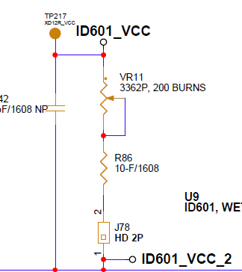
J78 | On

ID601 IO
SW1 | 2 on | Serilaize Buffer 전원 3.3V | 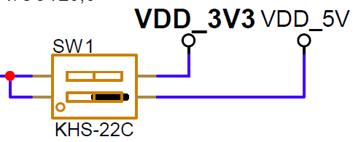
패드 주변 | On |  | 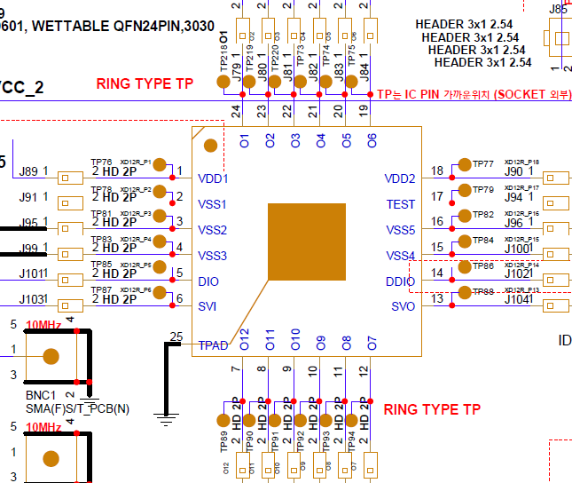
J88 | 2-3 | GND | 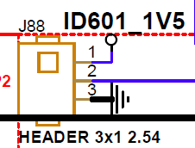
SW10 | 1 on | MCU | 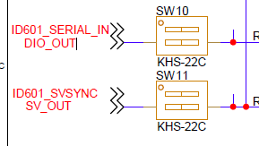
SW11 | 1on | MCU
J105 | 2-3 | signal (not BNC)
J106 | 2-3 | signal (not BNC) | 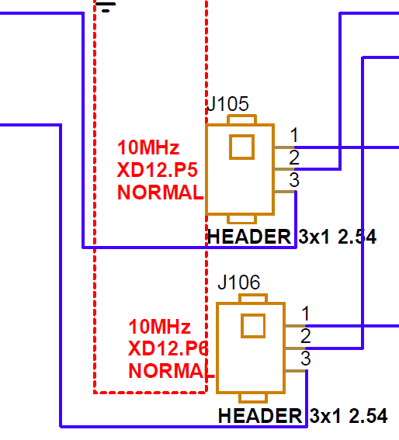
J85 | X |  | 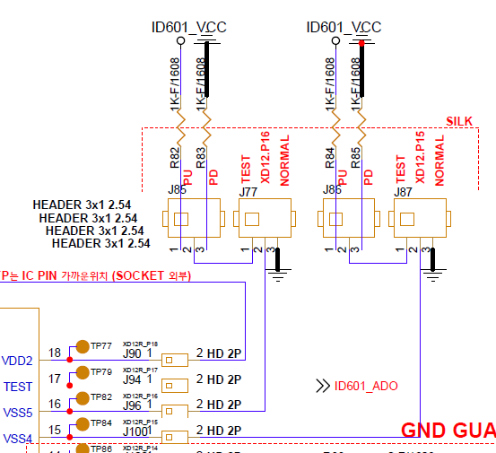
J77 | 2-3 | GND
J86 | X
J87 | '2-3 | GND
J113 | X |  | 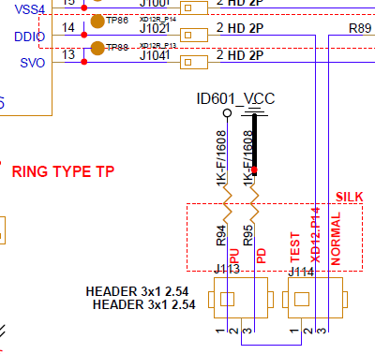
J114 | 2-3
SW2 | 1 on | ID601 | 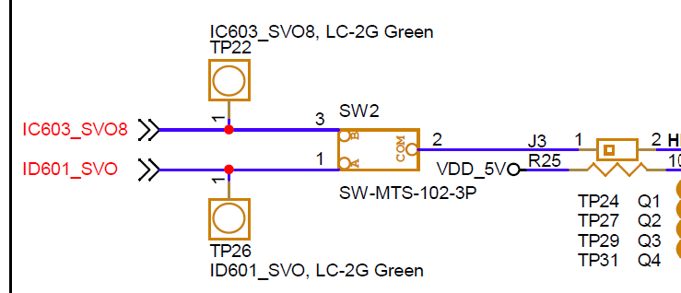
J3 | on
SW3 | 3 on | divide 128 | 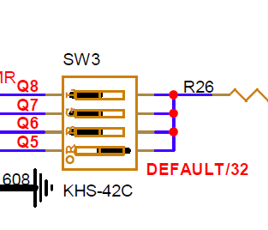

ID601 VLED
J170 | on
SW15 | 1 on | 9V | 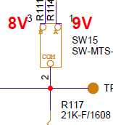
SW14 | 1 on | 9V
SW16 ~ 27 | depends on setting |  | 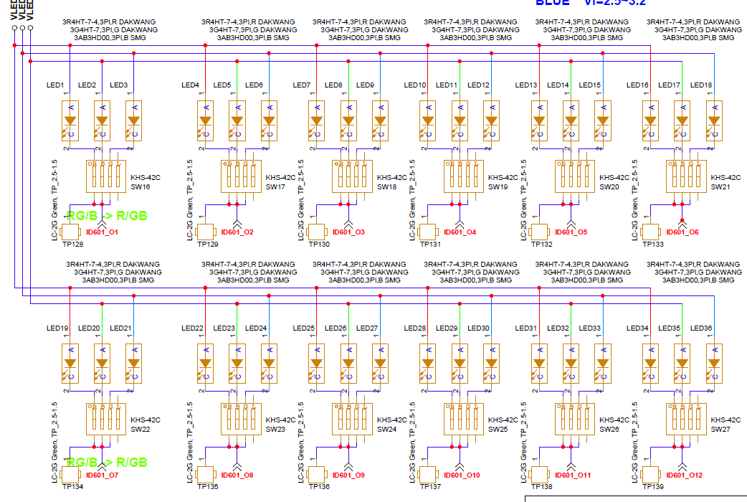
VR15, VR19 | VR15 + VR19 = 3900Ω
J222 | on |  | 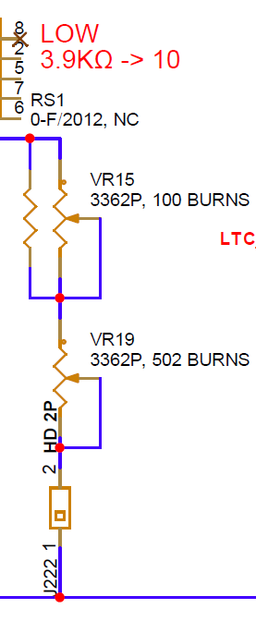
VR16, VR20 | VR16 + VR20 = 75Ω |  | 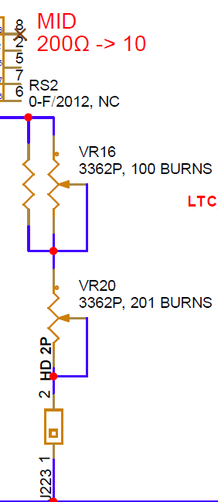
J223 | on
VR17, VR21 | VR17 + VR21 = 13Ω |  | 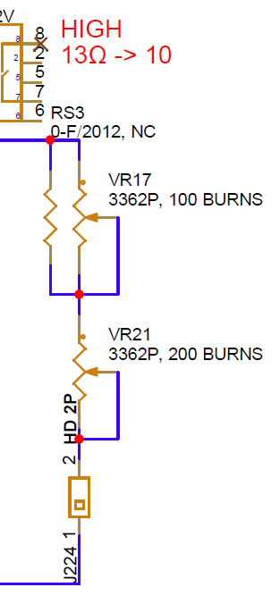
J224 | on
VR13, VR14 | VR13 + VR14 = 2200 |  | 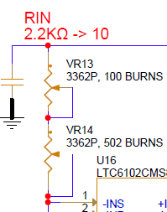
VR18, VR22 | VR18 + VR22 = 3300 |  | 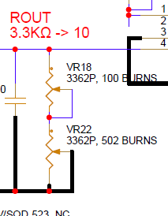
SW64 | 1 on

