65R95H
...
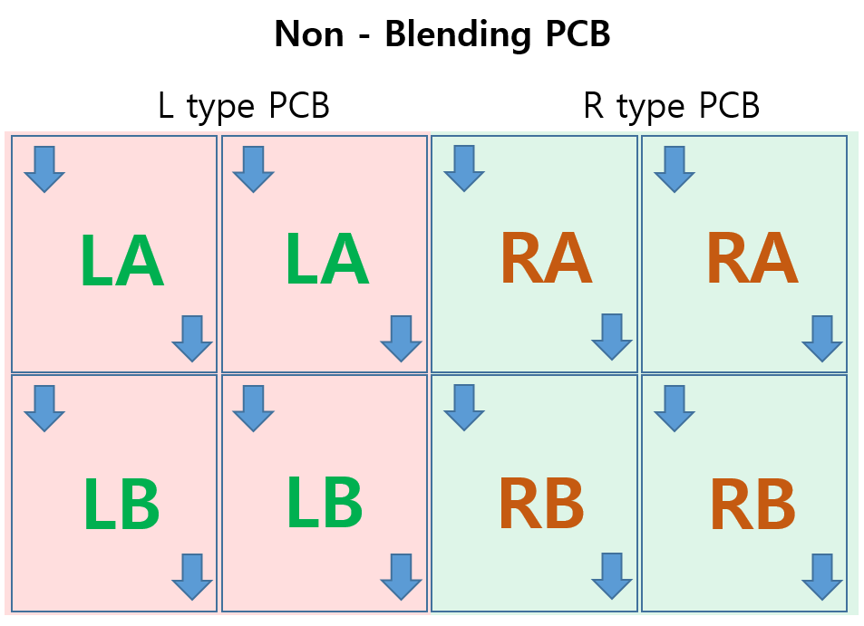
21 | 22 | 23 | 24
XC10DN03XD05 | XC10DN04XD01 | XC10DN04XD03 | XC10DN04XD05 | 1
XC10DN03XD06 | XC10DN04XD02 | XC10DN04XD04 | XC10DN04XD06 | 2
XC10DN06XD05 | XC10DN05XD01 | XC10DN05XD03 | XC10DN05XD05 | 3
XC10DN06XD06 | XC10DN05XD02 | XC10DN05XD04 | XC10DN05XD06 | 4
XC11DN02XD05 | XC11DN03XD01 | XC11DN03XD03 | XC11DN03XD05 | 5
XC11DN02XD06 | XC11DN03XD02 | XC11DN03XD04 | XC11DN03XD06 | 6
XC11DN05XD05 | XC11DN04XD01 | XC11DN04XD03 | XC11DN04XD05 | 7
XC11DN05XD06 | XC11DN04XD02 | XC11DN04XD04 | XC11DN04XD06 | 8
XC11DN10XD05 | XC12DN01XD01 | XC12DN01XD03 | XC12DN01XD05 | 9
4
5
6
1
2
3
7
8
9
10
11
12
XC11DN10XD06 | XC12DN01XD02 | XC12DN01XD04 | XC12DN01XD06 | 10
XC12DN03XD05 | XC12DN02XD01 | XC12DN02XD03 | XC12DN02XD05 | 11
XC12DN03XD06 | XC12DN02XD02 | XC12DN02XD04 | XC12DN02XD06 | 12
XC12DN08XD05 | XC12DN09XD01 | XC12DN09XD03 | XC12DN09XD05 | 13
XC12DN08XD06 | XC12DN09XD02 | XC12DN09XD04 | XC12DN09XD06 | 14
XC22DN03XD05 | XC22DN04XD01 | XC22DN04XD03 | XC22DN04XD05 | 15
XC22DN03XD06 | XC22DN04XD02 | XC22DN04XD04 | XC22DN04XD06 | 16
XC22DN06XD05 | XC22DN05XD01 | XC22DN05XD03 | XC22DN05XD05 | 17
XC22DN06XD06 | XC22DN05XD02 | XC22DN05XD04 | XC22DN05XD06 | 18
16
17
18
13
14
15
19
20
21
XC23DN02XD05 | XC23DN03XD01 | XC23DN03XD03 | XC23DN03XD05 | 19
22
23
24
XC23DN02XD06 | XC23DN03XD02 | XC23DN03XD04 | XC23DN03XD06 | 20
XC23DN05XD05 | XC23DN04XD01 | XC23DN04XD03 | XC23DN04XD05 | 21
XC23DN05XD06 | XC23DN04XD02 | XC23DN04XD04 | XC23DN04XD06 | 22
XC23DN10XD05 | XC24DN01XD01 | XC24DN01XD03 | XC24DN01XD05 | 23
XC23DN10XD06 | XC24DN01XD02 | XC24DN01XD04 | XC24DN01XD06 | 24
XC24DN03XD05 | XC24DN02XD01 | XC24DN02XD03 | XC24DN02XD05 | 25
XC24DN03XD06 | XC24DN02XD02 | XC24DN02XD04 | XC24DN02XD06 | 26
XC24DN08XD05 | XC24DN09XD01 | XC24DN09XD03 | XC24DN09XD05 | 27
XC24DN08XD06 | XC24DN09XD02 | XC24DN09XD04 | XC24DN09XD06 | 28

 |  |  |  | 1344
 |  |  |  |  | 4/5/6 | 1/2/3 |  |  | 7/8/9 | 10/11/12
 |  |  |  |  |  |  | CN1000 | CN1100

 |  |  |  |  |  |  | CN1200 | CN1300
 |  |  |  |  | 16/17/18 | 13/14/15 |  |  | 19/20/21 | 22/23/24

