TEST_PIN
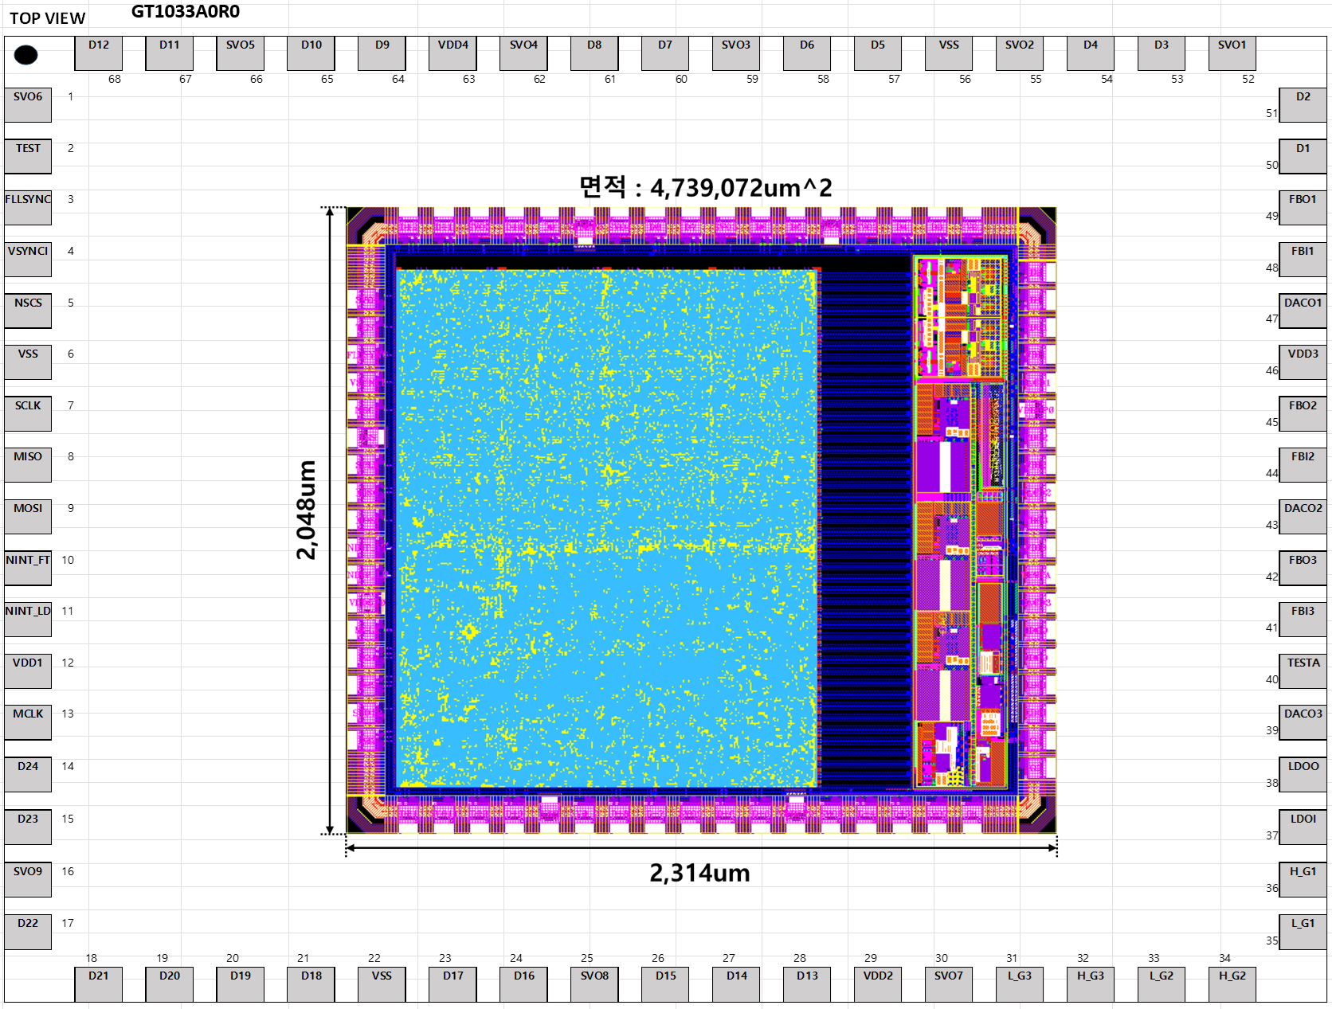

pin | name | domain | in/out
47 | DACO1 | Voltage | out
43 | DACO2 | Voltage | out
39 | DACO3 | Voltgae | out

40 | TESTA | Voltage / Current | in/out
38 | LDOO | Voltage | out
37 | LDOI | Voltage | in

13 | MCLK | CLK | in
16 | SVO09 | CLK | out

