FLL
-----Triangle generator-----
Output = SP_ORG[7:0]
Case (SPRD_SPD[2:0])
0 : 1step [128CLK]
1 : 1step [64CLK]
2 : 1step [32CLK]
3 : 1step [16CLK]
4 : 1step [8CLK]
5 : 1step [4CLK]
6 : 1step [2CLK]
7 : 1step [1CLK]
Default : SP_ORG[7:0] = 8'sd 0
Case (SPRD_GAIN[1:0])
0 : SP_GN[7:0] = {3'b 0 , SP_ORG[7:3]}
1 : SP_GN[7:0] = [2'b 0 , SP_ORG[7:2]}
2 : SP_GN[7:0] = {1'b 0 , SP_ORG[7:1]}
3 : SP_GN[7:0] = [SP_ORG[7:0]}
Default : 2'd 0
If SPRD_EN == 1
SP_O[7:0] = SP_GN[7:0]
Else
SP_O[7:0] = 8'sd 0

ER Saturator option

SP_ORG[7:0]
SP_GN[7:0]
(FLL_ERR_RANGE) *default = 0*
Case (FLL_ERR_RANGE[1:0])
0 : ER[15:0] = +-32768 (Limit) 1 : ER[15:0] = +- 16384 (Limit)
2: ER[15:0] = +- 8192 (Limit)
3 : ER[15:0] = +-4096 (Limit)
SPRD_SPD[2:0]
SPRD_GAIN[1:0]

SPRD_EN *(default = 0)*

SP_O[7:0]
+
+
1
0
+
ANALOG
16 d’ 128
+
31LEVEL DAC
2nd order RC Filter
16’d 0
Overflow
detector
5 to 31
Decoder
Sync
(DFF)
DAC
FILTER
OSC
-
DSM[15:0]
DSM[15:11]
OSC_FCTL[31:0]
Fosc = 50MHz
x2
Default = 5’d 16 (unsigned)
Range = +- 50MHz
FN Detector option
DAC
Range = 50MHz = +- 50MHz
Divide
by2
DFF
DFF
DSM[10:0]
(FLL_RANGE) *default = 2*
----FLL_RANGE[1:0] = 0 ----
FN[17:0] >= +1/4??
CN = +1
FN[17:0] = 0 (signed)
FN[17:0] <= - 1/4??
CN = -1
FN[17:0] = 0 (signed)
----FLL_RANGE[1:0] = 1 ----
FN[17:0] >= +1/2??
CN = +1
FN[17:0] = +1/4
FN[17:0] <= - 1/2??
CN = -1
FN[17:0] = -1/4
----FLL_RANGE[1:0] = 2----
FN[17:0] >= +3/4??
CN = +1
FN[17:0] = 1/2 (signed)
FN[17:0] <= - 3/4??
CN = -1
FN[17:0] = 1/2 (signed)
----FLL_RANGE[1:0] = 3 ----
FN[17:0] >= +7/8??
CN = +1
FN[17:0] = +3/4
FN[17:0] <= - 7/8??
CN = -1
FN[17:0] = -3/4

Divide
by2

Case (FLL_GAIN[1:0])
0 : GR[17:0] = {5’b 0,ER[15:3]}
1 : GR[17:0] = {4’b 0 ,ER[15:2]}
2 : GR[17:0] = {3’b 0,ER[15:1]}
3 : GR[17:0] = {2'b 0,ER[15:0]}
Default : 3'd 1
FN[17:0] >= +3/4??
CN = +1
FN[17:0] = +2/4
FN[17:0] <= - 3/4??
CN = -1
FN[17:0] = -2/4
if CCTL[4:0] ==
5'd 0 or 5'd 31
FN[17:0] -> BYPASS
N[19:0]
N[19:0] – C[19:0]
= NC[20:0] (Signed)
ER[15:0] = NC[15:0]
If ER[15:0] == overflow??
ER[15:0] = +- max value
Signed
To
Unsigned
ACM[15:0]
= UN[17:2]
If OSC_MAN_EN == 1
FLT[15:0] = OSC_FMAN[15:0]
Else
FLT[15:0] = ACM[15:0]
ER[15:0]
+
+
GR[17:0]
FN[17:0]
UN[17:0]
ACM[15:0]
OSC_CCTL[4:0]
Vsync
FLT[15:0]
+
+
CN
DFF
[3:0]
Overflow
detector
C[19:0]
Default = 17’d 0(signed)
FN[17:0]
CS[3:0]
If OSC_MAN_EN == 1 ??
OSC_CCTL[4:0] = OSC_ICTL[4:0]
Else
OSC_CCTL[4:0]
= CS[3:0] + OSC_ICTL[4:0]
Overflow
detector
20bit counter
Output = C[19:0]
Reset = Vsync
Overflow detector
If Overflow == 1??
C[19:0] = N[19:0]
Counter hold until next Vsync
Default = 3’d 0(signed)
DFF

FLT_GAIN[1:0]
OSC_FMAN[15:0]
OSC_MAN_EN *(default = 1)*
OSC_ICTL[4:0] *(default = 5'd 16)*

Layout
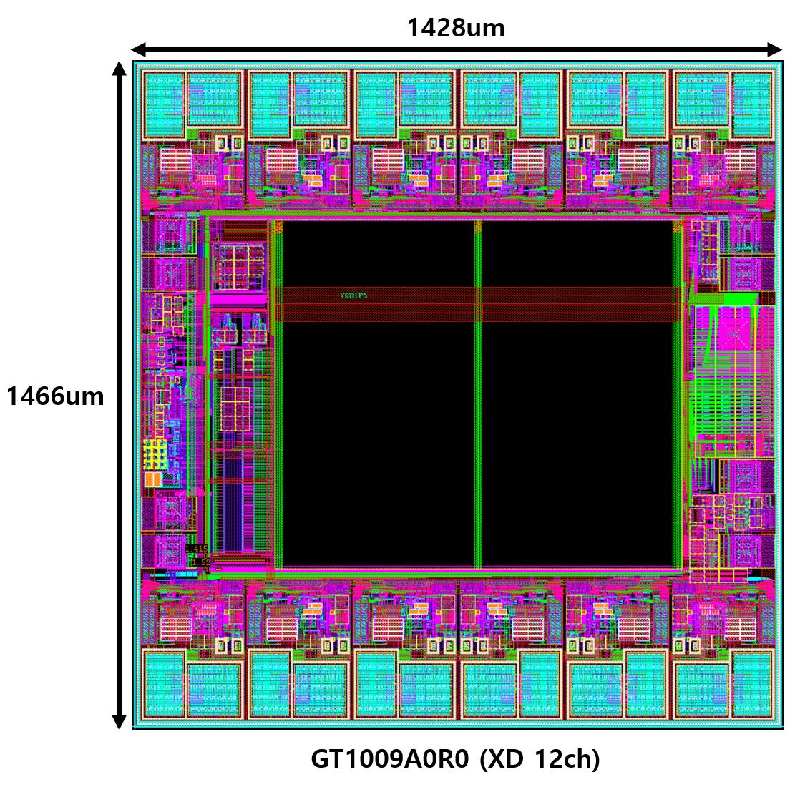
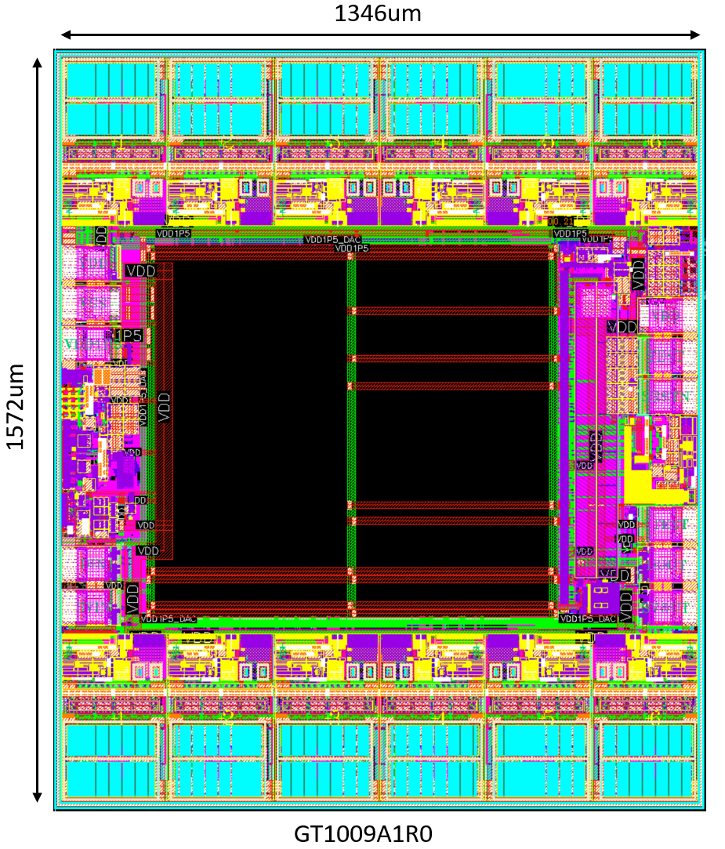

FT_Test
Trimming | TEST NO | TEST NAME | TEST PIN | TARGET | VDD | TEST CONDITION | TEST TYPE | SET REG | TRIM REG | DESCRIPTION | NOTE
 | 1 | Current REF | TEST | 1.4V | 3.3 | High - Z | Voltage | TEST_EN = 1'd : 1 TEST_ANA_EN[2:0] = 3'd : 0 | IREF_CTL[4:0] | Current reference Voltage trimming
 | 2 | LDO(Digital) | TEST | 1.5V | 3.3 | High - Z | Voltage | TEST_EN = 1'd : 1 TEST_ANA_EN[2:0] = 3'd : 2 | LDO_CTL[3:0] | Digital LDO Voltage trimming | **signed binary**
 | 3 | LDO(DAC) | TEST | 1.5V | 3.3 | High - Z | Voltage | TEST_EN = 1'd : 1 TEST_ANA_EN[2:0] = 3'd : 1 | LDO_DAC_CTL[4:0] | DAC LDO Voltage trimming
 | 4 | LDO(FLL) | TEST | 1.5V | 3.3 | High - Z | Voltage | TEST_EN = 1'd : 1 TEST_ANA_EN[2:0] = 3'd : 5 | LDO_OSC_CTL[3:0] | FLL LDO Voltage trimming
TEST_ANA_EN[2:0]??
 | 5 | OSC Frequency | DOUT | 40/64 = 0.625MHz | 3.3 |  | Frequency | TEST_EN = 1'd : 1 MCLK64_O = 1'd : 1 OSC_MAN_EN = 1'd : 1 OSC_FLL_MAN [15:0] = 16'b : 1000000000000000 | OSC_RCTL[3:0] | Frequency trimming | * 1/64 Divided out *
TEST_ANA_EN[2:0]??
홀/짝 채널 Trim 조건 다르게?
 | 6 | CH_GAIN | IOUT CH(N) | P2 - P1 = 4.688mA | 3.3 | P1 : 300 , P2 : 1500 VLED = 1V | Current (Sink) | CH(N)_EN : 1'd : 1 PWMOUT_FULL : 1'd : 1 MAX_CURR_LEVEL_CH(N)[3:0] = 4'd : 3 ---P1--- MAX_CURR_VREF_CH(N)[11:0] = 12'd : (P1) ---P2--- MAX_CURR_VREF_CH(N)[11:0] = 12'd : (P2) | GAIN_CH(N)[6:0] | Gain trimming | * MAX 16mA Setting
TEST_ANA_EN[2:0]??
홀/짝 채널 Trim 조건 다르게?
 | 7 | CH_OFFSET | IOUT CH(N) | (P3+P4)/2 = 1.172mA | 3.3 | P3 : 200 , P4 : 400 VLED = 1V | Current (Sink) | CH(N)_EN : 1'd : 1 PWMOUT_FULL : 1'd : 1 MAX_CURR_LEVEL_CH(N)[3:0] = 4'd : 3 ---P3--- MAX_CURR_VREF_CH(N)[11:0] = 12'd : (P3) ---P4--- MAX_CURR_VREF_CH(N)[11:0] = 12'd : (P4) | OFS_CH(N)[8:0] | Offset trimming | * MAX 16mA Setting
 | 8 | eFuse Write |  |  | 5.5 |  |  | eFuse 가이드 참조

1ST TEST | TEST NO | TEST NAME | TEST PIN | TARGET | VDD | TEST CONDITION | TEST TYPE | SET REG | TEST LIMIT | DESCRIPTION | NOTE
 | 1 | LKG | IOUT CH(N) |  | 3.3 |  | Current |  | +10nA / - 2nA
 | 2 | LKG(LKG MODE) | IOUT CH(N) | 100nA | 3.3 |  | Current |  | ± 10%
 | 3 | IDDS | VDD |  | 3.3 | STANDBY MODE | Current
 | 4 | IDDD | VDD |  | 3.3 | ACTIVE MODE | Current
 | 5 | IDDQ_A | VDD |  | 3.3 | SCAN MODE | Current | PIN : STEST = 3.3V
 | 6 | IDDQ_D | VDD1P5 (OPEN PAD) |  | 1.5 | SCAN MODE | Current |  | TBD
 | 7 | Voltage REF | TEST | 1.25V | 3.3 | High - Z | Voltage | TEST_EN = 1'd : 1 TEST_ANA_EN[2:0] = 3'd : 3 | ± 3%
 | 8 | Current REF | TEST | 1.4V | 3.3 | High - Z | Voltage | TEST_EN = 1'd : 1 TEST_ANA_EN[2:0] = 3'd : 0 | ± 3%
 | 9 | LDO(Digital) | TEST | 1.5V | 3.3 | High - Z | Voltage | TEST_EN = 1'd : 1 TEST_ANA_EN[2:0] = 3'd : 2 | ± 3% |  | **signed binary**
 | 10 | LDO(DAC) | TEST | 1.5V | 3.3 | High - Z | Voltage | TEST_EN = 1'd : 1 TEST_ANA_EN[2:0] = 3'd : 1 | ± 3%
 | 11 | LDO(FLL) | TEST | 1.5V | 3.3 | High - Z | Voltage | TEST_EN = 1'd : 1 TEST_ANA_EN[2:0] = 3'd : 5 | ± 3%
 | 12 | OSC | SVOUT | 50M/64 = 0.78125MHz | 3.3 |  | Frequency | TEST_EN = 1'd : 1 MCLK64_O = 1'd : 1 OSC_MAN_EN = 1'd : 1 OSC_FLL_MAN [15:0] = 16'b : 1000000000000000 | ± 5% |  | * 1/64 Divided out *
 | 13 | FLL | SVOUT | 40 / 50 / 60 M | 3.3 |  | Frequency | MCLK_LOCK_CNT[19:0] x 60 = 40M MCLK_LOCK_CNT[19:0] x 60 = 50M MCLK_LOCK_CNT[19:0] x 60 = 60M | ± 0.5%
 | 14 | IOUT_3POINT | IOUT CH(N) | P1 = 1.172mA P2 = 2.735mA P3 = 11.721mA | 3.3 | MAX_CURR_VREF_CH(N)[11:0] P1 : 300 P2 : 700 P3 : 3000 | Current (Sink) | CH(N)_EN : 1'd : 1 PWMOUT_FULL : 1'd : 1 MAX_CURR_LEVEL3[3:0] = 4'd : 3 MAX_CURR_LEVEL2[3:0] = 4'd : 3 MAX_CURR_LEVEL1[3:0] = 4'd : 3 ---P1--- MAX_CURR_VREF_CH(N)[11:0] = 12'd : (P1) ---P2--- MAX_CURR_VREF_CH(N)[11:0] = 12'd : (P2) ---P3--- MAX_CURR_VREF_CH(N)[11:0] = 12'd : (P3) | ± 1.5% | VLED = 1V
 | 15 | IOUT_1POINT (MAX SWEEP) | IOUT CH(N) | P1 = 0.293mA P2 = 0.586mA P3 = 0.879mA P4 = 1.172mA P5 = 1.465mA P6 = 1.758mA P7 = 2.051mA P8 = 2.344mA | 3.3 | MAX_CURR_VREF_CH(N)[11:0] P1 ~ P8 = 300 MAX_CURR_LEVEL[3:0] P1 = 0 P2 = 1 . . P7 = 6 P8 = 7 | Current (Sink) | CH(N)_EN : 1'd : 1 PWMOUT_FULL : 1'd : 1 MAX_CURR_LEVEL3[3:0] = 4'd : 3 MAX_CURR_LEVEL2[3:0] = 4'd : 3 MAX_CURR_LEVEL1[3:0] = 4'd : 3 ---P1--- MAX_CURR_VREF_CH(N)[11:0] = 12'd : (P1) ---P2--- MAX_CURR_VREF_CH(N)[11:0] = 12'd : (P2) ---P3--- MAX_CURR_VREF_CH(N)[11:0] = 12'd : (P3) | ± 1.5% | VLED = 1V
 | 16 | UVOV(1P5) | DOUT | T0 : UV = H / OV = L T1 : UV = L / OV = L T2 : UV = L / OV = H | 3.3 | **TEST PIN** T0 = 1V T1 = 1.5V T2 = 2V | Data Read | TEST_ANA_EN[2:0] = 3'd : 6 |  | LDO_UV / LDO_OV : 'H' Check
 | 17 | UVOV(VDD) | DOUT | T0 : UV = H / OV = L T1 : UV = L / OV = L T2 : UV = L / OV = H | 3.3 | **TEST PIN** T0 = 2.5V T1 = 3.3V T2 = 3.3V + OV_SWAP_EN = 1'd 1 | Data Read | TEST_ANA_EN[2:0] = 3'd : 7 |  | VDD_UV / VDD_OV : 'H' Check
 | 18 | Fault Flag Test | DIN | T0 : Open = H / FB = H / Short = L T1 : Open = L / FB = H / Short = L T2 : Open = L / FB = L / Short = L T3 : Open = L / FB = L / Short = H | 3.3 | **VLED** T0 = 0.05V T1 = 0.7V T2 = 2V T3 = 5V | Data Read | FB(N)_LEVEL[2:0] : 3'd 5 SHORT(N)_LEVEL[2:0] = 3'd 0 |  | Fault Flag : 'H' Check
 | 19 | Temp Flag Test | DIN or TEST | OV_TEMP = L > H or TEST = L > H | 3.3 | OV_SWAP_EN = 1'd 1 | Data Read or Voltage |  |  | Fault Flag : 'H' Check or Voltage = 3.3V
HPS_PWM | 20 | HPS_PWM |  | 별도 조건 | 5.5
2ND TEST | 21 | LKG | IOUT CH(N) |  | 3.3 |  | Current |  | < Delta 0.5% | * 1ST TEST - 2ND TEST* | HPS_PWM 이후 온도 상황 고려해 Limit 유동적 조절 필요
 | 22 | LKG(LKG MODE) | IOUT CH(N) |  | 3.3 |  | Current |  | < Delta 0.5% | * 1ST TEST - 2ND TEST*
 | 23 | IDDS | VDD |  | 3.3 | STANDBY MODE | Current |  | < Delta 0.5% | * 1ST TEST - 2ND TEST*
 | 24 | IDDD | VDD |  | 3.3 | ACTIVE MODE | Current |  | < Delta 0.5% | * 1ST TEST - 2ND TEST*
 | 25 | IDDQ_A | VDD |  | 3.3 | SCAN MODE | Current | PIN : STEST = 3.3V | < Delta 0.5% | * 1ST TEST - 2ND TEST*
 | 26 | IDDQ_D | VDD1P5 (OPEN PAD) |  | 1.5 | SCAN MODE | Current |  | < Delta 0.5% | * 1ST TEST - 2ND TEST*
 | 27 | IOUT_3POINT | IOUT CH(N) | P1 = 1.172mA P2 = 2.735mA P3 = 11.721mA | 3.3 | MAX_CURR_VREF_CH(N)[11:0] P1 : 300 P2 : 700 P3 : 3000 | Current (Sink) | CH(N)_EN : 1'd : 1 PWMOUT_FULL : 1'd : 1 MAX_CURR_LEVEL3[3:0] = 4'd : 3 MAX_CURR_LEVEL2[3:0] = 4'd : 3 MAX_CURR_LEVEL1[3:0] = 4'd : 3 ---P1--- MAX_CURR_VREF_CH(N)[11:0] = 12'd : (P1) ---P2--- MAX_CURR_VREF_CH(N)[11:0] = 12'd : (P2) ---P3--- MAX_CURR_VREF_CH(N)[11:0] = 12'd : (P3) | < Delta 0.5% | * 1ST TEST - 2ND TEST*

