adc
1. ADC averaging : Moving average method
- 처음 32ea ADC_CLK 동안 sampling한 값들을 누적 평균하여 33번째 ADC_CLK 에 출력
그 다음 , 2 ~ 33번째 ADC_CLK 동안 누적 평균값을 34번째 ADC_CLK 에 출력
그 다음 , 3 ~ 34번째 ADC_CLK 동안 누적 평균값을 35번째 ADC_CLK 에 출력 계속 ..........
- 순간 fluctuation이 발생하더라도 누적평균에 의해 출력값 변동 최소화
- valid한 변동값이 입력됐다면 실제 포화된 안정값이 출력되는 시간은 변동값이 크면 클 수록 커짐

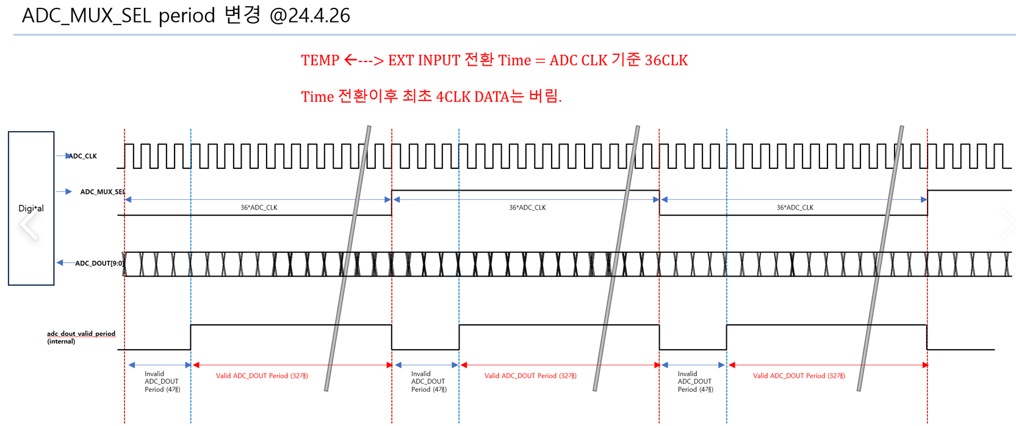
TEMP/VEXT_TM update times
ADC_CLK =
EVENT_CYC=0 → 128 mclk (8us, 125khz)
EVENT_CYC=1 → 64 mclk (4us, 250khz)
VEXT_TM sampling duration
(if VEXT_MON_E = 1)
TEMP sampling duration
TEMP sampling duration
#2
#1
#32
#2
#1
#32
2. ADC Timing

3. Fault detection
- fault sampling clk = 4 ADC_CLK (EVENT_CYC=0 → 4 * 128 * 16mhz = 32us, EVENT_CYC=0 → 4 * 128 * 16mhz = 16us)
- OT err flag : TEMP > TEMPTH 조건을 fault sampling clk으로 연속 5회 감지, TEMP < TEMPHYS 조건이 될 때까지 유지
- UV err flag : analog part로부터 입력되는 UV fault flag을 연속 5회 감지, UV fault flag deassertion될 때까지 유지
- SHORT/ OPEN detection : PWM_OUT 출력이 high 인 구간에서만 감지 작동, FPWM_DIV 설정된 clk 기준으로 연속 10회 감지
(최소 pwm 갯수는 FPWM_DIV 설정 clk 기준으로 12개 예상)

