TEST_PIN
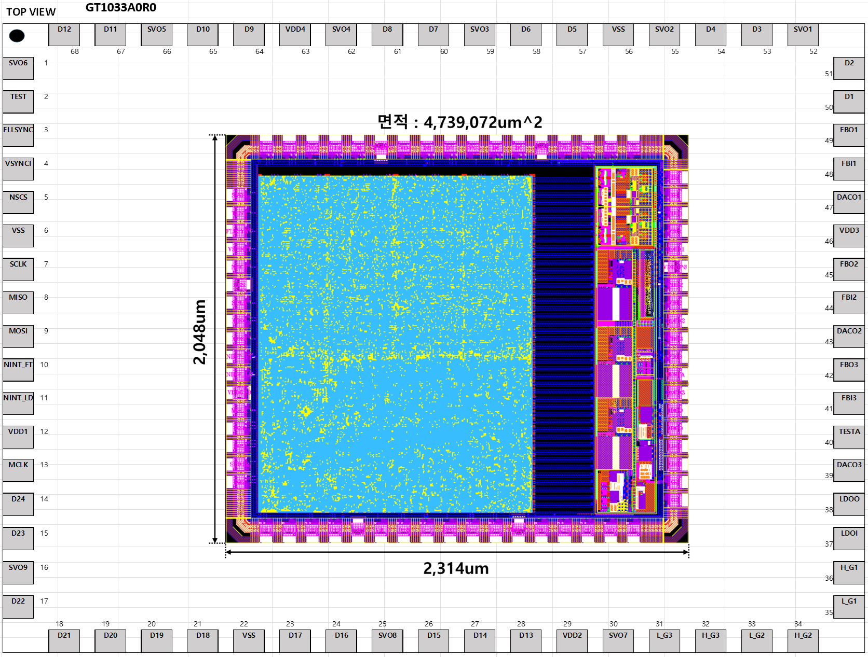

pin | name | domain | in/out | Note
47 | DACO1 | Voltage | out
43 | DACO2 | Voltage | out
39 | DACO3 | Voltgae | out

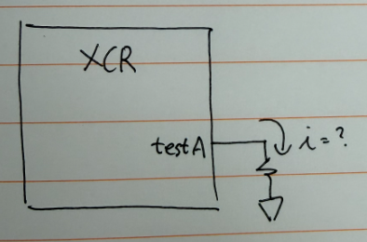
40 | TESTA | Voltage / Current | in/out | Trim : 2uA Sourcing (500K or 1M) / Test : UVOV 전압 인가
38 | LDOO | Voltage | out
37 | LDOI | Voltage | in | 1.5V 부근 전압 인가

13 | MCLK | CLK | in | swing : 0 ~ 3.3V/ max 50MHz 구형파
16 | SVO09 | CLK | out

