Documentation Process
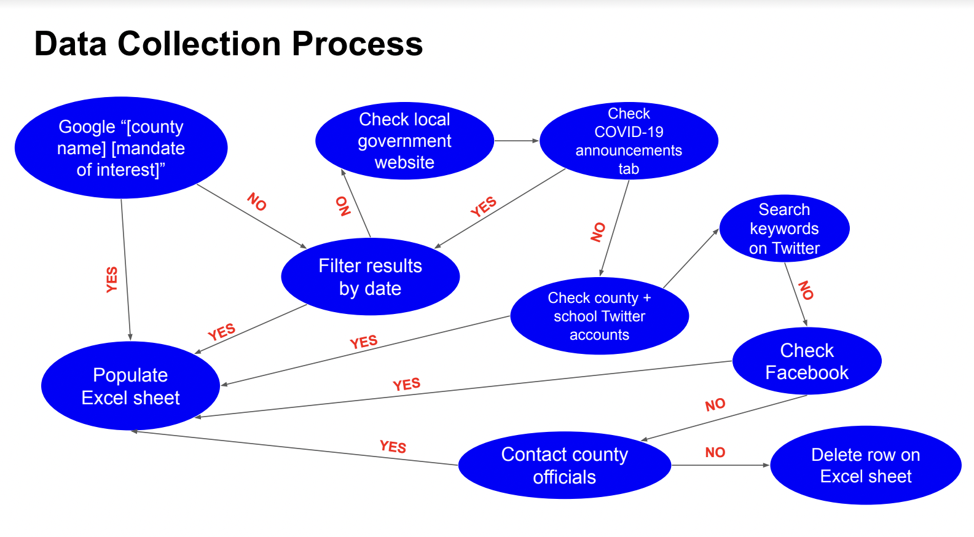
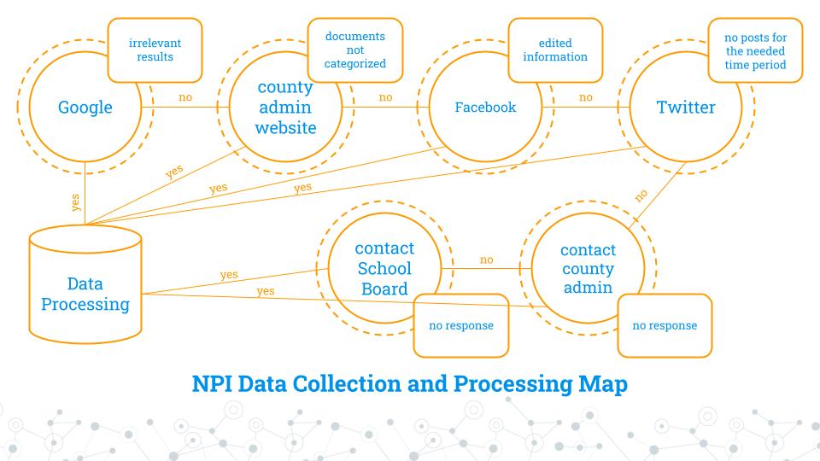
DATA COLLECTION

FAVOR START DATE OVER ANNOUNCED DATE
DEFAULT TO PUTTING TAGS IN START_TAG

1. Enter the name of the county + the mandate of interest into your search engine of choice (e.g. Googling “culpeper county mask mandate”).
a. Depending on the specific mandate, filter search results by date. The date range will change depending on the mandate of interest but will all be from March 2020 onwards.
i. For school closures and reopenings, filter from March 2020 to August 2021.
ii. For lockdowns, filter from March 2020 to June 2020.
iii. For all others, do not limit the date range because many mandates lasted for extended periods of time.
b. If nothing can be found on the first few pages, narrow search results to “News.”

CHALLENGES
- Many counties across the country have the same names, making it easy to accidentally look at the wrong one.
- Difficult to determine the relative time range to examine.

2. Head to the local government website of the county of interest.
a. Visit the COVID-19 information tab.
i. The websites typically have a tab on their homepage leading to COVID-19 information, but this may also fall under the general announcements tab.
ii. Scroll through the COVID-19 announcements all the way back to March 2020.

CHALLENGES
- COVID-19 information sometimes doesn’t make its way to to a higher position.
- Lots of irrelevant announcements to sift through.

3. Find the county’s public school system’s Twitter account by searching “[county name] public schools twitter"
a. Scroll through tweets leading back to March 2020.

Use "Advanced Search" feature ( https://help.twitter.com/en/using-twitter/twitter-advanced-search) to filter tweets. Scroll down to the "Dates" category to change the time range. Make sure to enter the county Twitter handle under "Accounts" section in the "From These Accounts" box. Sometimes adding keywords in the "Any of these words" box under the "Words" category helps to filter further. Once you hit the black "Search" button in the upper right hand corner, make sure to hit "Latest" underneath the search bar - this organizes the tweets from latest to earliest and is much easier than scrolling through a jumble of tweets from different times.

CHALLENGES
- It takes a long time to look for specific announcements on Twitter

4. Repeat step 3 with Facebook.

5. If no information can be found online, contact the county administrators.
a. Go under the “Departments”’s tab on the county website and click on “County Administrator."
b. Email the county administrator for any additional mandates implemented beyond the statewide governor’s orders.

6. Repeat step 5 by contacting School Board members

CHALLENGES
- County officials/school board members are not always responsive so make sure to bump the email.

DATA PROCESSING

1. Add start and end dates of the mandates to the appropriate columns in the ultimate Excel spreadsheet.
2. Add source links where each start and end date was found to the Excel spreadsheet.
3. Type notes about what the specific mandate entails or any quirks about them.
4. Download the source material and save it as a PDF or take a screenshot of the website and upload to Box.
5. Analyze data with a data analysis software (R, Python, etc)

