DFM template
NEXTPCB DFA report
Project Number： |  | Prepared by: |  |  |  |  | Date: 20230904
Item | Problem description 问题描述 | Reference location 影响位置 | MPN 物料名称 | Impact 影响 | Image 图片 | NextPCB Suggestion 建议 | Customer feedback 客户反馈 | Severity 严重度 | Status 状态
1 | The space between the pad is large than the datasheet | U8;U9 | DRV8830DRCR | will cannot be soldered in the pads and easy to cause assembly problem | 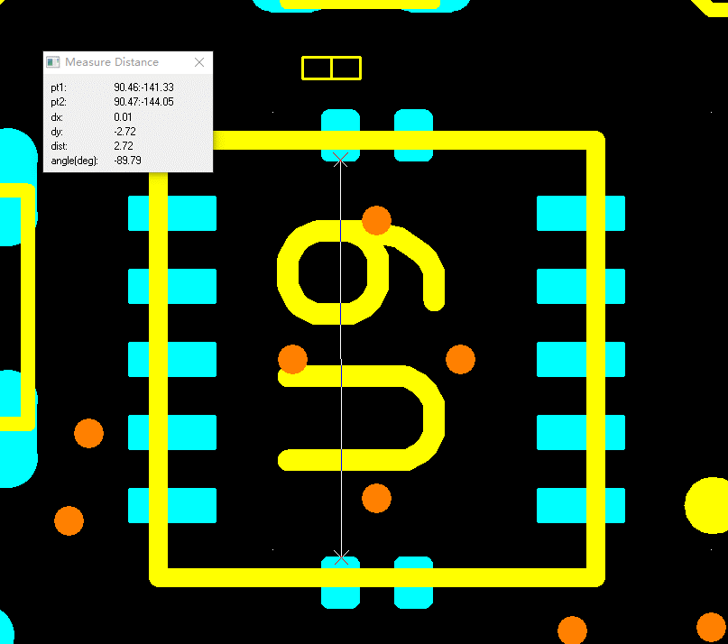 | Please update the files to match with datasheet | Updated. Please verify. Note the gerber being compared is the solder paste layer rather than the mask and copper layers, which are all different. They should all match the datasheet’s specs See page 34 rather than the chip dimensions on page 32 that you referenced. | Middle | open
2 | There is not pin1 mark in the files | U4; | NCP3901FCCT1G | cannot ensure the Pin1 |  | Please add it in the silkscreen layer | Added a dot on the corner of the silkscreen layer. Please confirm that this is sufficient, or should be replaced by larger A1 text. | Middle | open
c
3 | The J4 is not match with datasheet | J4 | USB4120-03-C | couldn't be soldered in the board | 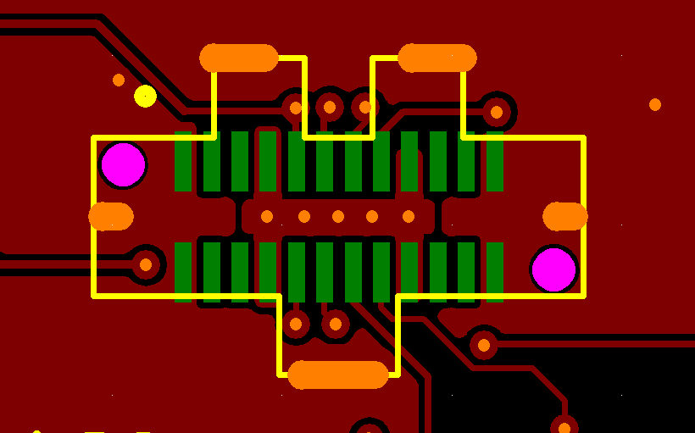 | Please update the files to match with datasheet | This was actually a mistake in the part number. This should have been part number USB4151-GF-C. The footprint should be correct for that. Please update our BOM quotation as well, as the correct part is a bit more expensive. Sorry for this error. | Middle | open
4 | There are three pads in the R95 | R95 | RMCF0603ZT0R00 | couldn't ensure which one should we soldered |  | Please help to mark | I added to the silkscreen to indicate which of the two to add the 0 ohm resistor over. The silkscreen is filled in this area. There is no silkscreen over one pad and this is the pad to remain unpopulated. Please let me know if this is unclear. | Middle | open

