Sheet1
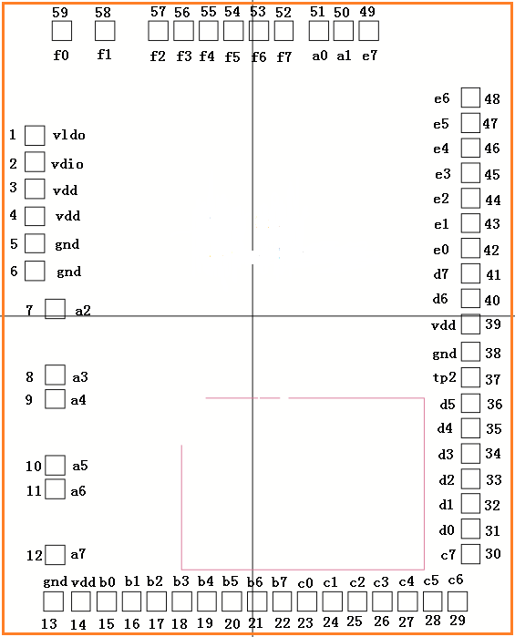
Pad | Name | X | Y
1 | VLDO | -678 | 560
2 | VDIO | -678 | 480
3 | VDD | -678 | 395
4 | VDD | -678 | 310
5 | GND | -678 | 226
6 | GND | -678 | 141
7 | IOA[2] | -614 | 22
8 | IOA[3] | -614 | -184
9 | IOA[4] | -614 | -258
10 | IOA[5] | -614 | -464
11 | IOA[6] | -614 | -538
12 | IOA[7] | -614 | -744
13 | GND | -620 | -888
14 | VDD | -534 | -888
15 | IOB[0] | -454 | -888
16 | IOB[1] | -376 | -888
17 | IOB[2] | -298 | -888
18 | IOB[3] | -220 | -888
19 | IOB[4] | -142 | -888
20 | IOB[5] | -64 | -888
21 | IOB[6] | 14 | -888
22 | IOB[7] | 92 | -888
23 | IOC[0] | 170 | -888
24 | IOC[1] | 248 | -888
25 | IOC[2] | 326 | -888
26 | IOC[3] | 404 | -888
27 | IOC[4] | 482 | -888
28 | IOC[5] | 560 | -888
29 | IOC[6] | 638 | -888
30 | IOC[7] | 678 | -739
31 | IOD[0] | 678 | -661
32 | IOD[1] | 678 | -583
33 | IOD[2] | 678 | -505
34 | IOD[3] | 678 | -427
35 | IOD[4] | 678 | -349
36 | IOD[5] | 678 | -271
37 | TP2 | 678 | -191
38 | GND | 678 | -111
39 | VDD | 678 | -25
40 | IOD[6] | 678 | 55
41 | IOD[7] | 678 | 133
42 | IOE[0] | 678 | 211
43 | IOE[1] | 678 | 289
44 | IOE[2] | 678 | 367
45 | IOE[3] | 678 | 445
46 | IOE[4] | 678 | 523
47 | IOE[5] | 678 | 601
48 | IOE[6] | 678 | 679
49 | IOE[7] | 361 | 888
50 | IOA[1] | 283 | 888
51 | IOA[0] | 205 | 888
52 | IOF[7] | 97 | 888
53 | IOF[6] | 19 | 888
54 | IOF[5] | -59 | 888
55 | IOF[4] | -137 | 888
56 | IOF[3] | -215 | 888
57 | IOF[2] | -293 | 888
58 | IOF[1] | -458 | 888
59 | IOF[0] | -594 | 888

PAD window: 60 x 60 um^2
焊盘下有电路
Top Metal厚度: 0.9um

