measure 近江啓太
$$x$$
$$y$$
爪側
指紋側
指断面図
$$l$$
関節の皺から指先のカーブ開始まで
$$l$$
$$l$$
関節の皺から関節の皺まで
 |  | 末節 |  | 中節 |  | 基節
 |  | len | mag | len | mag | len | mag
親指 | x [mm] | 17 |  |  |  | 16
 | y [mm] | 14 |  |  |  | 15
 | l [mm] | 17 |  |  |  | 23
示指 | x [mm] | 14 | 1.2 | 15 | 1.3 | 14 | 1.4
 | y [mm] | 11 |  | 12 |  | 14
 | l [mm] | 12 | 1 | 16 |  | 21
中指 | x [mm] | 14 | 1.25 | 15 | 1.3 | 15 | 1.3
 | y [mm] | 11 |  | 13 |  | 15
 | l [mm] | 15 | 1 | 21 |  | 21
薬指 | x [mm] | 13 | 1.3 | 14 | 1.3 | 13 | 1.4
 | y [mm] | 10 |  | 11 |  | 13
 | l [mm] | 16 | 1 | 18 |  | 18
小指 | x [mm] | 11 | 1.3 | 12 | 1.3 | 13 | 1.4
 | y [mm] | 9 |  | 10 |  | 12
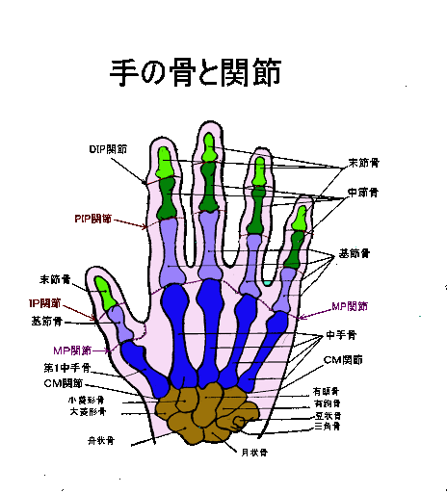
 | l [mm] | 16 | 1 | 14 |  | 14

近江啓太の例
$$x$$
$$y$$
爪側
指紋側
指断面図
$$l$$
関節の皺から指先のカーブ開始まで
$$l$$
$$l$$
関節の皺から関節の皺まで
 |  | 末節 | 中節 | 基節
親指 | x [mm] | 17 |  | 17
 | y [mm] | 14 |  | 16
 | l [mm] | 17 |  | 23
示指 | x [mm] | 14 | 15 | 16
 | y [mm] | 11 | 12 | 16
 | l [mm] | 12 | 16 | 21
中指 | x [mm] | 14 | 15 | 16
 | y [mm] | 11 | 13 | 16
 | l [mm] | 15 | 21 | 21
薬指 | x [mm] | 13 | 14 | 14
 | y [mm] | 10 | 11 | 14
 | l [mm] | 16 | 18 | 18
小指 | x [mm] | 11 | 14 | 13
 | y [mm] | 9 | 11 | 12
 | l [mm] | 16 | 14 | 14

