PortfolioReturn_monthly
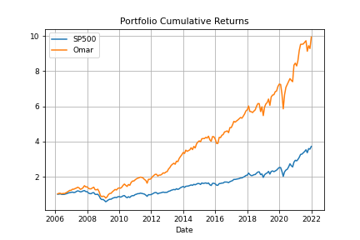
Date | SP500 | Omar Fund
2006-02-28 | 0.00045315772836 | 0.024599320293
2006-03-31 | 0.011095810409 | 0.031753749971
2006-04-30 | 0.012155652918 | -0.00061942222181
2006-05-31 | -0.030916916538 | -0.030395565473
2006-06-30 | 8.6596504596E-05 | 0.024597429774
2006-07-31 | 0.0050858788035 | -0.0099120473301
2006-08-31 | 0.021274193115 | 0.037792327504
2006-09-30 | 0.024566297968 | 0.036741821344
2006-10-31 | 0.031508003585 | 0.045338262987
2006-11-30 | 0.016466656343 | 0.045214712611
2006-12-31 | 0.012615782815 | 0.0020403634463
2007-01-31 | 0.014059043023 | 0.051803192651
2007-02-28 | -0.021846175992 | -0.0012626173354
2007-03-31 | 0.0099799829392 | 0.029766909966
2007-04-30 | 0.043290690427 | 0.021986249483
2007-05-31 | 0.032549228707 | 0.035568320189
2007-06-30 | -0.017816322548 | -0.025451384926
2007-07-31 | -0.031981878362 | -0.060805983523
2007-08-31 | 0.012863572019 | 0.02383327509
2007-09-30 | 0.035794008179 | 0.045569322486
2007-10-31 | 0.014822338224 | 0.083455514261
2007-11-30 | -0.044043417379 | -0.044145241418
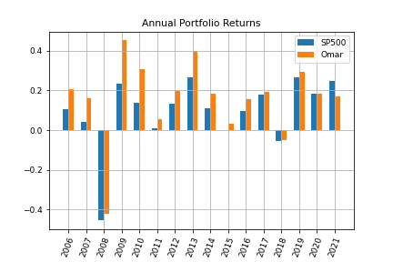
2007-12-31 | -0.0086285085613 | -0.00056926931514
2008-01-31 | -0.061163432278 | -0.053898393862
2008-02-29 | -0.034761192737 | -0.026391684868
2008-03-31 | -0.0059596233978 | 0.0006538897885
2008-04-30 | 0.047546697641 | 0.039959221593
2008-05-31 | 0.010674181704 | 0.029178613755
2008-06-30 | -0.085962384826 | -0.10058830696
2008-07-31 | -0.0098593711853 | -0.0058507459272
2008-08-31 | 0.012190464669 | 0.027956356924
2008-09-30 | -0.090791433544 | -0.10800593226
2008-10-31 | -0.16942452402 | -0.19841746796
2008-11-30 | -0.074849042339 | -0.062114257384
2008-12-31 | 0.0078215766335 | 0.035021866293
2009-01-31 | -0.085657343058 | -0.029819271043
2009-02-28 | -0.10993119762 | -0.096871433635
2009-03-31 | 0.085404461995 | 0.086103042452
2009-04-30 | 0.093925079148 | 0.15566830248
2009-05-31 | 0.053081446385 | 0.063425199982
2009-06-30 | 0.00019582726561 | 0.0093979287443
2009-07-31 | 0.074141727148 | 0.083452897986
2009-08-31 | 0.033560188869 | 0.056593640482
2009-09-30 | 0.035723345723 | 0.054382415503
2009-10-31 | -0.019762000527 | -0.024759304941
2009-11-30 | 0.057364061454 | 0.070908615646
2009-12-31 | 0.017770570919 | 0.023532029744
2010-01-31 | -0.036974245692 | -0.012358183528
2010-02-28 | 0.028513689047 | 0.038334271026
2010-03-31 | 0.058796425545 | 0.081323591879
2010-04-30 | 0.014759230482 | 0.047123788677
2010-05-31 | -0.081975842073 | -0.047380127688
2010-06-30 | -0.05388244224 | -0.041755251569
2010-07-31 | 0.068777849575 | 0.07719516156
2010-08-31 | -0.047449183633 | -0.027945840468
2010-09-30 | 0.087551103051 | 0.1059389862
2010-10-31 | 0.036855994036 | 0.047553453814
2010-11-30 | -0.0022902497466 | 0.00055318680253
2010-12-31 | 0.065300040347 | 0.039293822035
2011-01-31 | 0.022645574359 | 0.033016684288
2011-02-28 | 0.031956563728 | 0.016659775855
2011-03-31 | -0.0010473129392 | 0.014473207555
2011-04-30 | 0.028495380667 | 0.017988573079
2011-05-31 | -0.013500952895 | -0.0083132426721
2011-06-30 | -0.018257461652 | -0.01705026122
2011-07-31 | -0.021474425307 | -0.0434895807
2011-08-31 | -0.056791107952 | -0.029632091655
2011-09-30 | -0.071761988081 | -0.087686033477
2011-10-31 | 0.10772303844 | 0.13630111797
2011-11-30 | -0.005058715107 | 6.2688719593E-05
2011-12-31 | 0.0085327636666 | 0.021184139347
2012-01-31 | 0.043583062705 | 0.059928465419
2012-02-29 | 0.040589463768 | 0.031673076784
2012-03-31 | 0.031332314531 | 0.030605896031
2012-04-30 | -0.0074974523725 | 0.0025641260472
2012-05-31 | -0.062650725715 | -0.045732792044
2012-06-30 | 0.039554982228 | 0.025252124069
2012-07-31 | 0.012597574205 | -0.0011547381966
2012-08-31 | 0.019763369506 | 0.023643212151
2012-09-30 | 0.024236153618 | 0.037533895888
2012-10-31 | -0.019789409716 | -0.0090874801506
2012-11-30 | 0.002846716685 | 0.029481250806
2012-12-31 | 0.0070682309563 | 0.012280107312
2013-01-31 | 0.050428096467 | 0.064766035259
2013-02-28 | 0.011060648765 | 0.029846524275
2013-03-31 | 0.035987723983 | 0.051336107923
2013-04-30 | 0.01808576778 | 0.025133561694
2013-05-31 | 0.020762811683 | 0.021558824421
2013-06-30 | -0.014999301596 | -0.021208312019
2013-07-31 | 0.049462079913 | 0.064791990872
2013-08-31 | -0.031298019479 | -0.0095675413233
2013-09-30 | 0.029749523259 | 0.062607801616
2013-10-31 | 0.044595752762 | 0.038319541623
2013-11-30 | 0.028049471367 | 0.031333270401
2013-12-31 | 0.023562791975 | 0.039645897949
2014-01-31 | -0.035582905956 | -0.016754569664
2014-02-28 | 0.043117030178 | 0.057143918353
2014-03-31 | 0.0069321654182 | -0.019899720372
2014-04-30 | 0.0062007891534 | 0.011787427107
2014-05-31 | 0.021030280073 | 0.01283148472
2014-06-30 | 0.019058331749 | 0.033834741776
2014-07-31 | -0.015079830845 | -0.029259777242
2014-08-31 | 0.03765529558 | 0.051715523019
2014-09-30 | -0.015513837249 | -0.023536889474
2014-10-31 | 0.023201460667 | 0.064039244708
2014-11-30 | 0.024533588646 | 0.026455370289
2014-12-31 | -0.004188587516 | 0.016241573938
2015-01-31 | -0.031040805838 | -0.011521180848
2015-02-28 | 0.054892510891 | 0.042963110579
2015-03-31 | -0.017396107114 | 0.0022268460658
2015-04-30 | 0.0085208198225 | 0.00079223111689
2015-05-31 | 0.010491382305 | 0.015359698696
2015-06-30 | -0.02101167198 | -0.0089643453681
2015-07-31 | 0.019742029435 | 0.025121036899
2015-08-31 | -0.062580818256 | -0.048492856082
2015-09-30 | -0.02644283128 | -0.018585199382
2015-10-31 | 0.082983117813 | 0.065947975556
2015-11-30 | 0.00050486911033 | -0.0029795915565
2015-12-31 | -0.017530185033 | -0.030216507294
2016-01-31 | -0.050735322047 | -0.060255777071
2016-02-29 | -0.004128360309 | -0.00041670607102
2016-03-31 | 0.06599111444 | 0.088355894284
2016-04-30 | 0.0026993982833 | -0.0021297947699
2016-05-31 | 0.015324602525 | 0.031097657731
2016-06-30 | 0.00091092124012 | 0.0096110822127
2016-07-31 | 0.035609800753 | 0.03377021749
2016-08-31 | -0.001219242899 | 0.0048139588724
2016-09-30 | -0.0012344511393 | 0.007989819713
2016-10-31 | -0.019425678909 | -0.021952438369
2016-11-30 | 0.034174521829 | 0.063725814235
2016-12-31 | 0.018200762442 | 0.00023896326715
2017-01-31 | 0.017884358198 | 0.035134794443
2017-02-28 | 0.037198160067 | 0.037308286768
2017-03-31 | -0.00038919713527 | -0.008363439807
2017-04-30 | 0.0090912087489 | 0.012768371643
2017-05-31 | 0.011576251246 | 0.011275721849
2017-06-30 | 0.0048137752078 | 0.012890461212
2017-07-31 | 0.019348826001 | 0.013894919801
2017-08-31 | 0.00054643301985 | -0.0077298519488
2017-09-30 | 0.019302978562 | 0.020831922627
2017-10-31 | 0.022188135066 | 0.023923204758
2017-11-30 | 0.028082627807 | 0.030310951532
2017-12-31 | 0.0098316305943 | 0.012587277929
2018-01-31 | 0.056178704126 | 0.036636749474
2018-02-28 | -0.038947371879 | -0.051963058568
2018-03-31 | -0.026884498601 | -0.0014437695842
2018-04-30 | 0.0027187749954 | -0.0090517800926
2018-05-31 | 0.021608341855 | 0.014499006312
2018-06-30 | 0.0048424362676 | 0.012125837218
2018-07-31 | 0.036021556173 | 0.036924551813
2018-08-31 | 0.030263211277 | 0.024064976021
2018-09-30 | 0.0042942874265 | -0.00068081448422
2018-10-31 | -0.069403356094 | -0.073336469031
2018-11-30 | 0.017859356655 | 0.047944241468
2018-12-31 | -0.09177689468 | -0.084032690563
2019-01-31 | 0.078684401666 | 0.090535782206
2019-02-28 | 0.029728889344 | 0.028013547242
2019-03-31 | 0.01792425625 | 0.013588611652
2019-04-30 | 0.039313498314 | 0.031402625141
2019-05-31 | -0.065777731367 | -0.056176239515
2019-06-30 | 0.068930163998 | 0.079202096707
2019-07-31 | 0.013128152167 | 0.016451286558
2019-08-31 | -0.018091627241 | 0.0032626165734
2019-09-30 | 0.017181177931 | 0.02542822519
2019-10-31 | 0.020431770514 | 0.0058303807879
2019-11-30 | 0.034047037714 | 0.037089089393
2019-12-31 | 0.028589818906 | 0.019492357968
2020-01-31 | -0.001628092819 | -0.0033230926415
2020-02-29 | -0.084110483638 | -0.070329304391
2020-03-31 | -0.12511928241 | -0.13012598559
2020-04-30 | 0.12684403817 | 0.13779818644
2020-05-31 | 0.045281819666 | 0.062992651557
2020-06-30 | 0.018388396514 | 0.022520138994
2020-07-31 | 0.05510132148 | 0.023251284269
2020-08-31 | 0.070064666902 | 0.022535070558
2020-09-30 | -0.039227970178 | -0.013209319533
2020-10-31 | -0.027665786221 | -0.010089741084
2020-11-30 | 0.10754563544 | 0.12693090249
2020-12-31 | 0.037121459094 | 0.013959483226
2021-01-31 | -0.011136660755 | -0.018898953278
2021-02-28 | 0.026091451377 | 0.035238344442
2021-03-31 | 0.042438632533 | 0.068484800046
2021-04-30 | 0.052425321348 | 0.037754951157
2021-05-31 | 0.0054864886706 | 0.00055586020722
2021-06-30 | 0.022214009566 | 0.0012328984322
2021-07-31 | 0.022748054828 | 0.010218908248
2021-08-31 | 0.028990416255 | 0.0091333233407
2021-09-30 | -0.047569168802 | -0.061244387987
2021-10-31 | 0.069143836401 | 0.034222923845
2021-11-30 | -0.0083337061847 | -0.016727302103
2021-12-31 | 0.043612913462 | 0.070325991192

Fund_summary
 | SP500 | Omar Fund
mean | 0.093684257565 | 0.1573940497
std | 0.17540805647 | 0.19975128578
min | -0.45453808368 | -0.42249684087
max | 0.26544734688 | 0.4520140634
Alpha | 1.3877787808E-17 | 0.057644145313
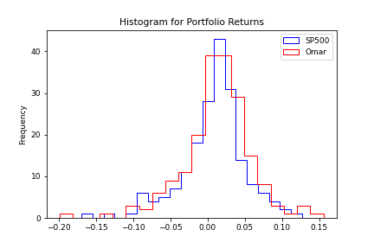
Beta | 1 | 1.0647456359
R2 | 1 | 0.87420169357
SharpeRatio | 0.53409324208 | 0.78795012053
TreynorRatio | 0.093684257565 | 0.14782314611

Funds_Holdings_Composition
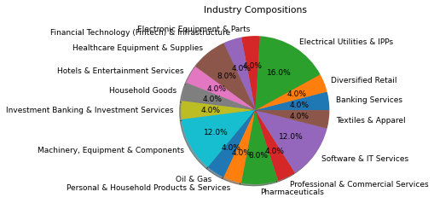
 | Symbols | Percentage(%) | Industry
0 | STE | 4 | Healthcare Equipment & Supplies
1 | FIS | 4 | Financial Technology (Fintech) & Infrastructure
2 | DG | 4 | Diversified Retail
3 | FISV | 4 | Professional & Commercial Services
4 | AME | 4 | Machinery, Equipment & Components
5 | MS | 4 | Investment Banking & Investment Services
6 | NKE | 4 | Textiles & Apparel
7 | CL | 4 | Personal & Household Products & Services
8 | ES | 4 | Electrical Utilities & IPPs
9 | EVRG | 4 | Electrical Utilities & IPPs
10 | GLW | 4 | Electronic Equipment & Parts
11 | AKAM | 4 | Software & IT Services
12 | GILD | 4 | Pharmaceuticals
13 | PH | 4 | Machinery, Equipment & Components
14 | NWL | 4 | Household Goods
15 | ABC | 4 | Healthcare Equipment & Supplies
16 | WEC | 4 | Electrical Utilities & IPPs
17 | JKHY | 4 | Software & IT Services
18 | INCY | 4 | Pharmaceuticals
19 | SNPS | 4 | Software & IT Services
20 | CFG | 4 | Banking Services
21 | D | 4 | Electrical Utilities & IPPs
22 | MRO | 4 | Oil & Gas
23 | LVS | 4 | Hotels & Entertainment Services
24 | SWK | 4 | Machinery, Equipment & Components

