geom

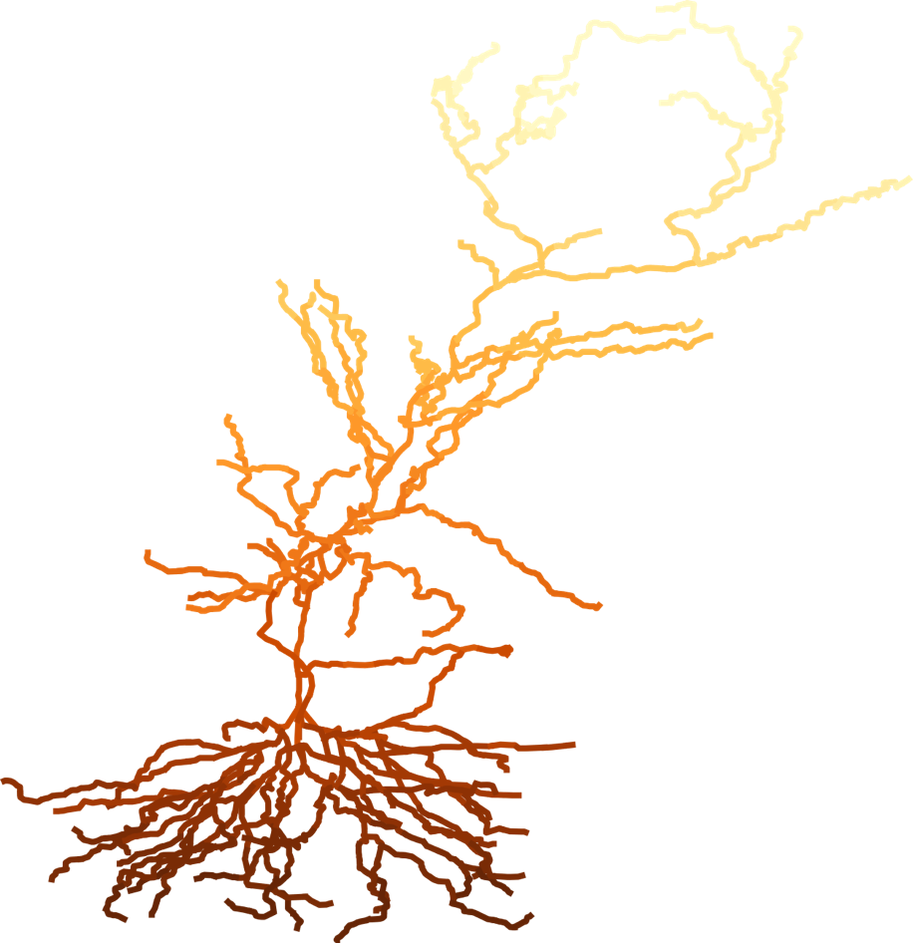
 |  |  |  |  |  |  | Ratio of means (= mean (Day7)/mean (Day0)) |  |  |  |  |  | PSD95 puncta density (3W) |  |  |  | PSD95 puncta density (3M) |  |  |  | PSD95 puncta density (18M)
 |  |  |  |  |  |  | 3W |  | 3M |  | 18M |  | Day 0 |  | Day 7 |  | Day 0 |  | Day 7 |  | Day 0 |  | Day 7
Abbreviation | Subregion | N | DtS | Sec name | Model | N comp | MEAN | SD | MEAN | SD | MEAN | SD | MEAN | SD | MEAN | SD | MEAN | SD | MEAN | SD | MEAN | SD | MEAN | SD
CA1so_1 | CA1so | 0 | 312 | 4 | Dend | 9 | 0.04 | 0.057455373987 | 0.43137254902 | 0.091582388843 | 0.4406779661 | 0.048577306794 | 57.666666667 | 14.497175204 | 2.3066666667 | 3.2621192839 | 58.82 | 7.4744542722 | 25.373333333 | 4.3153781861 | 68.046666667 | 6.5242385677 | 29.986666667 | 1.6310596419
CA1so_2 | CA1so | 1 | 249.6 | 3 | Dend | 85 | 0.064102564103 | 0.091122872843 | 0.51315789474 | 0.057604763117 | 0.5487804878 | 0.06048869006 | 89.96 | 12.946134558 | 5.7666666667 | 8.1552982097 | 87.653333333 | 8.1552982097 | 44.98 | 2.82507817 | 94.573333333 | 1.6310596419 | 51.9 | 5.65015634
CA1so_3 | CA1so | 2 | 187.2 | 2 | Dend | 134 | 0.068965517241 | 0.098071676539 | 0.53571428571 | 0.07402356188 | 0.56818181818 | 0.072391487463 | 100.34 | 14.948908544 | 6.92 | 9.7863578516 | 96.88 | 9.7863578516 | 51.9 | 4.8931789258 | 101.49333333 | 3.2621192839 | 57.666666667 | 7.1096241501
CA1so_4 | CA1so | 3 | 124.8 | 1 | Dend | 100 | 0.058139534884 | 0.08265967591 | 0.47619047619 | 0.087745873058 | 0.51111111111 | 0.084303542833 | 99.186666667 | 14.497175204 | 5.7666666667 | 8.1552982097 | 96.88 | 9.7863578516 | 46.133333333 | 7.1096241501 | 103.8 | 2.82507817 | 53.053333333 | 8.6307563722
CA1so_5 | CA1so | 4 | 62.4 | 0 | Dend | 16 | 0.027777777778 | 0.039724542365 | 0.32894736842 | 0.090498913312 | 0.32941176471 | 0.1017957089 | 83.04 | 17.642607517 | 2.3066666667 | 3.2621192839 | 87.653333333 | 10.695573331 | 28.833333333 | 7.1096241501 | 98.033333333 | 3.2621192839 | 32.293333333 | 9.9213484747
CA1sr_1 | CA1sr | 5 | 0 | 0 | apic | 3 | 0.049180327869 | 0.069952201978 | 0.43333333333 | 0.066430135955 | 0.49230769231 | 0.061420916414 | 70.353333333 | 10.695573331 | 3.46 | 4.8931789258 | 69.2 | 7.4744542722 | 29.986666667 | 3.2621192839 | 74.966666667 | 3.2621192839 | 36.906666667 | 4.3153781861
CA1sr_2 | CA1sr | 6 | 61 | 1 | apic | 6 | 0.064516129032 | 0.091673389291 | 0.45714285714 | 0.086247129017 | 0.5 | 0.06956506852 | 89.383333333 | 12.341205596 | 5.7666666667 | 8.1552982097 | 80.733333333 | 8.1552982097 | 36.906666667 | 5.8808691723 | 85.346666667 | 1.6310596419 | 42.673333333 | 5.8808691723
CA1sr_3 | CA1sr | 7 | 122 | 2 | apic | 29 | 0.073170731707 | 0.1039933117 | 0.48630136986 | 0.091727704851 | 0.54545454545 | 0.056002555965 | 94.573333333 | 13.350798561 | 6.92 | 9.7863578516 | 84.193333333 | 10.695573331 | 40.943333333 | 5.7087087468 | 88.806666667 | 1.6310596419 | 48.44 | 4.8931789258
CA1sr_4 | CA1sr | 8 | 183 | 3 | apic | 37 | 0.084337349398 | 0.11972032174 | 0.52702702703 | 0.080198990337 | 0.5974025974 | 0.072304497151 | 95.726666667 | 11.761738345 | 8.0733333333 | 11.417417494 | 85.346666667 | 9.081355748 | 44.98 | 4.8931789258 | 88.806666667 | 4.3153781861 | 53.053333333 | 5.8808691723
CA1sr_5 | CA1sr | 9 | 244 | 4 | apic | 48 | 0.09756097561 | 0.13841251765 | 0.56164383562 | 0.0885361763 | 0.63157894737 | 0.07156792622 | 94.573333333 | 10.695573331 | 9.2266666667 | 13.048477135 | 84.193333333 | 8.1552982097 | 47.286666667 | 5.8808691723 | 87.653333333 | 4.3153781861 | 55.36 | 5.65015634
CA1sr_6 | CA1sr | 10 | 305 | 5 | apic | 44 | 0.13253012048 | 0.1372789294 | 0.58333333333 | 0.085944806554 | 0.66666666667 | 0.054433105395 | 95.726666667 | 11.761738345 | 12.686666667 | 13.048477135 | 83.04 | 7.4744542722 | 48.44 | 5.65015634 | 86.5 | 2.82507817 | 57.666666667 | 4.3153781861
CA1sr_7 | CA1sr | 11 | 366 | 6 | apic | 46 | 0.14814814815 | 0.15796291914 | 0.625 | 0.088285987049 | 0.71621621622 | 0.062193763056 | 93.42 | 10.185964199 | 13.84 | 14.679536777 | 83.04 | 7.4744542722 | 51.9 | 5.65015634 | 85.346666667 | 4.3153781861 | 61.126666667 | 4.3153781861
CA1sr_8 | CA1sr | 12 | 427 | 7 | apic | 38 | 0.15853658537 | 0.1733945269 | 0.61971830986 | 0.072216069522 | 0.73611111111 | 0.057686823119 | 94.573333333 | 10.695573331 | 14.993333333 | 16.310596419 | 81.886666667 | 6.5242385677 | 50.746666667 | 4.3153781861 | 83.04 | 2.82507817 | 61.126666667 | 4.3153781861
CA1sr_9 | CA1sr | 13 | 488 | 8 | apic | 21 | 0.17721518987 | 0.1720312539 | 0.62857142857 | 0.061066462724 | 0.71428571429 | 0.065687660977 | 91.113333333 | 10.695573331 | 16.146666667 | 15.559317323 | 80.733333333 | 5.8808691723 | 50.746666667 | 3.2621192839 | 80.733333333 | 4.3153781861 | 57.666666667 | 4.3153781861
CA1sr_10 | CA1sr | 14 | 549 | 9 | apic | 9 | 0.11594202899 | 0.13515443794 | 0.53225806452 | 0.050918159481 | 0.5303030303 | 0.095451332105 | 79.58 | 9.7863578516 | 9.2266666667 | 10.695573331 | 71.506666667 | 4.3153781861 | 38.06 | 2.82507817 | 76.12 | 2.82507817 | 40.366666667 | 7.1096241501
CA1slm_1 | CA1slm | 15 | 610 | 10 | dend5 | 13 | 0.06 | 0.085680336134 | 0.36363636364 | 0.085837099495 | 0.47826086957 | 0.085087163969 | 57.666666667 | 11.417417494 | 3.46 | 4.8931789258 | 50.746666667 | 1.6310596419 | 18.453333333 | 4.3153781861 | 53.053333333 | 6.5242385677 | 25.373333333 | 3.2621192839
CA1slm_2 | CA1slm | 16 | 671 | 11 | dend5 | 24 | 0.11428571429 | 0.16233202641 | 0.54237288136 | 0.087396405922 | 0.61904761905 | 0.08140136884 | 80.733333333 | 10.695573331 | 9.2266666667 | 13.048477135 | 68.046666667 | 1.6310596419 | 36.906666667 | 5.8808691723 | 72.66 | 2.82507817 | 44.98 | 5.65015634
CA1slm_3 | CA1slm | 17 | 732 | 12 | dend5 | 35 | 0.1375 | 0.19469728105 | 0.60606060606 | 0.096070471663 | 0.67142857143 | 0.081204489385 | 92.266666667 | 6.5242385677 | 12.686666667 | 17.941656061 | 76.12 | 2.82507817 | 46.133333333 | 7.1096241501 | 80.733333333 | 4.3153781861 | 54.206666667 | 5.8808691723
CA1slm_4 | CA1slm | 18 | 793 | 13 | dend5 | 29 | 0.18604651163 | 0.23918116403 | 0.63768115942 | 0.077288407369 | 0.71232876712 | 0.085661655801 | 99.186666667 | 6.5242385677 | 18.453333333 | 23.692509834 | 79.58 | 2.82507817 | 50.746666667 | 5.8808691723 | 84.193333333 | 4.3153781861 | 59.973333333 | 6.5242385677
CA1slm_5 | CA1slm | 19 | 854 | 14 | dend5 | 9 | 0.19318181818 | 0.24973392338 | 0.67142857143 | 0.048669083788 | 0.68918918919 | 0.074446490754 | 101.49333333 | 5.8808691723 | 19.606666667 | 25.320854821 | 80.733333333 | 3.2621192839 | 54.206666667 | 3.2621192839 | 85.346666667 | 5.8808691723 | 58.82 | 4.8931789258

DLG2 | PSD93

